Table 1-1
This file presents the data from the tables and figures in CBO’s July 2022 report The 2022 Long-Term Budget Outlook.
www.cbo.gov/publication/57971

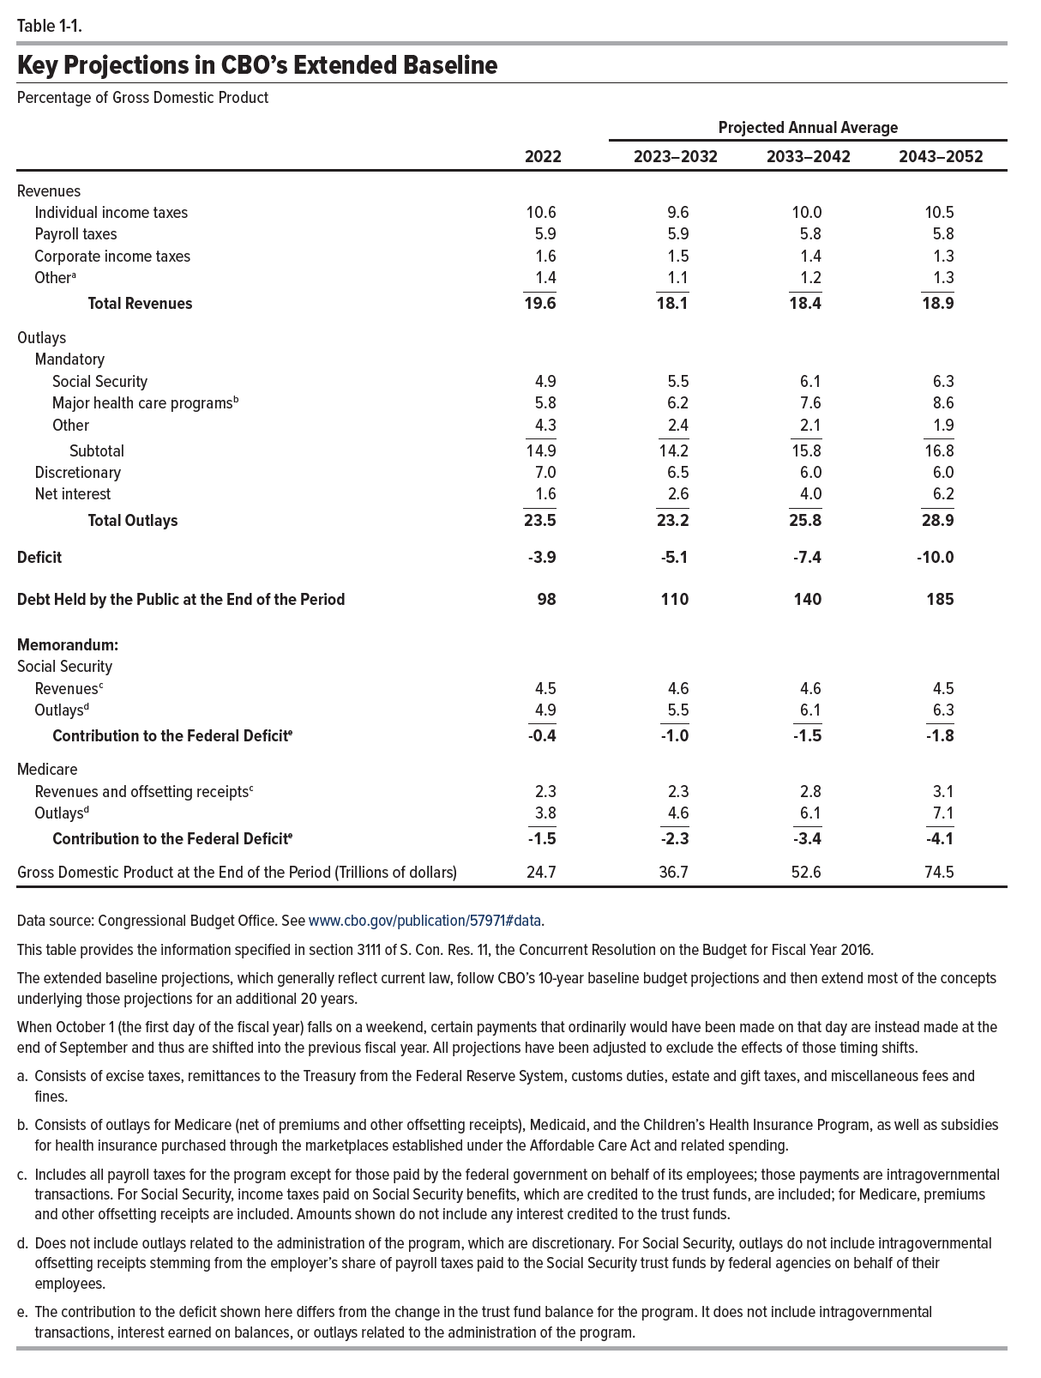
Table 1-1. Key Projections in CBO’s Extended Baseline
Percentage of Gross Domestic Product

 |  | Projected Annual Average
 | 2022 | 2023–2032 | 2033–2042 | 2043–2052
Revenues
Individual income taxes | 10.6 | 9.6 | 10.0 | 10.5
Payroll taxes | 5.9 | 5.9 | 5.8 | 5.8
Corporate income taxes | 1.6 | 1.5 | 1.4 | 1.3
Other | 1.4 | 1.1 | 1.2 | 1.3
Total Revenues | 19.6 | 18.1 | 18.4 | 18.9
Outlays
Mandatory
Social Security | 4.9 | 5.5 | 6.1 | 6.3
Major health care programs | 5.8 | 6.2 | 7.6 | 8.6
Other | 4.3 | 2.4 | 2.1 | 1.9
Subtotal | 14.9 | 14.2 | 15.8 | 16.8
Discretionary | 7.0 | 6.5 | 6.0 | 6.0
Net interest | 1.6 | 2.6 | 4.0 | 6.2
Total Outlays | 23.5 | 23.2 | 25.8 | 28.9
Deficit | -3.9 | -5.1 | -7.4 | -10.0
Debt Held by the Public at the End of the Period | 98 | 110 | 140 | 185
Memorandum:
Social Security
Revenues | 4.5 | 4.6 | 4.6 | 4.5
Outlays | 4.9 | 5.5 | 6.1 | 6.3
Contribution to the Federal Deficit | -0.4 | -1.0 | -1.5 | -1.8
Medicare
Revenues and Offsetting Receipts | 2.3 | 2.3 | 2.8 | 3.1
Outlays | 3.8 | 4.6 | 6.1 | 7.1
Contribution to the Federal Deficit | -1.5 | -2.3 | -3.4 | -4.1
Gross Domestic Product at the End of the Period (Trillions of dollars) | 24.7 | 36.7 | 52.6 | 74.5

Back to Table of Contents

Table 4-1
This file presents the data from the tables and figures in CBO’s July 2022 report The 2022 Long-Term Budget Outlook.
www.cbo.gov/publication/57971

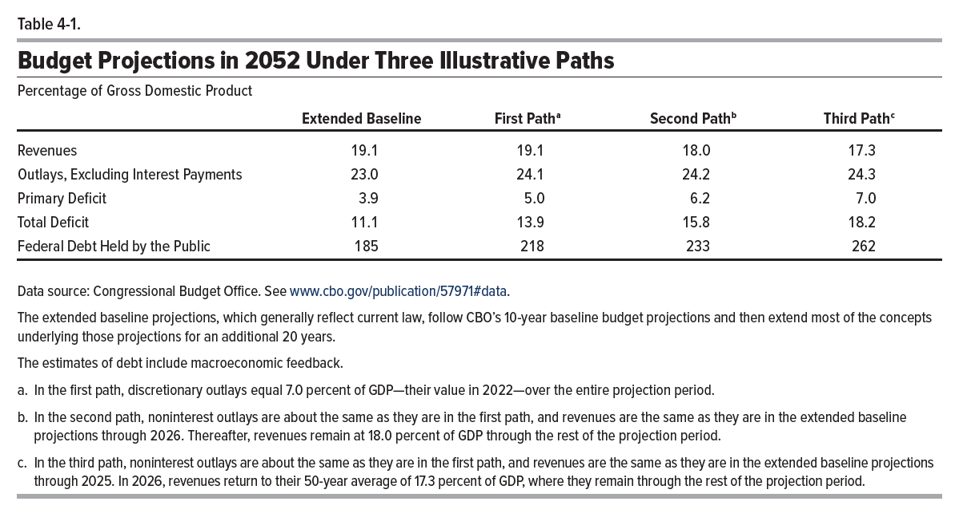
Table 4-1. Budget Projections in 2052 Under Three Illustrative Paths
Percentage of Gross Domestic Product
 | Extended Baseline | First Path | Second Path | Third Path
Revenues | 19.1 | 19.1 | 18 | 17.3
Spending Excluding Interest Payments | 23 | 24.1 | 24.2 | 24.3
Primary Deficit | 3.9 | 5 | 6.2 | 7
Total Deficit | 11.1 | 13.9 | 15.8 | 18.2
Federal Debt Held by the Public | 185 | 218 | 233 | 262

Back to Table of Contents

Table B-1
This file presents the data from the tables and figures in CBO’s July 2022 report The 2022 Long-Term Budget Outlook.
www.cbo.gov/publication/57971

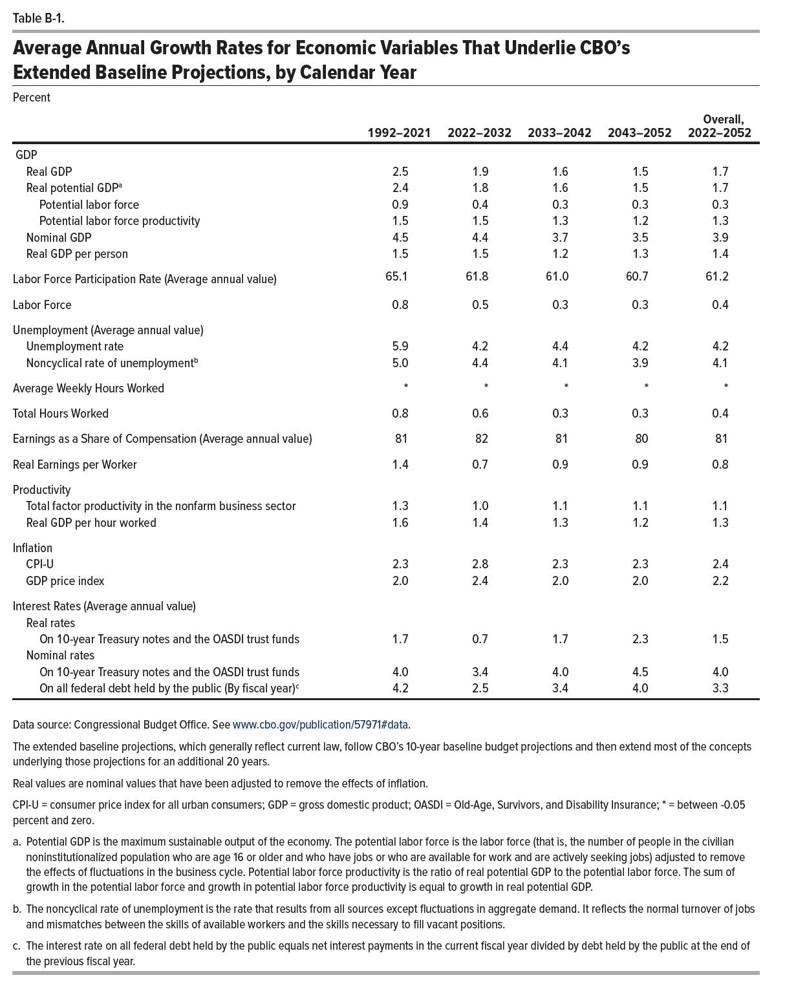
Table B-1. Average Annual Growth Rates for Economic Variables That Underlie CBO’s Extended Baseline Projections, by Calendar Year
Percent

 | 1992–2021 | 2022–2032 | 2033–2042 | 2043–2052 | Overall, 2022–2052
GDP
Real GDP | 2.5 | 1.9 | 1.6 | 1.5 | 1.7
Real potential GDP | 2.4 | 1.8 | 1.6 | 1.5 | 1.7
Potential labor force | 0.9 | 0.4 | 0.3 | 0.3 | 0.3
Potential labor force productivity | 1.5 | 1.5 | 1.3 | 1.2 | 1.3
Nominal GDP | 4.5 | 4.4 | 3.7 | 3.5 | 3.9
Real GDP per person | 1.5 | 1.5 | 1.2 | 1.3 | 1.4
Labor Force Participation Rate (Average annual value) | 65.1 | 61.8 | 61.0 | 60.7 | 61.2
Labor Force | 0.8 | 0.5 | 0.3 | 0.3 | 0.4
Unemployment (Average annual value)
Unemployment rate | 5.9 | 4.2 | 4.4 | 4.2 | 4.2
Noncyclical rate of unemployment | 5.0 | 4.4 | 4.1 | 3.9 | 4.1
Average Weekly Hours Worked | * | * | * | * | *
Total Hours Worked | 0.8 | 0.6 | 0.3 | 0.3 | 0.4
Earnings as a Share of Compensation (Average annual value) | 81 | 82 | 81 | 80 | 81
Real Earnings per Worker | 1.4 | 0.7 | 0.9 | 0.9 | 0.8
Productivity
Total factor productivity in the nonfarm business sector | 1.3 | 1.0 | 1.1 | 1.1 | 1.1
Real GDP per hour worked | 1.6 | 1.4 | 1.3 | 1.2 | 1.3
Inflation
CPI-U | 2.3 | 2.8 | 2.3 | 2.3 | 2.4
GDP price index | 2.0 | 2.4 | 2.0 | 2.0 | 2.2
Interest Rates (Average annual value)
Real rates
On 10-year Treasury notes and the OASDI trust funds | 1.7 | 0.7 | 1.7 | 2.3 | 1.5
Nominal rates
On 10-year Treasury notes and the OASDI trust funds | 4.0 | 3.4 | 4.0 | 4.5 | 4.0
On all federal debt held by the public (By fiscal year) | 4.2 | 2.5 | 3.4 | 4.0 | 3.3

Back to Table of Contents

Table C-1
This file presents the data from the tables and figures in CBO’s July 2022 report The 2022 Long-Term Budget Outlook.
www.cbo.gov/publication/57971

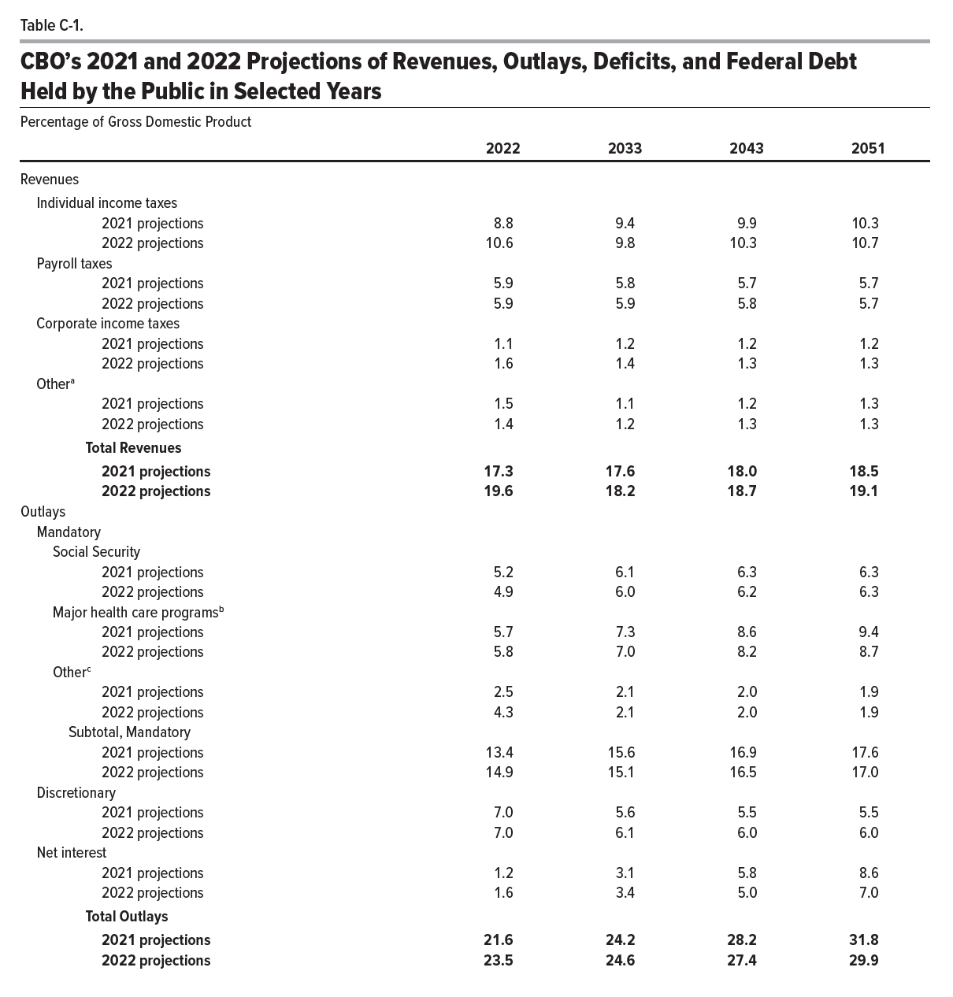
Table C-1. CBO’s 2021 and 2022 Projections of Revenues, Outlays, Deficits, and Federal Debt Held by the Public in Selected Years
Percentage of Gross Domestic Product

 | 2022 | 2033 | 2043 | 2051
Revenues
Individual income taxes
2021 projections | 8.8 | 9.4 | 9.9 | 10.3
2022 projections | 10.6 | 9.8 | 10.3 | 10.7
Payroll taxes
2021 projections | 5.9 | 5.8 | 5.7 | 5.7
2022 projections | 5.9 | 5.9 | 5.8 | 5.7
Corporate income taxes
2021 projections | 1.1 | 1.2 | 1.2 | 1.2
2022 projections | 1.6 | 1.4 | 1.3 | 1.3
Other
2021 projections | 1.5 | 1.1 | 1.2 | 1.3
2022 projections | 1.4 | 1.2 | 1.3 | 1.3
Total Revenues
2021 projections | 17.3 | 17.6 | 18.0 | 18.5
2022 projections | 19.6 | 18.2 | 18.7 | 19.1
Outlays
Mandatory
Social Security
2021 projections | 5.2 | 6.1 | 6.3 | 6.3
2022 projections | 4.9 | 6.0 | 6.2 | 6.3
Major health care programs
2021 projections | 5.7 | 7.3 | 8.6 | 9.4
2022 projections | 5.8 | 7.0 | 8.2 | 8.7
Other
2021 projections | 2.5 | 2.1 | 2.0 | 1.9
2022 projections | 4.3 | 2.1 | 2.0 | 1.9
Subtotal, Mandatory
2021 projections | 13.4 | 15.6 | 16.9 | 17.6
2022 projections | 14.9 | 15.1 | 16.5 | 17.0
Discretionary
2021 projections | 7.0 | 5.6 | 5.5 | 5.5
2022 projections | 7.0 | 6.1 | 6.0 | 6.0
Net interest
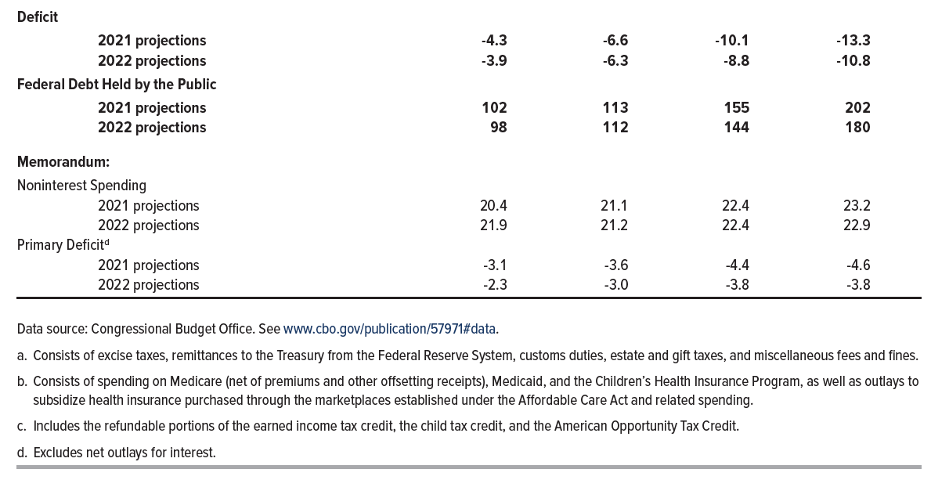
2021 projections | 1.2 | 3.1 | 5.8 | 8.6
2022 projections | 1.6 | 3.4 | 5.0 | 7.0
Total Outlays
2021 projections | 21.6 | 24.2 | 28.2 | 31.8
2022 projections | 23.5 | 24.6 | 27.4 | 29.9
Deficit
2021 projections | -4.3 | -6.6 | -10.1 | -13.3
2022 projections | -3.9 | -6.3 | -8.8 | -10.8
Federal Debt Held by the Public
2021 projections | 102 | 113 | 155 | 202
2022 projections | 98 | 112 | 144 | 180
Memorandum:
Noninterest Spending
2021 projections | 20.4 | 21.1 | 22.4 | 23.2
2022 projections | 21.9 | 21.2 | 22.4 | 22.9
Primary Deficit
2021 projections | -3.1 | -3.6 | -4.4 | -4.6
2022 projections | -2.3 | -3.0 | -3.8 | -3.8

Back to Table of Contents

Figure 1-1
This file presents the data from the tables and figures in CBO’s July 2022 report The 2022 Long-Term Budget Outlook.
www.cbo.gov/publication/57971

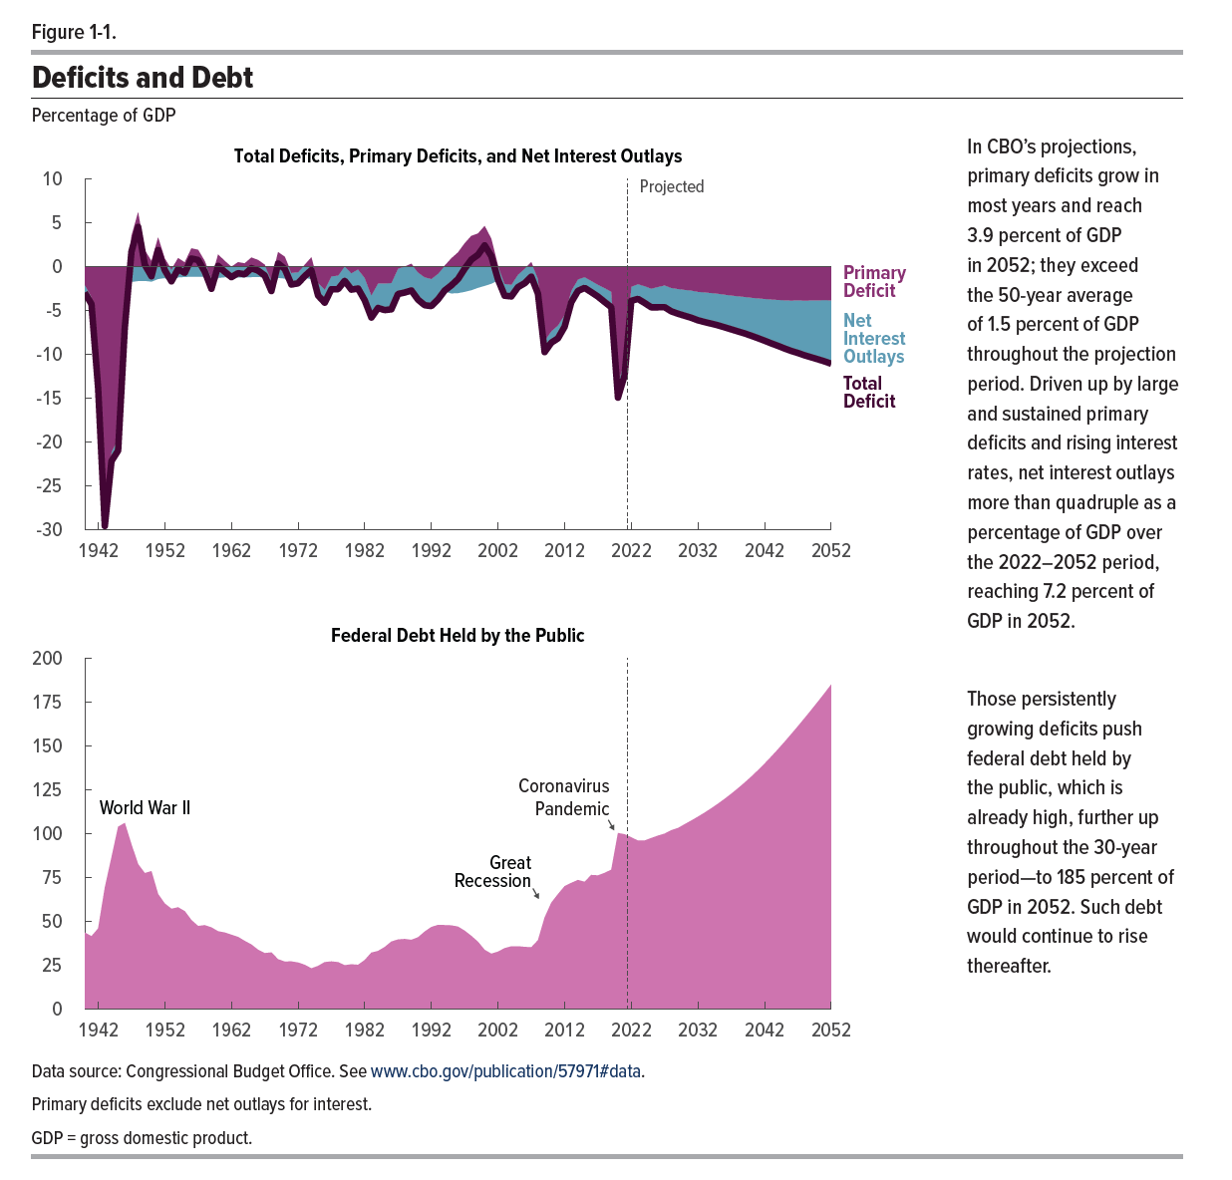
Figure 1-1. Deficits and Debt
Percentage of GDP

 | Primary Deficit | Net Interest Outlays | Total Deficit | Federal Debt Held by the Public
1940 | -2.1 | -0.9 | -3.0 | 43.6
1941 | -3.5 | -0.8 | -4.3 | 41.5
1942 | -13.2 | -0.7 | -13.9 | 45.9
1943 | -28.8 | -0.8 | -29.6 | 69.2
1944 | -21.2 | -1.0 | -22.2 | 86.4
1945 | -19.6 | -1.4 | -21.0 | 103.9
1946 | -5.2 | -1.8 | -7.0 | 106.1
1947 | 3.5 | -1.8 | 1.7 | 93.9
1948 | 6.2 | -1.7 | 4.5 | 82.6
1949 | 1.8 | -1.6 | 0.2 | 77.5
1950 | 0.6 | -1.7 | -1.1 | 78.6
1951 | 3.3 | -1.4 | 1.9 | 65.5
1952 | 0.9 | -1.3 | -0.4 | 60.1
1953 | -0.4 | -1.4 | -1.7 | 57.2
1954 | 0.9 | -1.2 | -0.3 | 58.0
1955 | 0.5 | -1.2 | -0.7 | 55.8
1956 | 2.1 | -1.2 | 0.9 | 50.7
1957 | 1.9 | -1.2 | 0.7 | 47.3
1958 | 0.6 | -1.2 | -0.6 | 47.8
1959 | -1.4 | -1.1 | -2.5 | 46.5
1960 | 1.4 | -1.3 | 0.1 | 44.3
1961 | 0.6 | -1.2 | -0.6 | 43.6
1962 | 0.0 | -1.2 | -1.2 | 42.3
1963 | 0.5 | -1.3 | -0.8 | 41.1
1964 | 0.3 | -1.2 | -0.9 | 38.8
1965 | 1.0 | -1.2 | -0.2 | 36.8
1966 | 0.7 | -1.2 | -0.5 | 33.8
1967 | 0.2 | -1.2 | -1.0 | 31.9
1968 | -1.6 | -1.2 | -2.8 | 32.3
1969 | 1.6 | -1.3 | 0.3 | 28.4
1970 | 1.1 | -1.4 | -0.3 | 27.1
1971 | -0.7 | -1.3 | -2.1 | 27.1
1972 | -0.6 | -1.3 | -1.9 | 26.5
1973 | 0.2 | -1.3 | -1.1 | 25.2
1974 | 1.0 | -1.4 | -0.4 | 23.2
1975 | -1.9 | -1.4 | -3.3 | 24.6
1976 | -2.6 | -1.5 | -4.1 | 26.7
1977 | -1.1 | -1.5 | -2.6 | 27.1
1978 | -1.0 | -1.6 | -2.6 | 26.7
1979 | 0.0 | -1.7 | -1.6 | 25.0
1980 | -0.8 | -1.9 | -2.6 | 25.5
1981 | -0.3 | -2.2 | -2.5 | 25.2
1982 | -1.3 | -2.6 | -3.9 | 27.9
1983 | -3.3 | -2.5 | -5.8 | 32.2
1984 | -1.9 | -2.8 | -4.7 | 33.1
1985 | -1.9 | -3.0 | -5.0 | 35.3
1986 | -1.9 | -3.0 | -4.9 | 38.5
1987 | -0.2 | -2.9 | -3.1 | 39.6
1988 | 0.0 | -3.0 | -3.0 | 39.9
1989 | 0.3 | -3.0 | -2.7 | 39.4
1990 | -0.7 | -3.1 | -3.8 | 40.9
1991 | -1.2 | -3.2 | -4.4 | 44.1
1992 | -1.4 | -3.1 | -4.5 | 46.8
1993 | -0.8 | -2.9 | -3.8 | 47.9
1994 | 0.1 | -2.8 | -2.7 | 47.8
1995 | 0.9 | -3.1 | -2.2 | 47.7
1996 | 1.6 | -3.0 | -1.4 | 47.0
1997 | 2.6 | -2.9 | -0.3 | 44.6
1998 | 3.5 | -2.7 | 0.8 | 41.7
1999 | 3.7 | -2.4 | 1.3 | 38.3
2000 | 4.6 | -2.2 | 2.4 | 33.7
2001 | 3.1 | -2.0 | 1.2 | 31.5
2002 | 0.1 | -1.6 | -1.5 | 32.7
2003 | -2.0 | -1.4 | -3.3 | 34.7
2004 | -2.1 | -1.3 | -3.4 | 35.7
2005 | -0.9 | -1.4 | -2.4 | 35.8
2006 | -0.3 | -1.7 | -1.9 | 35.4
2007 | 0.5 | -1.7 | -1.2 | 35.2
2008 | -1.4 | -1.7 | -3.1 | 39.2
2009 | -8.5 | -1.3 | -9.8 | 52.2
2010 | -7.4 | -1.3 | -8.7 | 60.6
2011 | -6.7 | -1.5 | -8.2 | 65.5
2012 | -5.5 | -1.4 | -6.9 | 70.0
2013 | -2.8 | -1.3 | -4.1 | 71.9
2014 | -1.5 | -1.3 | -2.8 | 73.6
2015 | -1.2 | -1.2 | -2.4 | 72.5
2016 | -1.6 | -1.3 | -2.9 | 76.4
2017 | -2.1 | -1.4 | -3.4 | 76.2
2018 | -2.5 | -1.6 | -4.1 | 77.6
2019 | -2.9 | -1.8 | -4.7 | 79.4
2020 | -13.3 | -1.6 | -15.0 | 100.3
2021 | -10.8 | -1.6 | -12.4 | 99.6
2022 | -2.3 | -1.6 | -3.9 | 97.9
2023 | -2.0 | -1.7 | -3.7 | 96.0
2024 | -2.2 | -1.9 | -4.2 | 96.1
2025 | -2.5 | -2.1 | -4.7 | 97.5
2026 | -2.3 | -2.3 | -4.7 | 98.8
2027 | -2.2 | -2.5 | -4.6 | 100.0
2028 | -2.4 | -2.7 | -5.1 | 102.0
2029 | -2.6 | -2.8 | -5.4 | 103.2
2030 | -2.7 | -3.0 | -5.6 | 105.3
2031 | -2.7 | -3.1 | -5.9 | 107.5
2032 | -2.9 | -3.3 | -6.1 | 109.6
2033 | -3.0 | -3.4 | -6.3 | 112.0
2034 | -3.0 | -3.5 | -6.5 | 114.4
2035 | -3.1 | -3.6 | -6.7 | 117.0
2036 | -3.2 | -3.7 | -6.9 | 119.8
2037 | -3.3 | -3.9 | -7.2 | 122.7
2038 | -3.4 | -4.0 | -7.4 | 125.8
2039 | -3.5 | -4.2 | -7.6 | 129.1
2040 | -3.6 | -4.3 | -7.9 | 132.5
2041 | -3.6 | -4.5 | -8.2 | 136.1
2042 | -3.7 | -4.8 | -8.5 | 139.9
2043 | -3.8 | -5.0 | -8.8 | 143.9
2044 | -3.8 | -5.2 | -9.1 | 148.0
2045 | -3.9 | -5.5 | -9.4 | 152.3
2046 | -3.9 | -5.7 | -9.6 | 156.7
2047 | -3.9 | -6.0 | -9.9 | 161.2
2048 | -3.9 | -6.2 | -10.1 | 165.8
2049 | -3.9 | -6.5 | -10.4 | 170.5
2050 | -3.9 | -6.7 | -10.6 | 175.2
2051 | -3.8 | -7.0 | -10.8 | 180.1
2052 | -3.9 | -7.2 | -11.1 | 185.0

Back to Table of Contents

Figure 2-1
This file presents the data from the tables and figures in CBO’s July 2022 report The 2022 Long-Term Budget Outlook.
www.cbo.gov/publication/57971

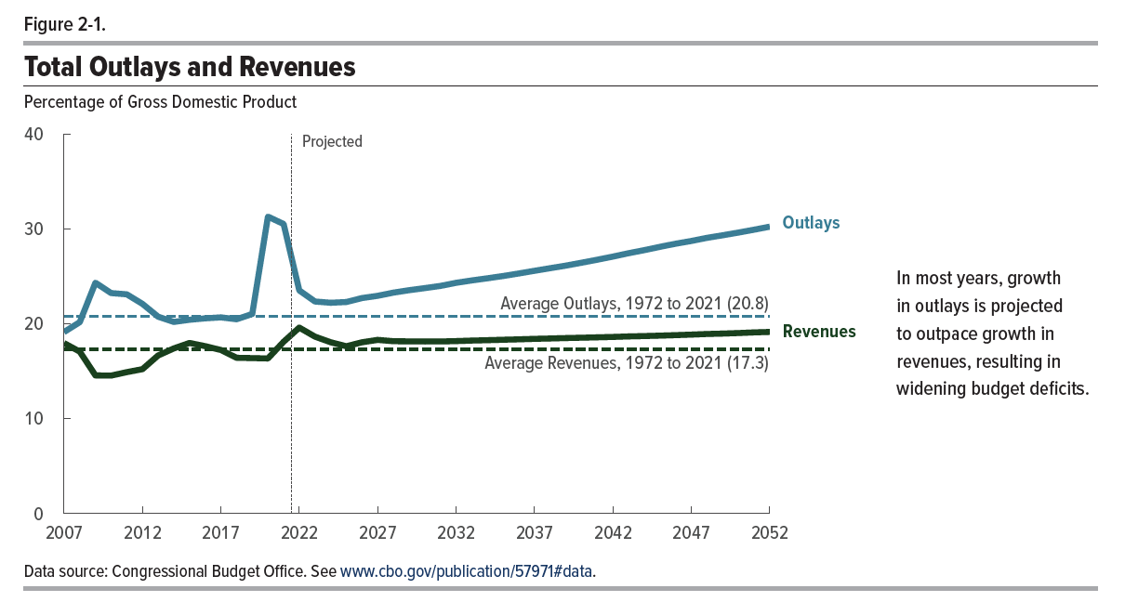
Figure 2-1. Total Outlays and Revenues
Percentage of Gross Domestic Product

 | Revenues | Outlays
2007 | 18.0 | 19.1
2008 | 17.1 | 20.2
2009 | 14.6 | 24.3
2010 | 14.5 | 23.2
2011 | 14.9 | 23.1
2012 | 15.2 | 22.1
2013 | 16.7 | 20.7
2014 | 17.4 | 20.2
2015 | 18.0 | 20.4
2016 | 17.6 | 20.6
2017 | 17.2 | 20.7
2018 | 16.4 | 20.5
2019 | 16.4 | 21.0
2020 | 16.3 | 31.3
2021 | 18.1 | 30.5
2022 | 19.6 | 23.5
2023 | 18.6 | 22.3
2024 | 18.0 | 22.2
2025 | 17.6 | 22.3
2026 | 18.0 | 22.7
2027 | 18.3 | 22.9
2028 | 18.2 | 23.3
2029 | 18.1 | 23.5
2030 | 18.1 | 23.7
2031 | 18.1 | 24.0
2032 | 18.2 | 24.3
2033 | 18.2 | 24.6
2034 | 18.3 | 24.8
2035 | 18.3 | 25.0
2036 | 18.4 | 25.3
2037 | 18.4 | 25.6
2038 | 18.4 | 25.8
2039 | 18.5 | 26.1
2040 | 18.5 | 26.4
2041 | 18.6 | 26.7
2042 | 18.6 | 27.1
2043 | 18.7 | 27.4
2044 | 18.7 | 27.7
2045 | 18.7 | 28.1
2046 | 18.8 | 28.4
2047 | 18.8 | 28.7
2048 | 18.9 | 29.0
2049 | 19.0 | 29.3
2050 | 19.0 | 29.6
2051 | 19.1 | 29.9
2052 | 19.1 | 30.2
Average, 1972 to 2021 | 17.3 | 20.8

Back to Table of Contents

Figure 2-2
This file presents the data from the tables and figures in CBO’s July 2022 report The 2022 Long-Term Budget Outlook.
www.cbo.gov/publication/57971

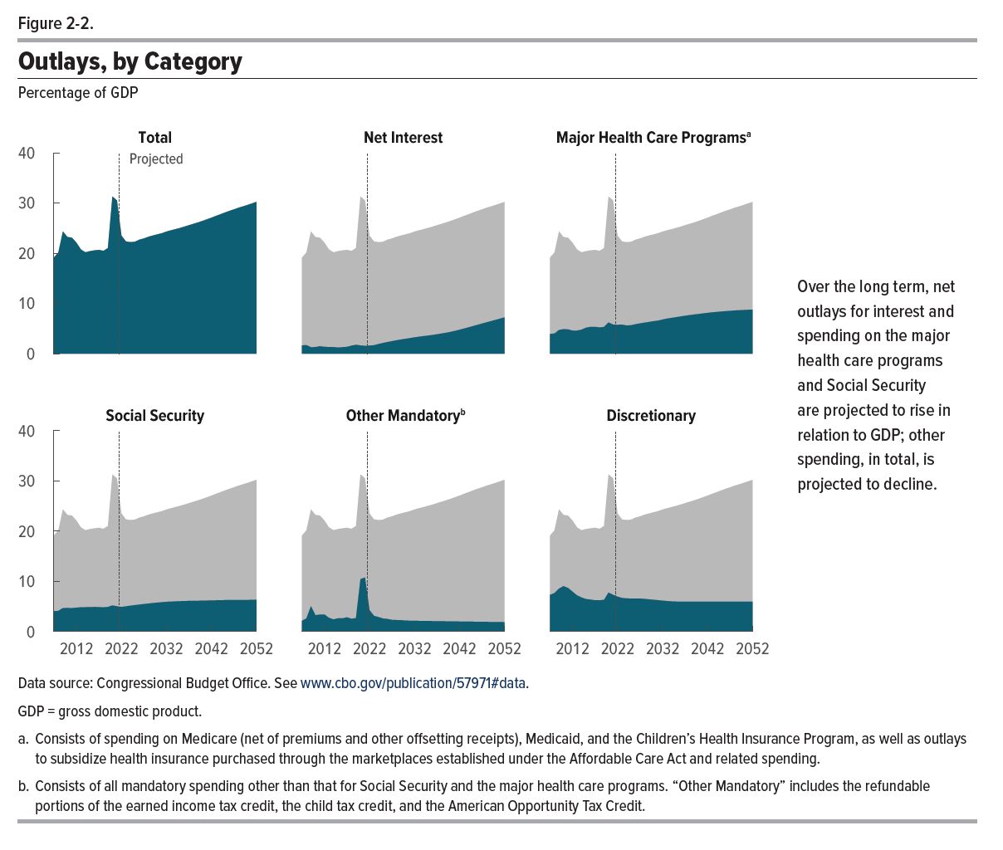
Figure 2-2. Outlays, by Category
Percentage of GDP

 | Total | Net Interest | Major Health Care Programs | Social Security | Other Mandatory | Discretionary
2007 | 19.1 | 1.7 | 3.9 | 4.1 | 2.1 | 7.3
2008 | 20.2 | 1.7 | 4.0 | 4.1 | 2.6 | 7.7
2009 | 24.3 | 1.3 | 4.7 | 4.7 | 5.1 | 8.6
2010 | 23.2 | 1.3 | 4.9 | 4.7 | 3.3 | 9.1
2011 | 23.1 | 1.5 | 4.8 | 4.7 | 3.4 | 8.7
2012 | 22.1 | 1.4 | 4.6 | 4.8 | 3.4 | 7.9
2013 | 20.7 | 1.3 | 4.6 | 4.8 | 2.7 | 7.2
2014 | 20.2 | 1.3 | 4.8 | 4.9 | 2.4 | 6.8
2015 | 20.4 | 1.2 | 5.2 | 4.9 | 2.6 | 6.5
2016 | 20.6 | 1.3 | 5.3 | 4.9 | 2.6 | 6.4
2017 | 20.7 | 1.4 | 5.3 | 4.9 | 2.8 | 6.2
2018 | 20.5 | 1.6 | 5.2 | 4.8 | 2.6 | 6.2
2019 | 21.0 | 1.8 | 5.3 | 4.9 | 2.7 | 6.3
2020 | 31.3 | 1.6 | 6.2 | 5.2 | 10.4 | 7.8
2021 | 30.5 | 1.6 | 5.8 | 5.0 | 10.8 | 7.3
2022 | 23.5 | 1.6 | 5.8 | 4.9 | 4.3 | 7.0
2023 | 22.3 | 1.7 | 5.8 | 5.0 | 3.1 | 6.7
2024 | 22.2 | 1.9 | 5.6 | 5.2 | 2.9 | 6.6
2025 | 22.3 | 2.1 | 5.7 | 5.3 | 2.6 | 6.6
2026 | 22.7 | 2.3 | 5.9 | 5.4 | 2.5 | 6.6
2027 | 22.9 | 2.5 | 6.0 | 5.5 | 2.3 | 6.6
2028 | 23.3 | 2.7 | 6.2 | 5.6 | 2.3 | 6.5
2029 | 23.5 | 2.8 | 6.3 | 5.7 | 2.3 | 6.4
2030 | 23.7 | 3.0 | 6.5 | 5.8 | 2.2 | 6.3
2031 | 24.0 | 3.1 | 6.6 | 5.9 | 2.2 | 6.3
2032 | 24.3 | 3.3 | 6.8 | 5.9 | 2.2 | 6.2
2033 | 24.6 | 3.4 | 7.0 | 6.0 | 2.1 | 6.1
2034 | 24.8 | 3.5 | 7.1 | 6.0 | 2.1 | 6.0
2035 | 25.0 | 3.6 | 7.3 | 6.1 | 2.1 | 6.0
2036 | 25.3 | 3.7 | 7.4 | 6.1 | 2.1 | 6.0
2037 | 25.6 | 3.9 | 7.6 | 6.1 | 2.1 | 6.0
2038 | 25.8 | 4.0 | 7.7 | 6.1 | 2.1 | 6.0
2039 | 26.1 | 4.2 | 7.8 | 6.1 | 2.1 | 6.0
2040 | 26.4 | 4.3 | 7.9 | 6.2 | 2.0 | 6.0
2041 | 26.7 | 4.5 | 8.0 | 6.2 | 2.0 | 6.0
2042 | 27.1 | 4.8 | 8.1 | 6.2 | 2.0 | 6.0
2043 | 27.4 | 5.0 | 8.2 | 6.2 | 2.0 | 6.0
2044 | 27.7 | 5.2 | 8.3 | 6.2 | 2.0 | 6.0
2045 | 28.1 | 5.5 | 8.4 | 6.3 | 2.0 | 6.0
2046 | 28.4 | 5.7 | 8.5 | 6.3 | 2.0 | 6.0
2047 | 28.7 | 6.0 | 8.5 | 6.3 | 1.9 | 6.0
2048 | 29.0 | 6.2 | 8.6 | 6.3 | 1.9 | 6.0
2049 | 29.3 | 6.5 | 8.7 | 6.3 | 1.9 | 6.0
2050 | 29.6 | 6.7 | 8.7 | 6.3 | 1.9 | 6.0
2051 | 29.9 | 7.0 | 8.7 | 6.3 | 1.9 | 6.0
2052 | 30.2 | 7.2 | 8.8 | 6.4 | 1.9 | 6.0

Back to Table of Contents

Figure 2-3
This file presents the data from the tables and figures in CBO’s July 2022 report The 2022 Long-Term Budget Outlook.
www.cbo.gov/publication/57971

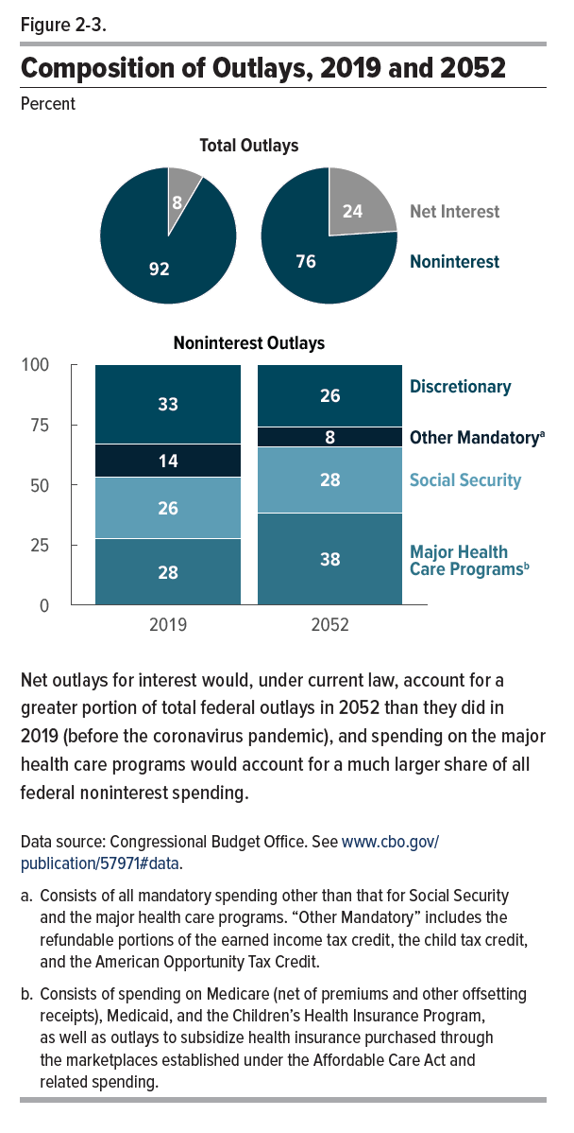
Figure 2-3. Composition of Outlays, 2019 and 2052
Percent

 | Total Outlays |  | Noninterest Outlays
 | Net Interest | Noninterest | Discretionary | Other Mandatory | Social Security | Major Health Care Programs
2019 | 8.4 | 91.6 | 32.9 | 14.0 | 25.5 | 27.7
2052 | 23.9 | 76.1 | 25.9 | 8.2 | 27.6 | 38.2

Back to Table of Contents

Figure 2-4
This file presents the data from the tables and figures in CBO’s July 2022 report The 2022 Long-Term Budget Outlook.
www.cbo.gov/publication/57971

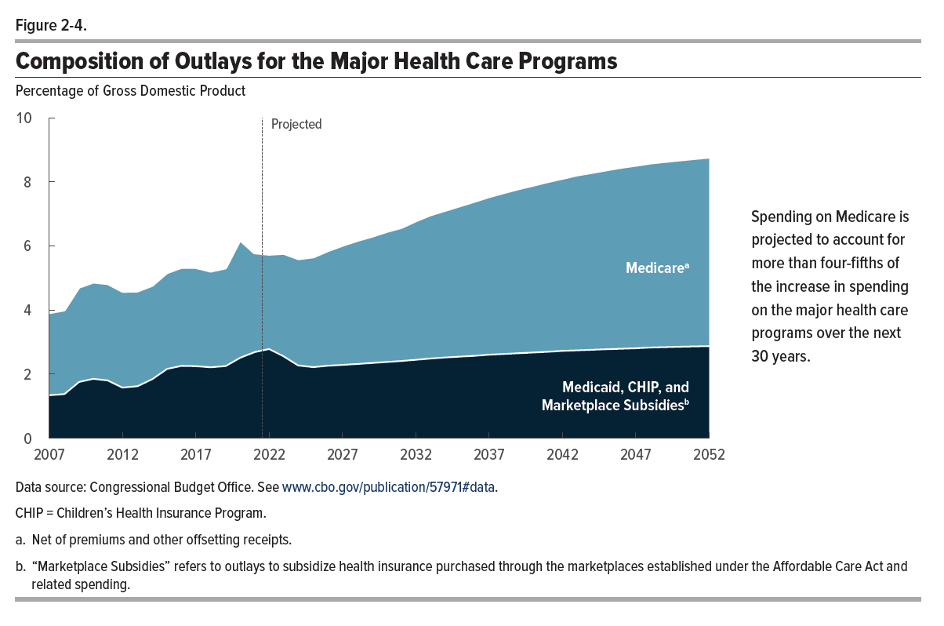
Figure 2-4. Composition of Outlays for the Major Health Care Programs
Percentage of Gross Domestic Product

 | Medicare | Medicaid, CHIP, and Marketplace Subsidies
2007 | 2.6 | 1.4
2008 | 2.6 | 1.4
2009 | 2.9 | 1.8
2010 | 3.0 | 1.9
2011 | 3.0 | 1.8
2012 | 3.0 | 1.6
2013 | 3.0 | 1.7
2014 | 2.9 | 1.9
2015 | 3.0 | 2.2
2016 | 3.1 | 2.3
2017 | 3.1 | 2.3
2018 | 3.0 | 2.2
2019 | 3.0 | 2.3
2020 | 3.7 | 2.5
2021 | 3.1 | 2.7
2022 | 2.9 | 2.8
2023 | 3.2 | 2.6
2024 | 3.3 | 2.3
2025 | 3.4 | 2.3
2026 | 3.6 | 2.3
2027 | 3.7 | 2.3
2028 | 3.8 | 2.3
2029 | 3.9 | 2.4
2030 | 4.1 | 2.4
2031 | 4.1 | 2.4
2032 | 4.3 | 2.5
2033 | 4.5 | 2.5
2034 | 4.6 | 2.6
2035 | 4.7 | 2.6
2036 | 4.8 | 2.6
2037 | 4.9 | 2.6
2038 | 5.0 | 2.7
2039 | 5.1 | 2.7
2040 | 5.2 | 2.7
2041 | 5.3 | 2.7
2042 | 5.4 | 2.8
2043 | 5.5 | 2.8
2044 | 5.5 | 2.8
2045 | 5.6 | 2.8
2046 | 5.6 | 2.8
2047 | 5.7 | 2.8
2048 | 5.7 | 2.9
2049 | 5.8 | 2.9
2050 | 5.8 | 2.9
2051 | 5.8 | 2.9
2052 | 5.9 | 2.9

Back to Table of Contents

Figure 2-5
This file presents the data from the tables and figures in CBO’s July 2022 report The 2022 Long-Term Budget Outlook.
www.cbo.gov/publication/57971

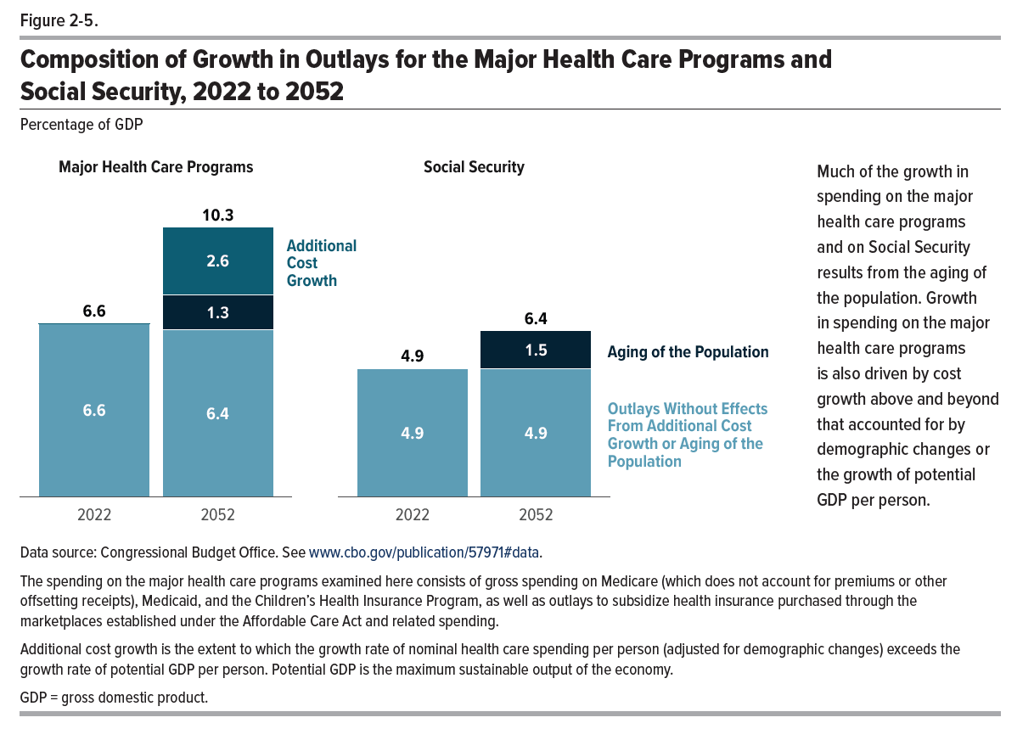
Figure 2-5. Composition of Growth in Outlays for the Major Health Care Programs and Social Security, 2022 to 2052
Percentage of GDP

 | Outlays Without Effects From Additional Cost Growth or Aging of the Population | Aging of the Population | Additional Cost Growth | Total
Major Health Care Programs
2022 | 6.6 | 0 | 0 | 6.6
2052 | 6.4 | 1.3 | 2.6 | 10.3

Social Security
2022 | 4.9 | 0 | 0 | 4.9
2052 | 4.9 | 1.5 | 0 | 6.4

Back to Table of Contents

Figure 2-6
0
www.cbo.gov/publication/57971

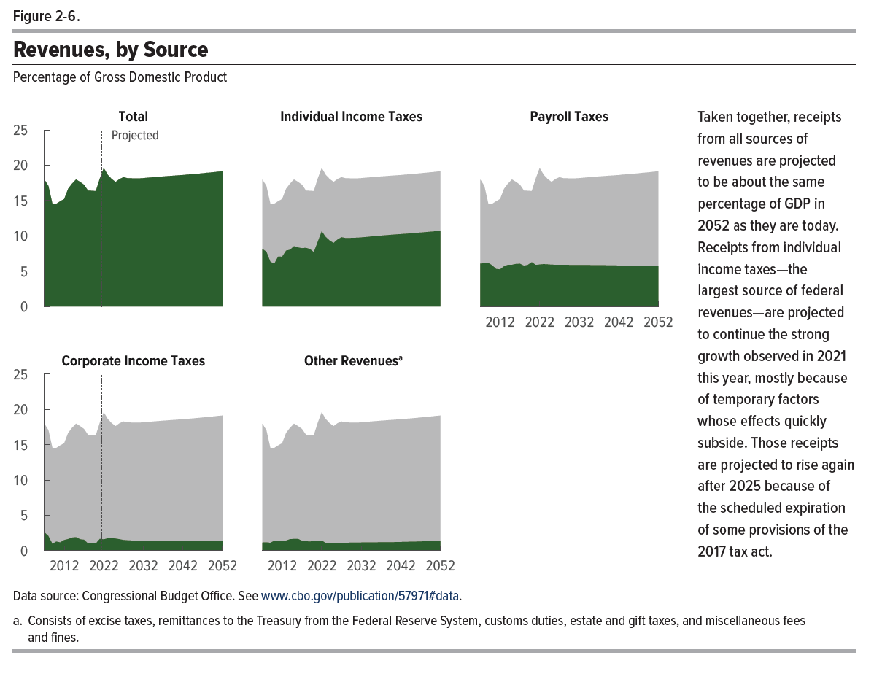
Figure 2-6. Revenues, by Source
Percentage of Gross Domestic Product

 | Total | Individual Income Taxes | Payroll Taxes | Corporate Income Taxes | Other Revenues
2007 | 18.0 | 8.1 | 6.1 | 2.6 | 1.2
2008 | 17.1 | 7.7 | 6.1 | 2.1 | 1.2
2009 | 14.6 | 6.3 | 6.2 | 1.0 | 1.1
2010 | 14.5 | 6.0 | 5.8 | 1.3 | 1.4
2011 | 14.9 | 7.1 | 5.3 | 1.2 | 1.4
2012 | 15.2 | 7.0 | 5.2 | 1.5 | 1.4
2013 | 16.7 | 7.9 | 5.7 | 1.6 | 1.4
2014 | 17.4 | 8.0 | 5.9 | 1.8 | 1.6
2015 | 18.0 | 8.5 | 5.9 | 1.9 | 1.7
2016 | 17.6 | 8.3 | 6.0 | 1.6 | 1.7
2017 | 17.2 | 8.2 | 6.0 | 1.5 | 1.4
2018 | 16.4 | 8.3 | 5.8 | 1.0 | 1.3
2019 | 16.4 | 8.1 | 5.9 | 1.1 | 1.3
2020 | 16.3 | 7.7 | 6.3 | 1.0 | 1.4
2021 | 18.1 | 9.1 | 5.9 | 1.7 | 1.4
2022 | 19.6 | 10.6 | 5.9 | 1.6 | 1.4
2023 | 18.6 | 9.8 | 6.0 | 1.7 | 1.1
2024 | 18.0 | 9.3 | 6.0 | 1.8 | 1.0
2025 | 17.6 | 9.0 | 5.9 | 1.7 | 1.0
2026 | 18.0 | 9.5 | 5.9 | 1.6 | 1.1
2027 | 18.3 | 9.8 | 5.9 | 1.5 | 1.1
2028 | 18.2 | 9.7 | 5.9 | 1.5 | 1.1
2029 | 18.1 | 9.7 | 5.9 | 1.4 | 1.1
2030 | 18.1 | 9.7 | 5.9 | 1.4 | 1.1
2031 | 18.1 | 9.7 | 5.9 | 1.4 | 1.1
2032 | 18.2 | 9.8 | 5.9 | 1.4 | 1.2
2033 | 18.2 | 9.8 | 5.9 | 1.4 | 1.2
2034 | 18.3 | 9.9 | 5.9 | 1.4 | 1.2
2035 | 18.3 | 9.9 | 5.8 | 1.4 | 1.2
2036 | 18.4 | 10.0 | 5.8 | 1.4 | 1.2
2037 | 18.4 | 10.0 | 5.8 | 1.4 | 1.2
2038 | 18.4 | 10.1 | 5.8 | 1.4 | 1.2
2039 | 18.5 | 10.1 | 5.8 | 1.4 | 1.2
2040 | 18.5 | 10.2 | 5.8 | 1.4 | 1.2
2041 | 18.6 | 10.2 | 5.8 | 1.3 | 1.2
2042 | 18.6 | 10.2 | 5.8 | 1.3 | 1.2
2043 | 18.7 | 10.3 | 5.8 | 1.3 | 1.3
2044 | 18.7 | 10.3 | 5.8 | 1.3 | 1.3
2045 | 18.7 | 10.4 | 5.8 | 1.3 | 1.3
2046 | 18.8 | 10.4 | 5.8 | 1.3 | 1.3
2047 | 18.8 | 10.5 | 5.8 | 1.3 | 1.3
2048 | 18.9 | 10.5 | 5.8 | 1.3 | 1.3
2049 | 19.0 | 10.6 | 5.7 | 1.3 | 1.3
2050 | 19.0 | 10.6 | 5.7 | 1.3 | 1.3
2051 | 19.1 | 10.7 | 5.7 | 1.3 | 1.3
2052 | 19.1 | 10.7 | 5.7 | 1.3 | 1.3

Back to Table of Contents

Figure 2-7
This file presents the data from the tables and figures in CBO’s July 2022 report The 2022 Long-Term Budget Outlook.
www.cbo.gov/publication/57971

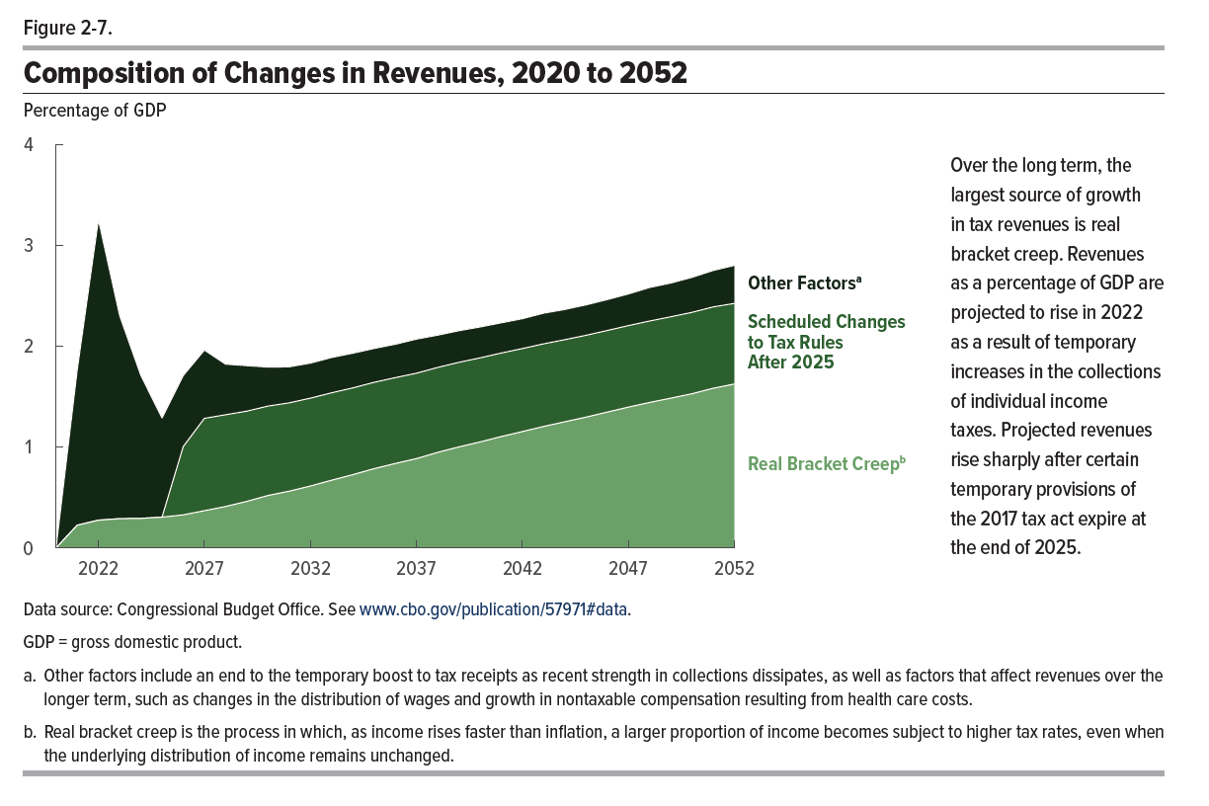
Figure 2-7. Composition of Changes in Revenues, 2020 to 2052
Percentage of GDP

 | Real Bracket Creep | Scheduled Changes to Tax Rules After 2025 | Other Factors
2020 | 0 | 0 | 0
2021 | 0.2 | 0 | 1.5
2022 | 0.3 | 0 | 3.0
2023 | 0.3 | 0 | 2.0
2024 | 0.3 | 0 | 1.4
2025 | 0.3 | 0 | 1.0
2026 | 0.3 | 0.7 | 0.7
2027 | 0.4 | 0.9 | 0.7
2028 | 0.4 | 0.9 | 0.5
2029 | 0.5 | 0.9 | 0.5
2030 | 0.5 | 0.9 | 0.4
2031 | 0.6 | 0.9 | 0.4
2032 | 0.6 | 0.9 | 0.3
2033 | 0.7 | 0.9 | 0.4
2034 | 0.7 | 0.9 | 0.3
2035 | 0.8 | 0.9 | 0.3
2036 | 0.8 | 0.9 | 0.3
2037 | 0.9 | 0.8 | 0.3
2038 | 0.9 | 0.8 | 0.3
2039 | 1.0 | 0.8 | 0.3
2040 | 1.1 | 0.8 | 0.3
2041 | 1.1 | 0.8 | 0.3
2042 | 1.2 | 0.8 | 0.3
2043 | 1.2 | 0.8 | 0.3
2044 | 1.3 | 0.8 | 0.3
2045 | 1.3 | 0.8 | 0.3
2046 | 1.3 | 0.8 | 0.3
2047 | 1.4 | 0.8 | 0.3
2048 | 1.4 | 0.8 | 0.3
2049 | 1.5 | 0.8 | 0.3
2050 | 1.5 | 0.8 | 0.3
2051 | 1.6 | 0.8 | 0.4
2052 | 1.6 | 0.8 | 0.4

Back to Table of Contents

Figure 2-8
This file presents the data from the tables and figures in CBO’s July 2022 report The 2022 Long-Term Budget Outlook.
www.cbo.gov/publication/57971

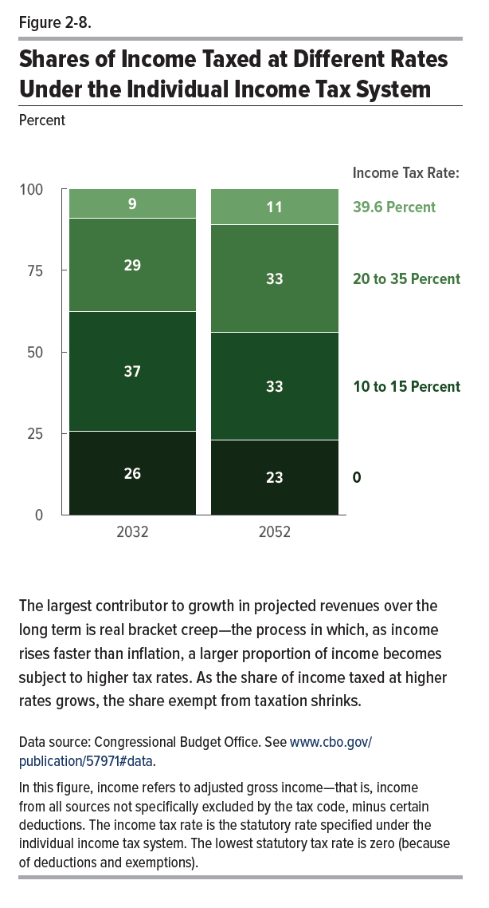
Figure 2-8. Shares of Income Taxed at Different Rates Under the Individual Income Tax System
Percent

 | Income Tax Rate
 | 0 | 10 to 15 Percent | 20 to 35 Percent | 39.6 Percent
2032 | 26 | 37 | 29 | 9
2052 | 23 | 33 | 33 | 11

Back to Table of Contents

Figure 3-1
This file presents the data from the tables and figures in CBO’s July 2022 report The 2022 Long-Term Budget Outlook.
www.cbo.gov/publication/57971

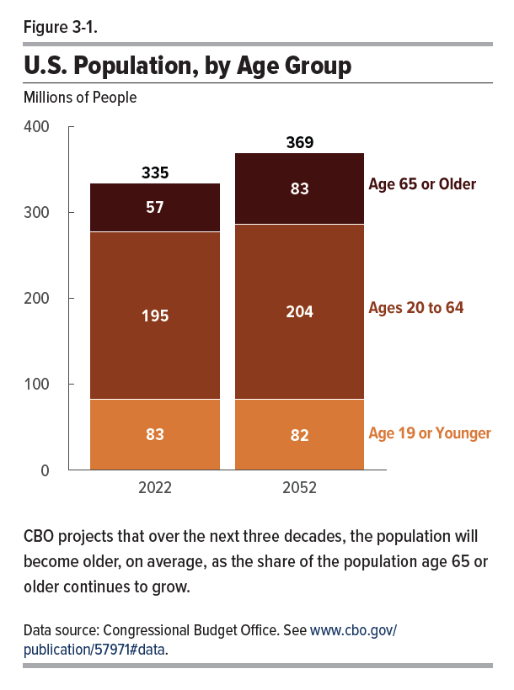
Figure 3-1. U.S. Population, by Age Group
Millions of People

 | Age 19 or Younger | Ages 20 to 64 | Age 65 or Older | Total
2022 | 83 | 195 | 57 | 335
2052 | 82 | 204 | 83 | 369

Back to Table of Contents

Figure 3-2
This file presents the data from the tables and figures in CBO’s July 2022 report The 2022 Long-Term Budget Outlook.
www.cbo.gov/publication/57971

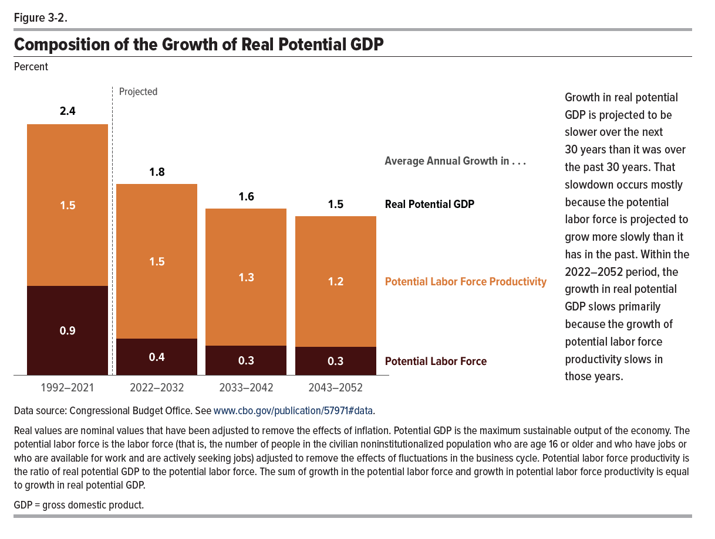
Figure 3-2. Composition of the Growth of Real Potential GDP
Percent

 | Average Annual Growth in . . .
 | Potential Labor Force | Potential Labor Force Productivity | Real Potential GDP
1992–2021 | 0.9 | 1.5 | 2.4
2022–2032 | 0.4 | 1.5 | 1.8
2033–2042 | 0.3 | 1.3 | 1.6
2043–2052 | 0.3 | 1.2 | 1.5

Back to Table of Contents

Figure 4-1
This file presents the data from the tables and figures in CBO’s July 2022 report The 2022 Long-Term Budget Outlook.
www.cbo.gov/publication/57971

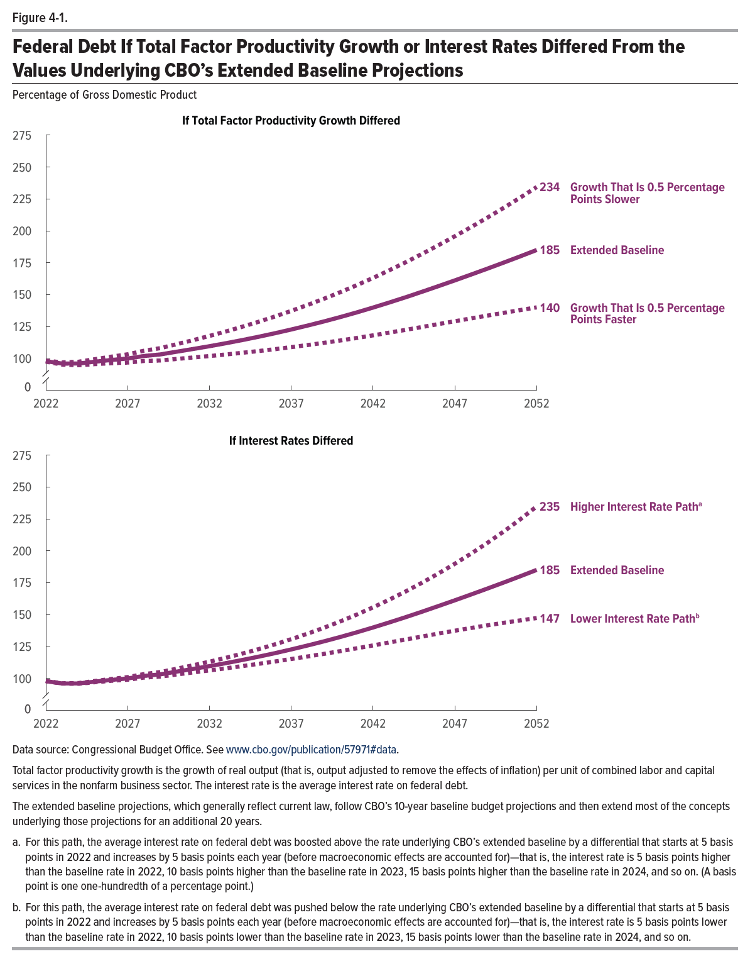
Figure 4-1. Federal Debt if Total Factor Productivity Growth or Interest Rates Differed From the Values Underlying CBO's Exstended Baseline Projections
Percentage of Gross Domestic Product

 |  | If Total Factor Productivity Growth Differed |  | If Interest Rates Differed
 | Extended Baseline | Growth That Is 0.5 Percentage Points Faster | Growth That Is 0.5 Percentage Points Slower | Lower Interest Rate Path | Higher Interest Rate Path
2022 | 98 | 98 | 98 | 98 | 98
2023 | 96 | 95 | 97 | 96 | 96
2024 | 96 | 95 | 97 | 96 | 96
2025 | 97 | 96 | 99 | 97 | 98
2026 | 99 | 96 | 101 | 98 | 100
2027 | 100 | 97 | 103 | 99 | 101
2028 | 102 | 98 | 106 | 101 | 103
2029 | 103 | 98 | 108 | 101 | 105
2030 | 105 | 100 | 111 | 103 | 108
2031 | 107 | 101 | 114 | 105 | 110
2032 | 110 | 102 | 118 | 106 | 113
2033 | 112 | 103 | 121 | 108 | 116
2034 | 114 | 104 | 125 | 110 | 119
2035 | 117 | 106 | 129 | 111 | 123
2036 | 120 | 107 | 133 | 113 | 127
2037 | 123 | 109 | 137 | 115 | 131
2038 | 126 | 111 | 142 | 117 | 135
2039 | 129 | 112 | 147 | 119 | 140
2040 | 132 | 114 | 152 | 121 | 145
2041 | 136 | 116 | 157 | 124 | 150
2042 | 140 | 118 | 163 | 126 | 156
2043 | 144 | 120 | 169 | 128 | 162
2044 | 148 | 122 | 175 | 131 | 168
2045 | 152 | 125 | 182 | 133 | 175
2046 | 157 | 127 | 189 | 135 | 182
2047 | 161 | 129 | 196 | 137 | 190
2048 | 166 | 131 | 203 | 140 | 198
2049 | 170 | 134 | 210 | 142 | 206
2050 | 175 | 136 | 218 | 144 | 215
2051 | 180 | 138 | 226 | 145 | 225
2052 | 185 | 140 | 234 | 147 | 235

Back to Table of Contents

Figure 4-2
This file presents the data from the tables and figures in CBO’s July 2022 report The 2022 Long-Term Budget Outlook.
www.cbo.gov/publication/57971

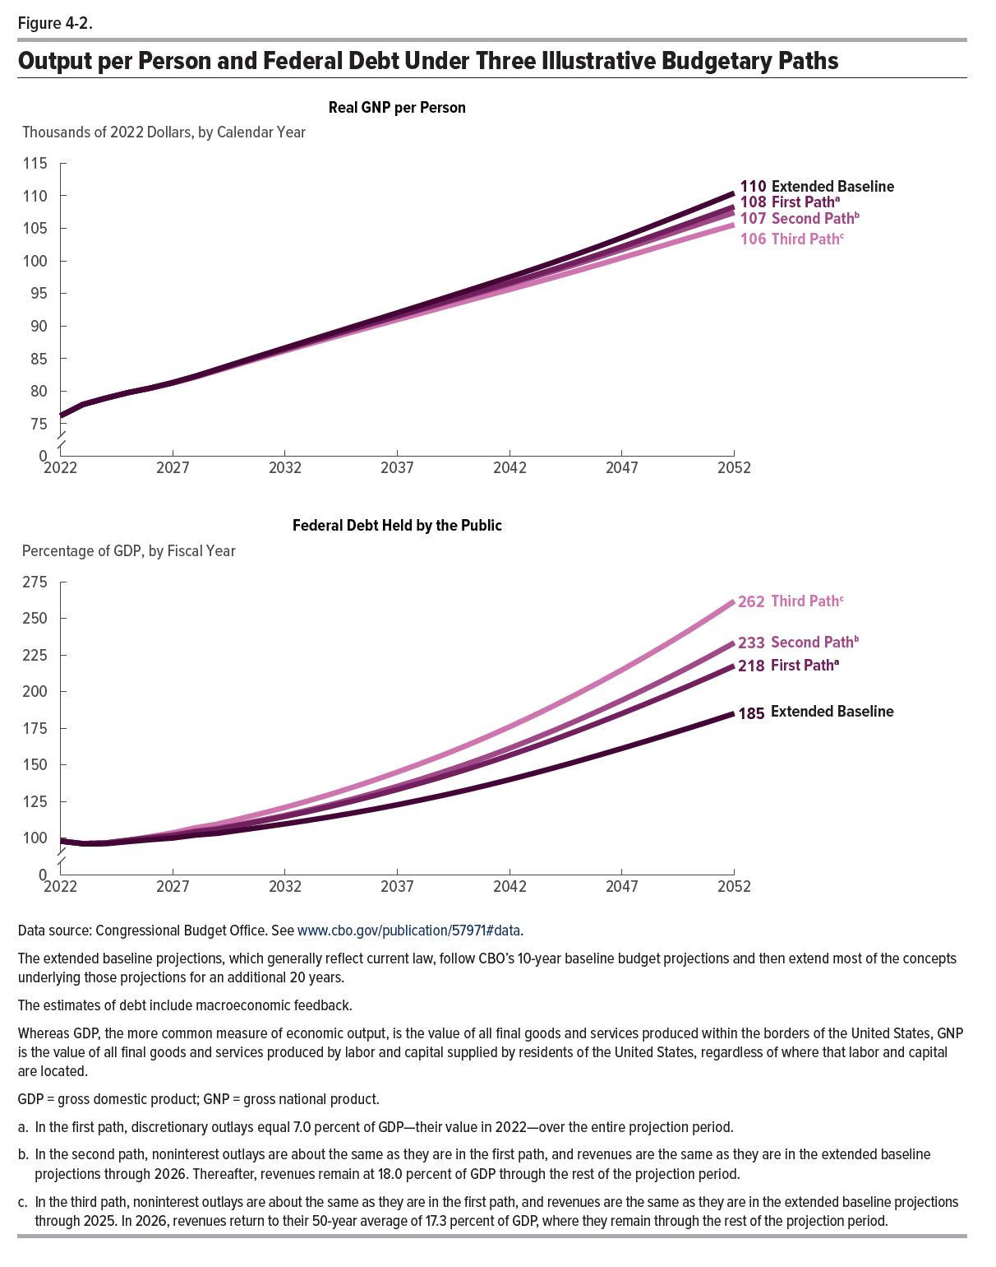
Figure 4-2. Output per Person and Federal Debt Under Three Illustrative Budgetary Paths

 | Real GNP per Person (Thousands of 2022 dollars, by calendar year) |  |  |  | Federal Debt Held by the Public (Percentage of GDP, by fiscal year)
 | Extended Baseline | First Path | Second Path | Third Path | Extended Baseline | First Path | Second Path | Third Path
2022 | 76 | 76 | 76 | 76 | 98 | 98 | 98 | 98
2023 | 78 | 78 | 78 | 78 | 96 | 96 | 96 | 96
2024 | 79 | 79 | 79 | 79 | 96 | 97 | 97 | 97
2025 | 80 | 80 | 80 | 80 | 97 | 98 | 98 | 98
2026 | 80 | 80 | 80 | 80 | 99 | 100 | 100 | 101
2027 | 81 | 81 | 81 | 81 | 100 | 102 | 102 | 104
2028 | 82 | 82 | 82 | 82 | 102 | 104 | 105 | 107
2029 | 83 | 83 | 83 | 83 | 103 | 106 | 107 | 110
2030 | 84 | 84 | 84 | 84 | 105 | 109 | 109 | 113
2031 | 86 | 85 | 85 | 85 | 107 | 112 | 112 | 117
2032 | 87 | 86 | 86 | 86 | 110 | 115 | 115 | 121
2033 | 88 | 87 | 87 | 87 | 112 | 118 | 119 | 125
2034 | 89 | 88 | 88 | 88 | 114 | 121 | 123 | 130
2035 | 90 | 90 | 89 | 89 | 117 | 125 | 127 | 135
2036 | 91 | 91 | 90 | 90 | 120 | 129 | 131 | 140
2037 | 92 | 92 | 91 | 91 | 123 | 133 | 135 | 145
2038 | 93 | 93 | 92 | 92 | 126 | 137 | 140 | 151
2039 | 94 | 94 | 93 | 93 | 129 | 142 | 145 | 156
2040 | 95 | 95 | 94 | 94 | 132 | 146 | 150 | 163
2041 | 96 | 96 | 95 | 95 | 136 | 151 | 156 | 169
2042 | 98 | 97 | 96 | 96 | 140 | 156 | 161 | 176
2043 | 99 | 98 | 97 | 97 | 144 | 162 | 167 | 183
2044 | 100 | 99 | 98 | 97 | 148 | 167 | 174 | 191
2045 | 101 | 100 | 100 | 98 | 152 | 173 | 180 | 198
2046 | 102 | 101 | 101 | 99 | 157 | 179 | 187 | 206
2047 | 104 | 102 | 102 | 100 | 161 | 185 | 194 | 215
2048 | 105 | 103 | 103 | 102 | 166 | 191 | 201 | 224
2049 | 106 | 105 | 104 | 103 | 170 | 198 | 209 | 233
2050 | 108 | 106 | 105 | 104 | 175 | 204 | 217 | 242
2051 | 109 | 107 | 106 | 105 | 180 | 211 | 225 | 252
2052 | 110 | 108 | 107 | 106 | 185 | 218 | 233 | 262

Back to Table of Contents

Figure C-1
This file presents the data from the tables and figures in CBO’s July 2022 report The 2022 Long-Term Budget Outlook.
www.cbo.gov/publication/57971

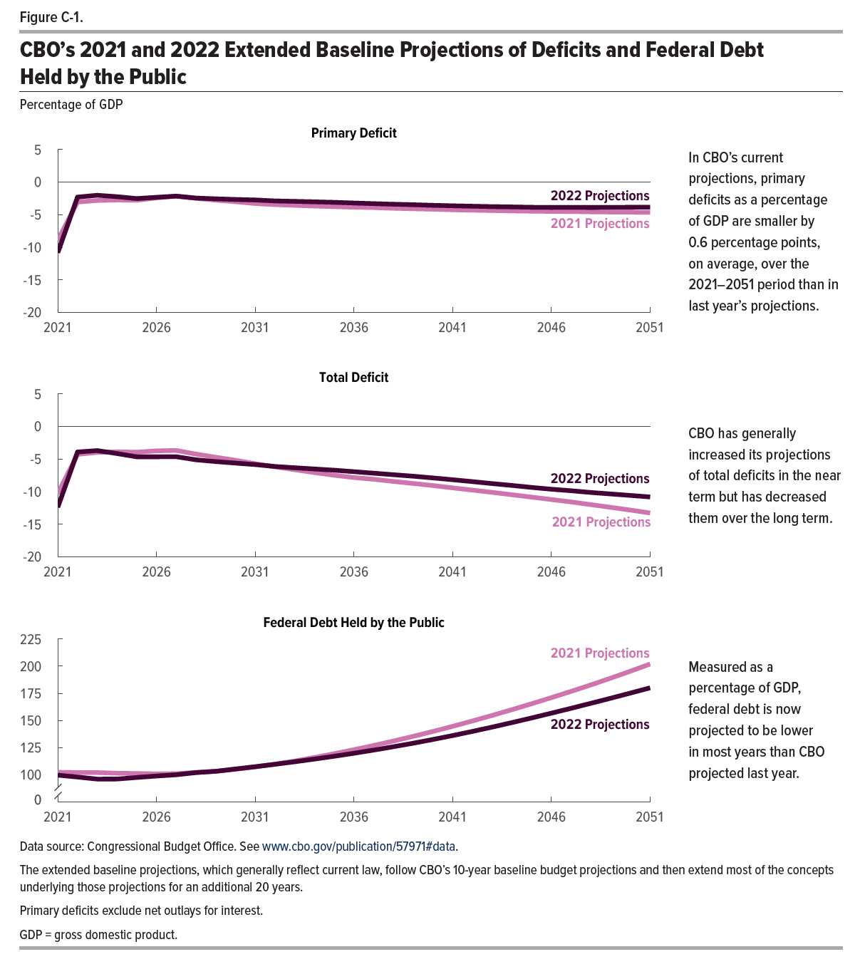
Figure C-1. CBO's 2021 and 2022 Extended Baseline Projections of Deficits and Federal Debt Held by the Public
Percentage of GDP

 | Primary Deficit |  | Total Deficit |  | Federal Debt Held by the Public
 | 2021 Projections | 2022 Projections | 2021 Projections | 2022 Projections | 2021 Projections | 2022 Projections
2021 | -8.9 | -10.8 | -10.3 | -12.4 | 102 | 100
2022 | -3.1 | -2.3 | -4.3 | -3.9 | 102 | 98
2023 | -2.8 | -2.0 | -4.0 | -3.7 | 102 | 96
2024 | -2.8 | -2.2 | -3.9 | -4.2 | 101 | 96
2025 | -2.8 | -2.5 | -4.0 | -4.7 | 101 | 97
2026 | -2.4 | -2.3 | -3.7 | -4.7 | 101 | 99
2027 | -2.2 | -2.2 | -3.7 | -4.6 | 101 | 100
2028 | -2.5 | -2.4 | -4.2 | -5.1 | 102 | 102
2029 | -2.8 | -2.6 | -4.7 | -5.4 | 103 | 103
2030 | -3.0 | -2.7 | -5.2 | -5.6 | 105 | 105
2031 | -3.3 | -2.7 | -5.7 | -5.9 | 107 | 107
2032 | -3.5 | -2.9 | -6.2 | -6.1 | 110 | 110
2033 | -3.6 | -3.0 | -6.6 | -6.3 | 113 | 112
2034 | -3.7 | -3.0 | -7.1 | -6.5 | 116 | 114
2035 | -3.8 | -3.1 | -7.5 | -6.7 | 119 | 117
2036 | -3.9 | -3.2 | -7.8 | -6.9 | 123 | 120
2037 | -3.9 | -3.3 | -8.1 | -7.2 | 127 | 123
2038 | -4.0 | -3.4 | -8.4 | -7.4 | 131 | 126
2039 | -4.1 | -3.5 | -8.8 | -7.6 | 135 | 129
2040 | -4.2 | -3.6 | -9.1 | -7.9 | 140 | 132
2041 | -4.3 | -3.6 | -9.4 | -8.2 | 145 | 136
2042 | -4.3 | -3.7 | -9.8 | -8.5 | 150 | 140
2043 | -4.4 | -3.8 | -10.1 | -8.8 | 155 | 144
2044 | -4.4 | -3.8 | -10.5 | -9.1 | 160 | 148
2045 | -4.5 | -3.9 | -10.8 | -9.4 | 165 | 152
2046 | -4.5 | -3.9 | -11.2 | -9.6 | 171 | 157
2047 | -4.5 | -3.9 | -11.6 | -9.9 | 177 | 161
2048 | -4.6 | -3.9 | -12.0 | -10.1 | 183 | 166
2049 | -4.6 | -3.9 | -12.4 | -10.4 | 189 | 170
2050 | -4.6 | -3.9 | -12.8 | -10.6 | 195 | 175
2051 | -4.6 | -3.8 | -13.3 | -10.8 | 202 | 180

Back to Table of Contents

Figure C-2
This file presents the data from the tables and figures in CBO’s July 2022 report The 2022 Long-Term Budget Outlook.
www.cbo.gov/publication/57971

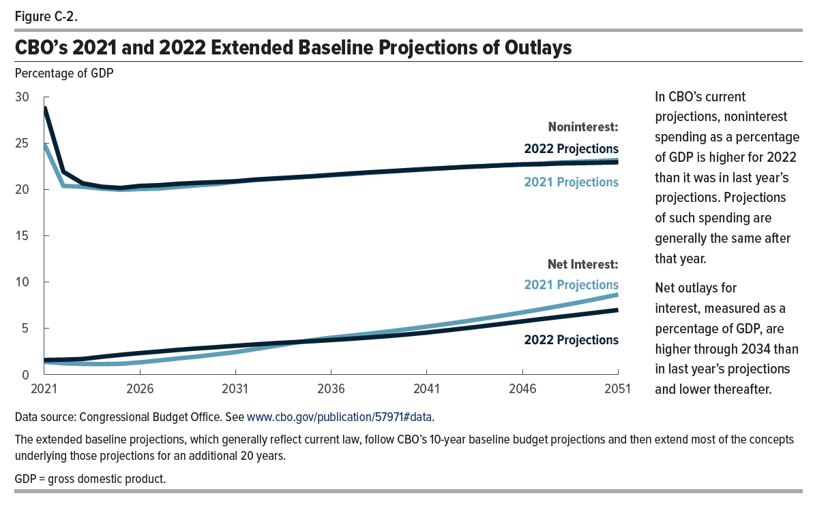
Figure C-2. CBO's 2021 and 2022 Extended Baseline Projections of Outlays
Percentage of GDP

 | Noninterest |  | Net Interest
 | 2021 Projections | 2022 Projections | 2021 Projections | 2022 Projections
2021 | 24.9 | 28.9 | 1.4 | 1.6
2022 | 20.4 | 21.9 | 1.2 | 1.6
2023 | 20.3 | 20.7 | 1.2 | 1.7
2024 | 20.1 | 20.3 | 1.1 | 1.9
2025 | 20.0 | 20.1 | 1.2 | 2.1
2026 | 20.0 | 20.4 | 1.3 | 2.3
2027 | 20.1 | 20.4 | 1.5 | 2.5
2028 | 20.3 | 20.6 | 1.7 | 2.7
2029 | 20.4 | 20.7 | 2.0 | 2.8
2030 | 20.6 | 20.8 | 2.2 | 3.0
2031 | 20.8 | 20.9 | 2.4 | 3.1
2032 | 21.0 | 21.1 | 2.8 | 3.3
2033 | 21.1 | 21.2 | 3.1 | 3.4
2034 | 21.3 | 21.3 | 3.4 | 3.5
2035 | 21.4 | 21.4 | 3.7 | 3.6
2036 | 21.5 | 21.6 | 4.0 | 3.7
2037 | 21.6 | 21.7 | 4.2 | 3.9
2038 | 21.8 | 21.8 | 4.4 | 4.0
2039 | 21.9 | 22.0 | 4.7 | 4.2
2040 | 22.0 | 22.1 | 4.9 | 4.3
2041 | 22.2 | 22.2 | 5.2 | 4.5
2042 | 22.3 | 22.3 | 5.5 | 4.8
2043 | 22.4 | 22.4 | 5.8 | 5.0
2044 | 22.5 | 22.5 | 6.1 | 5.2
2045 | 22.6 | 22.6 | 6.4 | 5.5
2046 | 22.7 | 22.7 | 6.7 | 5.7
2047 | 22.8 | 22.7 | 7.1 | 6.0
2048 | 22.9 | 22.8 | 7.4 | 6.2
2049 | 23.0 | 22.8 | 7.8 | 6.5
2050 | 23.1 | 22.9 | 8.2 | 6.7
2051 | 23.2 | 22.9 | 8.6 | 7.0

Back to Table of Contents

Figure C-3
This file presents the data from the tables and figures in CBO’s July 2022 report The 2022 Long-Term Budget Outlook.
www.cbo.gov/publication/57971

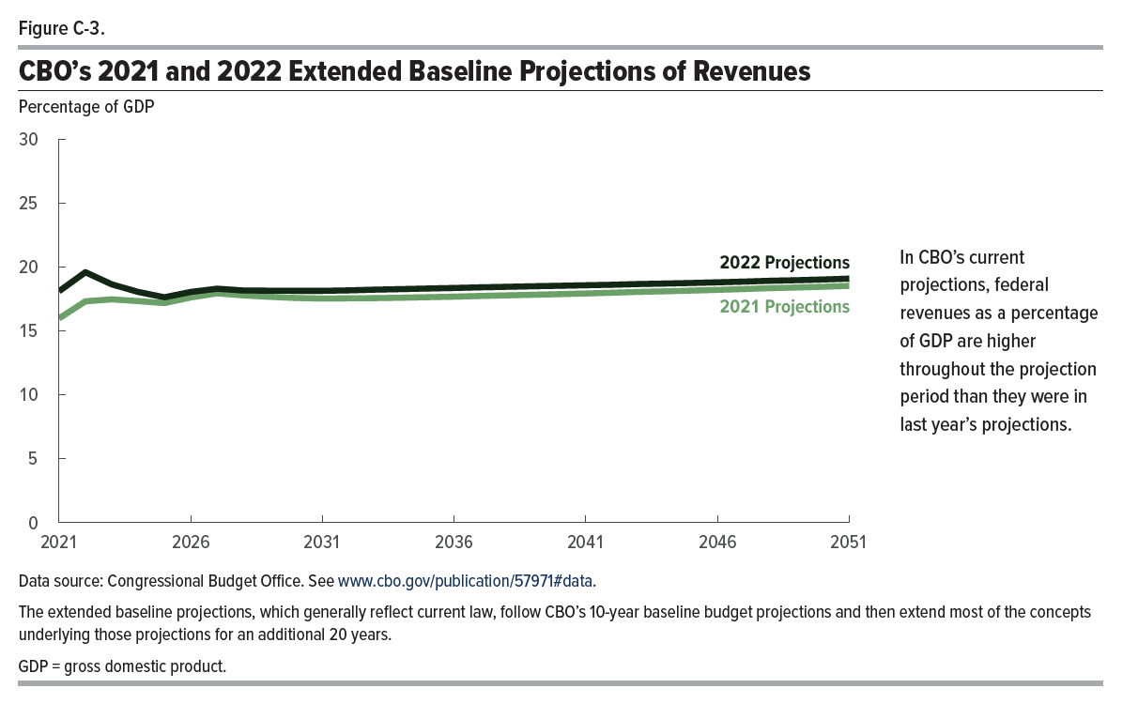
Figure C-3. CBO's 2021 and 2022 Extended Baseline Projections of Revenues
Percentage of Gross Domestic Product

 | 2021 Projections | 2022 Projections
2021 | 16.0 | 18.1
2022 | 17.3 | 19.6
2023 | 17.5 | 18.6
2024 | 17.3 | 18.0
2025 | 17.2 | 17.6
2026 | 17.6 | 18.0
2027 | 17.9 | 18.3
2028 | 17.8 | 18.2
2029 | 17.7 | 18.1
2030 | 17.6 | 18.1
2031 | 17.5 | 18.1
2032 | 17.5 | 18.2
2033 | 17.6 | 18.2
2034 | 17.6 | 18.3
2035 | 17.6 | 18.3
2036 | 17.7 | 18.4
2037 | 17.7 | 18.4
2038 | 17.8 | 18.4
2039 | 17.8 | 18.5
2040 | 17.9 | 18.5
2041 | 17.9 | 18.6
2042 | 18.0 | 18.6
2043 | 18.0 | 18.7
2044 | 18.1 | 18.7
2045 | 18.1 | 18.7
2046 | 18.2 | 18.8
2047 | 18.3 | 18.8
2048 | 18.3 | 18.9
2049 | 18.4 | 19.0
2050 | 18.4 | 19.0
2051 | 18.5 | 19.1

Back to Table of Contents

Figure D-1
This file presents the data from the tables and figures in CBO’s July 2022 report The 2022 Long-Term Budget Outlook.
www.cbo.gov/publication/57971

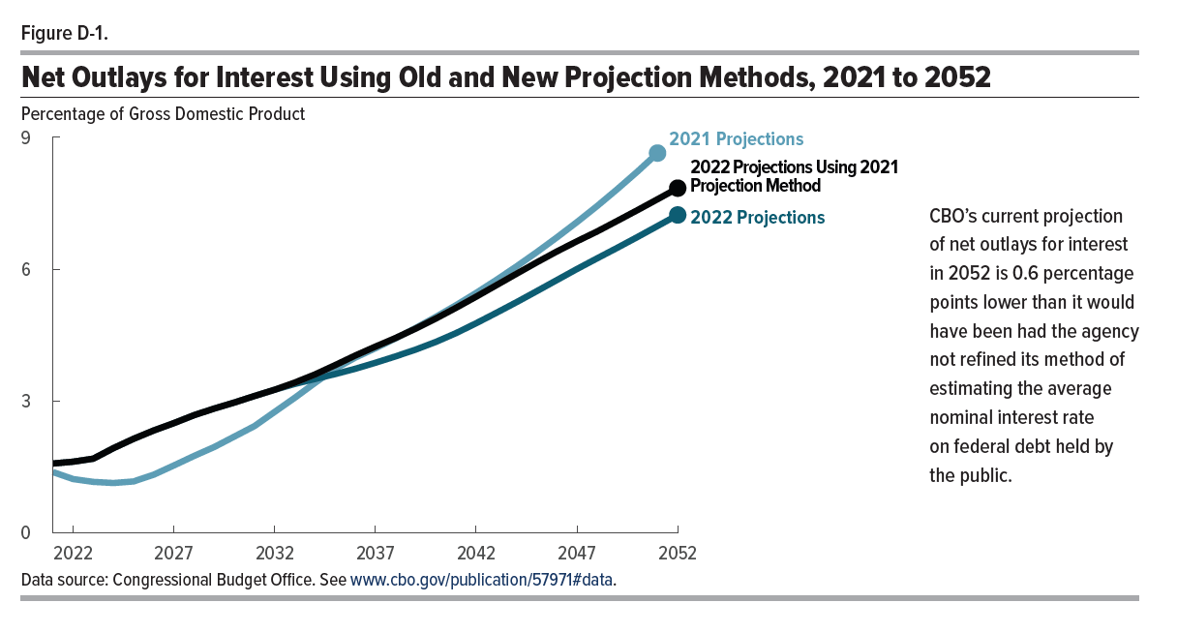
Figure D-1. Net Outlays for Interest Using Old and New Projection Methods, 2021 to 2052
Percentage of Gross Domestic Product

 | 2021 Projections | 2022 Projections | 2022 Projections Using 2021 Projection Method
2021 | 1.4 | 1.6 | 1.6
2022 | 1.2 | 1.6 | 1.6
2023 | 1.2 | 1.7 | 1.7
2024 | 1.1 | 1.9 | 1.9
2025 | 1.2 | 2.1 | 2.1
2026 | 1.3 | 2.3 | 2.3
2027 | 1.5 | 2.5 | 2.5
2028 | 1.7 | 2.7 | 2.7
2029 | 2.0 | 2.8 | 2.8
2030 | 2.2 | 3.0 | 3.0
2031 | 2.4 | 3.1 | 3.1
2032 | 2.8 | 3.3 | 3.3
2033 | 3.1 | 3.4 | 3.4
2034 | 3.4 | 3.5 | 3.6
2035 | 3.7 | 3.6 | 3.8
2036 | 4.0 | 3.7 | 4.0
2037 | 4.2 | 3.9 | 4.2
2038 | 4.4 | 4.0 | 4.4
2039 | 4.7 | 4.2 | 4.6
2040 | 4.9 | 4.3 | 4.9
2041 | 5.2 | 4.5 | 5.1
2042 | 5.5 | 4.8 | 5.4
2043 | 5.8 | 5.0 | 5.6
2044 | 6.1 | 5.2 | 5.9
2045 | 6.4 | 5.5 | 6.2
2046 | 6.7 | 5.7 | 6.4
2047 | 7.1 | 6.0 | 6.6
2048 | 7.4 | 6.2 | 6.9
2049 | 7.8 | 6.5 | 7.1
2050 | 8.2 | 6.7 | 7.3
2051 | 8.6 | 7.0 | 7.6
2052 |  | 7.2 | 7.8

Back to Table of Contents

Figure D-2
This file presents the data from the tables and figures in CBO’s July 2022 report The 2022 Long-Term Budget Outlook.
www.cbo.gov/publication/57971

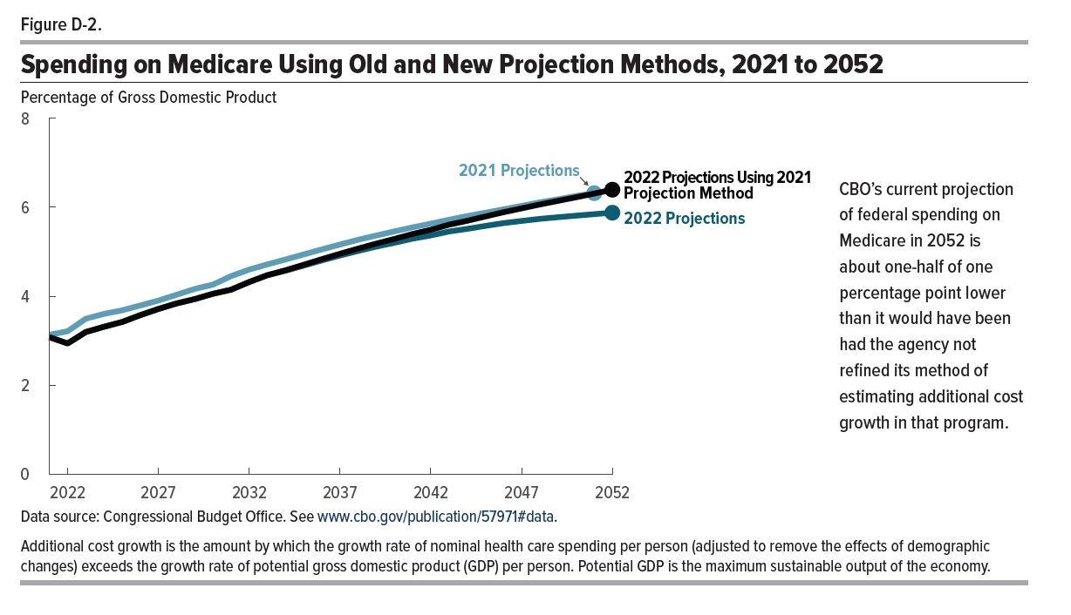
Figure D-2. Spending on Medicare Using Old and New Projection Methods, 2021 to 2052
Percentage of Gross Domestic Product

 | 2021 Projections | 2022 Projections | 2022 Projections Using 2021 Projection Method
2021 | 3.1 | 3.1 | 3.1
2022 | 3.2 | 2.9 | 2.9
2023 | 3.5 | 3.2 | 3.2
2024 | 3.6 | 3.3 | 3.3
2025 | 3.7 | 3.4 | 3.4
2026 | 3.8 | 3.6 | 3.6
2027 | 3.9 | 3.7 | 3.7
2028 | 4.0 | 3.8 | 3.8
2029 | 4.2 | 3.9 | 3.9
2030 | 4.3 | 4.1 | 4.1
2031 | 4.5 | 4.1 | 4.1
2032 | 4.6 | 4.3 | 4.3
2033 | 4.7 | 4.5 | 4.5
2034 | 4.8 | 4.6 | 4.6
2035 | 4.9 | 4.7 | 4.7
2036 | 5.1 | 4.8 | 4.8
2037 | 5.2 | 4.9 | 5.0
2038 | 5.3 | 5.0 | 5.1
2039 | 5.4 | 5.1 | 5.2
2040 | 5.5 | 5.2 | 5.3
2041 | 5.6 | 5.3 | 5.4
2042 | 5.6 | 5.4 | 5.5
2043 | 5.7 | 5.5 | 5.6
2044 | 5.8 | 5.5 | 5.7
2045 | 5.9 | 5.6 | 5.8
2046 | 6.0 | 5.6 | 5.9
2047 | 6.0 | 5.7 | 6.0
2048 | 6.1 | 5.7 | 6.1
2049 | 6.2 | 5.8 | 6.1
2050 | 6.3 | 5.8 | 6.2
2051 | 6.3 | 5.8 | 6.3
2052 |  | 5.9 | 6.4

Back to Table of Contents

