TrackingReport
Campaign Results
 |  |  |  | Report Date | 12-17-2018

 |  |  |  | Sent | 100,000

 |  |  |  | Opened% | 10.00%

Send time: | 2018-10-22 |  |  | Clicked% | 2.00%
Subject line: | This is a sample report
From: | Sample |  |  | HTML CTR % | 20.00%
User: | Strategus

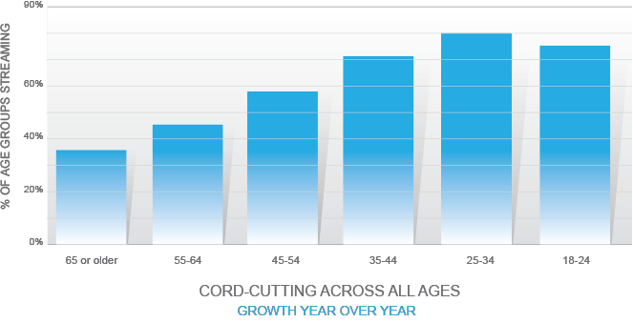
Order Number: | 1234
Campaign Name: | Sample Campaign Name
Data Files: | NA

Sent
Key statistics for this compaign:
 | 100,000

Opened
 | 10,000 | Desktop | 5,000 | Mobile | 5,000

Clicked
 | 2,000 | Click % | 2.00% | HTML CTR% | 20.00%

Bounce
 | 10
Opt Outs

 | 5

Retargeting

Impressions | 10,000
Clicks | 500

Creative Design

Links |  |  |  |  | Quantity
http://www.jenkinshondaofleesburg.com/?utm_source=Conquest_Email&utm_medium=email&utm_content=home&utm_campaign=Conquest_Emailc |  |  |  |  | 101

