Table 9
No. | No. KK | NIK | Nama | Tempat Lahir | Tanggal Lahir | Status Perkawinan B/S/P | Jenis Kelamin L/P | Alamat |  |  | Disa bili tas | Keterangan
 |  |  |  |  |  |  |  | Jalan | RT | RW
1 | 2 | 3 | 4 | 5 | 6 | 7 | 8 | 9 | 10 | 11 | 12 | 13
201 | 7371033011****** | 7371031508****** | ACHMAD HAMZAH | UJUNG PANDANG | 15|08|**** | B | L | JL ABAUBAKAR LAMBOGO I NO 20 | 001 | 001 | 0
202 | 7371033011****** | 7371032102****** | HERVENDY | UJUNG PANDANG | 21|02|**** | B | L | JL ABAUBAKAR LAMBOGO I NO 20 | 001 | 001 | 0
203 | 7371033011****** | 7371035012****** | HERAWATI | UJUNG PANDANG | 10|12|**** | S | P | JL ABAUBAKAR LAMBOGO I NO 20 | 001 | 001 | 0
204 | 7371033011****** | 7371030612****** | SALDI | MAKASSAR | 06|12|**** | B | L | JL.AB.LAMBOGO NO.34A/28A | 001 | 001 | 0
205 | 7371033011****** | 7371032602****** | HARDI | UJUNG PANDANG | 26|02|**** | S | L | JL.ABUBAKAR LAMBOGO NO.30 B | 001 | 001 | 0
206 | 7371033011****** | 7371032803****** | MUSLIMIN | UJUNG PANDANG | 26|02|**** | S | L | JL. AB. LAMBOGO NO. 30 B | 001 | 001 | 0
207 | 7371033011****** | 7371035806****** | FETRAH HADIJAH | TANA TORAJA | 18|06|**** | S | P | JL.ABUBAKAR LAMBOGO NO.30 B | 001 | 001 | 0
208 | 7371033011****** | 7371032101****** | RIANSYAH | MAMUJU | 21|01|**** | B | L | JL.INSPEKSI KANAL | 001 | 001 | 0
209 | 7371033011****** | 7371036201****** | MURNI YESHA B | UJUNG PANDANG | 22|01|**** | B | P | JL.INSPEKSI KANAL | 001 | 001 | 0
210 | 7371033103****** | 7371033010****** | RHEZA ZULFIKAR | MAKASSAR | 30|10|**** | B | L | JL ABU BAKAR LAMBOGO | 000 | 000 | 0
211 | 7371034307****** | 7371034307****** | MARLINA | UJUNG PANDANG | 03|07|**** | S | P | JL. S SADDANG BARU KOST MUSIK | 001 | 001 | 0
212 | 7371036504****** | 7371036504****** | NURHAEDA BADRA | UJUNG PANDANG | 25|04|**** | S | P | JL. S SADDANG BARU KOST MUSIK | 001 | 001 | 0
213 | 7371064707****** | 7371064707****** | NUR WAHYUNI | KENDARI | 07|07|**** | S | P | JL. ABLAM.I No. 8 KOST ARSYAD | 002 | 001 | 0
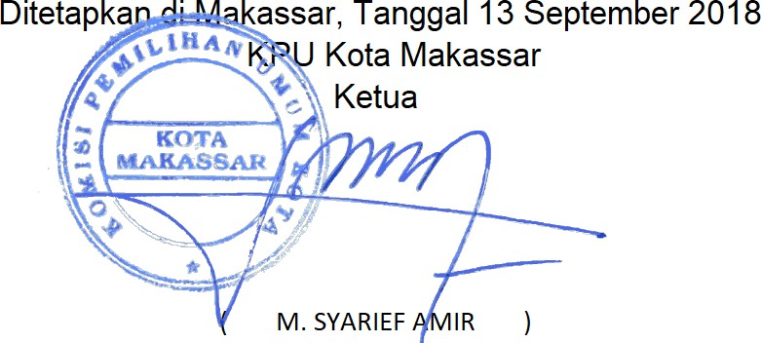
Keterangan Disabilitas: Keterangan Status perkawinan :
1. Tuna Daksa B : Belum Kawin
2: Tuna Netra S : Kawin
3: Tuna Rungu/Wicara P : Pernah Kawin 4: Tuna Grahita
5: Disabilitas lainnya
Rekapitulasi jumlah pemilih: Laki-Laki : 112
Perempuan : 101
Jumlah Data : 213
9 Dari 9

