Table 10
No. | No. KK | NIK | Nama | Tempat Lahir | Tanggal Lahir | Status Perkawinan B/S/P | Jenis Kelamin L/P | Alamat |  |  | Disa bili tas | Keterangan
 |  |  |  |  |  |  |  | Jalan | RT | RW
1 | 2 | 3 | 4 | 5 | 6 | 7 | 8 | 9 | 10 | 11 | 12 | 13
226 | 7371103001****** | 7371104108****** | MEILISSA | POLEWALI | 01|08|**** | B | P | JL. DANAU LIMBOTO NO. 12 TMN TORAJA | 003 | 007 | 0
227 | 7371103001****** | 7371105005****** | MEIDESTY YAURNTIUS | POLEWALI | 10|05|**** | S | P | JL. DANAU LIMBOTO NO. 12 TMN TORAJA | 003 | 007 | 0
228 | 7371103001****** | 7371105007****** | MEILIA | POLEWALI | 10|07|**** | S | P | JL. DANAU LIMBOTO NO. 12 TMN TORAJA | 003 | 007 | 0
229 | 7371103001****** | 7371105212****** | YENNY | POLEWALI | 12|12|**** | S | P | JL. DANAU LIMBOTO NO. 12 TMN TORAJA | 003 | 007 | 0
230 | 7371103001****** | 7604042401****** | FERDY YOUW | SUNGGUMINASA | 24|01|**** | S | L | JL. DANAU LIMBOTO NO. 12 TMN TORAJA | 003 | 007 | 0
231 | 7371103001****** | 7604045211****** | NOVILIA YAURENT | POLEWALI | 12|11|**** | B | P | JL. DANAU LIMBOTO NO. 12 TMN TORAJA | 003 | 007 | 0
232 | 7371103012****** | 8171036305****** | FATMAWATI | RAHA | 23|05|**** | S | P | JL DANAU MAHALONA NO 23 TMN TORAJA | 001 | 007 | 0
233 | 7371103101****** | 7371046901****** | SOFYANA MY | MAKASSAR | 29|01|**** | S | P | KOMP. TAMAN TORAJA JL. DANAU TOBA NO. 8 | 001 | 007 | 0
234 | 7371103101****** | 7371131801****** | DIDY KHRISNA | UJUNG PANDANG | 18|01|**** | B | L | KOMP. TAMAN TORAJA JL. DANAU TOBA NO. 8 | 001 | 007 | 0
235 | 7371103105****** | 7371102104****** | DANIEL MATAELEMUAL | AMBON | 21|04|**** | S | L | JL DANAU MAHALONA 57 TMN TORAJA | 003 | 007 | 0
236 | 7371103105****** | 7371104201****** | MEYSIE LIMIO | BONE | 02|01|**** | S | P | JL DANAU MAHALONA 57 TMN TORAJA | 003 | 007 | 0
237 | 7371103105****** | 7371104509****** | LIM SIO MOE | UJUNG PANDANG | 09|05|**** | S | P | JL DANAU MAHALONA 57 TMN TORAJA | 001 | 007 | 0
238 | 7371103105****** | 7371106710****** | WENNY OKTAVIA TENGKU | MAKASSAR | 27|10|**** | S | P | JL DANAU MAHALONA 57 TMN TORAJA | 003 | 007 | 0
239 | 7371130606****** | 7371130906****** | WILLYS | JAKARTA | 09|06|**** | S | L | JL DANAU LIMBOTO NO 8 TMN TORAJA | 002 | 007 | 0
240 | 7371130606****** | 7371136807****** | YULIANA LEONITA | UJUNG PANDANG | 28|07|**** | S | P | JL DANAU LIMBOTO NO 8 TMN TORAJA | 002 | 007 | 0
Keterangan Disabilitas: Keterangan Status perkawinan :
1. Tuna Daksa B : Belum Kawin
2: Tuna Netra S : Kawin
3: Tuna Rungu/Wicara P : Pernah Kawin 4: Tuna Grahita
5: Disabilitas lainnya

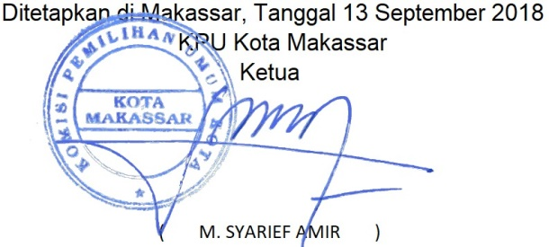
Rekapitulasi jumlah pemilih: Laki-Laki : 119
Perempuan : 121
Jumlah Data : 240
10 Dari 10

