Summary
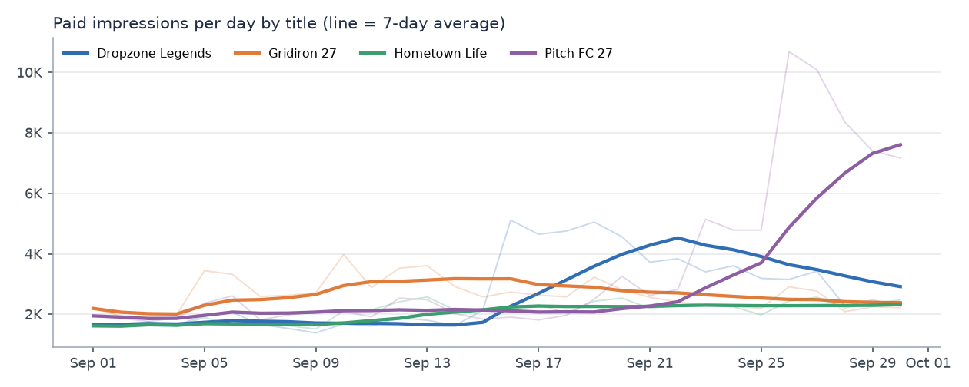
Ads & Sponsorships Inventory Report — September 2026
Custom in-game inventory, AdOps-approved scope (17 campaigns). Generated 2026-10-19 20:55. Synthetic portfolio data.

Ad requests |  | Paid impressions |  | Sell-through |  | Viewability |  | Revenue (USD) |  | eCPM (USD)
727,381 |  | 331,168 |  | 45.5% |  | 77.7% |  | $5,052.06 |  | $15.26

Key callouts
• 331,168 paid impressions and $5,052 billable revenue across 4 titles; Pitch FC 27 led revenue ($1,585, +196% MoM).
• Below 70% viewability: Lobby billboard (DZL, 69.96%), End-zone branding (GRD, 60.95%), Kit sponsor overlay (PFC, 29.04%), Stadium LED boards (PFC, 68.51%).
• CMP-26-012 Nimbus Streaming under-pacing at 88% flight-to-date (2,487 impressions behind).
• CMP-26-019 Ironclad Insurance: booked 12,000 but no delivery — confirm trafficking with AdOps (Booked; trafficking not confirmed).
• CMP-26-009 Peak Athletic under-pacing at 79% flight-to-date (1,806 impressions behind).
• CMP-26-016 Orbit Wireless under-pacing at 84% flight-to-date (2,197 impressions behind).
• CMP-26-002 Summit Motors under-pacing at 66% flight-to-date (8,000 impressions behind).
• Over-pacing (>110%): CMP-26-013 (115%), CMP-26-006 (116%), CMP-26-008 (116%). Over-delivery is not billed; review frequency caps / goal settings with AdOps.
• New inventory: Sponsored skills challenge (GRD) launched Sep 10; 6,675 paid impressions, 30% sell-through, 98% viewability.
• Data-quality flags: Out-of-flight impressions = 1,169; Orphan impressions (quarantined) = 186; Orphan campaign IDs = 1. Excluded from reported totals; see Data Quality tab.
• 9 of 14 automated checks passed; 5 warnings need follow-up, 0 blocking failures.

By title
Title | Ad Requests | Fill Rate | Paid Impressions | Sell Through Rate | Viewability Rate | Unique Reach | Avg Frequency | Revenue (USD) | eCPM (USD) | Paid Imps MoM | Revenue MoM
Dropzone Legends | 166,931 | 85.3% | 81,570 | 48.9% | 78.7% | 35,701 | 2.28 | $1,220.60 | $14.96 | +118.1% | +174.0%
Gridiron 27 | 202,892 | 82.8% | 80,162 | 39.5% | 83.5% | 27,594 | 2.90 | $1,417.66 | $17.68 | +74.4% | +45.6%
Hometown Life | 135,016 | 84.7% | 62,928 | 46.6% | 99.4% | 21,970 | 2.86 | $829.18 | $13.18 | +44.5% | +47.9%
Pitch FC 27 | 222,542 | 84.4% | 106,508 | 47.9% | 59.8% | 34,368 | 3.09 | $1,584.62 | $14.88 | +176.7% | +196.1%

Campaign Detail
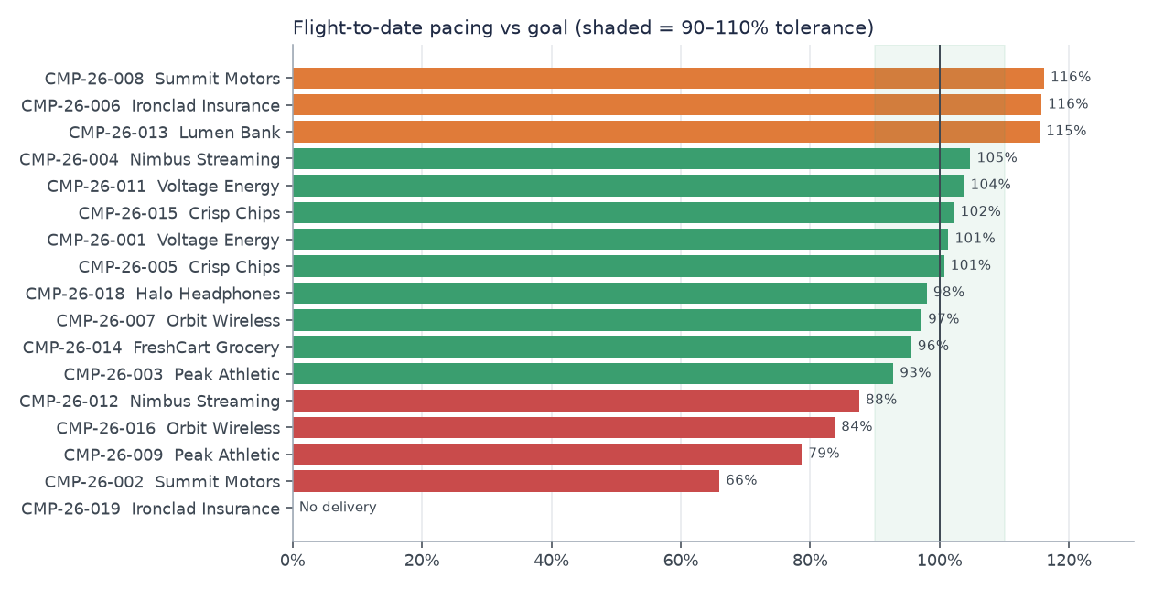
Campaign Detail
In-scope campaigns only. Pacing status uses flight-to-date delivery vs straight-line goal.

Campaign ID | Advertiser | Vertical | Title Id | Placement Ids | Sold By | Flight Start | Flight End | Booked Impressions | Expected Impressions Month | Impressions | Delivery Pct Month | Delivered To Date | Expected Impressions To Date | Pacing Pct To Date | Pacing Status | Viewable Impressions | Viewability Rate | Unique Reach | Avg Frequency | Video Starts | Video Completion Rate | Billable Impressions | CPM (USD) | Revenue (USD) | AdOps Note
CMP-26-011 | Voltage Energy | beverage | DZL | DZL-LOBBY-BILL|DZL-LOADING-VID | Direct | 2026-09-01 | 2026-09-30 | 50,000 | 50,000 | 51,881 | 103.8% | 51,881 | 50,000 | 103.8% | ON PACE | 40,419 | 77.9% | 27,702 | 1.87 | 17,644 | 47.5% | 50,000 | $15.00 | $750.00
CMP-26-012 | Nimbus Streaming | media | DZL | DZL-LOADING-VID | Programmatic Guaranteed | 2026-08-20 | 2026-09-25 | 20,000 | 13,514 | 12,408 | 91.8% | 17,513 | 20,000 | 87.6% | UNDER-PACING | 11,651 | 93.9% | 9,807 | 1.26 | 12,408 | 47.8% | 12,408 | $24.00 | $297.79
CMP-26-013 | Lumen Bank | finance | DZL | DZL-LOBBY-BILL | Direct | 2026-09-15 | 2026-10-15 | 29,000 | 14,968 | 17,281 | 115.5% | 17,281 | 14,968 | 115.5% | OVER-PACING | 12,129 | 70.2% | 12,903 | 1.34 | - |  | 17,281 | $10.00 | $172.81
CMP-26-019 | Ironclad Insurance | finance | DZL | DZL-LOADING-VID | Direct | 2026-09-01 | 2026-09-30 | 12,000 | 12,000 | - | - | - | 12,000 | - | NO DELIVERY | - |  | - |  | - |  | - | $25.00 | - | Booked; trafficking not confirmed
CMP-26-005 | Crisp Chips | cpg | GRD | GRD-ENDZONE | Direct | 2026-08-10 | 2026-09-10 | 32,000 | 10,000 | 8,362 | 83.6% | 32,219 | 32,000 | 100.7% | ON PACE | 5,073 | 60.7% | 6,502 | 1.28 | - |  | 8,143 | $13.00 | $105.86
CMP-26-006 | Ironclad Insurance | finance | GRD | GRD-BROADCAST | Programmatic Guaranteed | 2026-08-01 | 2026-09-30 | 36,000 | 17,705 | 19,550 | 110.4% | 41,668 | 36,000 | 115.7% | OVER-PACING | 18,525 | 94.8% | 12,465 | 1.56 | 19,550 | 55.3% | 13,882 | $30.00 | $416.46
CMP-26-007 | Orbit Wireless | telecom | GRD | GRD-MENU-BANNER | Direct | 2026-09-01 | 2026-09-30 | 18,000 | 18,000 | 17,497 | 97.2% | 17,497 | 18,000 | 97.2% | ON PACE | 16,572 | 94.7% | 11,464 | 1.52 | - |  | 17,497 | $9.00 | $157.47
CMP-26-008 | Summit Motors | auto | GRD | GRD-ENDZONE|GRD-BROADCAST | Direct | 2026-09-05 | 2026-10-31 | 53,000 | 24,175 | 28,078 | 116.1% | 28,078 | 24,175 | 116.1% | OVER-PACING | 20,226 | 72.0% | 15,761 | 1.78 | 9,210 | 55.0% | 28,078 | $22.00 | $617.72
CMP-26-009 | Peak Athletic | apparel | GRD | GRD-SKILLS-CHAL | Programmatic Guaranteed | 2026-09-10 | 2026-10-31 | 21,000 | 8,481 | 6,675 | 78.7% | 6,675 | 8,481 | 78.7% | UNDER-PACING | 6,539 | 98.0% | 5,421 | 1.23 | - |  | 6,675 | $18.00 | $120.15 | New inventory: GRD skills challenge
CMP-26-014 | FreshCart Grocery | retail | HTL | HTL-REWARDED-VID | Programmatic Guaranteed | 2026-08-01 | 2026-09-30 | 57,000 | 28,033 | 27,949 | 99.7% | 54,494 | 57,000 | 95.6% | ON PACE | 27,726 | 99.2% | 14,465 | 1.93 | 27,949 | 93.0% | 27,949 | $16.00 | $447.18
CMP-26-015 | Crisp Chips | cpg | HTL | HTL-INTERSTITIAL | Direct | 2026-09-01 | 2026-10-31 | 47,000 | 23,115 | 23,628 | 102.2% | 23,628 | 23,115 | 102.2% | ON PACE | 23,565 | 99.7% | 13,152 | 1.79 | - |  | 23,628 | $8.00 | $189.02
CMP-26-016 | Orbit Wireless | telecom | HTL | HTL-REWARDED-VID | Direct | 2026-09-10 | 2026-10-10 | 20,000 | 13,548 | 11,351 | 83.8% | 11,351 | 13,548 | 83.8% | UNDER-PACING | 11,263 | 99.2% | 7,893 | 1.44 | 11,351 | 93.1% | 11,351 | $17.00 | $192.97
CMP-26-001 | Voltage Energy | beverage | PFC | PFC-LED-STADIUM|PFC-KIT-SPONSOR | Programmatic Guaranteed | 2026-08-01 | 2026-09-30 | 79,000 | 38,852 | 46,143 | 118.8% | 80,066 | 79,000 | 101.3% | ON PACE | 25,288 | 54.8% | 22,719 | 2.03 | - |  | 45,077 | $12.00 | $540.92
CMP-26-002 | Summit Motors | auto | PFC | PFC-HALFTIME-VID | Direct | 2026-08-15 | 2026-10-15 | 31,000 | 15,000 | 10,925 | 72.8% | 15,500 | 23,500 | 66.0% | UNDER-PACING | 10,452 | 95.7% | 8,400 | 1.30 | 10,925 | 61.7% | 10,925 | $28.00 | $305.90
CMP-26-003 | Peak Athletic | apparel | PFC | PFC-KIT-SPONSOR | Direct | 2026-09-01 | 2026-10-31 | 45,000 | 22,131 | 20,547 | 92.8% | 20,547 | 22,131 | 92.8% | ON PACE | 5,912 | 28.8% | 13,411 | 1.53 | - |  | 20,547 | $14.00 | $287.66
CMP-26-004 | Nimbus Streaming | media | PFC | PFC-LED-STADIUM | Direct | 2026-09-20 | 2026-10-20 | 54,000 | 19,161 | 20,072 | 104.8% | 20,072 | 19,161 | 104.8% | ON PACE | 13,643 | 68.0% | 13,281 | 1.51 | - |  | 20,072 | $11.00 | $220.79
CMP-26-018 | Halo Headphones | electronics | PFC | PFC-HALFTIME-VID | Programmatic Guaranteed | 2026-09-01 | 2026-09-28 | 9,000 | 9,000 | 8,821 | 98.0% | 8,821 | 9,000 | 98.0% | ON PACE | 8,446 | 95.7% | 7,044 | 1.25 | 8,821 | 62.2% | 8,821 | $26.00 | $229.35
Total

Placement Detail
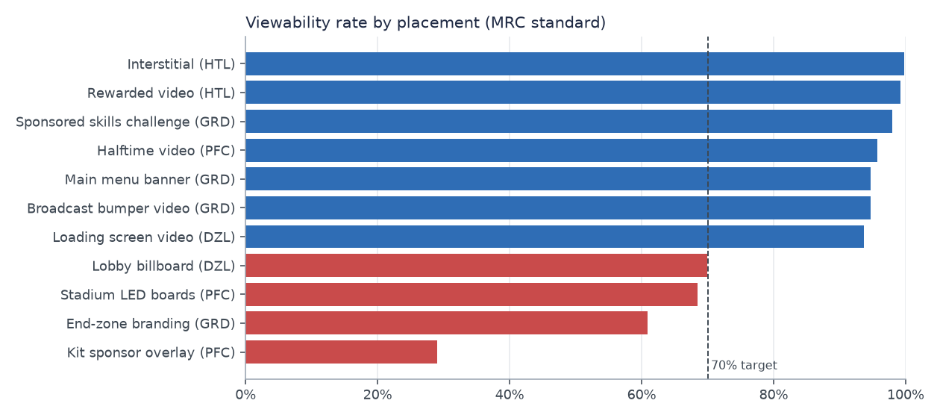
Placement Detail
Inventory view. New inventory = placement launched this month (Product Mgmt catalog).

Title Id | Title Name | Placement Id | Placement Name | Ad Format | Launch Date | Is New Inventory | Ad Requests | Ad Server Filled | Fill Rate | Telemetry Impressions | Paid Impressions | House Impressions | Sell Through Rate | Viewability Rate | Paid Unique Reach | Video Completion Rate | Telemetry Vs Adserver Pct
DZL | Dropzone Legends | DZL-LOADING-VID | Loading screen video | video | 2025-07-15 | FALSE | 56,737 | 49,387 | 87.0% | 49,123 | 30,052 | 19,012 | 53.0% | 93.7% | 19,357 | 47.6% | -0.5%
DZL | Dropzone Legends | DZL-LOBBY-BILL | Lobby billboard | display | 2025-07-15 | FALSE | 110,194 | 92,988 | 84.4% | 92,575 | 51,518 | 40,930 | 46.8% | 70.0% | 27,553 |  | -0.4%
GRD | Gridiron 27 | GRD-BROADCAST | Broadcast bumper video | video | 2025-07-15 | FALSE | 42,791 | 38,782 | 90.6% | 38,542 | 28,760 | 9,782 | 67.2% | 94.7% | 16,056 | 55.2% | -0.6%
GRD | Gridiron 27 | GRD-ENDZONE | End-zone branding | display | 2025-07-15 | FALSE | 86,270 | 69,838 | 81.0% | 69,402 | 27,230 | 42,172 | 31.6% | 60.9% | 15,419 |  | -0.6%
GRD | Gridiron 27 | GRD-MENU-BANNER | Main menu banner | display | 2025-07-15 | FALSE | 51,444 | 41,525 | 80.7% | 41,287 | 17,497 | 23,790 | 34.0% | 94.7% | 11,464 |  | -0.6%
GRD | Gridiron 27 | GRD-SKILLS-CHAL | Sponsored skills challenge | display | 2026-09-10 | TRUE | 22,387 | 17,948 | 80.2% | 17,852 | 6,675 | 11,177 | 29.8% | 98.0% | 5,421 |  | -0.5%
HTL | Hometown Life | HTL-INTERSTITIAL | Interstitial | display | 2025-07-15 | FALSE | 61,958 | 50,931 | 82.2% | 49,438 | 23,628 | 25,810 | 38.1% | 99.7% | 13,152 |  | -2.9%
HTL | Hometown Life | HTL-REWARDED-VID | Rewarded video | video | 2025-07-15 | FALSE | 73,058 | 63,478 | 86.9% | 61,599 | 39,300 | 22,299 | 53.8% | 99.2% | 17,436 | 93.1% | -3.0%
PFC | Pitch FC 27 | PFC-HALFTIME-VID | Halftime video | video | 2025-07-15 | FALSE | 40,322 | 34,838 | 86.4% | 34,635 | 19,746 | 13,720 | 49.0% | 95.7% | 13,157 | 61.9% | -0.6%
PFC | Pitch FC 27 | PFC-KIT-SPONSOR | Kit sponsor overlay | display | 2025-07-15 | FALSE | 64,299 | 56,073 | 87.2% | 55,758 | 36,991 | 18,767 | 57.5% | 29.0% | 19,879 |  | -0.6%
PFC | Pitch FC 27 | PFC-LED-STADIUM | Stadium LED boards | display | 2025-07-15 | FALSE | 117,921 | 96,961 | 82.2% | 96,388 | 49,771 | 43,195 | 42.2% | 68.5% | 23,655 |  | -0.6%

