Sheet1
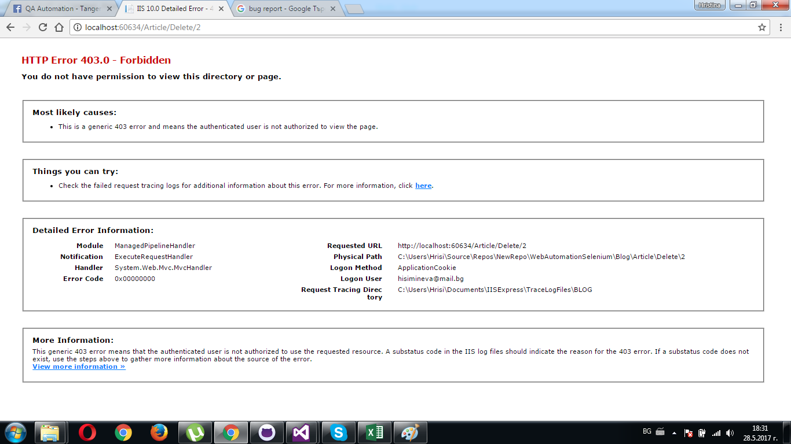
Bug Report
Id/XPath : | Category | Severity | Priority | Status | Date submitted | Updated | Summary
/html/body/div[2]/div/article/footer/a[2] | Application crashes | Crash | High | Open | 2017-05-28 |  | Register user ---> Create new Article ---> Delete new Article ---> Delete button is not working

