2023-12-21_09-42
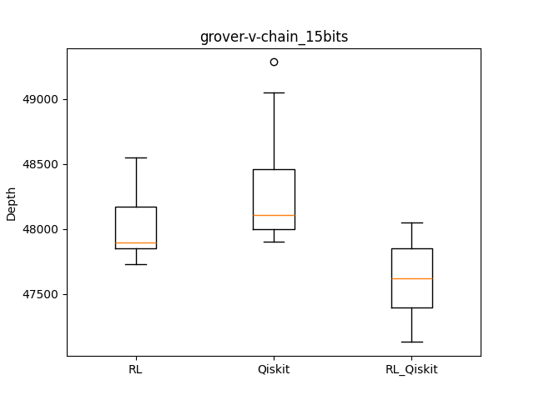
datetime | qasm | rl | qiskit | rl_qiskit | result | iter | checkpoint | remark
 |  | 47773 | 48604 | 48049
 |  | 47860 | 48037 | 47666
 |  | 48181 | 48269 | 47132
 |  | 47896 | 47938 | 47278
 |  | 48166 | 48013 | 47859
 |  | 47848 | 49047 | 47284
 |  | 48397 | 49283 | 47879
 |  | 47860 | 47902 | 47618
 |  | 47729 | 47988 | 47508
 |  | 48549 | 48107 | 47846
 |  | 48025.9 | 48318.8 | 47611.9
2023-12-21_09-42 | grover/grover-v-chain_indep_qiskit_15.qasm | 48025.9 | 48318.8 | 47611.9 | [1, 0, 1, 0, 0, 1, 0, 1, 0, 1, 0, 0, 0, 0, 1, 0, 0, 0, 0, 0, 1, 1, 0, 0, 0, 0, 0, 1, 0, 0, 1, 0, 0, 0, 1, 1, 0, 0, 0, 1, 0, 0, 1, 0, 1, 0, 0, 0, 0, 1, 0, 0, 0, 0, 1, 1, 0, 0, 0, 0, 0, 0, 0, 0, 0, 1, 0, 1, 0, 0, 0, 0, 0, 0, 0, 0, 0, 1, 1, 0, 0, 0, 0, 0, 0, 0, 0, 0, 1, 0, 1, 0, 0, 0, 1, 0, 1, 0, 0, 0, 0, 0, 1, 0, 1] | 300 | /home/lit/ray_results/PPO_2023-12-21_09-42-27/PPO_CircuitEnvTest_v4_2922f_00000_0_2023-12-21_09-42-27/checkpoint_000000
 |  | -1 | -1 | 577
 |  | -1 | -1 | 512
 |  | -1 | -1 | 420
 |  | -1 | -1 | 565
 |  | -1 | -1 | 470
 |  | -1 | -1 | 469
 |  | -1 | -1 | 446
 |  | -1 | -1 | 553
 |  | -1 | -1 | 411
 |  | -1 | -1 | 601
 |  | 0 | 0 | 502.4
2023-12-21_09-42 | portfolio_vqe/portfoliovqe_indep_qiskit_15.qasm | 0 | 0 | 502.4 | [1, 0, 1, 0, 0, 1, 0, 0, 0, 0, 0, 0, 0, 0, 1, 0, 0, 0, 0, 0, 1, 0, 0, 0, 0, 0, 0, 1, 0, 0, 0, 0, 0, 0, 0, 1, 0, 0, 0, 0, 0, 0, 0, 0, 1, 0, 0, 0, 0, 0, 0, 0, 0, 0, 1, 0, 0, 0, 0, 0, 0, 0, 0, 0, 0, 1, 0, 0, 0, 0, 0, 0, 0, 0, 0, 0, 0, 1, 0, 0, 0, 0, 0, 0, 0, 0, 0, 0, 0, 0, 1, 0, 0, 0, 0, 0, 0, 0, 0, 0, 0, 0, 0, 0, 1] | 300 | /home/lit/ray_results/PPO_2023-12-22_18-59-32/PPO_CircuitEnvTest_v4_26afb_00000_0_2023-12-22_18-59-32/checkpoint_000000
 |  | -1 | -1 | 410
 |  | -1 | -1 | 456
 |  | -1 | -1 | 391
 |  | -1 | -1 | 334
 |  | -1 | -1 | 402
 |  | -1 | -1 | 414
 |  | -1 | -1 | 456
 |  | -1 | -1 | 495
 |  | -1 | -1 | 453
 |  | -1 | -1 | 420
 |  | 0 | 0 | 423.1
2023-12-21_09-42 | qnn/qnn_indep_qiskit_15.qasm | 0 | 0 | 423.1 | [1, 0, 1, 0, 0, 1, 0, 0, 0, 1, 0, 0, 0, 0, 0, 0, 0, 0, 0, 0, 1, 0, 0, 0, 0, 0, 0, 1, 0, 0, 0, 0, 0, 0, 0, 1, 0, 0, 0, 0, 0, 0, 0, 0, 1, 0, 0, 0, 0, 0, 0, 0, 0, 0, 1, 0, 0, 0, 0, 0, 0, 0, 0, 0, 0, 1, 0, 0, 0, 0, 0, 0, 0, 0, 0, 0, 0, 1, 0, 0, 0, 0, 0, 0, 0, 0, 0, 0, 0, 0, 1, 0, 0, 0, 0, 0, 0, 0, 0, 0, 0, 0, 0, 0, 1] | 300 | /home/lit/ray_results/PPO_2023-12-22_21-21-47/PPO_CircuitEnvTest_v4_0634e_00000_0_2023-12-22_21-21-47/checkpoint_000000

