2023-12-24_08-14
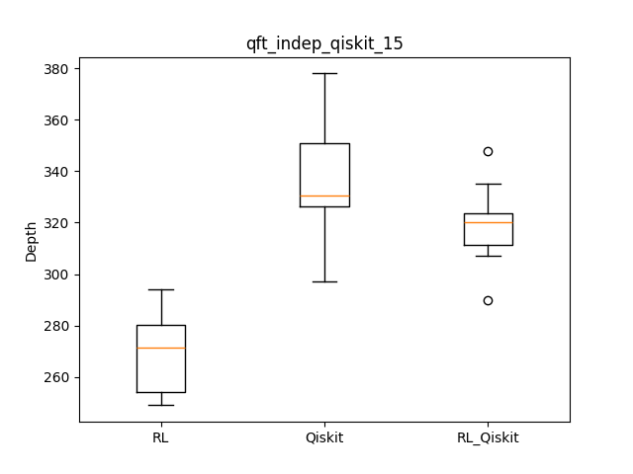
datetime | qasm | rl | qiskit | rl_qiskit | result | iter | checkpoint | remark
 |  | 249 | 313 | 330
 |  | 281 | 324 | 366
 |  | 252 | 348 | 297
 |  | 270 | 307 | 378
 |  | 273 | 335 | 322
 |  | 260 | 318 | 330
 |  | 251 | 322 | 325
 |  | 284 | 322 | 347
 |  | 294 | 311 | 331
 |  | 278 | 290 | 352
 |  | 269.2 | 319 | 337.8
2023-12-24_08-14 | qft/qft_indep_qiskit_15.qasm | 269.2 | 319 | 337.8 | [1, 0, 1, 1, 0, 1, 0, 0, 0, 0, 1, 0, 1, 0, 1, 0, 0, 0, 1, 0, 1, 0, 1, 0, 0, 0, 0, 1, 0, 1, 0, 0, 0, 0, 0, 1, 0, 0, 1, 0, 0, 0, 0, 0, 1, 0, 0, 0, 0, 0, 0, 0, 0, 0, 1, 0, 0, 0, 0, 0, 0, 0, 0, 0, 0, 1, 0, 0, 0, 0, 0, 0, 1, 0, 0, 0, 0, 1, 0, 0, 0, 0, 0, 0, 0, 0, 0, 0, 0, 0, 1, 0, 0, 0, 0, 0, 0, 0, 0, 0, 0, 1, 1, 0, 1] | 300 | /home/lit/ray_results/PPO_2023-12-24_08-14-38/PPO_CircuitEnvTest_v4_64329_00000_0_2023-12-24_08-14-38/checkpoint_000000

