2023-12-24_03-48
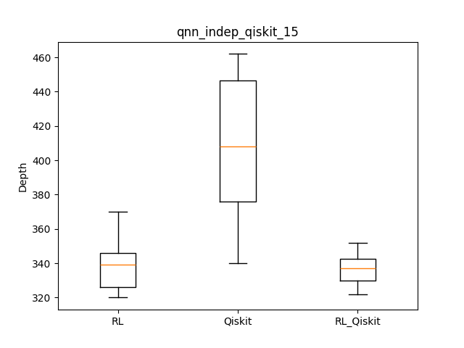
datetime | qasm | rl | qiskit | rl_qiskit | result | iter | checkpoint | remark
 |  | 370 | 346 | 462 |  |  |  | a100
 |  | 350 | 333 | 454
 |  | 342 | 352 | 364
 |  | 360 | 335 | 421
 |  | 320 | 326 | 340
 |  | 341 | 322 | 388
 |  | 326 | 345 | 405
 |  | 326 | 337 | 347
 |  | 324 | 337 | 462
 |  | 339 | 327 | 439
 |  | 339.8 | 336 | 408.2
2023-12-24_03-48 | qnn/qnn_indep_qiskit_15.qasm | 339.8 | 336 | 408.2 | [1, 0, 1, 0, 1, 1, 1, 0, 0, 1, 1, 0, 1, 0, 1, 1, 0, 0, 0, 0, 1, 0, 0, 0, 0, 0, 0, 1, 0, 0, 0, 0, 1, 0, 0, 1, 0, 0, 0, 0, 0, 0, 0, 0, 1, 0, 0, 0, 0, 0, 0, 0, 1, 0, 1, 0, 0, 0, 0, 0, 0, 0, 0, 1, 0, 1, 0, 0, 0, 0, 0, 0, 0, 1, 0, 0, 0, 1, 0, 0, 0, 0, 0, 0, 0, 0, 0, 1, 0, 1, 1, 0, 0, 0, 0, 0, 0, 0, 0, 0, 1, 1, 0, 1, 1] | 300 | /home/lit/ray_results/PPO_2023-12-24_03-48-33/PPO_CircuitEnvTest_v4_38000_00000_0_2023-12-24_03-48-33/checkpoint_000000

