Sheet1
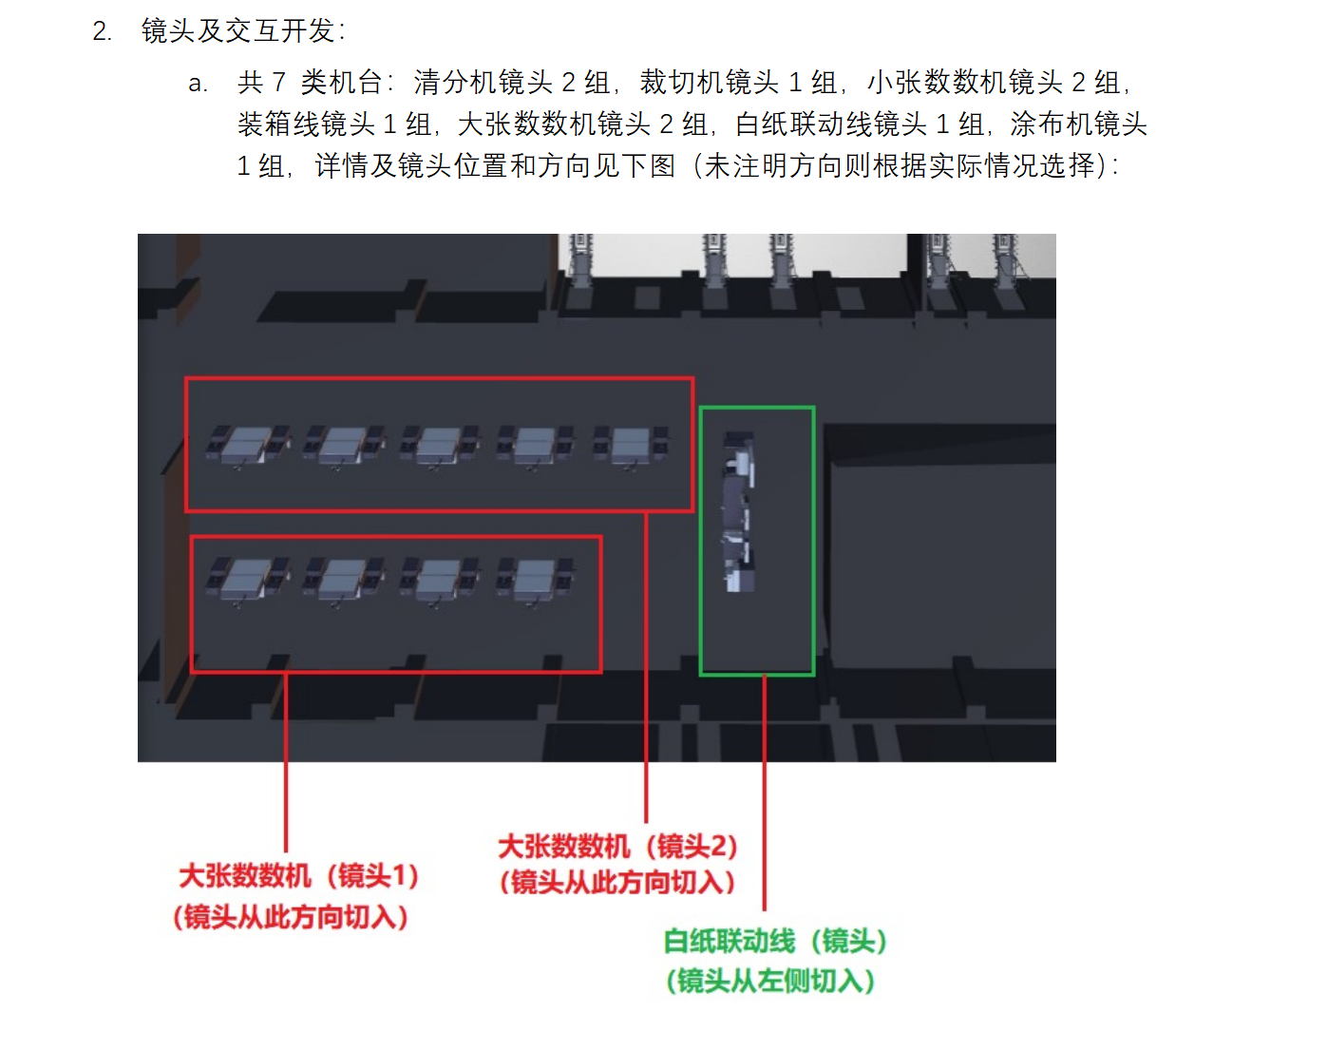
镜头组 | 相机的位置 | 十点
镜头1 | 113.49665211035907, 23.168684440701508, 70.79463297284813 | 113.49681697783035, 23.169402471946213, 5.876899166100906
镜头3 | 113.49672265649599, 23.16907893269827, 56.5540930237926 | 113.49722251925927, 23.16898011693169, 22.62698644622214

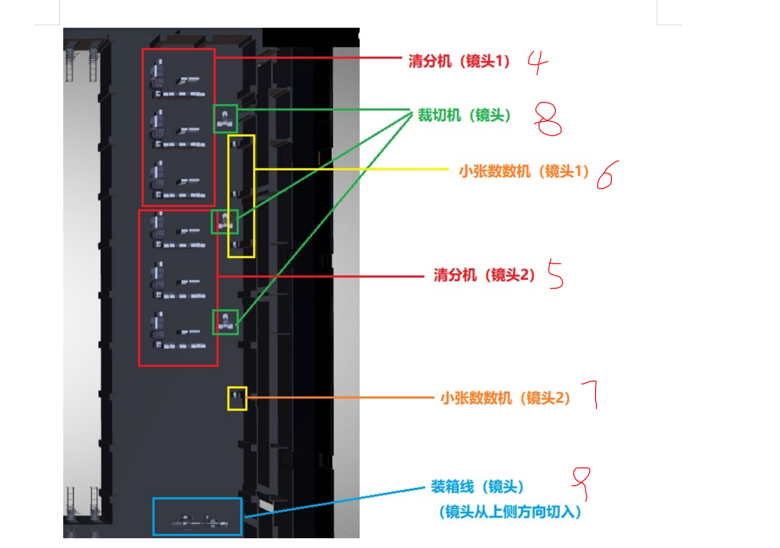

镜头4 | 113.49804040932142, 23.169643054183982, 68.79225730711394 | 113.49746559704464, 23.16974922309179, 27.739292664211817 | 清分-小张钞票
镜头5 | 113.4979837579452, 23.16939233581549, 69.08986029569584 | 113.49741095960931, 23.169512236704783, 28.209562579496584
镜头6 | 113.49744592798426, 23.169646475748447, 64.46035578905092 | 113.49785928370439, 23.16956951677444, 32.90385829936999
镜头7 | 113.49745138617934, 23.16931602577512, 58.195426489299024 | 113.49778731316367, 23.169249948430526, 32.4924835820642
镜头8 | 113.49719124287923, 23.169640179009118, 83.17530493386921 | 113.49784170434577, 23.169519807362697, 32.32165685875939
镜头9 | 113.49759518458765, 23.169233081492514, 50.59387110121825 | 113.49753236277185, 23.16897909988621, 33.12075998981523

