TestCaseManagements
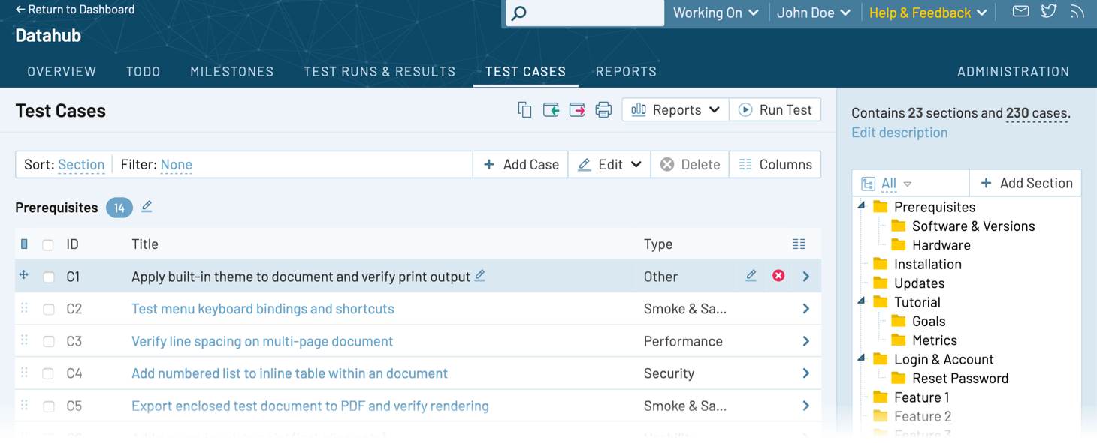
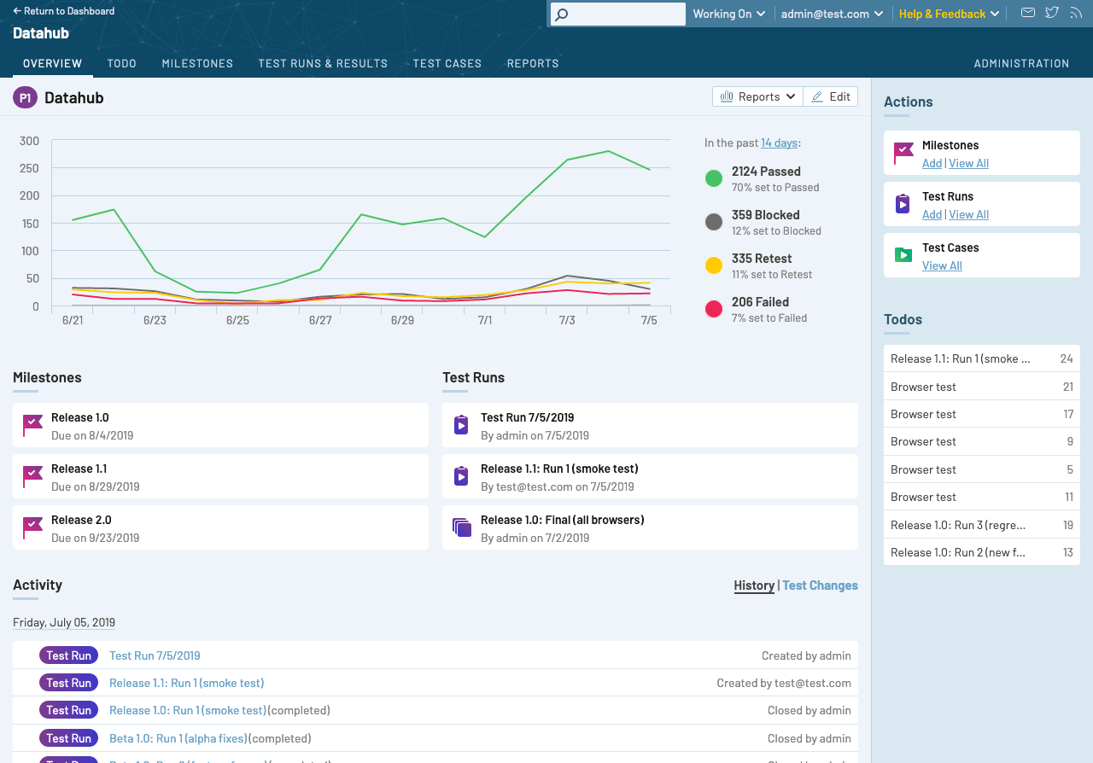
https://www.gurock.com/testrail/tour/testrail-extras
https://github.com/orgs/gurock/repositories
https://github.com/atlassian/github-for-jira
https://rewind.com/for/github/
https://github.com/mattermost/mattermost-plugin-jira

