Building Summary
Item |  | Descriptions
Program
Building Prototype |  | Small Office | Medium Office | Large Office | Stand-alone Retail | Strip Mall | Primary School | Secondary School | Outpatient Healthcare | Hospital | Small Hotel | Large Hotel | Warehouse (non-refrigerated) | Quick Service Restaurant | Full Service Restaurant | Mid-rise Apartment | High-rise Apartment
Form
Building shape |  | 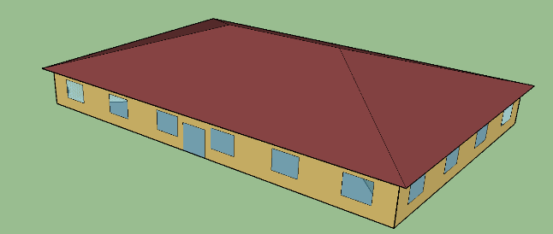 | 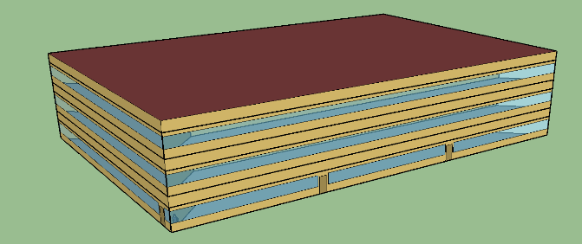 | 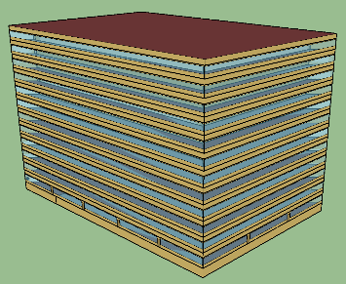 |  | 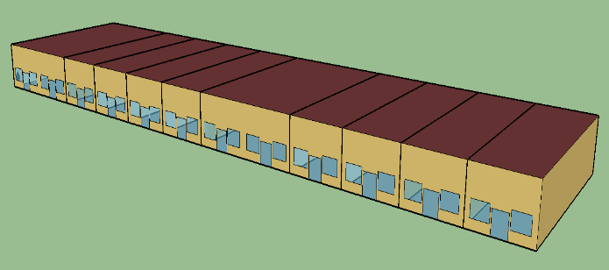 | 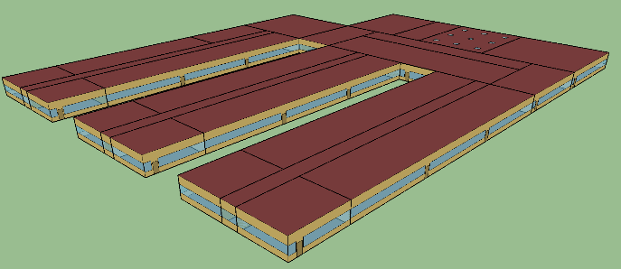 | 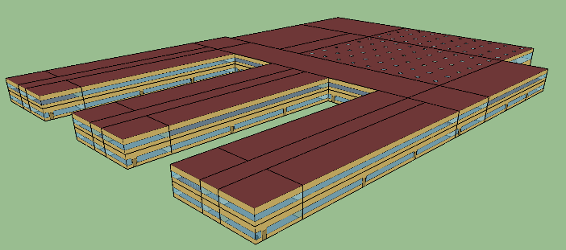 | 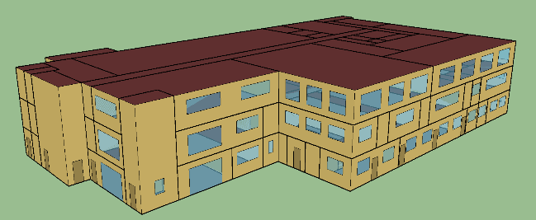 | 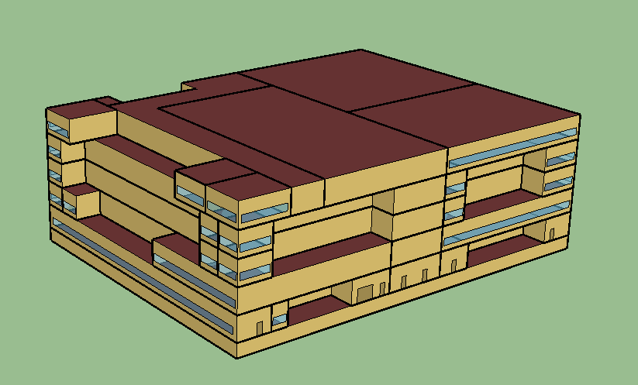 | 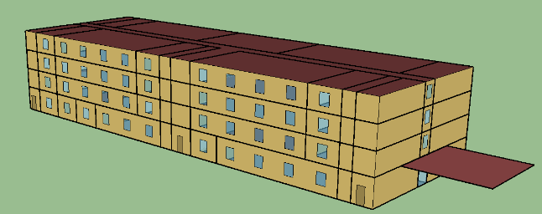 | 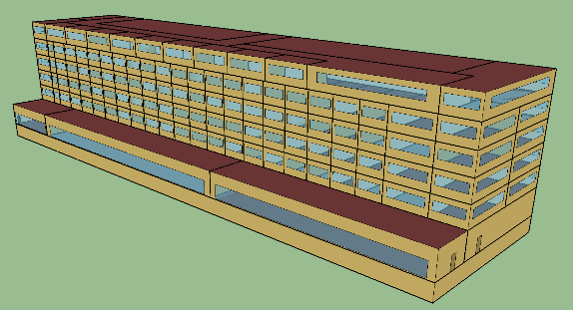 | 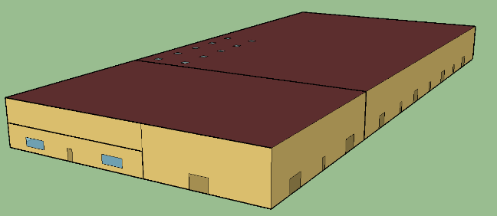 | 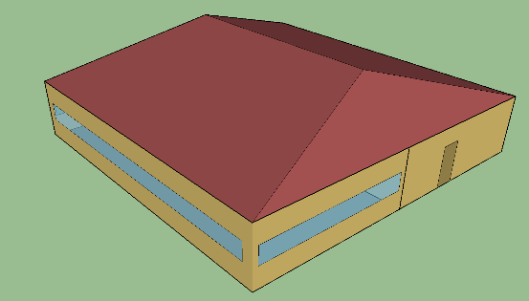 | 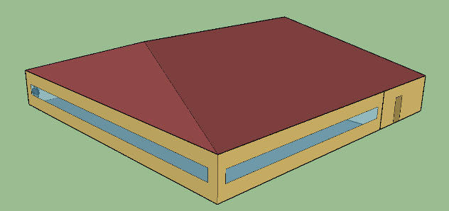 |  | 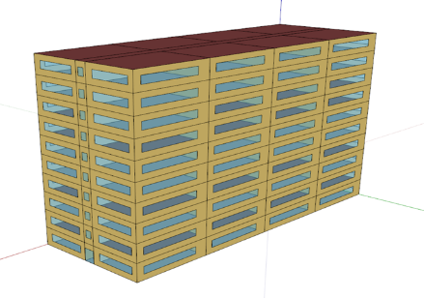
Number of Floors |  | 1 | 3 | 12 (plus basement) | 1 | 1 | 1 | 2 | 3 | 5 (plus basement) | 4 | 6 above-ground floors plus one basement (284 ft x 75 ft) | 1 | 1 | 1 | 4 | 10
Window Fraction (Window-to-Wall Ratio) |  | 21.2% | 33.0% | 38.1% | 7.1% | 10.5% | 35.0% | 35.0% | 19.9% | 14.6% | 10.9% | 26.6% | 0.7% | 14.0% | 17.1% | 19.9% | 29.8%
Architecture
Exterior walls Construction | Above-Grade Wall Type | Wood-frame walls (2X4 16 in o.c.) 1in. Stucco + 5/8 in. gypsum board + wall Insulation+ 5/8 in. gypsum board | Steel-Frame Walls (2X4 16IN OC) 0.4 in. Stucco+5/8 in. gypsum board + wall Insulation+5/8 in. | Mass (pre-cast concrete panel) 8 in. heavy-weight concrete + wall insulation + 0.5 in. gypsum board | Concrete Block Wall 8 in. CMU+Wall Insulation+0.5 in. gypsum board | Steel-framed Wall 1 in. Stucco + 0.625 in. gypsum board + wall insulation + 0.625 in. gypsum board | Steel-framed Walls (2x4, 16" OC) 0.75" stucco + 0.625" gypsum board + cavity insulation + 0.625" gypsum board | Steel-Framed Walls (2X4 16IN OC) 0.4 in. Stucco+5/8 in. gypsum board + wall Insulation+5/8 in | Steel-Frame Walls (2X4 16IN OC) 0.4 in. Stucco+5/8 in. gypsum board + wall Insulation+5/8 in. | Mass (concrete blocks): 8 in. HW concrete+wall insulation+0.5 in. gypsum board | Steel-Frame Walls (2x4 16 in. OC) 1 in. Stucco + 5/8 in. gypsum board + wall Insulation + 5/8 in. gypsum board | Mass Wall 8 in. CMU, wall insulation and 0.5 in. gypsum board | Metal Building Wall Metal Surface + Wall Insulation + Gypsum Board | Wood-framed wall 1 in. stucco + 0.625 in. gypsum board + wall insulation + 0.625 in. gypsum board | Steel-framed Wall 1 in. Stucco + 0.625 in. gypsum board + wall insulation + 0.625 in. gypsum board | Steel-frame walls (2X4 16IN o.c.) 0.4 in. stucco+5/8 in. gypsum board + wall Insulation+5/8 in. gypsum board | Steel-frame walls (2X4 16 in o.c.) 0.4 in. stucco+5/8 in. gypsum board + wall Insulation+5/8 in. gypsum board
 | Associated Space Conditioning Category | Nonresidential | Nonresidential | Nonresidential | Nonresidential | Nonresidential | Nonresidential | Nonresidential | Nonresidential | Residential (Patient Rooms); Nonresidential (Others) | Residential (Guest Rooms); Nonresidential (Others) | Residential (Guest Rooms); Nonresidential (Others) | Nonresidential (Office); Semi-heated (Warehouse) | Nonresidential | Nonresidential | Nonresidential (Office, Corridors); Residential (Others) | Nonresidential (Office, Corridors); Residential (Others)
Roof Constuction | Roof Type | Attic roof with wood joist: Roof insulation + 5/8 in. gypsum board | Built-up roof: Roof membrane+roof insulation+metal decking | Built-up roof: Roof membrane+roof insulation+metal decking | Built-up roof: Roof membrane+roof insulation+metal decking | Built-up Roof: Roof membrane+Roof insulation+metal decking | Built-up roof Roof membrane + roof insulation + metal decking | Built-up Roof Roof membrane+Roof insulation+metal decking | Built-up roof: Roof membrane+roof insulation+metal decking | Built-up Roof: roof membrane+roof insulation+metal decking | Built-up roof: Roof membrane + roof insulation + metal decking | Insulation entirely above deck (Single-ply roof membrane, steel deck with rigid insulation) | Metal Building Roof Metal Surface + Roof Insulation | Unconditioned attic roof modeled with asphalt shingles and 0.625 in. gypsum board (no insulation). Ceiling between attic and conditioned zones modeled with wood-joist attic roof consisting of the following layers: insulation and 0.625 in. gypsum board | Unconditioned attic roof modeled with asphalt shingles and 0.625 in. gypsum board (no insulation). Ceiling between attic and conditioned zones modeled with wood-joist attic roof consisting of the following layers: insulation and 0.625 in. gypsum board | Built-up roof roof membrane+roof insulation+metal decking | Built-up roof roof membrane+roof insulation+metal decking
 | Associated Space Conditioning Category | Nonresidential | Nonresidential | Nonresidential | Nonresidential | Nonresidential | Nonresidential | Nonresidential | Nonresidential | Nonresidential | Nonresidential | Nonresidential | Nonresidential; Semi-heated | Nonresidential | Nonresidential | Residential | Residential

