Sheet2
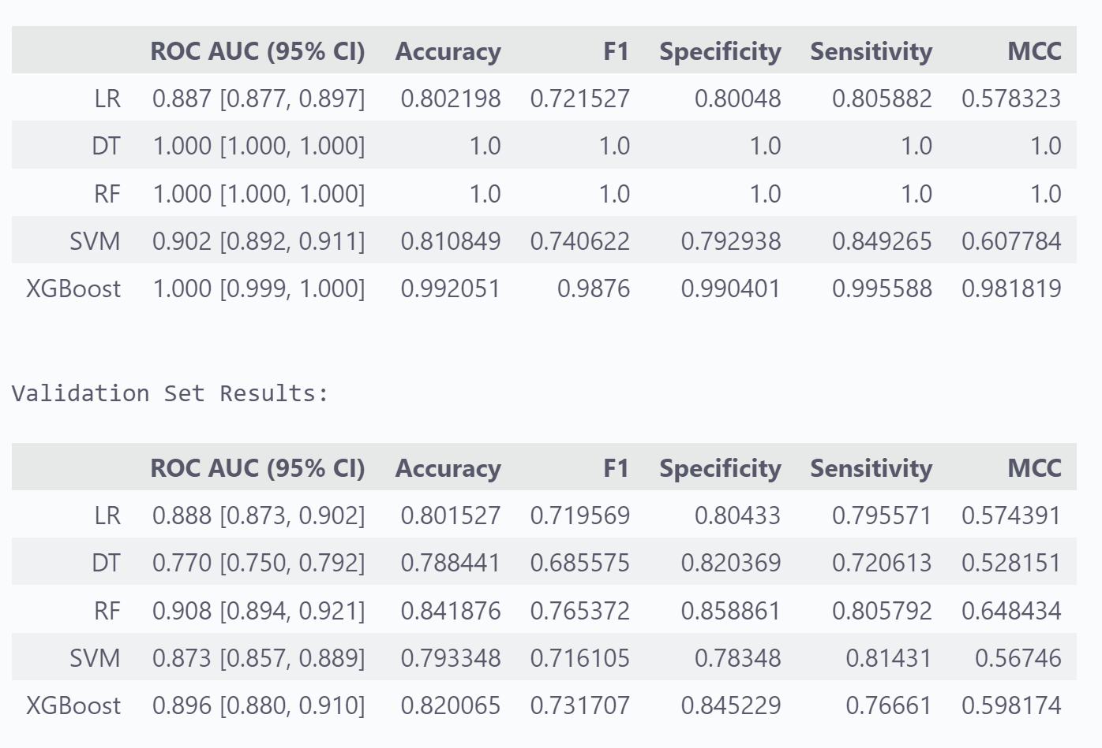
Variables | Total (n = 6111) | 检出率 | Statistic | P

性别, n(%) |  |  | χ²=550.24 | <.001
1 | 3212 (52.56) | 1450 (74.47)
2 | 2899 (47.44) | 497 (25.53)
Bmi Group, n(%) |  |  | χ²=1455.00 | <.001
<18.5 | 174 (2.85) | 2 (0.10)
18.5~23.9 | 2956 (48.37) | 376 (19.31)
24~27.9 | 2314 (37.87) | 1038 (53.31)
>=28 | 667 (10.91) | 531 (27.27)
年龄组, n(%) |  |  | χ²=69.42 | <.001
18~29 | 489 (8.00) | 96 (4.93)
30~39 | 853 (13.96) | 236 (12.12)
40~49 | 1222 (20.00) | 354 (18.18)
50~59 | 1721 (28.16) | 599 (30.77)
60~69 | 1332 (21.80) | 474 (24.35)
>=70 | 494 (8.08) | 188 (9.66)
χ²: Chi-square test

年龄组 | 男性 |  | 女性 |  | 统计率 | p值
 | 人数 | 检出率 | 人数 | 检出率
18~29 | 194 | 80 (83.33) | 295 | 16 (16.67) | χ²=95.14 | <.001
30~39 | 421 | 212(89.83) | 432 | 24(10.17) | χ²=213.84 | <.001
40~49 | 625 | 298 (84.18) | 597 | 56 (15.82) | χ²=217.67 | <.001
50~59 | 866 | 419(69.95) | 855 | 180(30.05) | χ²=141.63 | <.001
60~69 | 782 | 318 (67.09) | 550 | 156(32.91) | χ²=21.32 | <.001
>=70 | 324 | 123 (65.43) | 170 | 65 (34.57) | χ²=0.00 | 0.953

