Start
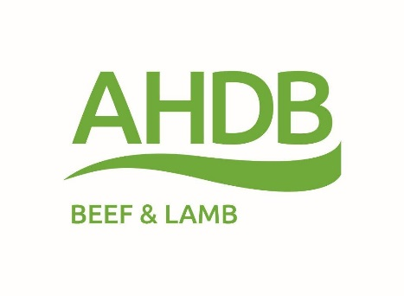
AHDB Beef Ration Calculator (Version 2015:01)
A simple calculator to enable users to calculate the cost and,
nutrient density of simple beef cattle rations

To use this tool:
1 | Data can only be entered in the white cells
2 | Enter your own feed prices on the 'Feed cost & analysis' work sheet
3 | Enter any of your feeds and their analysis that are not in the feeds list in the white cells
4 | Then go the 'Ration Calculator' sheet and select the feeds available
5 | Enter the weight of each feed in the ration
6 | Enter the average live weight of the cattle and category of either growing/finishing cattle
7 | Check the dry matter (DM) intake figure against the estimated figure shown below the table
8 | Look at the composition and cost of the ration
9 | Try different formulations as appropriate
10 | Make notes on your rations
This tool is designed to help farmers feed their cattle better. It does not replace the advice of a suitably qualified nutritionist, which is highly recommended.

Disclaimer

While the Agriculture and Horticulture Development Board, operating through its Beef & Lamb division, seeks to ensure that the information contained within this program is accurate at
the time of issue, no warranty is given in respect thereof and, to the maximum extent permitted by law, the Agriculture and Horticulture Development Board accepts no liability for
loss, damage or injury howsoever caused (including that caused by negligence) or suffered directly or indirectly in relation to information and opinions contained in or omitted from this program.

Reference herein to trade names and proprietary products and services without stating that they are protected does not imply that they may be regarded as unprotected
and thus free for general use. No endorsement of named products is intended nor any criticism implied of alternative but unamed products.

Ration Calculator

AHDB Beef Ration Calculator |  | Please enter the cattle type, liveweight and ration composition in the white cells

 |  | 1

What feeds are available? |  | 300 | kg liveweight |  |  | Target diet specification

Feeds |  | kg per day (FW) | Ration Composition | DM basis |  | Min. | Max.
1 |  | 14.5 | Dry matter % | 37%
44 |  | 0.0 | ME MJ/day | 69
17 |  | 1.0 | ME MJ/kg DM | 11.4 |  | 10.50 | 11.50 | The orange colour
79 |  | 0.0 | Crude protein | 14.0% |  | 12% | 16% | denotes a figure
59 |  | 0.0 | NDF % | 48% |  | 25% |  | outside the
6 |  | 1.0 | Starch & sugars % | 19% |  | 15% | 25% | recommended range
58 |  | 0.0 | Oil % | 1% |  |  | 6%
73 |  | 0.0 | Ration cost (tonne DM) | £129.03
78 |  | 0.0 | Ration cost (tonne FW) | £47.55 | * | Note that some native breed cattle and heifers
80 |  | 0.0 | Ration cost (£ per day) | £0.78 |  | can finish on diets which would be classified
79 |  | 0.0 |  |  |  | as fitting a 'Growing cattle' specification

 | Total fresh intake (kg/day) | 16.5 |  |  | * | Breed type, genetics and animal health will influence
 | Total DM intake (kg/day) | 6.1 |  |  |  | how well cattle perform on a diet
 | Predicted DM intake (kg/day) | 6.0
Long roughage is recommended in cattle diets to promote rumen function. Suggested levels are >40% of DM in forage based diets & >12% in intensive diets.

