Figures
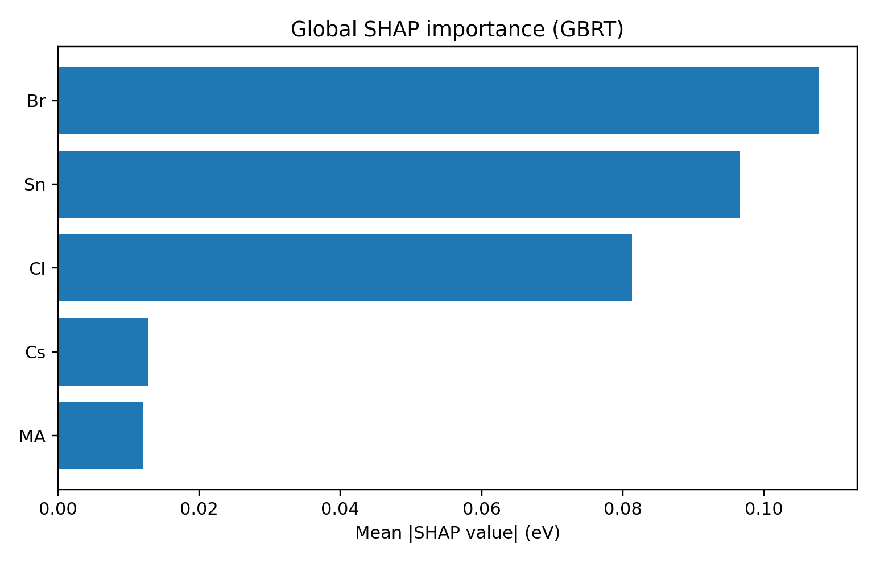
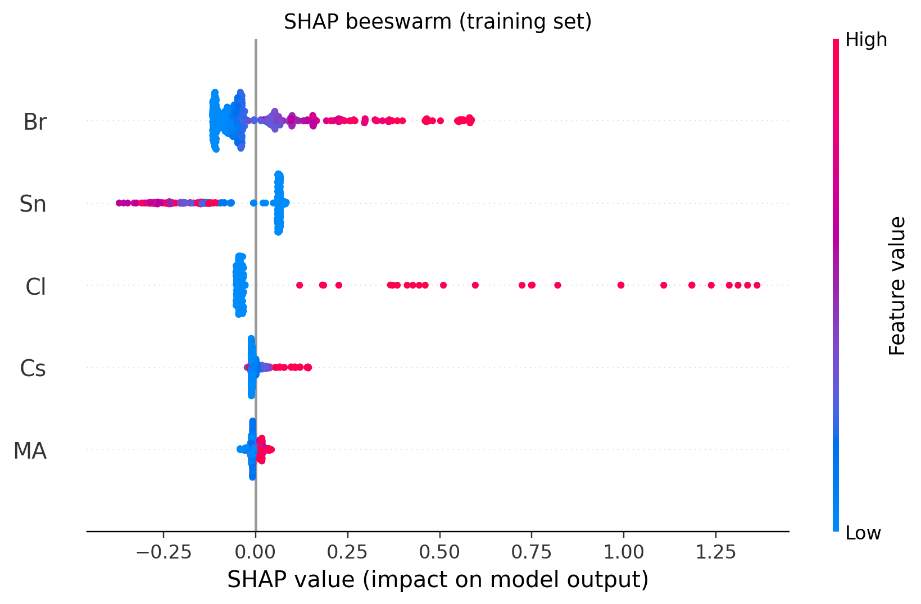
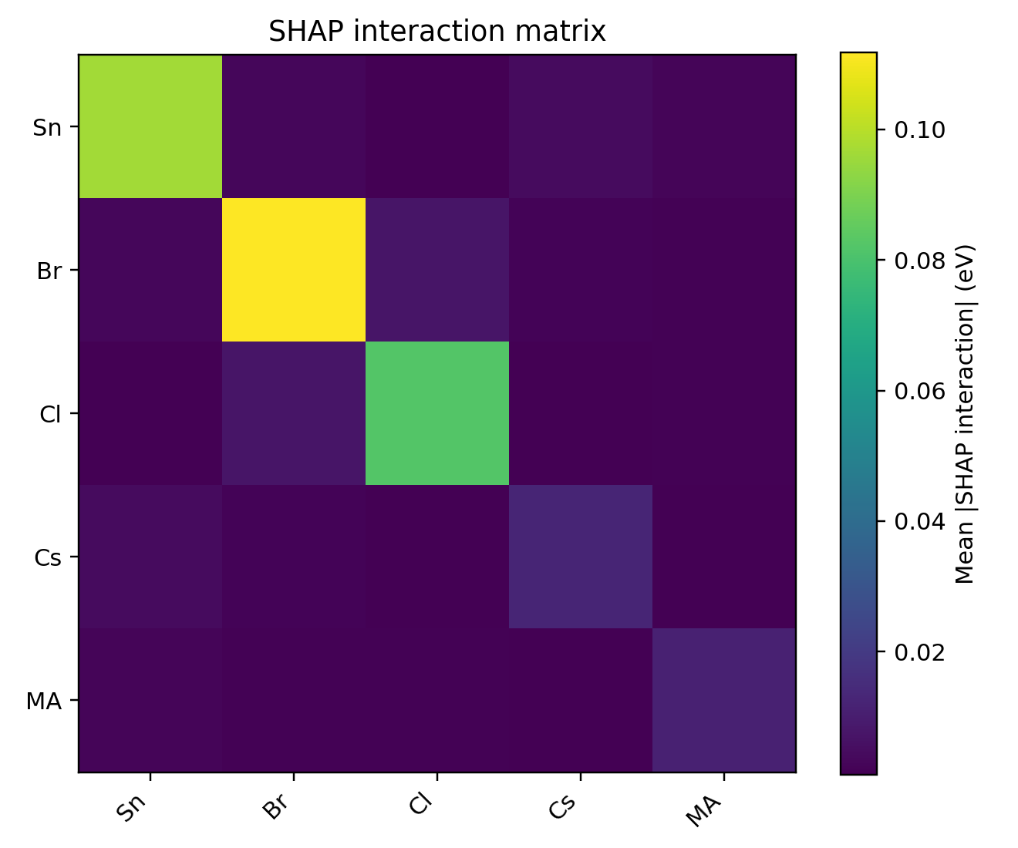
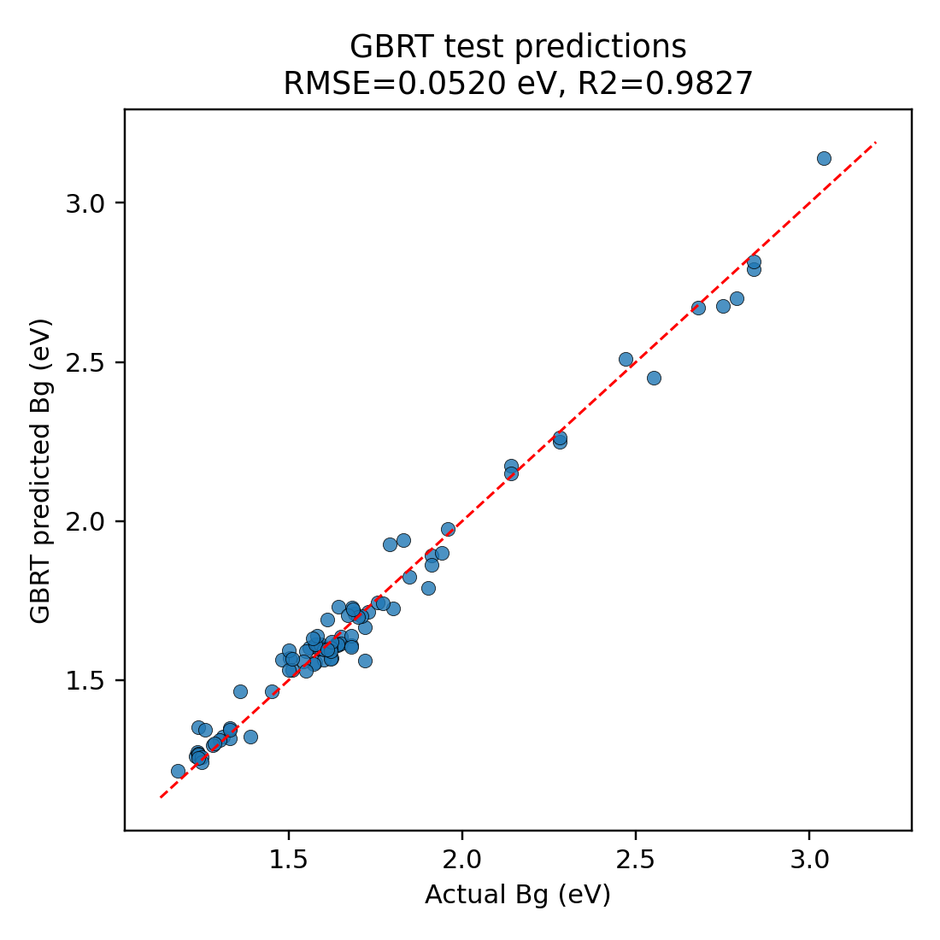
Generated SHAP Figures

Figure | Path
global_bar | D:\202606\我的最后一次修改\GBRT + SHAP\figures\global_shap_importance.png
beeswarm | D:\202606\我的最后一次修改\GBRT + SHAP\figures\shap_beeswarm.png
dependence_Sn | D:\202606\我的最后一次修改\GBRT + SHAP\figures\shap_dependence_Sn.png
dependence_Br | D:\202606\我的最后一次修改\GBRT + SHAP\figures\shap_dependence_Br.png
dependence_Cl | D:\202606\我的最后一次修改\GBRT + SHAP\figures\shap_dependence_Cl.png
interaction_heatmap | D:\202606\我的最后一次修改\GBRT + SHAP\figures\shap_interaction_heatmap.png
predicted_vs_actual | D:\202606\我的最后一次修改\GBRT + SHAP\figures\gbrt_predicted_vs_actual.png

