Figures
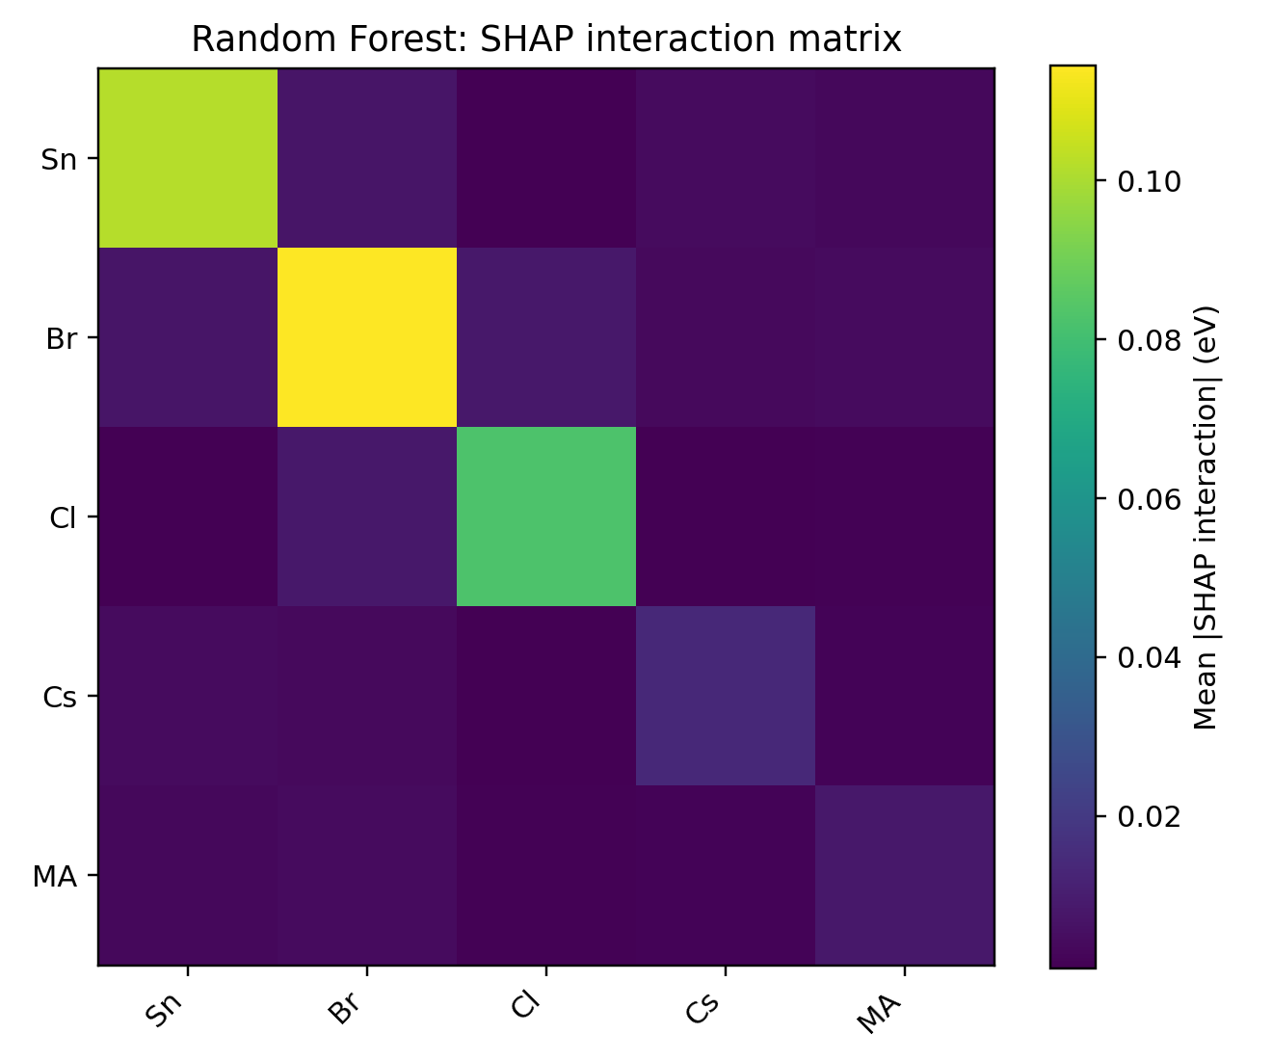
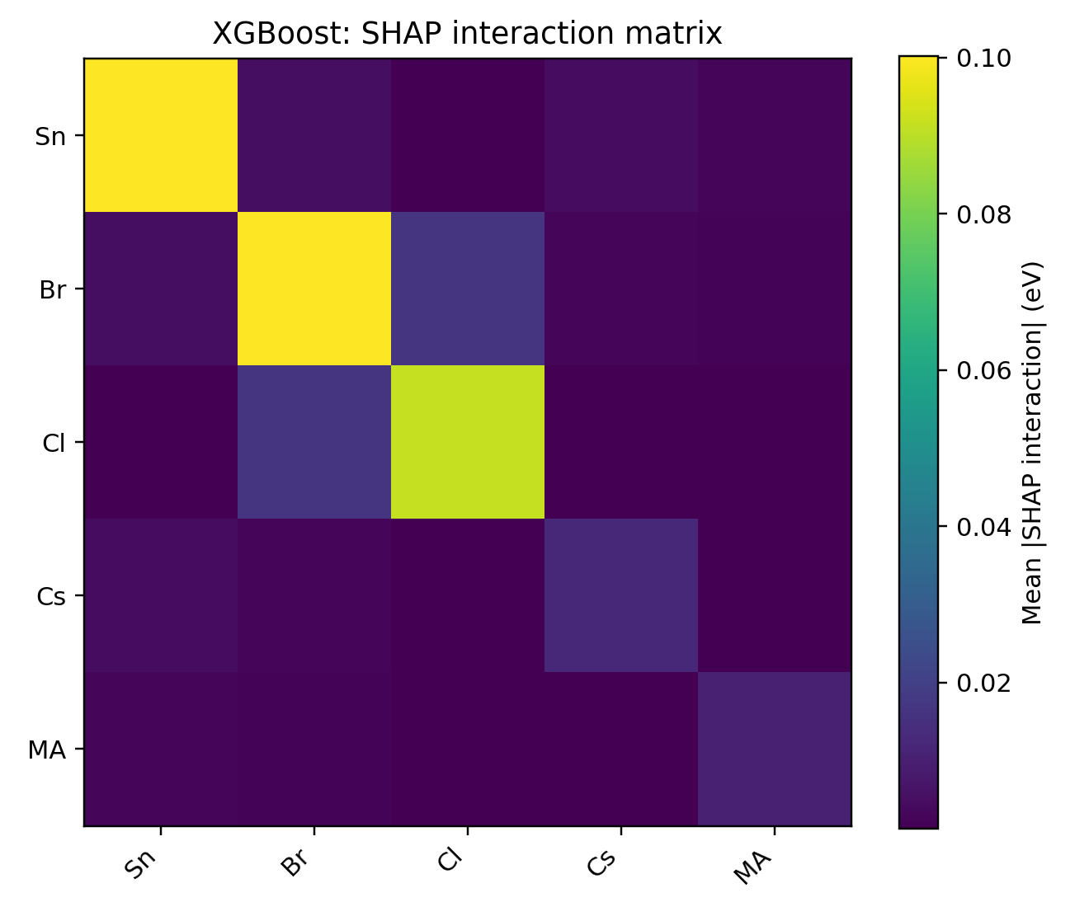
Generated SHAP Figures

Model | Figure | Path
XGBoost | global_shap_importance | D:\202606\我的最后一次修改\RFXGBoost + SHAP\figures\XGBoost_global_shap_importance.png
XGBoost | beeswarm | D:\202606\我的最后一次修改\RFXGBoost + SHAP\figures\XGBoost_shap_beeswarm.png
XGBoost | dependence_Sn | D:\202606\我的最后一次修改\RFXGBoost + SHAP\figures\XGBoost_shap_dependence_Sn.png
XGBoost | dependence_Br | D:\202606\我的最后一次修改\RFXGBoost + SHAP\figures\XGBoost_shap_dependence_Br.png
XGBoost | dependence_Cl | D:\202606\我的最后一次修改\RFXGBoost + SHAP\figures\XGBoost_shap_dependence_Cl.png
XGBoost | interaction_heatmap | D:\202606\我的最后一次修改\RFXGBoost + SHAP\figures\XGBoost_shap_interaction_heatmap.png
XGBoost | predicted_vs_actual | D:\202606\我的最后一次修改\RFXGBoost + SHAP\figures\XGBoost_predicted_vs_actual.png
Random Forest | global_shap_importance | D:\202606\我的最后一次修改\RFXGBoost + SHAP\figures\RF_global_shap_importance.png
Random Forest | beeswarm | D:\202606\我的最后一次修改\RFXGBoost + SHAP\figures\RF_shap_beeswarm.png
Random Forest | dependence_Sn | D:\202606\我的最后一次修改\RFXGBoost + SHAP\figures\RF_shap_dependence_Sn.png
Random Forest | dependence_Br | D:\202606\我的最后一次修改\RFXGBoost + SHAP\figures\RF_shap_dependence_Br.png
Random Forest | dependence_Cl | D:\202606\我的最后一次修改\RFXGBoost + SHAP\figures\RF_shap_dependence_Cl.png
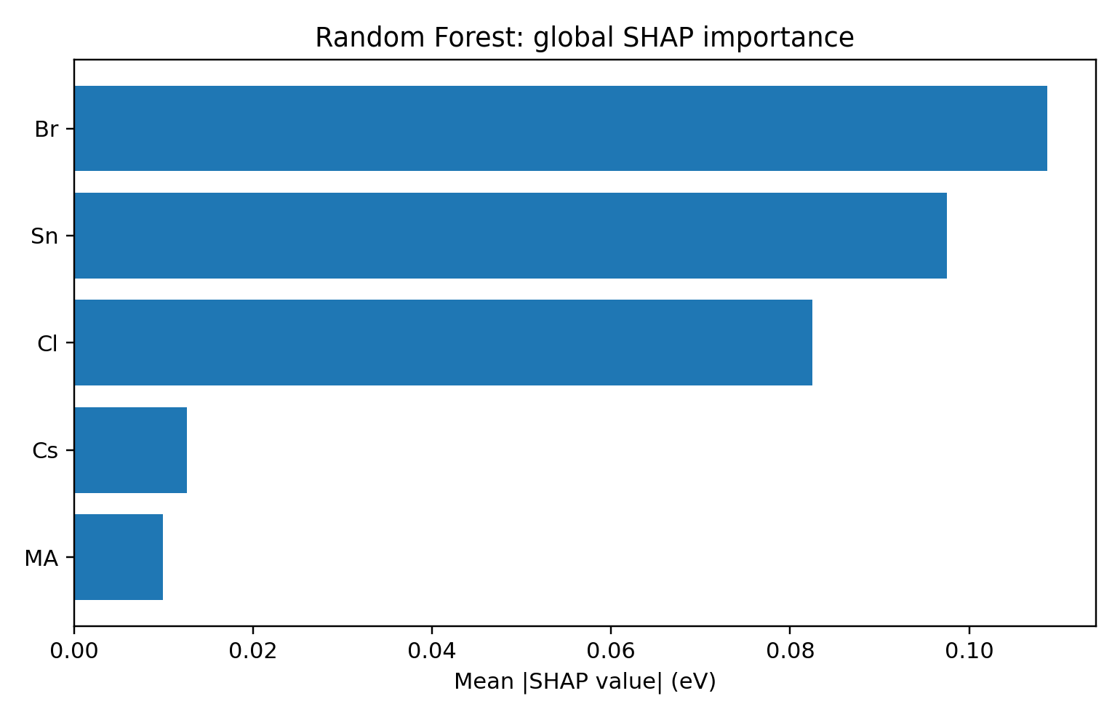
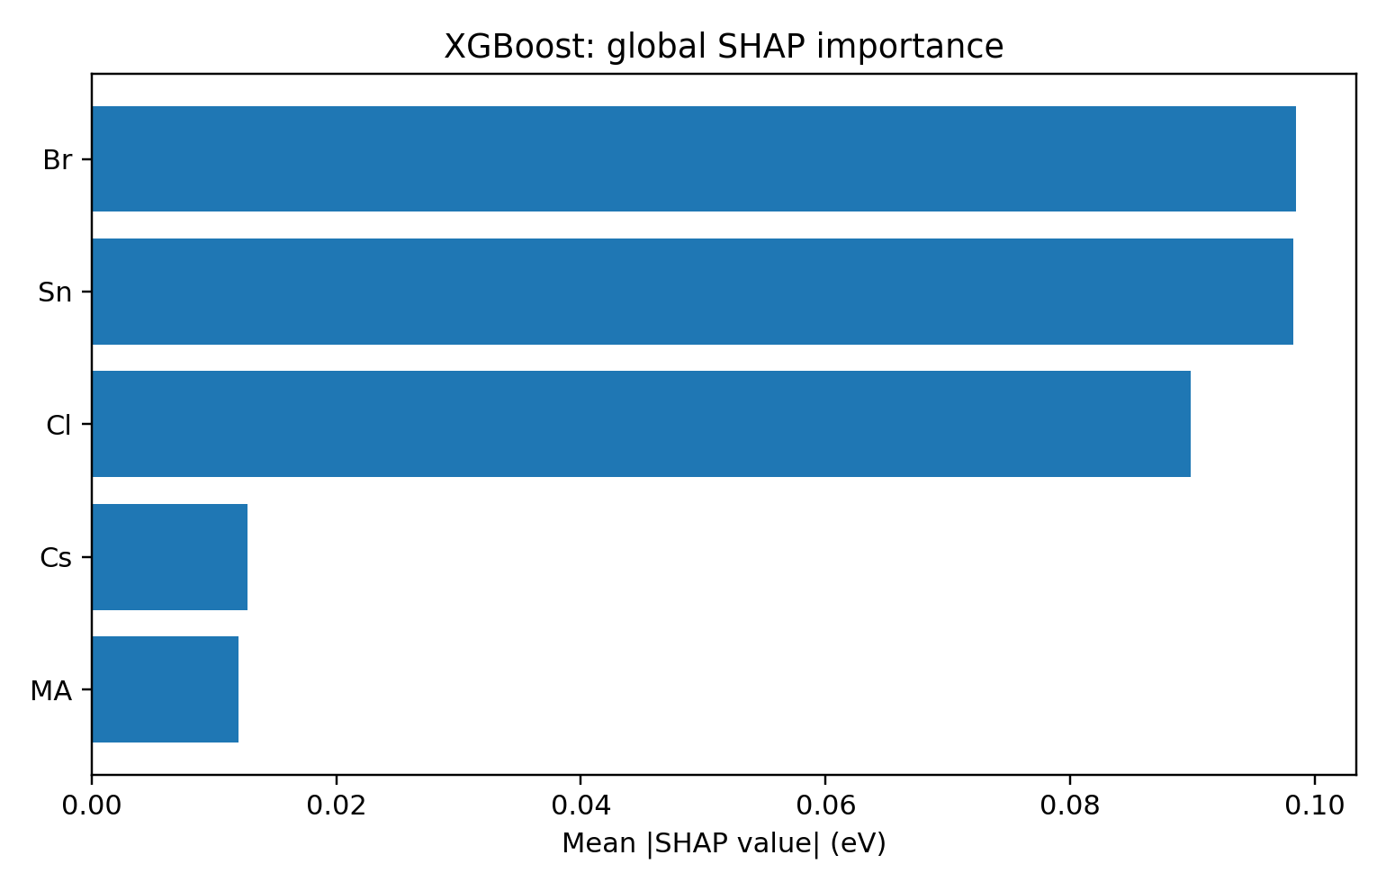
Random Forest | interaction_heatmap | D:\202606\我的最后一次修改\RFXGBoost + SHAP\figures\RF_shap_interaction_heatmap.png
Random Forest | predicted_vs_actual | D:\202606\我的最后一次修改\RFXGBoost + SHAP\figures\RF_predicted_vs_actual.png

