Sheet1
Fx
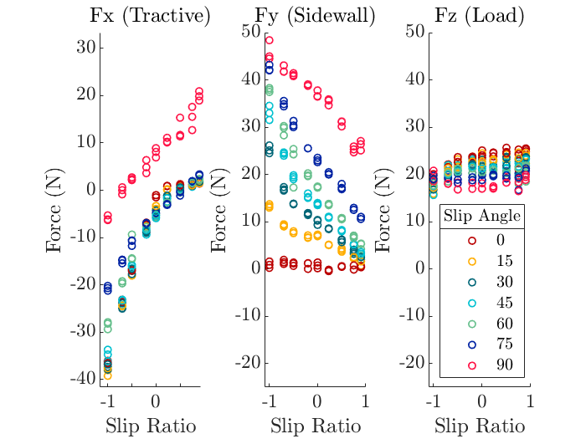
Fz
wr | y | x | z | slip ratio
0 | 0 | -53.2517 | 91.4928 | -1
3 | 0 | -26.8532 | 50.8562 | -0.7
5 | 0 | -18.3754 | 36.2652 | -0.5
8 | 0 | -7.5532 | 17.6149 | -0.2
10 | 0 | -3.6781 | 17.6149 | 0
12.5 | 0 | 1.9036 | 22.8612 | 0.2
20 | 0 | 8.653 | 32.2929 | 0.5
40 | 0 | 13.1709 | 36.2651 | 0.75
100 | 0 | 14.5546 | 36.2651 | 0.9

Fy

wr | y | x | z | slip ratio | Sinkage = 25
0 | 0 | -6.5742 | 15.9482 | -1
3 | 0 | -6.889 | 15.9482 | -0.7
5 | 0 | -7.0995 | 15.9482 | -0.5
8 | 0 | -6.7653 | 15.9481 | -0.2
10 | 0 | -3.2349 | 15.9482 | 0
12.5 | 0 | 1.7838 | 15.9481 | 0.2
20 | 0 | 4.5697 | 15.9481 | 0.5
40 | 0 | 5.5584 | 15.9482 | 0.75
100 | 0 | 5.9047 | 15.9482 | 0.9

