Sheet1
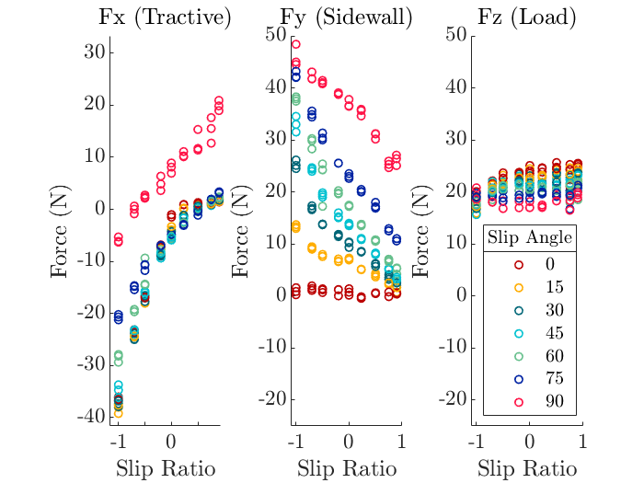
wr | y | x | z | slip ratio
0 | 0 | -53.2517 | 91.4928 | -1
3 | 0 | -26.8532 | 50.8562 | -0.7
5 | 0 | -18.3754 | 36.2652 | -0.5
8 | 0 | -7.5532 | 17.6149 | -0.2
10 | 0 | -3.6781 | 17.6149 | 0
12.5 | 0 | 1.9036 | 22.8612 | 0.2
20 | 0 | 8.653 | 32.2929 | 0.5
40 | 0 | 13.1709 | 36.2651 | 0.75
100 | 0 | 14.5546 | 36.2651 | 0.9

(v-wr)/wr

wr | y | x | z | slip ratio | depth = 30
0 |  |  |  | -1
3 |  |  |  | -0.7
5 |  |  |  | -0.5
8 |  |  |  | -0.2
10 |  |  |  | 0
12.5 |  |  |  | 0.2
20 |  |  |  | 0.5
40 |  |  |  | 0.75
100 |  |  |  | 0.9

