配件
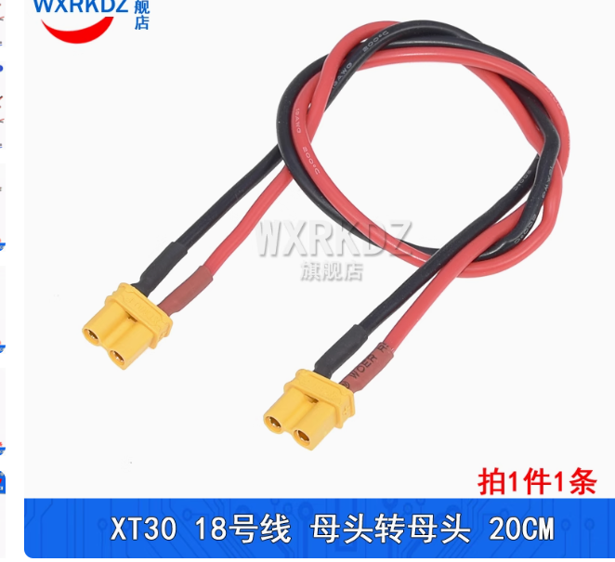
1 | XT30 双头 母转母 18awg (20cm 1条) | XT30U-F/M航模连接线 公头母头电机插座对插锂电池香蕉插头延长线-tmall.com天猫
2 | ecat ZH1.5 4p 反向双头连接线 120cm | https://item.taobao.com/item.htm?_u=qnr9uk7697f&id=606670476627&spm=a1z09.2.0.0.21672e8dS5awue
3 | FFC软排线0.5mm同向10P 0.1m | https://detail.tmall.com/item.htm?_u=qnr9uk77925&id=611766928182&spm=a1z09.2.0.0.21672e8dS5awue

