中断向量表
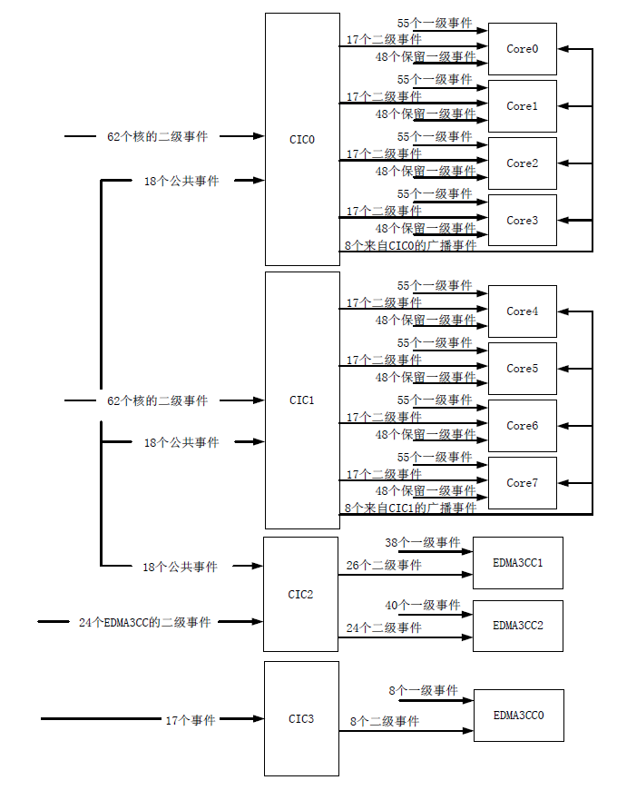
INTC向量表
Event序号 | 名称 | Event序号 | 名称 | Event序号 | 名称 | Event序号 | 名称 | 通道/主机中断
0 | EVT0 | 32 | Reserved | 64 | Timer_W_INTC_IntLn | 96 | INTC_W_IntDropedErr | CIC_0/1_W_INTC_OUT0 | 广播事件
1 | EVT1 | 33 | Reserved | 65 | Timer_W_INTC_IntHn | 97 | EMC_W_INTC_IDMAErr | CIC_0/1_W_INTC_OUT1
2 | EVT2 | 34 | Reserved | 66 | Timer_W_INTC_Int8L | 98 | Reserved | CIC_0/1_W_INTC_OUT2
3 | EVT3 | 35 | Reserved | 67 | Timer_W_INTC_Int8H | 99 | Reserved | CIC_0/1_W_INTC_OUT3
4 | Reserved | 36 | Reserved | 68 | Timer_W_INTC_Int9L | 100 | Reserved | CIC_0/1_W_INTC_OUT4
5 | Reserved | 37 | Reserved | 69 | Timer_W_INTC_Int9H | 101 | Reserved | CIC_0/1_W_INTC_OUT5
6 | Reserved | 38 | Reserved | 70 | Timer_W_INTC_Int10L | 102 | 0 | CIC_0/1_W_INTC_OUT6
7 | Reserved | 39 | Reserved | 71 | Timer_W_INTC_Int10H | 103 | 1 | CIC_0/1_W_INTC_OUT7
8 | Reserved | 40 | Reserved | 72 | Timer_W_INTC_Int11L | 104 | 8 | CIC_0/1_W_INTC_OUT8
9 | Reserved | 41 | Reserved | 73 | Timer_W_INTC_Int11H | 105 | 9 | CIC_0/1_W_INTC_OUT9
10 | MSMC_W_INT_MPF_Errn | 42 | Reserved | 74 | Timer_W_INTC_Int12L | 106 | 16 | CIC_0/1_W_INTC_OUT10
11 | Reserved | 43 | Reserved | 75 | Timer_W_INTC_Int12H | 107 | 17 | CIC_0/1_W_INTC_OUT11
12 | Reserved | 44 | Reserved | 76 | Timer_W_INTC_Int13L | 108 | 24 | CIC_0/1_W_INTC_OUT12
13 | EMC_W_INTC_IDMA0 | 45 | Reserved | 77 | Timer_W_INTC_Int13H | 109 | 25 | CIC_0/1_W_INTC_OUT13
14 | EMC_W_INTC_IDMA1 | 46 | Reserved | 78 | Timer_W_INTC_Int14L | 110 | L2_W_INTC_MDMAErr | CIC_0/1_W_INTC_OUT14
15 | Semaphore_W_INT_Errn | 47 | Reserved | 79 | Timer_W_INTC_Int14H | 111 | RapidIO1_W_INT_Int0 | CIC_0/1_W_INTC_OUT15
16 | Semaphore_W_INTC_Intn | 48 | Reserved | 80 | Timer_W_INTC_Int15L | 112 | Reserved | CIC_0/1_W_INTC_OUT16
17 | PCI_W_INTC_MSI_Intn | 49 | Reserved | 81 | Timer_W_INTC_Int15H | 113 | L1P_W_INTC_ED | CIC_0/1_W_INTC_OUT17
18 | Reserved | 50 | Reserved | 82 | GPIO_W_INT_Int8 | 114 | Reserved | CIC_0/1_W_INTC_OUT18
19 | Reserved | 51 | Reserved | 83 | GPIO_W_INT_Int9 | 115 | Reserved | CIC_0/1_W_INTC_OUT19
20 | RapidIO0_W_INT_Int0 | 52 | Reserved | 84 | GPIO_W_INT_Int10 | 116 | L2_W_INTC_ED1 | CIC_0/1_W_INTC_OUT20
21 | 32、43、54、65 | 53 | Reserved | 85 | GPIO_W_INT_Int11 | 117 | L2_W_INTC_ED2 | CIC_0/1_W_INTC_OUT21
22 | 33、44、55、66 | 54 | Reserved | 86 | GPIO_W_INT_Int12 | 118 | Reserved | CIC_0/1_W_INTC_OUT22
23 | 34、45、56、67 | 55 | Reserved | 87 | GPIO_W_INT_Int13 | 119 | INTC_W_SYS_CMPA | CIC_0/1_W_INTC_OUT23
24 | 35、46、57、68 | 56 | Reserved | 88 | GPIO_W_INT_Int14 | 120 | L1P_W_INTC_CMPA | CIC_0/1_W_INTC_OUT24
25 | 36、47、58、69 | 57 | Reserved | 89 | GPIO_W_INT_Int15 | 121 | L1P_W_INTC_DMPA | CIC_0/1_W_INTC_OUT25
26 | 37、48、59、70 | 58 | Reserved | 90 | GPIO_W_INT_Intn | 122 | L1D_W_INTC_CMPA | CIC_0/1_W_INTC_OUT26
27 | 38、49、60、71 | 59 | Reserved | 91 | IPCGn_W_INTC_Local | 123 | L1D_W_INTC_DMPA | CIC_0/1_W_INTC_OUT27
28 | 39、50、61、72 | 60 | Reserved | 92 | 4、12、20、28 | 124 | L2_W_INTC_CMPA | CIC_0/1_W_INTC_OUT28
29 | 40、51、62、73 | 61 | Reserved | 93 | 5、13、21、29 | 125 | L2_W_INTC_DMPA | CIC_0/1_W_INTC_OUT29
30 | 41、52、63、74 | 62 | 2、10、18、26 | 94 | 6、14、22、30 | 126 | EMC_W_INTC_CMPA | CIC_0/1_W_INTC_OUT30
31 | 42、53、64、75 | 63 | 3、11、19、27 | 95 | 7、15、23、31 | 127 | EMC_W_INTC_BUSErr | CIC_0/1_W_INTC_OUT31
 |  |  |  |  |  |  |  | CIC_0/1_W_INTC_OUT32
 |  |  |  |  |  |  |  | CIC_0/1_W_INTC_OUT33
 |  |  |  |  |  |  |  | CIC_0/1_W_INTC_OUT34
 |  |  |  |  |  |  |  | CIC_0/1_W_INTC_OUT35
 |  |  |  |  |  |  |  | CIC_0/1_W_INTC_OUT36
 |  |  |  |  |  |  |  | CIC_0/1_W_INTC_OUT37
 |  |  |  |  |  |  |  | CIC_0/1_W_INTC_OUT38
 |  |  |  |  |  |  |  | CIC_0/1_W_INTC_OUT39
 |  |  |  |  |  |  |  | CIC_0/1_W_INTC_OUT40
 |  |  |  |  |  |  |  | CIC_0/1_W_INTC_OUT41
 |  |  |  |  |  |  |  | CIC_0/1_W_INTC_OUT42
 |  |  |  |  |  |  |  | CIC_0/1_W_INTC_OUT43
 |  |  |  |  |  |  |  | CIC_0/1_W_INTC_OUT44
 |  |  |  |  |  |  |  | CIC_0/1_W_INTC_OUT45
 |  |  |  |  |  |  |  | CIC_0/1_W_INTC_OUT46
 |  |  |  |  |  |  |  | CIC_0/1_W_INTC_OUT47
 |  |  |  |  |  |  |  | CIC_0/1_W_INTC_OUT48
 |  |  |  |  |  |  |  | CIC_0/1_W_INTC_OUT49
 |  |  |  |  |  |  |  | CIC_0/1_W_INTC_OUT50
 |  |  |  |  |  |  |  | CIC_0/1_W_INTC_OUT51
 |  |  |  |  |  |  |  | CIC_0/1_W_INTC_OUT52
 |  |  |  |  |  |  |  | CIC_0/1_W_INTC_OUT53
 |  |  |  |  |  |  |  | CIC_0/1_W_INTC_OUT54
 |  |  |  |  |  |  |  | CIC_0/1_W_INTC_OUT55
 |  |  |  |  |  |  |  | CIC_0/1_W_INTC_OUT56
 |  |  |  |  |  |  |  | CIC_0/1_W_INTC_OUT57
 |  |  |  |  |  |  |  | CIC_0/1_W_INTC_OUT58
 |  |  |  |  |  |  |  | CIC_0/1_W_INTC_OUT59
 |  |  |  |  |  |  |  | CIC_0/1_W_INTC_OUT60
 |  |  |  |  |  |  |  | CIC_0/1_W_INTC_OUT61
 |  |  |  |  |  |  |  | CIC_0/1_W_INTC_OUT62
 |  |  |  |  |  |  |  | CIC_0/1_W_INTC_OUT63
 |  |  |  |  |  |  |  | CIC_0/1_W_INTC_OUT64
 |  |  |  |  |  |  |  | CIC_0/1_W_INTC_OUT65
 |  |  |  |  |  |  |  | CIC_0/1_W_INTC_OUT66
 |  |  |  |  |  |  |  | CIC_0/1_W_INTC_OUT67
 |  |  |  |  |  |  |  | CIC_0/1_W_INTC_OUT68
 |  |  |  |  |  |  |  | CIC_0/1_W_INTC_OUT69
 |  |  |  |  |  |  |  | CIC_0/1_W_INTC_OUT70
 |  |  |  |  |  |  |  | CIC_0/1_W_INTC_OUT71
 |  |  |  |  |  |  |  | CIC_0/1_W_INTC_OUT72
 |  |  |  |  |  |  |  | CIC_0/1_W_INTC_OUT73
 |  |  |  |  |  |  |  | CIC_0/1_W_INTC_OUT74
 |  |  |  |  |  |  |  | CIC_0/1_W_INTC_OUT75

