industry review
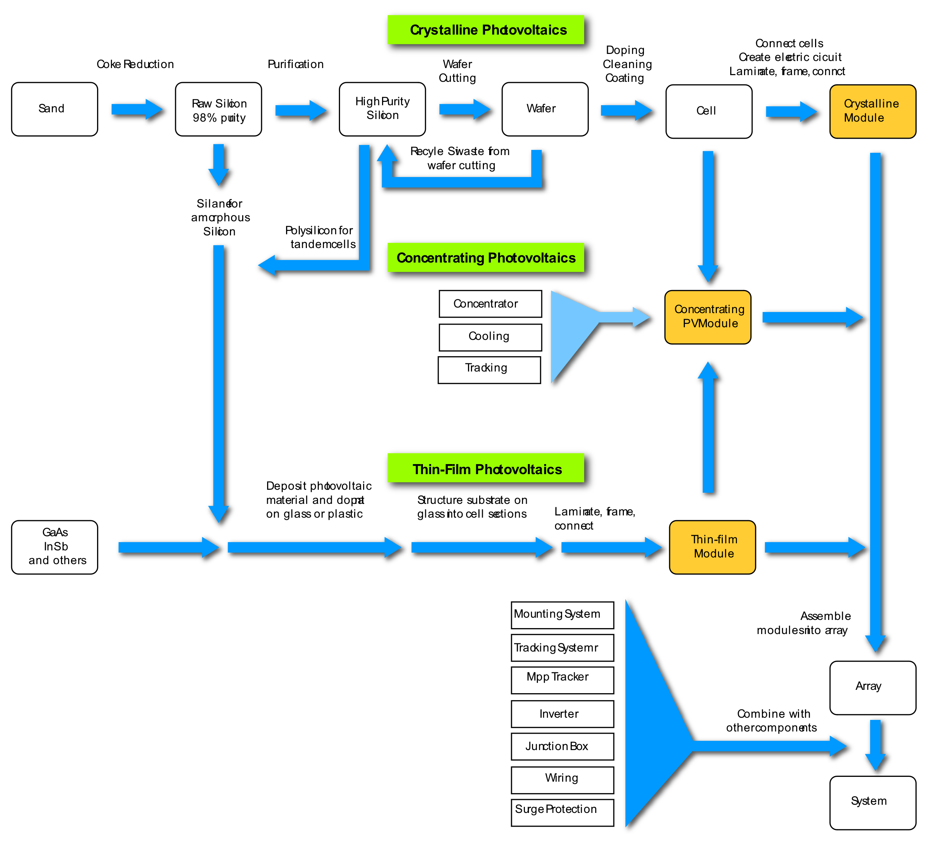

Y | X
SiliconPrice | Inflation Rate | Interest Rate | Raw Material Price | Google Trend | Forecast of new PV installed capacity-Demand | diamond wire(parts)

 | Explaination
Price_PolySilicon | Y
Price_Material | 421 silicon poweder
Price_Product1 | diamond wire price
Price_Product2 | EVA price
Timeline_index | google trend-polysilicon
Timeline_index2 | google trend-solar panel
PPI
PMI
CPI
InterestRate
Price_Commodity1 | NYMEX crude oil
Price_Commodity2 | china Qinghuangdao coal

silicon price by week
 |  |  |  |  |  |  | data source: Antaike,SMM |  |  |  |  |  |  | 10,000 Yuan/Tons
Date | Single-crystal silicon(Refeeding) |  |  |  | Single-crystal Silicon(Dense) |  |  |  | Single-crystal Silicon(Cauliflower)
 | Lowest Price | Highest Price | AVG. Price(Type:Refeeding) | Week-to-week rise and fall | Lowest Price | Highest Price | AVG. Price(Type:Dense) | Week-to-week rise and fall | Lowest Price | Highest Price | AVG. Price(Type:Cauliflower) | Week-to-week rise and fall | Price
2019-05-29 | 7.70 | 7.80 | 7.79 |  | 7.20 | 7.60 | 7.50 |  | 7.00 | 7.20 | 7.14 |  | 7.48
2019-06-05 | 7.70 | 7.80 | 7.79 | 0.00% | 7.20 | 7.60 | 7.50 | 0.00% | 7.00 | 7.20 | 7.14 | 0.00% | 7.48
2019-06-12 | 7.70 | 7.80 | 7.79 | 0.00% | 7.40 | 7.60 | 7.51 | 0.13% | 7.00 | 7.20 | 7.15 | 0.14% | 7.48
2019-06-19 | 7.70 | 7.80 | 7.79 | 0.00% | 7.30 | 7.60 | 7.56 | 0.67% | 7.10 | 7.30 | 7.21 | 0.84% | 7.52
2019-06-26 | 7.90 | 8.00 | 7.92 | 1.67% | 7.40 | 7.70 | 7.66 | 1.32% | 7.10 | 7.40 | 7.28 | 0.97% | 7.62
2019-07-03 | 7.90 | 8.00 | 7.92 | 0.00% | 7.40 | 7.70 | 7.66 | 0.00% | 7.10 | 7.40 | 7.28 | 0.00% | 7.62
2019-07-10 | 7.90 | 8.00 | 7.92 | 0.00% | 7.40 | 7.70 | 7.66 | 0.00% | 7.10 | 7.40 | 7.28 | 0.00% | 7.62
2019-07-17 | 7.90 | 8.00 | 7.92 | 0.00% | 7.40 | 7.70 | 7.66 | 0.00% | 7.10 | 7.40 | 7.28 | 0.00% | 7.62
2019-07-24 | 7.90 | 8.00 | 7.92 | 0.00% | 7.40 | 7.70 | 7.66 | 0.00% | 7.10 | 7.40 | 7.28 | 0.00% | 7.62
2019-07-31 | 7.90 | 8.00 | 7.92 | 0.00% | 7.40 | 7.70 | 7.66 | 0.00% | 7.10 | 7.40 | 7.28 | 0.00% | 7.62
2019-08-07 | 7.70 | 7.90 | 7.84 | -1.01% | 7.40 | 7.70 | 7.57 | -1.17% | 7.00 | 7.40 | 7.23 | -0.69% | 7.55
2019-08-14 | 7.70 | 7.90 | 7.84 | 0.00% | 7.40 | 7.70 | 7.57 | 0.00% | 7.00 | 7.40 | 7.23 | 0.00% | 7.55
2019-08-21 | 7.70 | 7.90 | 7.84 | 0.00% | 7.40 | 7.70 | 7.57 | 0.00% | 7.00 | 7.40 | 7.23 | 0.00% | 7.55
2019-08-28 | 7.70 | 7.90 | 7.84 | 0.00% | 7.40 | 7.70 | 7.57 | 0.00% | 7.00 | 7.40 | 7.23 | 0.00% | 7.55
2019-09-04 | 7.70 | 7.80 | 7.76 | -1.02% | 7.30 | 7.60 | 7.51 | -0.79% | 7.00 | 7.20 | 7.14 | -1.24% | 7.47
2019-09-11 | 7.70 | 7.80 | 7.76 | 0.00% | 7.30 | 7.60 | 7.51 | 0.00% | 7.00 | 7.20 | 7.14 | 0.00% | 7.47
2019-09-18 | 7.70 | 7.80 | 7.76 | 0.00% | 7.30 | 7.60 | 7.51 | 0.00% | 7.00 | 7.20 | 7.14 | 0.00% | 7.47
2019-09-25 | 7.70 | 7.80 | 7.76 | 0.00% | 7.30 | 7.60 | 7.51 | 0.00% | 7.00 | 7.20 | 7.14 | 0.00% | 7.47
2019-10-02 |  |  | 7.76 | 0.00% | 7.30 | 7.60 | 7.51 | 0.00% | 7.00 | 7.20 | 7.14 | 0.00% | 7.47
2019-10-09 | 7.70 | 7.80 | 7.76 | 0.00% | 7.30 | 7.60 | 7.51 | 0.00% | 7.00 | 7.20 | 7.14 | 0.00% | 7.47
2019-10-16 | 7.70 | 7.80 | 7.76 | 0.00% | 7.30 | 7.60 | 7.51 | 0.00% | 7.00 | 7.20 | 7.14 | 0.00% | 7.47
2019-10-23 | 7.70 | 7.80 | 7.76 | 0.00% | 7.30 | 7.65 | 7.52 | 0.13% | 7.00 | 7.25 | 7.14 | 0.00% | 7.47
2019-10-30 | 7.70 | 7.80 | 7.76 | 0.00% | 7.30 | 7.65 | 7.52 | 0.00% | 7.00 | 7.25 | 7.14 | 0.00% | 7.47
2019-11-06 | 7.70 | 7.80 | 7.76 | 0.00% | 7.30 | 7.65 | 7.52 | 0.00% | 7.00 | 7.25 | 7.14 | 0.00% | 7.47
2019-11-13 | 7.70 | 7.80 | 7.76 | 0.00% | 7.30 | 7.65 | 7.47 | -0.66% | 6.90 | 7.25 | 7.08 | -0.84% | 7.44
...
 |  |  |  |  |  |  |  |  | Single-crystal Silicon(Cauliflower)
 |  |  |  |  |  |  |  |  | Lowest Price | Highest Price | AVG. Price(Type:Cauliflower) | Week-to-week rise and fall | Price
 |  |  |  |  |  |  |  |  | 23.80 | 24.60 | 24.24 | 0.50% | 24.52
 |  |  |  |  |  |  |  |  | 23.80 | 24.80 | 24.28 | 0.17% | 24.56
 |  |  |  |  |  |  |  |  | 24.10 | 24.90 | 24.48 | 0.82% | 24.74
 |  |  |  |  |  |  |  |  | 24.40 | 24.80 | 24.55 | 0.29% | 24.82
 |  |  |  |  |  |  |  |  | 24.40 | 25.10 | 24.63 | 0.33% | 24.90
 |  |  |  |  |  |  |  |  | 24.70 | 25.40 | 24.81 | 0.73% | 25.08
 |  |  |  |  |  |  |  |  | 24.80 | 24.80 | 25.07 | 1.05% | 25.31
 |  |  |  |  |  |  |  |  | 25.00 | 26.10 | 25.60 | 2.11% | 25.86
 |  |  |  |  |  |  |  |  | 25.00 | 26.10 | 25.60 | 0.00% | 25.86
 |  |  |  |  |  |  |  |  | 25.00 | 26.10 | 25.60 | 0.00% | 25.86
Average Price of Three Types of Silicon (10,000 Yuan/Ton)
 | AVG. Price(Type:Refeeding) | AVG. Price(Type:Dense) | AVG. Price(Type:Cauliflower)
2022-01-12 | 23.18 | 22.91 | 22.63
2022-01-19 | 23.46 | 23.25 | 22.97
2022-01-26 | 24.00 | 23.76 | 23.48
2022-02-02 | 24.00 | 23.76 | 23.48
2022-02-09 | 24.11 | 23.85 | 23.58
2022-02-16 | 24.27 | 24.02 | 23.75
2022-02-23 | 24.30 | 24.07 | 23.79
2022-03-02 | 24.49 | 24.24 | 23.97
2022-03-09 | 24.62 | 24.36 | 24.09
2022-03-16 | 24.66 | 24.39 | 24.12
2022-03-23 | 24.78 | 24.53 | 24.24
2022-03-30 | 24.82 | 24.58 | 24.28
2022-04-06 | 24.98 | 24.75 | 24.48
2022-04-13 | 25.07 | 24.84 | 24.55
2022-04-20 | 25.15 | 24.91 | 24.63
2022-04-27 | 25.33 | 25.09 | 24.81
2022-05-04 | 25.54 | 25.33 | 25.07
2022-05-11 | 26.11 | 25.87 | 25.60
2022-05-18 | 26.11 | 25.87 | 25.60
2022-05-25 | 26.11 | 25.87 | 25.60
2022-06-01 | 26.63 | 26.41 | 26.15
2022-06-08 | 26.74 | 26.50 | 26.23
2022-06-15 | 26.85 | 26.61 | 26.34
2022-06-22 | 27.31 | 27.04 | 26.74
2022-06-29 | 28.63 | 28.42 | 28.17
2022-07-06 | 29.16 | 28.96 | 28.71
2022-07-13 | 29.49 | 29.28 | 29.01
2022-07-20 | 29.76 | 29.55 | 29.27
2022-07-27 | 29.76 | 29.55 | 29.27
2022-08-03 | 30.22 | 30.00 | 29.72
2022-08-10 | 30.42 | 30.22 | 29.95
2022-08-17 | 30.53 | 30.32 | 30.05
2022-08-24 | 30.60 | 30.38 | 30.11
2022-08-31 | 30.72 | 30.51 | 30.25
2022-09-08 | 30.80 | 30.65 | 30.40
2022-09-14 | 30.80 | 30.65 | 30.40
2022-09-22 | 31.05 | 30.90 | 30.65
2022-09-28 | 31.05 | 30.90 | 30.65
2022-10-05 | 31.05 | 30.90 | 30.65
2022-10-12 | 31.05 | 30.90 | 30.65
2022-10-20 | 31.05 | 30.90 | 30.65
2022-10-26 | 31.05 | 30.80 | 30.45
2022-11-02 | 31.05 | 30.80 | 30.45
2022-11-09 | 31.05 | 30.80 | 30.45
2022-11-16 | 31.05 | 30.80 | 30.45
2022-11-23 | 31.05 | 30.80 | 30.45
2022-11-30 | 30.85 | 30.60 | 29.95
2022-12-07 | 30.10 | 29.20 | 27.95
2022-12-14 | 28.00 | 26.50 | 25.00
2022-12-21 | 27.50 | 25.75 | 24.00
...
 |  |  |  |  |  |  |  |  | 25.80 | 26.50 | 26.15 | 2.15% | 26.40
 |  |  |  |  |  |  |  |  | 25.80 | 26.50 | 26.23 | 0.31% | 26.49
 |  |  |  |  |  |  |  |  | 25.80 | 26.60 | 26.34 | 0.42% | 26.60
 |  |  |  |  |  |  |  |  | 26.30 | 27.60 | 26.74 | 1.52% | 27.03
 |  |  |  |  |  |  |  |  | 28.00 | 28.60 | 28.17 | 5.35% | 28.41
 |  |  |  |  |  |  |  |  | 28.30 | 29.50 | 28.71 | 1.92% | 28.94
 |  |  |  |  |  |  |  |  | 30.10 | 28.30 | 29.01 | 1.04% | 29.26
 |  |  |  |  |  |  |  |  | 28.30 | 30.60 | 29.27 | 0.90% | 29.53
 |  |  |  |  |  |  |  |  | 28.30 | 30.60 | 29.27 | 0.00% | 29.53
 |  |  |  |  |  |  |  |  | 29.50 | 30.60 | 29.72 | 1.54% | 29.98
 |  |  |  |  |  |  |  |  | 29.50 | 30.40 | 29.95 | 0.77% | 30.20
 |  |  |  |  |  |  |  |  | 29.50 | 30.60 | 30.05 | 0.33% | 30.30
 |  |  |  |  |  |  |  |  | 29.50 | 30.80 | 30.11 | 0.20% | 30.36
 |  |  |  |  |  |  |  |  | 30.00 | 30.60 | 30.25 | 0.46% | 30.49
 |  |  |  |  |  |  |  |  | 30.00 | 30.80 | 30.40 | 0.50% | 30.62
 |  |  |  |  |  |  |  |  | 30.00 | 30.80 | 30.40 | 0.00% | 30.62
 |  |  |  |  |  |  |  |  | 30.30 | 31.00 | 30.65 | 0.82% | 30.87
 |  |  |  |  |  |  |  |  | 30.30 | 31.00 | 30.65 | 0.00% | 30.87
 |  |  |  |  |  |  |  |  | 30.30 | 31.00 | 30.65 | 0.00% | 30.87
 |  |  |  |  |  |  |  |  | 30.30 | 31.00 | 30.65 | 0.00% | 30.87
 |  |  |  |  |  |  |  |  | 30.30 | 31.00 | 30.65 | 0.00% | 30.87
 |  |  |  |  |  |  |  |  | 30.20 | 30.70 | 30.45 | -0.65% | 30.77
 |  |  |  |  |  |  |  |  | 30.20 | 30.70 | 30.45 | 0.00% | 30.77
 |  |  |  |  |  |  |  |  | 30.20 | 30.70 | 30.45 | 0.00% | 30.77
 |  |  |  |  |  |  |  |  | 30.20 | 30.70 | 30.45 | 0.00% | 30.77
 |  |  |  |  |  |  |  |  | 30.20 | 30.70 | 30.45 | 0.00% | 30.77
 |  |  |  |  |  |  |  |  | 29.70 | 30.20 | 29.95 | -1.64% | 30.47
 |  |  |  |  |  |  |  |  | 27.40 | 28.50 | 27.95 | -6.68% | 29.08
 |  |  |  |  |  |  |  |  | 24.50 | 25.50 | 25.00 | -10.55% | 26.50
 |  |  |  |  |  |  |  |  | 23.00 | 25.00 | 24.00 | -4.00% | 25.75
 |  |  |  |  |  |  |  |  | 18.00 | 19.50 | 18.75 | -21.88% | 20.72
 |  |  |  |  |  |  |  |  | 13.00 | 15.50 | 14.25 | -24.00% | 15.58
 |  |  |  |  |  |  |  |  | 11.00 | 11.50 | 11.25 | -21.05% | 12.92
 |  |  |  |  |  |  |  |  | 14.00 | 16.00 | 15.00 | 33.33% | 16.33
 |  |  |  |  |  |  |  |  | 16.00 | 18.00 | 17.00 | 13.33% | 18.33
 |  |  |  |  |  |  |  |  | 17.00 | 19.00 | 18.00 | 20.00% | 19.67
 |  |  |  |  |  |  |  |  | 21.50 | 24.50 | 23.72 | 31.78% | 23.98
 |  |  |  |  |  |  |  |  | 21.70 | 24.40 | 23.73 | 0.04% | 23.99
...
 |  |  |  |  |  |  |  |  | Single-crystal Silicon(Cauliflower)
 |  |  |  |  |  |  |  |  | Lowest Price | Highest Price | AVG. Price(Type:Cauliflower) | Week-to-week rise and fall | Price
 |  |  |  |  |  |  |  |  | -28.4% | -21.3% | -22.6%
...
 |  |  |  |  |  |  |  |  | Single-crystal Silicon(Cauliflower)
 |  |  |  |  |  |  |  |  | Lowest Price | Highest Price | AVG. Price(Type:Cauliflower) | Week-to-week rise and fall | Price
 |  |  |  |  |  |  |  |  | 20.6% | 25.1% | 26.6%
...
 |  |  |  |  |  |  |  |  | Single-crystal Silicon(Cauliflower)
 |  |  |  |  |  |  |  |  | Lowest Price | Highest Price | AVG. Price(Type:Cauliflower) | Week-to-week rise and fall | Price
 |  |  |  |  |  |  |  |  | -5.7% | 0.4% | -0.1%
...
 |  |  |  |  |  |  |  |  | Single-crystal Silicon(Cauliflower)
 |  |  |  |  |  |  |  |  | Lowest Price | Highest Price | AVG. Price(Type:Cauliflower) | Week-to-week rise and fall | Price
 |  |  |  |  |  |  |  |  | 0.9% | -0.4% | 0.0%
...
 |  |  |  |  |  |  |  |  | Single-crystal Silicon(Cauliflower)
 |  |  |  |  |  |  |  |  | Lowest Price | Highest Price | AVG. Price(Type:Cauliflower) | Week-to-week rise and fall | Price
 |  |  |  |  |  |  |  |  | 97.3% | 112.2% | 110.9%

raw material price by week
...
 | Data Source: Antaike, SMM
18,900 | 19,400 | 19,150 | 19,225
18,900 | 19,400 | 19,150 | 19,225
18,900 | 19,400 | 19,150 | 19,225
18,900 | 19,400 | 19,150 | 19,225
19,200 | 19,600 | 19,400 | 19,400
21,700 | 22,000 | 21,850 | 21,825
21,700 | 22,000 | 21,850 | 21,825
19,700 | 20,000 | 19,850 | 20,325
20,300 | 21,000 | 20,650 | 20,725
20,400 | 20,600 | 20,500 | 20,700
 | The lowest price in Tianjin Port | The highest price in Tianjin Port | The average price in Tianjin Port | The lowest price in Kunming | The highest price in Kunming | The average price in Kunming
5/29/2019 | 12,800 | 12,900 | 12,850 | 12,500 | 12,700 | 12,600
6/5/2019 | 12,600 | 12,900 | 12,750 | 12,500 | 12,700 | 12,600
6/12/2019 | 12,600 | 12,900 | 12,750 | 12,500 | 12,700 | 12,600
6/19/2019 | 12,600 | 12,900 | 12,750 | 12,500 | 12,700 | 12,600
6/26/2019 | 12,500 | 12,800 | 12,650 | 12,500 | 12,700 | 12,600
7/3/2019 | 12,500 | 12,800 | 12,650 | 12,400 | 12,600 | 12,500
7/10/2019 | 12,400 | 12,600 | 12,500 | 13,000 | 13,500 | 13,250
7/17/2019 | 12,000 | 12,400 | 12,200 | 11,800 | 12,300 | 12,050
7/24/2019 | 12,000 | 12,400 | 12,200 | 11,800 | 12,200 | 12,000
7/31/2019 | 12,000 | 12,200 | 12,100 | 11,800 | 12,000 | 11,900
8/7/2019 | 12,000 | 12,200 | 12,100 | 11,800 | 12,000 | 11,900
8/14/2019 | 11,800 | 12,000 | 11,900 | 11,400 | 12,000 | 11,700
8/21/2019 | 11,700 | 12,000 | 11,850 | 11,400 | 12,000 | 11,700
8/28/2019 | 11,700 | 12,000 | 11,850 | 11,400 | 12,000 | 11,700
9/4/2019 | 11,700 | 12,000 | 11,850 | 11,400 | 12,000 | 11,700
9/11/2019 | 11,800 | 12,200 | 12,000 | 11,500 | 12,000 | 11,750
9/18/2019 | 11,800 | 12,200 | 12,000 | 11,400 | 11,900 | 11,650
9/25/2019 | 11,800 | 12,200 | 12,000 | 11,400 | 11,900 | 11,650
10/2/2019 | 11,800 | 12,200 | 12,000 | 11,400 | 11,900 | 11,650
10/9/2019 | 11,800 | 12,200 | 12,000 | 11,400 | 11,900 | 11,650
10/16/2019 | 11,800 | 12,200 | 12,000 | 11,400 | 11,900 | 11,650
10/23/2019 | 11,800 | 12,200 | 12,000 | 11,400 | 11,900 | 11,650
10/30/2019 | 11,900 | 12,400 | 12,150 | 11,600 | 12,000 | 11,800
11/6/2019 | 12,200 | 12,400 | 12,300 | 11,700 | 12,200 | 11,950
11/13/2019 | 12,200 | 12,400 | 12,300 | 11,800 | 12,200 | 12,000
11/20/2019 | 12,200 | 12,400 | 12,300 | 11,800 | 12,200 | 12,000
11/27/2019 | 12,400 | 12,600 | 12,500 | 11,800 | 12,500 | 12,150
12/4/2019 | 12,400 | 12,600 | 12,500 | 11,800 | 12,500 | 12,150
12/11/2019 | 12,400 | 12,700 | 12,550 | 12,000 | 12,700 | 12,350
12/18/2019 | 12,400 | 12,700 | 12,550 | 12,000 | 12,700 | 12,350
12/25/2019 | 12,400 | 12,700 | 12,550 | 12,000 | 12,700 | 12,350
1/2/2020 | 12,400 | 12,700 | 12,550 | 12,000 | 12,700 | 12,350
1/9/2020 | 12,600 | 12,800 | 12,700 | 12,000 | 12,700 | 12,350
1/15/2020 | 12,600 | 12,800 | 12,700 | 12,000 | 12,700 | 12,350
1/22/2020 | 12,600 | 12,800 | 12,700 | 12,000 | 12,700 | 12,350
1/29/2020 | 12,600 | 12,800 | 12,700 | 12,000 | 12,700 | 12,350
2/5/2020 | 12,600 | 12,800 | 12,700 | 12,200 | 12,700 | 12,450
2/12/2020 | 12,700 | 12,900 | 12,800 | 12,200 | 12,700 | 12,450
2/19/2020 | 12,800 | 13,000 | 12,900 | 12,400 | 13,000 | 12,700
2/26/2020 | 13,000 | 13,200 | 13,100 | 12,400 | 13,000 | 12,700
3/4/2020 | 13,000 | 13,300 | 13,150 | 12,600 | 13,200 | 12,900
3/11/2020 | 13,000 | 13,300 | 13,150 | 12,600 | 13,200 | 12,900
3/18/2020 | 13,000 | 13,300 | 13,150 | 12,600 | 13,200 | 12,900
3/25/2020 | 12,900 | 13,100 | 13,000 | 12,600 | 13,000 | 12,800
4/1/2020 | 12,500 | 12,700 | 12,600 | 12,200 | 12,600 | 12,400
4/8/2020 | 12,200 | 12,500 | 12,350 | 11,800 | 12,200 | 12,000
4/15/2020 | 12,000 | 12,300 | 12,150 | 11,600 | 12,000 | 11,800
4/22/2020 | 12,000 | 12,200 | 12,100 | 11,500 | 12,000 | 11,750
4/28/2020 | 12,000 | 12,200 | 12,100 | 11,500 | 12,000 | 11,750
5/6/2020 | 12,000 | 12,200 | 12,100 | 11,500 | 12,000 | 11,750
...
20,500 | 20,700 | 20,600 | 20,750
21,300 | 21,800 | 21,550 | 21,675
21,400 | 21,600 | 21,500 | 21,675
21,400 | 21,600 | 21,500 | 21,675
21,300 | 21,800 | 21,550 | 21,675
21,500 | 21,700 | 21,600 | 21,700
21,300 | 21,500 | 21,400 | 21,600
21,200 | 21,300 | 21,250 | 21,475
21,000 | 21,100 | 21,050 | 21,275
20,200 | 20,500 | 20,350 | 20,625
20,000 | 20,200 | 20,100 | 20,350
19,900 | 20,100 | 20,000 | 20,250
19,600 | 19,800 | 19,700 | 19,975
19,400 | 19,600 | 19,500 | 19,750
19,100 | 19,300 | 19,200 | 19,425
18,800 | 19,000 | 18,900 | 19,150
18,600 | 18,800 | 18,700 | 18,950
18,500 | 18,600 | 18,550 | 18,900
18,500 | 18,600 | 18,550 | 18,900
18,500 | 18,600 | 18,550 | 18,750
18,200 | 18,300 | 18,250 | 18,500
18,300 | 18,400 | 18,350 | 18,550

