Sheet1
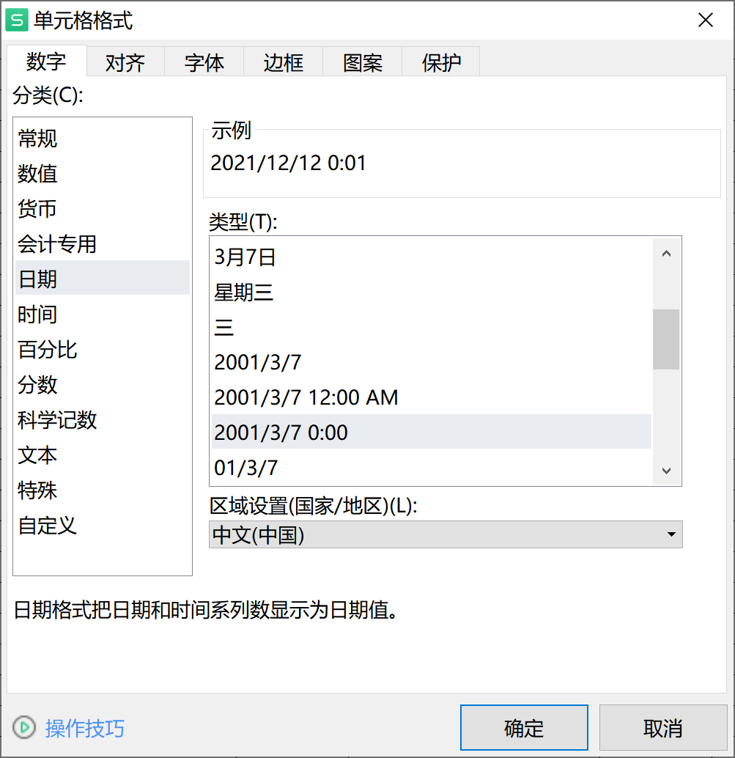
username | name | start_time | end_time
19510146 | 邹洋 | 2021-12-11 14:00:00 | 2021-12-12 00:01:01
19510146 | 邹洋 | 2021-11-05 21:00:00 | 2021-11-05 21:59:00

