Sheet1
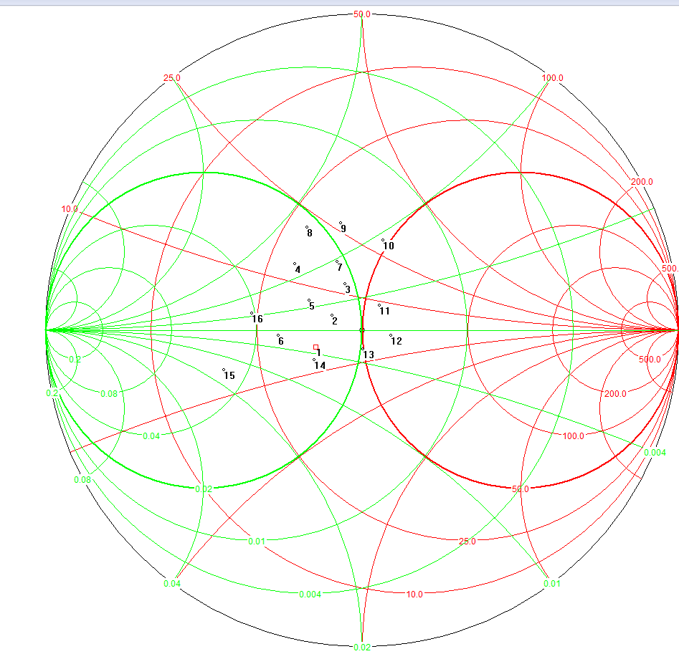
...
-26.85 | -26.77 | -26.17 | -27.45 | -28.03 | -28.84
-23.26 | -25.51 | -24.56 | -22.52 | -24.18 | -24.17
-27.42 | -27.2 | -27.72 | -26.76 | -28.66 | -26.95
-23.42 | -22.35 | -23.62 | -23.79 | -23.18 | -23.72
-26.99 | -27.53 | -28.09 | -28.42 | -28.8 | -28.7
-25.19 | -24.61 | -24.44 | -25.04 | -23.74 | -24.53
-27.23 | -27.98 | -27.21 | -29.18 | -28.68 | -28.79
-23.62 | -22.54 | -22.69 | -23.25 | -23.58 | -22.87
...
-28.89 | -28.1 | -26.9 | -28.04 | -27.14 | -28.05
-23.45 | -22.91 | -23.77 | -25.49 | -23 | -23.25
-28.54 | -26.74 | -27.59 | -27.03 | -26.87 | -26.02
-25.28 | -22.71 | -22.67 | -21.58 | -25.14 | -23.87
-28.51 | -29.61 | -27.6 | -28.76 | -29.05 | -27.8
-25.49 | -24.7 | -24.51 | -24.77 | -24.11 | -25.61
-28.19 | -28.02 | -27.84 | -27.99 | -27.67 | -26.66
-23.82 | -21.86 | -22.93 | -23.49 | -24.09 | -23.22
...
-28.58 | -29.11 | -27.33 | -28 | -26.7 | -27.73
-26.63 | -25.51 | -22.17 | -25.49 | -26.15 | -25.91
-28.97 | -27.94 | -26.96 | -27.38 | -28.05 | -27.38
-24.77 | -25.45 | -24.97 | -23.44 | -23.93 | -24.35
-28.24 | -29.14 | -29.78 | -28.77 | -28.7 | -29.8
-26.27 | -25.1 | -24.96 | -25.92 | -25.41 | -25.8
-28.55 | -28.11 | -29.41 | -30.04 | -29.08 | -30.29
-25.22 | -23.52 | -26.25 | -25.72 | -26.11 | -23.47
...
-26.21 | -28.2 | -27.93 | -27.49 | -27.16 | -28.86
-26.5 | -26.02 | -25.64 | -27.26 | -25.17 | -25.67
-27.46 | -29.28 | -28.03 | -28.59 | -28.56 | -27.02
-26.41 | -23.23 | -25.92 | -24.73 | -27.21 | -24.61
-29.01 | -29.5 | -26.82 | -28.84 | -28.49 | -28.76
-27.4 | -27.41 | -27.13 | -27.9 | -26.82 | -26.83
-29.33 | -28.9 | -29.16 | -29.26 | -28.37 | -27.99
-24.13 | -26.45 | -26.04 | -26.24 | -25.39 | -26.14
...
-27.83 | -26.37 | -27.27 | -24.52 | -28.2
-27.14 | -26.46 | -26.41 | -25.02 | -26.51
-26.72 | -26.26 | -27.5 | -26.95 | -27.39
-25.9 | -24.2 | -25.98 | -22.76 | -25.48
-28.22 | -28.54 | -28.86 | -28.53 | -28.85
-26.7 | -27.04 | -26.65 | -26.53 | -25.7
-27.39 | -28.68 | -28.37 | -28.04 | -28.04
-25.2 | -25.2 | -25.38 | -24.83 | -24.97
...
-28.72 | -24.61 | -29.24 | -26.52 | -25.23 | -27.63
-26.37 | -23.01 | -27.09 | -26.23 | -26.3 | -25.86
-27.28 | -25.38 | -28.28 | -28.35 | -28.14 | -27.72
-26.92 | -27.78 | -25.59 | -24.26 | -24.44 | -26.51
-29.52 | -29.32 | -30.36 | -29.74 | -28.98 | -29.76
-27.38 | -26.63 | -27.44 | -26.37 | -25.77 | -26.34
-29.05 | -28.76 | -29.27 | -29.42 | -28.65 | -29.54
-26.93 | -25.12 | -26.43 | -24.75 | -26.16 | -26.01
...

