PA_register
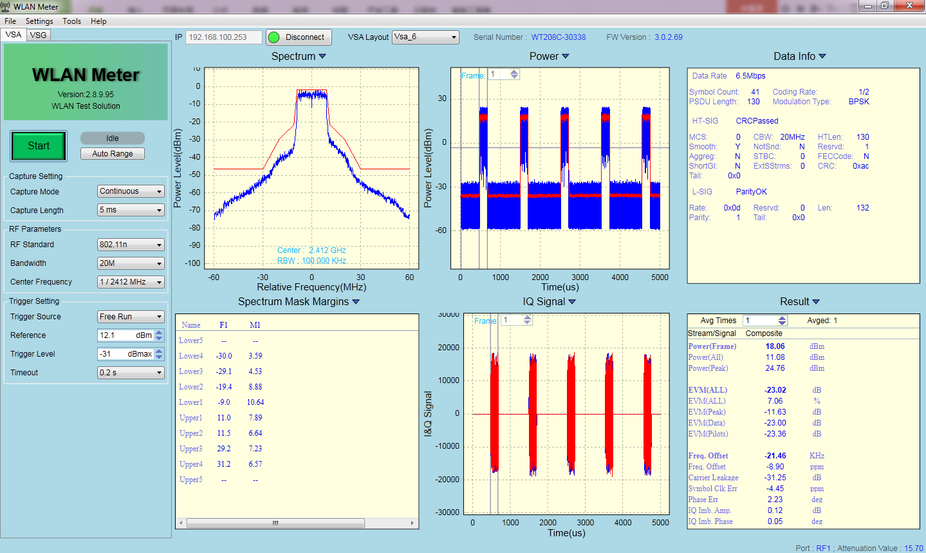
PA_register | default | CHIP722B_MF | CHIP722B3 | Note
TMX2G_CCT_LOAD | 7 | 11 | 11 | calibration
TMX2G_RCT_LOAD | 0 | 1 | 1 | For better EVM
PA2G_CCT_STG1 | 7 | 11 | 11 | calibration
PA2G_CCT_STG2 | 0 | 4 | 4 | calibration
PA2G_ICT_STG0 | 8 | 8 | 8
PA2G_ICT_STG0_CGM | 3 | 3 | 2 | better EVM\MASK
PA2G_ICT_STG1 | 4 | 4 | 4
PA2G_ICT_STG1_CGM | 9 | 9 | 10 | better EVM\MASK
PA2G_ICT_STG2 | 10 | 10 | 10 | Not obvious
PA2G_CCT2F_STG0 | 0 | 0 | 0 | Not obvious
PA2G_MCT_CLASSB | 0 | 0 | 0 | EVM better
PA2G_RCT_STG2 | 0 | 1 | 1 | better EVM
PA2G_STG1_SEL_ICGM | 0 | 0 | 1 | better EVM
PA2G_STG1_SEL_ICGM_N | 1 | 1 | 1 | For better EVM
PA2G_VCT_CSC_STG0 | 8 | 8 | 10 | better EVM\MASK
PA2G_VCT_CSC_STG1 | 4 | 4 | 4
PA2G_VCT_CSC_STG2 | 10 | 10 | 10 | Not obvious
PWDET_VTH_TUNE | 4 | 4 | 4 | Not obvious
SPARE_TX | 5 | 5 | 5 | Not obvious

EVM

 | Setting | rftx | bbgain | dig_atten | channel | rate | power | evm | evm_std | evm_max | freq_error(kHz) | syclk_error(ppm) | evm_list1 | evm_list2 | evm_list3 | evm_list4 | evm_list5 | evm_list6 | evm_list7 | evm_list8 | evm_list9 | evm_list10 | evm_list11 | evm_list12 | evm_list13 | evm_list14 | evm_list15 | evm_list16 | evm_list17 | evm_list18 | evm_list19 | evm_list20
A7F5 | MF_setting | 0x5f | 0xa0 | 11 | 2417 | mcs7 | 11.90 | -29.87 | 0.33 | -29.14 | -30.2 | -17.84 | -29.49 | -29.8 | -29.63 | -29.38 | -30.15 | -30.1 | -29.67 | -30.03 | -30.56 | -30.08 | -29.14 | -29.76 | -29.65 | -30.33 | -29.68 | -30.11 | -30.07 | -30.06 | -30.06 | -29.86
 |  | 0x5f | 0xa0 | 7 | 2417 | mcs7 | 12.87 | -29.19 | 0.59 | -28 | -30.62 | -17.93 | -28.45 | -28 | -28.24 | -29.83 | -28.97 | -29.33 | -29.07 | -29.79 | -29.84 | -29.57 | -29.06 | -29.88 | -28.63 | -30.12 | -29.7 | -29.07 | -29.67 | -28.5 | -29.41 | -29.4
 | B3_setting | 0x5f | 0xa0 | 11 | 2417 | mcs7 | 13.48 | -30.58 | 0.72 | -29.43 | -30.82 | -16.3 | -31.06 | -31.05 | -31.15 | -31.08 | -29.66 | -30.06 | -30.01 | -30.55 | -31.57 | -30.57 | -30.46 | -31.94 | -29.43 | -30.91 | -29.8 | -30.06 | -31.95 | -30.99 | -30.87 | -29.69
 |  | 0x5f | 0xa0 | 13 | 2417 | mcs7 | 13.00 | -31.19 | 0.81 | -29.2 | -31.03 | -15.82 | -29.97 | -31.37 | -30.93 | -30.86 | -32.7 | -30.79 | -31.34 | -31.7 | -29.9 | -31.39 | -31.41 | -31.96 | -31.97 | -31.18 | -29.2 | -32.14 | -31.87 | -31.48 | -31.58 | -31.65
A7F6 | MF_setting | 0x5f | 0xa0 | 11 | 2417 | mcs7 | 12.53 | -29.67 | 0.86 | -27.31 | -19.12 | -11.76 | -29.83 | -29.89 | -29.74 | -29.26 | -30.54 | -28.93 | -30.59 | -27.97 | -30 | -29.99 | -29.7 | -30.48 | -29.47 | -30.54 | -27.31 | -30.54 | -30.54 | -30.28 | -29.33 | -30.34
 |  | 0x5f | 0xa0 | 9 | 2417 | mcs7 | 12.97 | -29.09 | 0.57 | -27.72 | -20.93 | -14.69 | -29.33 | -28.72 | -29.75 | -28.19 | -29.45 | -29.28 | -28.92 | -29.64 | -29.49 | -29.23 | -29.3 | -27.72 | -29.02 | -28.61 | -28.16 | -29.25 | -29.36 | -29.57 | -29.73 | -29.88
 | B3_setting | 0x5f | 0xa0 | 11 | 2417 | mcs7 | 13.88 | -31.09 | 0.8 | -29.61 | -21.87 | -11.06 | -32.33 | -30.04 | -29.61 | -30.34 | -30.61 | -32.07 | -32.43 | -32.28 | -31.4 | -31.13 | -31.44 | -30.92 | -31.16 | -29.8 | -31.9 | -31.05 | -31.52 | -31.31 | -30.52 | -31.42
 |  | 0x5f | 0xa0 | 14 | 2417 | mcs7 | 13.03 | -31.74 | 0.78 | -30.32 | -22.95 | -10.75 | -31.65 | -31.67 | -32.97 | -32.77 | -32.29 | -32.7 | -32.08 | -30.32 | -32.92 | -32.14 | -32.13 | -30.99 | -31.32 | -32.34 | -31.75 | -30.6 | -30.8 | -30.89 | -32.43 | -31.44
A7EF | MF_setting | 0x5f | 0xa0 | 11 | 2417 | mcs7 | 12.60 | -28.43 | 1.33 | -26.35 | -11.43 | -6.33 | -28.18 | -26.65 | -26.44 | -27.43 | -30.24 | -30.45 | -26.35 | -29.92 | -28.79 | -29.04 | -27.84 | -29.01 | -29.66 | -30.17 | -28.04 | -27.12 | -29.81 | -29.86 | -27.91 | -29.93
 |  | 0x5f | 0xa0 | 9 | 2417 | mcs7 | 13.06 | -29.01 | 0.63 | -27.15 | -13.08 | -8.97 | -28.97 | -29.49 | -28.4 | -29.42 | -29.17 | -29.48 | -30.01 | -29.79 | -27.15 | -28.22 | -29.29 | -29.33 | -28.53 | -29.05 | -28.45 | -29.05 | -29.28 | -29.7 | -29.14 | -29.34
 | B3_setting | 0x5f | 0xa0 | 11 | 2417 | mcs7 | 13.42 | -30.18 | 1.34 | -26 | -13.96 | -7.07 | -31.06 | -31.01 | -31.05 | -31.46 | -30.82 | -30.94 | -31.08 | -31.44 | -31.77 | -28.78 | -30.3 | -30.67 | -31.3 | -28.44 | -30.33 | -30.05 | -26 | -31.75 | -29.47 | -30.9
 |  | 0x5f | 0xa0 | 13 | 2417 | mcs7 | 12.90 | -30.37 | 0.76 | -27.94 | -15.02 | -6.49 | -31.35 | -29.11 | -30.04 | -30.92 | -30.97 | -29.98 | -30.49 | -27.94 | -31.15 | -30.48 | -30.81 | -30.2 | -30.66 | -30.15 | -30.48 | -31.22 | -30.73 | -30.91 | -30.59 | -30.73
A7E8 | MF_setting | 0x5f | 0xa0 | 11 | 2417 | mcs7 | 12.31 | -29.23 | 0.29 | -28.73 | -23.99 | -14.67 | -29.64 | -29.05 | -29.12 | -29.52 | -29.04 | -29.16 | -28.84 | -29.06 | -28.85 | -28.73 | -29.13 | -29.37 | -29.66 | -29.23 | -29.05 | -29.44 | -29.59 | -29.6 | -29.08 | -29.69
 |  | 0x5f | 0xa0 | 8 | 2417 | mcs7 | 12.98 | -28.44 | 0.54 | -27.24 | -25.33 | -16.13 | -28.76 | -27.27 | -28.6 | -27.24 | -29.11 | -27.93 | -28.97 | -28.81 | -28.13 | -28.81 | -28.56 | -29.08 | -28.01 | -28.37 | -28.74 | -29.17 | -28.26 | -28.64 | -28.21 | -28.78
 | B3_setting | 0x5f | 0xa0 | 11 | 2417 | mcs7 | 13.59 | -30.20 | 0.5 | -29.22 | -26.11 | -13.06 | -30.47 | -29.95 | -30.71 | -30.28 | -30.4 | -30.24 | -29.57 | -30.4 | -31.05 | -30.07 | -30.42 | -30.19 | -29.51 | -30.05 | -30.8 | -30.27 | -30.02 | -31.23 | -29.62 | -29.22
 |  | 0x5f | 0xa0 | 13 | 2417 | mcs7 | 13.07 | -30.21 | 0.59 | -29.13 | -27.07 | -13.33 | -30.05 | -30.85 | -31.53 | -30.34 | -29.97 | -30.19 | -30.74 | -30.03 | -30.96 | -30.27 | -29.87 | -30.14 | -29.89 | -29.95 | -29.21 | -30.19 | -31 | -29.66 | -29.13 | -30.96
EVM @13dBm
 | MF_setting_ evm | B3_setting_evm
A7F5 | -29.19 | -31.19
A7F6 | -29.09 | -31.74
A7EF | -29.01 | -30.37
A7E8 | -28.44 | -30.21

MASK
 |  |  |  |  |  |  |  |  |  |  |  |  | lower4 | lower3 | lower2 | lower1 | upper1 | upper2 | upper3 | upper4_
 | Setting | rftx | bbgain | dig_atten | channel | rate | power | evm | evm_std | evm_max | freq_error(kHz) | syclk_error(ppm) | lower4_marg | lower3_marg | lower2_marg | lower1_marg | upper1_marg | upper2_marg | upper3_marg | upper4_marg
A7F5 | MF_setting | 0x5f | 0xa0 | -8 | 2417 | mcs0 | 16.56 | -23.92 | 0.21 | -23.46 | -31.53 | -7.14 | -0.53 | 0.42 | 9.64 | 10.42 | 10.41 | 8.18 | 2.31 | 2.95
 |  | 0x5f | 0xa0 | -15 | 2417 | mcs0 | 18.02 | -19.99 | 0.11 | -19.66 | -32.13 | 0.16 | -3.02 | -2.41 | 5.95 | 10.12 | 7.39 | 5.01 | 0.38 | 0.84
 | B3_setting | 0x5f | 0xa0 | -8 | 2417 | mcs0 | 17.79 | -23.79 | 0.24 | -23.16 | -32.24 | -5.19 | 1.06 | 2.11 | 11.29 | 10.36 | 10.30 | 8.73 | 5.27 | 5.84
 |  | 0x5f | 0xa0 | -9 | 2417 | mcs0 | 17.97 | -23.36 | 0.14 | -22.93 | -32.27 | -4.32 | 0.71 | 2.03 | 10.59 | 10.40 | 9.97 | 8.21 | 5.06 | 5.84
A7F6 | MF_setting | 0x5f | 0xa0 | -8 | 2417 | mcs0 | 17.47 | -22.74 | 0.28 | -21.96 | -10.78 | -3.71 | -0.48 | 0.52 | 3.96 | 4.05 | 2.87 | 3.81 | 2.12 | 2.22
 |  | 0x5f | 0xa0 | -11 | 2417 | mcs0 | 18.01 | -21.31 | 0.14 | -20.91 | -13.13 | -1.82 | -1.31 | -0.17 | 3.59 | 3.64 | 2.42 | 3.50 | 1.34 | 1.26
 | B3_setting | 0x5f | 0xa0 | -8 | 2417 | mcs0 | 18.29 | -23.85 | 0.17 | -23.53 | -14.49 | -4.15 | 1.07 | 1.67 | 4.21 | 4.25 | 3.14 | 4.01 | 3.72 | 4.84
 |  | 0x5f | 0xa0 | -7 | 2417 | mcs0 | 17.93 | -24.67 | 0.36 | -23.94 | -15.8 | -6.38 | 1.27 | 1.91 | 4.41 | 4.54 | 3.37 | 4.18 | 4.63 | 4.98
A7EF | MF_setting | 0x5f | 0xa0 | -8 | 2417 | mcs0 | 17.47 | -22.74 | 0.28 | -21.96 | -10.78 | -3.71 | -0.48 | 0.52 | 3.96 | 4.05 | 2.87 | 3.81 | 2.12 | 2.22
 |  | 0x5f | 0xa0 | -11 | 2417 | mcs0 | 18.01 | -21.31 | 0.14 | -20.91 | -13.13 | -1.82 | -1.31 | -0.17 | 3.59 | 3.64 | 2.42 | 3.50 | 1.34 | 1.26
 | B3_setting | 0x5f | 0xa0 | -8 | 2417 | mcs0 | 18.29 | -23.85 | 0.17 | -23.53 | -14.49 | -4.15 | 1.07 | 1.67 | 4.21 | 4.25 | 3.14 | 4.01 | 3.72 | 4.84
 |  | 0x5f | 0xa0 | -7 | 2417 | mcs0 | 17.93 | -24.67 | 0.36 | -23.94 | -15.8 | -6.38 | 1.27 | 1.91 | 4.41 | 4.54 | 3.37 | 4.18 | 4.63 | 4.98
A7E8 | MF_setting | 0x5f | 0xa0 | -8 | 2417 | mcs0 | 16.69 | -23.53 | 0.28 | -22.76 | -31.83 | -6.82 | -0.78 | 0.50 | 9.55 | 10.48 | 10.06 | 7.77 | 2.18 | 2.93
 |  | 0x5f | 0xa0 | -14 | 2417 | mcs0 | 17.94 | -20.3 | 0.09 | -20.15 | -32.23 | -0.74 | -2.76 | -2.24 | 6.25 | 10.23 | 7.46 | 5.08 | 0.37 | 1.00
 | B3_setting | 0x5f | 0xa0 | -8 | 2417 | mcs0 | 17.93 | -23.55 | 0.17 | -23.02 | -32.32 | -4.22 | 0.82 | 2.00 | 10.80 | 10.41 | 9.94 | 8.40 | 4.88 | 5.47
 |  | 0x5f | 0xa0 | -8 | 2417 | mcs0 | 17.92 | -23.53 | 0.23 | -23.07 | -32.32 | -5.4 | 0.98 | 2.05 | 10.92 | 10.44 | 9.99 | 8.40 | 5.47 | 5.51
mask_margin@(A7F5,18dBm)
mask_margin@(A7F6,18dBm)
mask_margin@(A7EF,18dBm)
mask_margin@(A7E8,18dBm)

A7F5 taeget_power = 18dBm，MF_setting
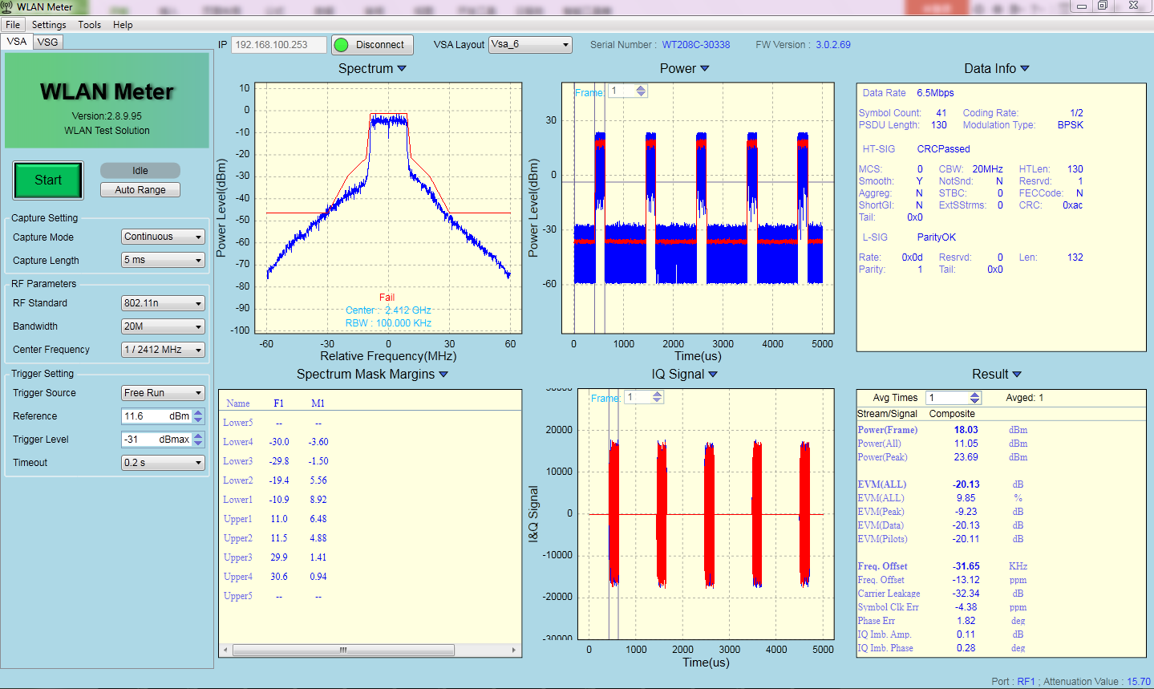

A7F5 taeget_power = 18dBm，B3_setting，MASK 改善 3dB

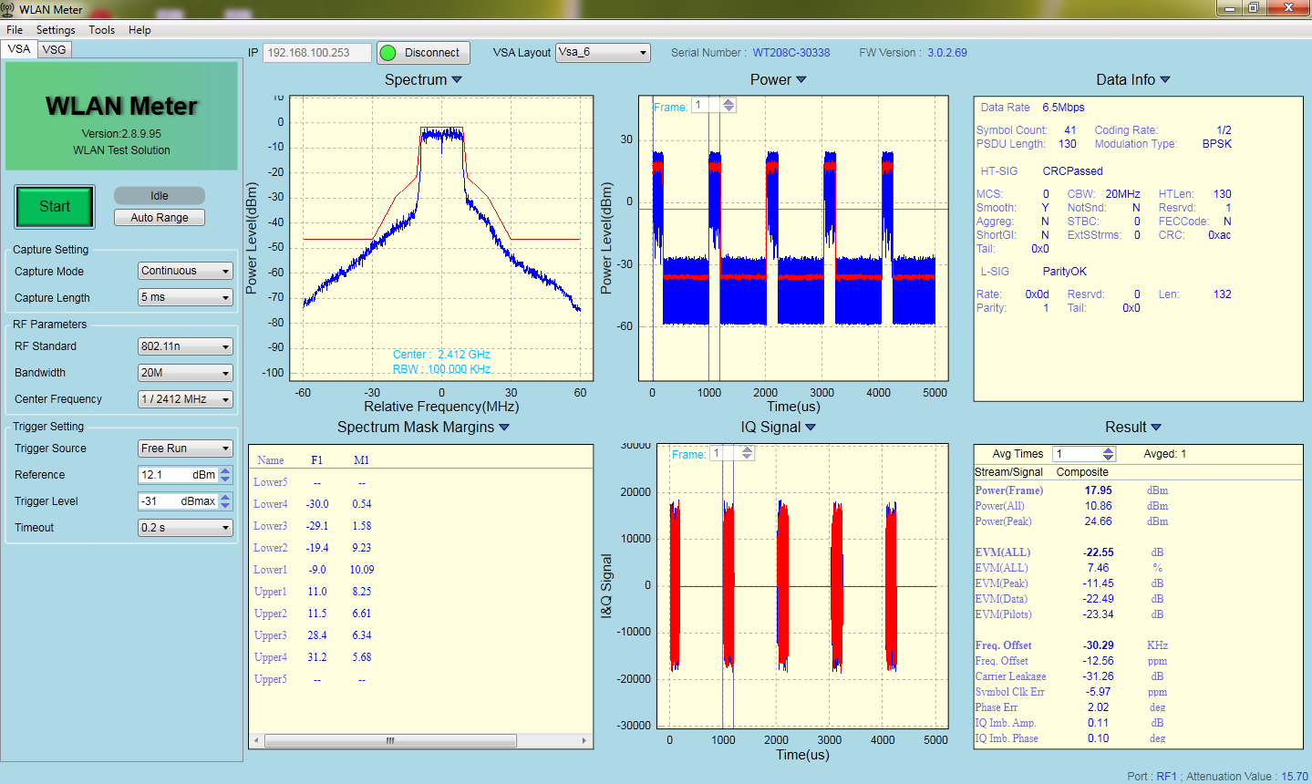

A7F5 taeget_power = 18dBm，B3_setting，PA 电源处加0.1uF 电容，MASK 改善 3dB

