大盘
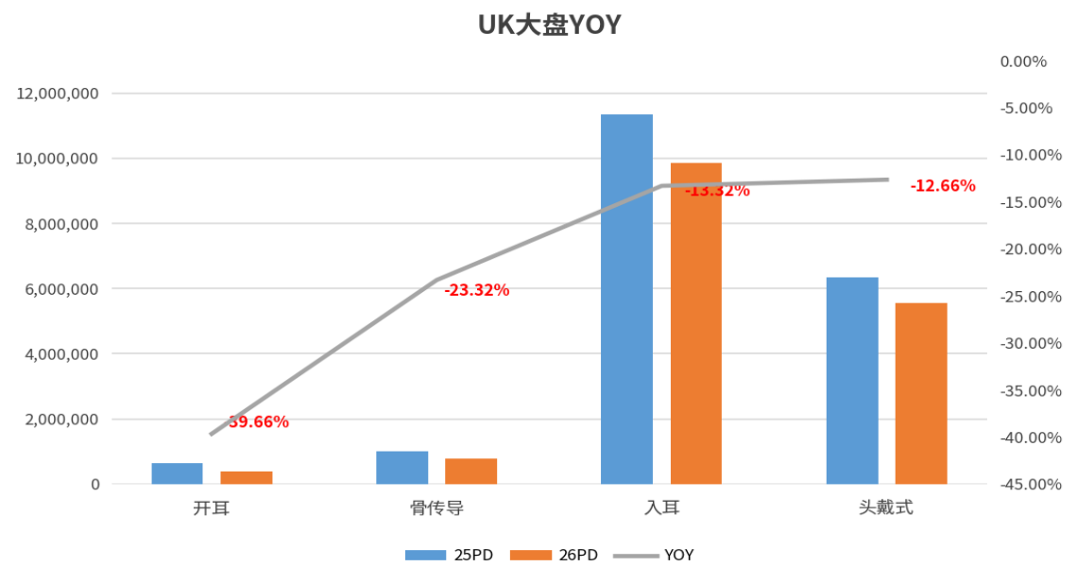
品类 | 25PD Retail Sales | 26PD Retail Sales | YOY
开耳 | 635,138 | 383,221 | -39.66%
骨传导 | 1,012,820 | 776,584 | -23.32%
入耳 | 11,356,726 | 9,844,247 | -13.32%
头戴式 | 6,355,094 | 5,550,442 | -12.66%
总计 | 19,359,778 | 16,554,495 | -14.5%

耳机品牌市占变化
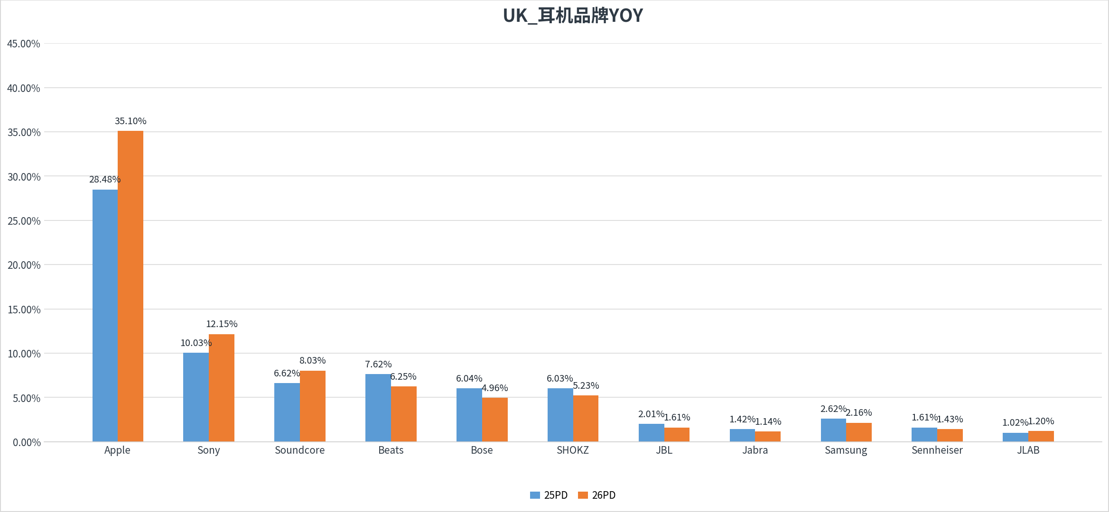

品牌市占变化数据
25PD = week ending 2025-07-12; 26PD = week ending 2026-06-27; 指标 = Retail Sales |  |  |  |  | 说明：市占 = 品牌 Retail Sales / 当周全市场 Retail Sales。图中品牌顺序按参考图保留。

Brand | 25PD Sales | 26PD Sales | 25PD Share | 26PD Share
Apple | 5,514,387 | 5,809,834 | 28.48% | 35.10%
Sony | 1,941,693 | 2,011,130 | 10.03% | 12.15%
Soundcore | 1,281,570 | 1,330,004 | 6.62% | 8.03%
Beats | 1,476,056 | 1,035,349 | 7.62% | 6.25%
Bose | 1,168,409 | 820,318 | 6.04% | 4.96%
SHOKZ | 1,168,359 | 866,273 | 6.03% | 5.23%
JBL | 389,352 | 267,070 | 2.01% | 1.61%
Jabra | 274,197 | 189,488 | 1.42% | 1.14%
Samsung | 506,305 | 356,903 | 2.62% | 2.16%
Sennheiser | 310,955 | 236,650 | 1.61% | 1.43%
JLAB | 196,799 | 199,100 | 1.02% | 1.20%
Market Total | 19,359,778 | 16,554,495 | 100.00% | 100.00%

耳机品牌销额变化
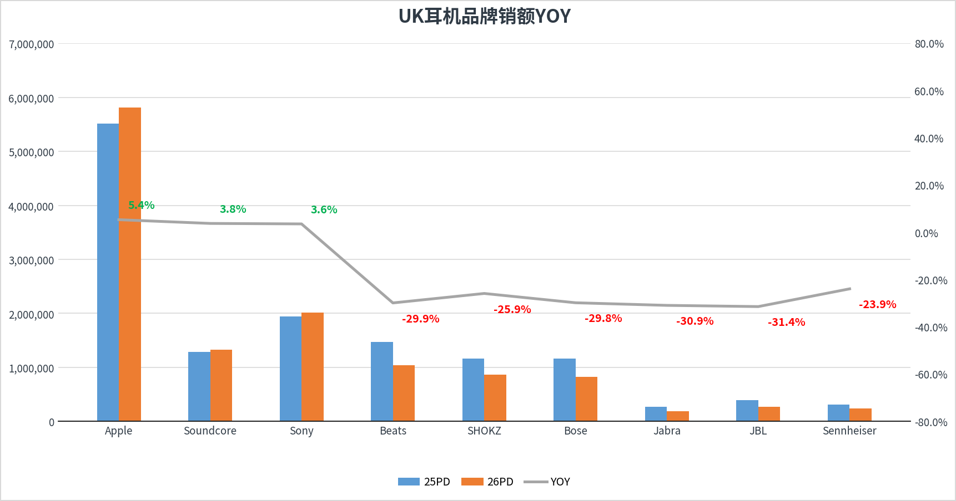

品牌销额变化数据
25PD = week ending 2025-07-12; 26PD = week ending 2026-06-27; 指标 = Retail Sales |  |  |  | 说明：YOY = 26PD Retail Sales / 25PD Retail Sales - 1。图中品牌顺序按参考图保留。

Brand | 25PD Sales | 26PD Sales | YOY
Apple | 5,514,387 | 5,809,834 | 5.4%
Soundcore | 1,281,570 | 1,330,004 | 3.8%
Sony | 1,941,693 | 2,011,130 | 3.6%
Beats | 1,476,056 | 1,035,349 | -29.9%
SHOKZ | 1,168,359 | 866,273 | -25.9%
Bose | 1,168,409 | 820,318 | -29.8%
Jabra | 274,197 | 189,488 | -30.9%
JBL | 389,352 | 267,070 | -31.4%
Sennheiser | 310,955 | 236,650 | -23.9%
Market Total | 19,359,778 | 16,554,495 | -14.5%

开耳品牌市占变化
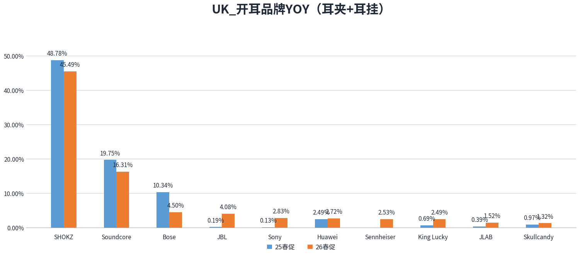

口径
Country=Amazon UK; Product__Form in 耳夹/耳挂; 25PD=2025-07-12; 26PD=2026-06-27; 指标=Retail Sales |  |  |  |  |  | 开耳=耳夹+耳挂；指标=Retail Sales

Brand | 25PD Sales | 26PD Sales | 25PD Share | 26PD Share | YOY
SHOKZ | 309,792 | 174,328 | 48.78% | 45.49% | -3.29%
Soundcore | 125,435 | 62,498 | 19.75% | 16.31% | -3.44%
Bose | 65,662 | 17,232 | 10.34% | 4.50% | -5.84%
JBL | 1,225 | 15,623 | 0.19% | 4.08% | 3.88%
Sony | 854 | 10,856 | 0.13% | 2.83% | 2.70%
Huawei | 15,818 | 10,434 | 2.49% | 2.72% | 0.23%
Sennheiser | 0 | 0 | 0.00% | 2.53% | 2.53%
King Lucky | 4,402 | 9,545 | 0.69% | 2.49% | 1.80%
JLAB | 2,485 | 5,833 | 0.39% | 1.52% | 1.13%
Skullcandy | 6,137 | 5,040 | 0.97% | 1.32% | 0.35%
总计 | 635,138 | 373,522 | 100.00% | 100.00% | -

开耳品牌销额变化
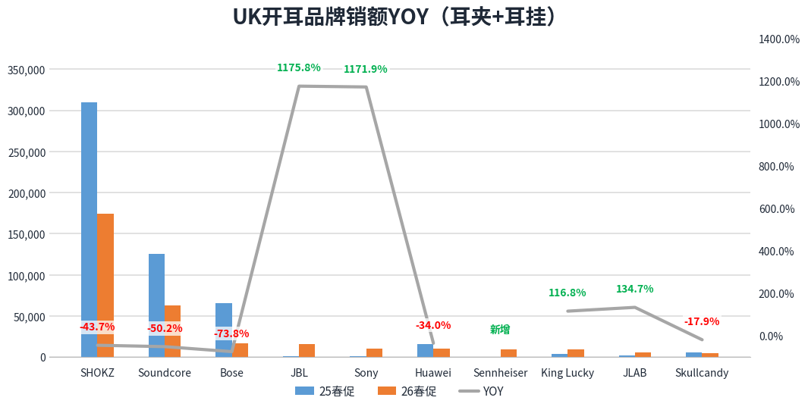

口径
Country=Amazon UK; Product__Form in 耳夹/耳挂; 25PD=2025-07-12; 26PD=2026-06-27; 指标=Retail Sales |  |  |  | 开耳=耳夹+耳挂；指标=Retail Sales

UK开耳品牌销额YOY
Brand | 25PD Sales | 26PD Sales | Sales YOY
SHOKZ | 309,792 | 174,328 | -43.73%
Soundcore | 125,435 | 62,498 | -50.18%
Bose | 65,662 | 17,232 | -73.76%
JBL | 1,225 | 15,623 | 1175.80%
Sony | 854 | 10,856 | 1171.90%
Huawei | 15,818 | 10,434 | -34.04%
King Lucky | 4,402 | 9,545 | 116.81%
JLAB | 2,485 | 5,833 | 134.68%
Skullcandy | 6,137 | 5,040 | -17.87%
总计 | 635,138 | 383,221 | -39.66%

耳机价位段分布
耳机价位段分布（25PD vs 26PD）
口径：全耳机品类；25PD=week ending 2025-07-12；26PD=week ending 2026-06-27；指标=Retail Sales；低价位=0-80，中价位=80-160，高价位=160+。

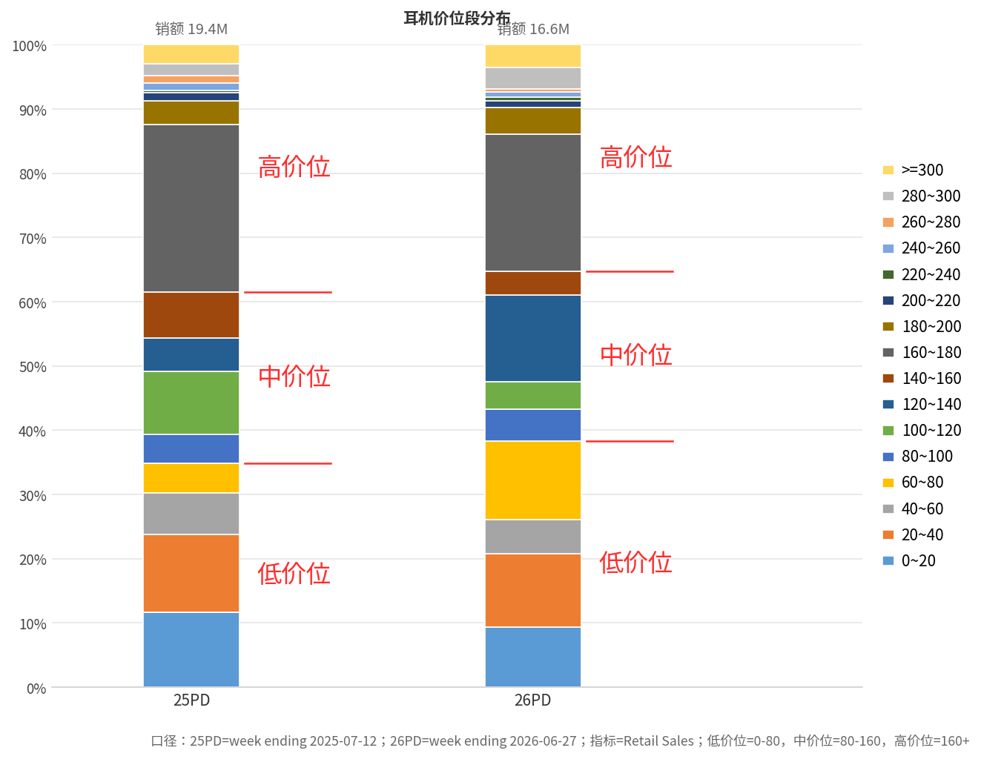

Price Range | 价位定义 | 25PD Retail Sales | 26PD Retail Sales | 25PD占比 | 26PD占比 | 占比变化(pp) | 价位定义 | 25PD Retail Sales | 26PD Retail Sales | 25PD占比 | 26PD占比 | 占比变化(pp)
0~20 | 低价位 | 2,261,418 | 1,548,244 | 11.7% | 9.4% | -2.3% | 低价位 | 6,746,052 | 6,349,786 | 34.8% | 38.4% | 3.5%
20~40 | 低价位 | 2,331,567 | 1,898,734 | 12.0% | 11.5% | -0.6% | 中价位 | 5,163,769 | 4,360,235 | 26.7% | 26.3% | -0.3%
40~60 | 低价位 | 1,269,920 | 875,286 | 6.6% | 5.3% | -1.3% | 高价位 | 7,449,957 | 5,844,475 | 38.5% | 35.3% | -3.2%
60~80 | 低价位 | 883,146 | 2,027,522 | 4.6% | 12.2% | 7.7% | 总计 | 19,359,778 | 16,554,495 | 100.0% | 100.0% | 0.0%
80~100 | 中价位 | 869,373 | 817,235 | 4.5% | 4.9% | 0.4%
100~120 | 中价位 | 1,912,230 | 709,357 | 9.9% | 4.3% | -5.6%
120~140 | 中价位 | 993,416 | 2,232,253 | 5.1% | 13.5% | 8.4%
140~160 | 中价位 | 1,388,750 | 601,390 | 7.2% | 3.6% | -3.5%
160~180 | 高价位 | 5,056,260 | 3,535,214 | 26.1% | 21.4% | -4.8%
180~200 | 高价位 | 697,314 | 701,325 | 3.6% | 4.2% | 0.6%
200~220 | 高价位 | 251,422 | 172,697 | 1.3% | 1.0% | -0.3%
220~240 | 高价位 | 78,214 | 94,976 | 0.4% | 0.6% | 0.2%
240~260 | 高价位 | 222,518 | 119,674 | 1.1% | 0.7% | -0.4%
260~280 | 高价位 | 224,276 | 89,688 | 1.2% | 0.5% | -0.6%
280~300 | 高价位 | 350,523 | 554,976 | 1.8% | 3.4% | 1.5%
>=300 | 高价位 | 569,430 | 575,926 | 2.9% | 3.5% | 0.5%

开耳价位段分布
开耳价位段分布（25PD vs 26PD）
口径：开耳=耳夹+耳挂；25PD=week ending 2025-07-12；26PD=week ending 2026-06-27；指标=Retail Sales；低价位=0-80，中价位=80-160，高价位=160+。

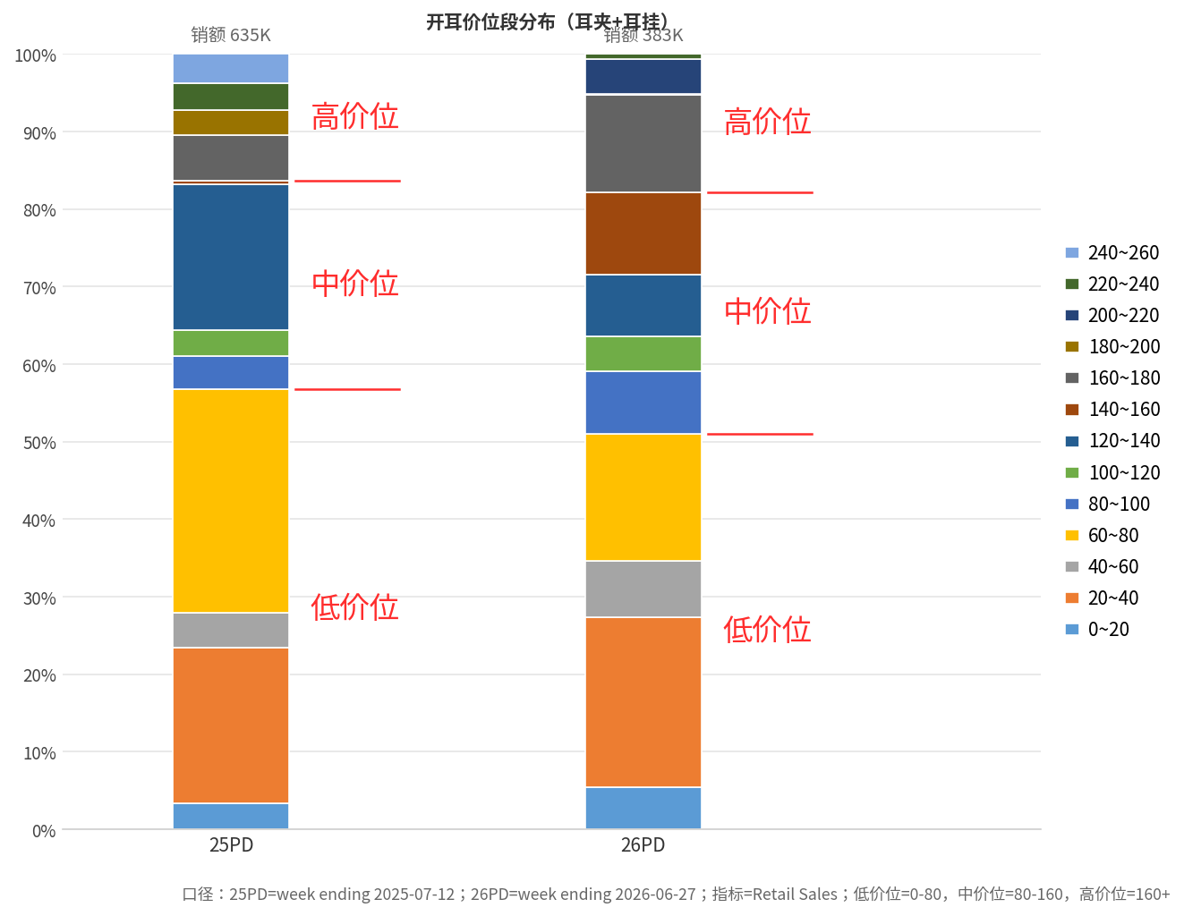

Price Range | 价位定义 | 25PD Retail Sales | 26PD Retail Sales | 25PD占比 | 26PD占比 | 占比变化(pp) | 价位定义 | 25PD Retail Sales | 26PD Retail Sales | 25PD占比 | 26PD占比 | 占比变化(pp)
0~20 | 低价位 | 21,443 | 20,765 | 3.4% | 5.4% | 2.0% | 低价位 | 360,903 | 195,409 | 56.8% | 51.0% | -5.8%
20~40 | 低价位 | 127,254 | 83,829 | 20.0% | 21.9% | 1.8% | 中价位 | 170,253 | 119,658 | 26.8% | 31.2% | 4.4%
40~60 | 低价位 | 28,580 | 27,934 | 4.5% | 7.3% | 2.8% | 高价位 | 103,982 | 68,155 | 16.4% | 17.8% | 1.4%
60~80 | 低价位 | 183,625 | 62,881 | 28.9% | 16.4% | -12.5% | 总计 | 635,138 | 383,221 | 100.0% | 100.0% | 0.0%
80~100 | 中价位 | 26,948 | 30,951 | 4.2% | 8.1% | 3.8%
100~120 | 中价位 | 21,126 | 17,489 | 3.3% | 4.6% | 1.2%
120~140 | 中价位 | 119,339 | 30,427 | 18.8% | 7.9% | -10.8%
140~160 | 中价位 | 2,840 | 40,791 | 0.4% | 10.6% | 10.2%
160~180 | 高价位 | 37,948 | 47,775 | 6.0% | 12.5% | 6.5%
180~200 | 高价位 | 20,174 | 800 | 3.2% | 0.2% | -3.0%
200~220 | 高价位 | 0 | 17,301 | 0.0% | 4.5% | 4.5%
220~240 | 高价位 | 21,947 | 2,278 | 3.5% | 0.6% | -2.9%
240~260 | 高价位 | 23,912 | 0 | 3.8% | 0.0% | -3.8%

耳机价位段月度变化
耳机价格月度占比
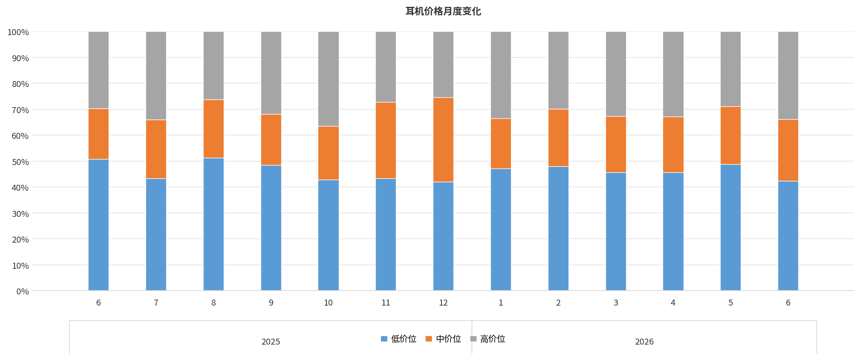
月份 | 低价位 | 中价位 | 高价位
2025-06 | 50.7% | 19.6% | 29.7%
2025-07 | 43.4% | 22.7% | 33.9%
2025-08 | 51.2% | 22.4% | 26.3%
2025-09 | 48.5% | 19.7% | 31.8%
2025-10 | 42.8% | 20.7% | 36.5%
2025-11 | 43.3% | 29.5% | 27.2%
2025-12 | 41.9% | 32.6% | 25.4%
2026-01 | 47.1% | 19.3% | 33.6%
2026-02 | 48.0% | 22.1% | 29.9%
2026-03 | 45.7% | 21.6% | 32.7%
2026-04 | 45.7% | 21.4% | 32.9%
2026-05 | 48.8% | 22.2% | 28.9%
2026-06 | 42.3% | 23.9% | 33.8%

销额数据
月份 | 低价位 | 中价位 | 高价位
2025-06 | 14,507,923 | 5,598,890 | 8,508,222
2025-07 | 17,712,635 | 9,254,220 | 13,853,051
2025-08 | 16,315,019 | 7,145,855 | 8,376,978
2025-09 | 12,607,126 | 5,109,794 | 8,260,700
2025-10 | 15,219,192 | 7,366,127 | 12,984,038
2025-11 | 25,925,365 | 17,682,020 | 16,258,116
2025-12 | 22,998,796 | 17,901,774 | 13,936,370
2026-01 | 17,180,938 | 7,047,912 | 12,254,184
2026-02 | 11,828,526 | 5,455,013 | 7,365,836
2026-03 | 12,659,971 | 5,978,288 | 9,049,784
2026-04 | 11,869,963 | 5,573,567 | 8,550,658
2026-05 | 14,551,728 | 6,628,428 | 8,611,904
2026-06 | 15,263,065 | 8,615,761 | 12,198,561

开耳价位段月度变化
开耳价格月度占比
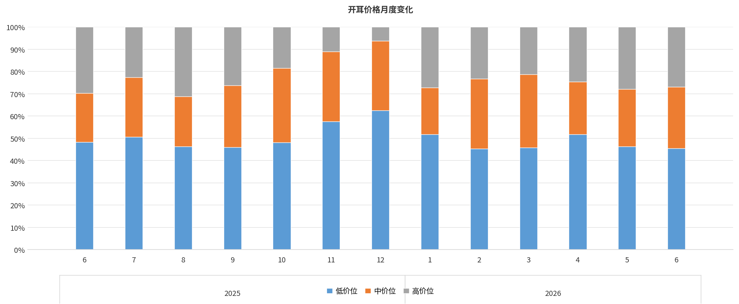
月份 | 低价位 | 中价位 | 高价位
2025-06 | 48.3% | 22.1% | 29.6%
2025-07 | 50.6% | 26.8% | 22.6%
2025-08 | 46.3% | 22.6% | 31.2%
2025-09 | 46.0% | 27.8% | 26.2%
2025-10 | 48.1% | 33.5% | 18.5%
2025-11 | 57.6% | 31.3% | 11.0%
2025-12 | 62.5% | 31.2% | 6.2%
2026-01 | 51.7% | 21.1% | 27.2%
2026-02 | 45.4% | 31.3% | 23.3%
2026-03 | 45.7% | 32.9% | 21.3%
2026-04 | 51.8% | 23.6% | 24.6%
2026-05 | 46.3% | 25.8% | 28.0%
2026-06 | 45.4% | 27.7% | 26.8%

销额数据
月份 | 低价位 | 中价位 | 高价位
2025-06 | 407,722 | 186,367 | 250,315
2025-07 | 601,865 | 319,407 | 268,575
2025-08 | 382,533 | 186,667 | 257,652
2025-09 | 298,087 | 180,172 | 169,879
2025-10 | 371,506 | 258,588 | 142,623
2025-11 | 754,137 | 409,802 | 144,565
2025-12 | 698,743 | 348,976 | 69,482
2026-01 | 505,670 | 206,046 | 266,230
2026-02 | 354,139 | 243,892 | 181,999
2026-03 | 324,633 | 233,652 | 151,311
2026-04 | 348,550 | 158,953 | 165,603
2026-05 | 356,015 | 198,500 | 215,154
2026-06 | 398,524 | 243,264 | 235,392

Soundcore
Soundcore品线/价位段增长贡献（26PD vs 25PD）
Product Form | 0~20 | 20~40 | 40~60 | 60~80 | 80~100 | 100~120 | 120~140 | 140~160 | 160~180 | 180~200 | 总计
耳挂 | 0% | -3% | -35% | -38% | -1% | 2% | 1% | 0% | 0% | 0% | -75%
耳夹 | 0% | -14% | 4% | 5% | 0% | -40% | -9% | 0% | 0% | 0% | -55%
入耳 | -26% | 153% | 88% | -184% | -138% | 157% | 0% | 94% | 3% | 61% | 207%
头戴式 | -40% | 67% | -112% | 46% | 5% | 58% | 0% | 0% | 0% | 0% | 23%
总计 | -66% | 202% | -56% | -171% | -134% | 176% | -9% | 94% | 3% | 61% | 100%

贡献计算 | 单元格 =（26PD该品线/价位段销额 - 25PD该品线/价位段销额）/ Soundcore总销额变化；各项合计为100%。

Soundcore品线/价位段销额绝对值变化（26PD vs 25PD）
Product Form | 0~20 | 20~40 | 40~60 | 60~80 | 80~100 | 100~120 | 120~140 | 140~160 | 160~180 | 180~200 | 总计
耳挂 | £0 | -1,672 | -17,149 | -18,175 | -402 | £811 | £244 | £0 | £0 | £0 | -36,343
耳夹 | £0 | -6,971 | £1,970 | £2,270 | £84 | -19,468 | -4,480 | £0 | £0 | £0 | -26,595
入耳 | -12,549 | £74,138 | £42,594 | -88,974 | -67,039 | £75,847 | £0 | £45,297 | £1,650 | £29,399 | £100,362
头戴式 | -19,328 | £32,275 | -54,419 | £22,217 | £2,354 | £27,911 | £0 | £0 | £0 | £0 | £11,009
总计 | -31,877 | £97,769 | -27,005 | -82,662 | -65,002 | £85,102 | -4,236 | £45,297 | £1,650 | £29,399 | £48,434

Soundcore品线/价位段同比变化（26PD vs 25PD）
Product Form | 0~20 | 20~40 | 40~60 | 60~80 | 80~100 | 100~120 | 120~140 | 140~160 | 160~180 | 180~200 | 总计
耳挂 | - | -3% | -99% | -89% | -54% | 新增 | 新增 | - | - | - | -40%
耳夹 | - | -75% | 新增 | 328% | 新增 | -100% | -100% | - | - | - | -78%
入耳 | -8% | 30% | 43% | -79% | -100% | 11706% | - | 新增 | 新增 | 新增 | 15%
头戴式 | -92% | 16% | -26% | 1506% | 42% | 99% | - | - | - | - | 2%
总计 | -18% | 19% | -8% | -61% | -88% | 176% | -95% | 新增 | 新增 | 新增 | 4%

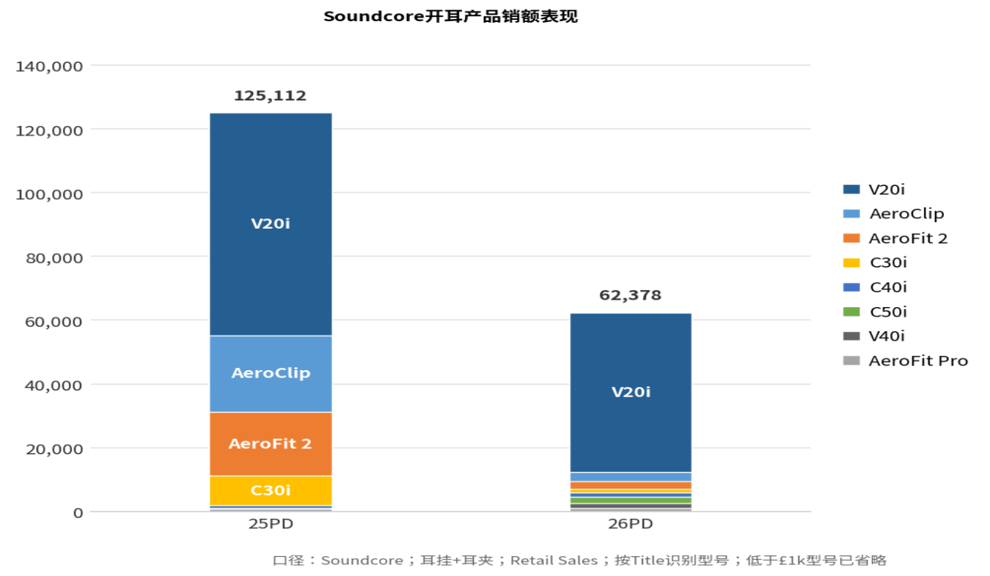
Soundcore开耳产品销额表现
型号 | 25PD Retail Sales | 26PD Retail Sales | YOY | 占比
V20i | 69,926 | 49,905 | -28.60% | 80%
AeroClip | 23,948 | 2,962 | -87.60% | 5%
AeroFit 2 | 20,022 | 2,517 | -87.40% | 4%
C30i | 9,355 | 978 | -89.50% | 2%
C40i | 692 | 1,490 | 115.40% | 2%
C50i | 0 | 1,970 | 新增 | 3%
V40i | 420 | 1,500 | 257.10% | 2%
AeroFit Pro | 749 | 1,056 | 41.00% | 2%
V30i | 323 | 120 | -62.80%

汇总 | 25PD | 26PD | 变化额 | YOY
Soundcore开耳总销额 | 125,435 | 62,498 | -62,938 | -50.20%

