Sheet1
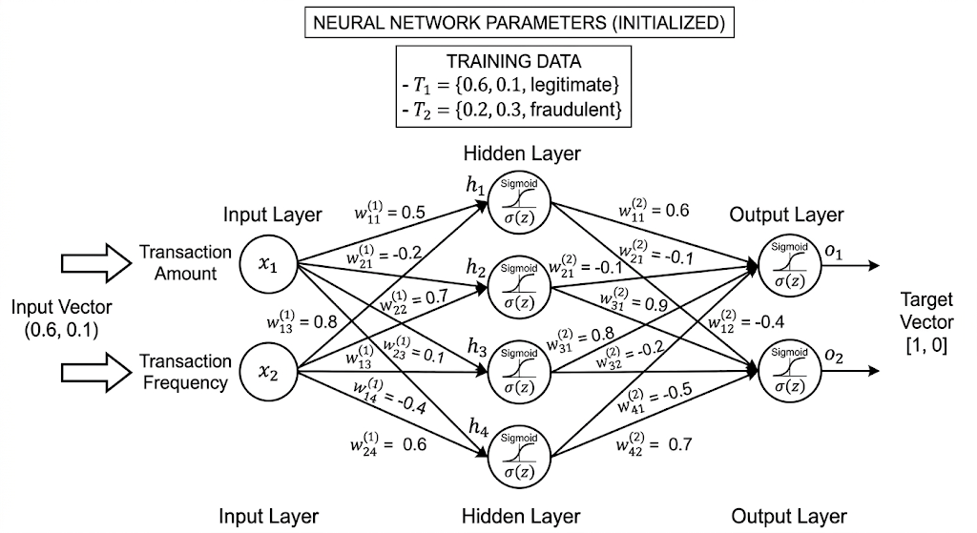

 |  | 0.6 |  | 0.1
 |  | x1 | W11=0.5 | x2 | W21=-0.2
 |  |  | W12=0.1 |  | W22=0.7
 |  |  | W13=0.8 |  | W23=0.1
 |  |  | W14=-0.4 |  | W24=-06
 |  |  |  |  |  |  |  |  |  |  |  |  |  |  |  |  |  |  | O1_W | O2_W
0.28 | 0.56954622394 | h1 | W11=0.6 | 0.6 | 0.34172773436 | -0.22781848958 |  |  |  |  |  |  |  |  |  |  | Z | sigmoid |  |  |  |  |  | Z | Sigmoid | Target
 |  |  | W12=-0.4 | -0.4 |  |  |  |  |  | W11 | 0.5 | W21 | -0.2 | H1 | 0.3 | -0.02 | 0.28 | 0.56954622394 | 0.6 | -0.4 | 0.34172773436 | -0.22781848958 | O1 | 0.57178870801 | 0.63917580766 | 1
0.13 | 0.53245430639 | h2 | W21=-0.1 | -0.1 | -0.053245430639 | -0.053245430639 |  | X1 | 0.6 | W12 | 0.1 | W22 | 0.7 | H2 | 0.06 | 0.07 | 0.13 | 0.53245430639 | -0.1 | -0.1 | -0.053245430639 | -0.053245430639 | O2 | -0.10719496845 | 0.47322688993 | 0
 |  |  | W22=-0.1 | -0.1 |  |  |  | X2 | 0.1 | W13 | 0.8 | W23 | 0.1 | H3 | 0.48 | 0.01 | 0.49 | 0.62010643234 | 0.8 | -0.2 | 0.49608514587 | -0.12402128647
0.49 | 0.62010643234 | h3 | W31=0.8 | 0.8 | 0.49608514587 | -0.12402128647 |  |  |  | W14 | -0.4 | W24 | -0.6 | H4 | -0.24 | -0.06 | -0.3 | 0.42555748319 | -0.5 | 0.7 | -0.21277874159 | 0.29789023823
 |  |  | W32=-0.2 | -0.2
-0.3 | 0.42555748319 | h4 | W41=-0.5 | -0.5 | -0.21277874159 | 0.29789023823 |  |  |  |  |  |  |  |  |  |  |  |  |  |  |  |  |  |  | O(1-O)
 |  |  | W42=0.7 | 0.7 |  |  |  |  |  |  |  |  |  |  |  |  |  |  |  |  |  |  |  |  | 0.23063009456
 |  |  |  |  | 0.57178870801 | -0.10719496845 |  |  |  |  |  |  |  |  |  |  |  |  |  |  |  |  |  |  | 0.24928320058
 |  |  |  | O1 | 0.63917580766 | 0.47322688993 | O2

