Chart1
Number of daily arrivals to UCLH inpatienr wards
 | 80% mitigation | 73% mitigation
3/6/2020 | 1 | 1
3/7/2020 | 1 | 1
3/8/2020 | 2 | 1
3/9/2020 | 2 | 2
3/10/2020 | 2 | 2
3/11/2020 | 2 | 2
3/12/2020 | 3 | 2
3/13/2020 | 3 | 3
3/14/2020 | 3 | 3
3/15/2020 | 4 | 4
3/16/2020 | 4 | 4
3/17/2020 | 5 | 5
3/18/2020 | 5 | 5
3/19/2020 | 6 | 6
3/20/2020 | 6 | 6
3/21/2020 | 7 | 7
3/22/2020 | 8 | 8
3/23/2020 | 8 | 9
3/24/2020 | 9 | 10
3/25/2020 | 10 | 11
3/26/2020 | 11 | 12
3/27/2020 | 12 | 13
3/28/2020 | 13 | 14
3/29/2020 | 14 | 16
3/30/2020 | 15 | 17
3/31/2020 | 16 | 19
4/1/2020 | 17 | 20
4/2/2020 | 18 | 22
4/3/2020 | 19 | 23
4/4/2020 | 20 | 25
4/5/2020 | 21 | 27
4/6/2020 | 22 | 29
4/7/2020 | 24 | 31
4/8/2020 | 25 | 33
4/9/2020 | 26 | 35
4/10/2020 | 27 | 37
4/11/2020 | 28 | 39
4/12/2020 | 29 | 41
4/13/2020 | 30 | 44
4/14/2020 | 31 | 46
4/15/2020 | 32 | 48
4/16/2020 | 33 | 51
4/17/2020 | 34 | 53
4/18/2020 | 35 | 55
4/19/2020 | 36 | 57
4/20/2020 | 36 | 60
4/21/2020 | 37 | 62
4/22/2020 | 38 | 64
4/23/2020 | 38 | 66
4/24/2020 | 39 | 68
...

Chart2
Number of daily arrivals to UCLH inpatient wards (based on parameters for 80% mitigation model fit)
 | 70% mitigation | 80% mitigation | 60% mitigation | 50% mitigation | 40% mitigation | 20% mitigation | 0% mitigation
3/6/2020 | 1 | 1 | 1 | 1 | 1 | 1 | 1
3/7/2020 | 1 | 1 | 1 | 1 | 1 | 1 | 1
3/8/2020 | 1 | 2 | 2 | 1 | 2 | 1 | 2
3/9/2020 | 2 | 2 | 2 | 2 | 2 | 2 | 2
3/10/2020 | 2 | 2 | 2 | 2 | 2 | 2 | 3
3/11/2020 | 2 | 2 | 2 | 2 | 3 | 3 | 3
3/12/2020 | 3 | 3 | 3 | 3 | 3 | 3 | 4
3/13/2020 | 3 | 3 | 3 | 3 | 4 | 4 | 5
3/14/2020 | 3 | 3 | 4 | 4 | 4 | 5 | 6
3/15/2020 | 4 | 4 | 4 | 4 | 5 | 6 | 7
3/16/2020 | 4 | 4 | 5 | 5 | 6 | 7 | 9
3/17/2020 | 5 | 5 | 6 | 6 | 7 | 8 | 11
3/18/2020 | 6 | 5 | 7 | 7 | 8 | 10 | 13
3/19/2020 | 6 | 6 | 8 | 8 | 10 | 12 | 16
3/20/2020 | 7 | 6 | 9 | 9 | 11 | 14 | 20
3/21/2020 | 8 | 7 | 10 | 11 | 13 | 17 | 24
3/22/2020 | 9 | 8 | 11 | 12 | 15 | 20 | 29
3/23/2020 | 10 | 8 | 13 | 14 | 18 | 24 | 36
3/24/2020 | 11 | 9 | 14 | 16 | 21 | 28 | 44
3/25/2020 | 12 | 10 | 16 | 19 | 24 | 34 | 53
3/26/2020 | 14 | 11 | 18 | 21 | 28 | 40 | 65
3/27/2020 | 15 | 12 | 20 | 24 | 32 | 47 | 79
3/28/2020 | 16 | 13 | 23 | 28 | 37 | 56 | 96
3/29/2020 | 18 | 14 | 25 | 31 | 43 | 67 | 116
3/30/2020 | 20 | 15 | 28 | 36 | 49 | 79 | 140
3/31/2020 | 22 | 16 | 31 | 40 | 57 | 93 | 169
4/1/2020 | 24 | 17 | 35 | 45 | 65 | 110 | 202
4/2/2020 | 26 | 18 | 39 | 51 | 74 | 129 | 242
4/3/2020 | 28 | 19 | 43 | 58 | 85 | 151 | 287
4/4/2020 | 30 | 20 | 47 | 65 | 96 | 176 | 339
4/5/2020 | 32 | 21 | 52 | 72 | 109 | 204 | 397
4/6/2020 | 35 | 22 | 57 | 81 | 124 | 236 | 461
4/7/2020 | 38 | 24 | 62 | 90 | 140 | 272 | 531
4/8/2020 | 40 | 25 | 67 | 100 | 157 | 312 | 605
4/9/2020 | 43 | 26 | 74 | 111 | 176 | 356 | 681
4/10/2020 | 46 | 27 | 80 | 122 | 197 | 403 | 758
4/11/2020 | 49 | 28 | 87 | 135 | 220 | 454 | 832
4/12/2020 | 52 | 29 | 94 | 148 | 244 | 507 | 901
4/13/2020 | 55 | 30 | 101 | 163 | 270 | 561 | 963
4/14/2020 | 58 | 31 | 109 | 178 | 298 | 616 | 1014
4/15/2020 | 62 | 32 | 117 | 194 | 327 | 670 | 1053
4/16/2020 | 65 | 33 | 126 | 211 | 357 | 722 | 1078
4/17/2020 | 68 | 34 | 134 | 229 | 387 | 770 | 1089
4/18/2020 | 72 | 35 | 143 | 248 | 419 | 813 | 1086
4/19/2020 | 75 | 36 | 153 | 267 | 450 | 850 | 1071
4/20/2020 | 79 | 36 | 162 | 286 | 481 | 879 | 1044
4/21/2020 | 82 | 37 | 172 | 306 | 511 | 900 | 1007
4/22/2020 | 85 | 38 | 182 | 326 | 540 | 912 | 962
4/23/2020 | 89 | 38 | 191 | 346 | 567 | 916 | 911
4/24/2020 | 92 | 39 | 201 | 365 | 592 | 911 | 856
...

Methodology
Deterministic model of Covid-19 in the UK

We used a modification of the Anderson & May SEIR compartmental model (Grenfell & Bolker 1994; See Box 1).
We modified it to align with the most recent Covid-19 model published by Imperial College (Ferguson N. et al; 16th March 2020)

Compartments represent the number of people in the following compartments:
S | Susceptible
E (AS) | Incubating (leading to asymptomatic indection)
E (S) | Incubating (leading to symptomatic indection)
I (AS) | Infectious but asymptomatic
I (S) | Infectious, asymptomatic, but about to show symptoms
D (NH) | Diseased but not severely enough to be hospitalized
D (H) | Diseased, severely enough to be soon hospitalized
H (O) | Hospitalized but not severely enough to require admission to ICU
H (ICU) | Hospitalized and about to be admitted to ICU
ICU | Hospitalized and admitted to ICU
R | Immune

Two age groups:
0 to 79 | Coded below as A = 0
80+ | Coded below as A = 1

e.g. E(AS,0) represents the category of people in the 0-79 age group who are incubating the infection and will become asymptomatic cases

Initial conditions:
 |  | 1) T(A) = S(A) + E(AS,A) + E(S,A) + I (AS,A) + I(S,A) + D (NH,A) + D (H,A) + H (O,A) + H (ICU,A) + ICU(A) + R(A)
 |  |  | T = T(0) + T(1) =59,957,838 + 7,928,172 = 67,886,010, the population size of the UK (See Box 4).
2) S(0)+S(1) =67,886,009, I(AS,0) = 1, all other compartments = 0 (i.e. everyone is initially susceptible to the infection, and one person is infectious).
3) Simulation time step (Δt) = 1/24 days (i.e. 1 hour).

Parameters, values and derivations:
Model parameters: | 1) Transmission coefficients, β, are stratified by age and whether the infection 'donor' is symptomatic or not (See Box 2);
 |  | 1a) % symptomatic infections, f: 67% (Ferguson et al 2020)
 | 2) Average duration of incubation period (= 1/δ) = 5.1 days (Ferguson el al. 2020);
 |  | 2a) Average duration of incubation period, (1/δ(AS)), for incubating E(AS) cases = 5.1 + 4.6 days (Ferguson et al 2020)
 |  | 2b) Average duration of incubation period, (1/δ(S)), for incubating E(S) cases = 5.1 - 0.5 days (Ferguson et al 2020)
 | 3) Average time to recovery for asymptomatic cases (= 1/σ(AS)) = 5 days (estimated);
 | 4) Average time to onset of symptoms (=1/θ), for symptomatic inectious cases, I(S) = 0.5 days (Ferguson et al 2020);
 | 5) Average % symptomatic cases, D, that will be severe enough to be hospitalized, h(A), is age dependent based on Table 1 of Ferguson et al 2020
 |  |  |  | h(0) = 7.60 (0-79 age group)
 |  |  |  | h(1) = 27.3 (80+ age group)
 | 6) Average time to recovery (= 1/σ(NH)) in symptomatic but not hospitalized cases, D(NH), is 2 days (estimated)
 | 7) Average time to hospitalization (= 1/γ) in symptomatic cases soon to be hospitalized cases, D(H), is 5 days (Ferguson et al 2020)
 | 8) Average % that will be admitted to ICU in hospitalized cases, v(a), is age dependent and based on Table 1 of Ferguson et al 2020
 |  |  |  | v(0) = 13.6 (0-79 age group)
 |  |  |  | v(1) = 70.9 (80+ age group)
 | 9) Average time to admission to ICU, 1/π, for patents H(ICU) is 6 days (Ferguson et al 2020)
 | 10) Average % mortality, ε(A), in severe cases, D(H), H(O), H(ICU) is age dependent and based on Table 1 of Ferguson et al (2020)
 |  |  |  | ε(0) = 0.01021
 |  |  |  | ε(1) = 0.093
 | 11) The mortality rate in severe cases, α, is calculated from ε(A) by means of formula = -ln(1-(ε(A)/100) / D, where D is the average duration in the severe category
 |  |  |  | α(D,0) = 0.0020525 | for D(H,0) | α(D,1) = 0.01952257 | for D(H,1) | with D = 5
 |  |  |  | α(O,0) = 0.00128281 | for H(O,0) | α(O,1) = 0.0122016 | for H(O,1) | with D = 8
 |  |  |  | α(H,0) = 0.00171041 | for H(ICU,0) | α(H,1) = 0.0162688 | for H(ICU,1) | with D = 6
 | 12) Average % mortality, κ, in severe cases admitted to intensive cade, ICU is 50% Ferguson et al 2020
 | 12a) The mortality rate in severe cases admitted to ICU, α(ICU), is calculated by the formula = -ln(1-(κ/100) / D, where D is 10 days, the average length of stay in UCU (Ferguson et al 2020)
 |  |  |  | α(ICU) = 0.06931472
 | 13) The average length of stay in hospital, 1/σ(HO), in severe cases admitted to hospital but not in ICU, H(O), is 8 days (Ferguson et al 2020)
 | 14) The average length of stay in ICU, 1/σ(ICU), is 10 days (Ferguson et al 2020)
 | 15) Proportion of UK Covid-19 cases ‘belonging’ to the UCLH catchment population, c, 0.00742, calculated as the proportion of influenza cases
 | admitted at UCLH in the past 36 months (480/64658) (Dr. Foster).

Differential equations used to calculate instantaneous daily rates of change for each "compartment" of the model:
 |  | B = birth rate = N.μ + α(D,0).D(H,0) + α(D,1).D(H,1) + α(O,0).H(O,0) + α(O,1).H(O,1) + α(H,0).H(ICU,0) + α(H,1).H(ICU,1) + α(ICU).(ICU(0)+ICU(1))
dS(A)/dt = B – β(S,A,0).S(A).(I(S,0)+D(NH,0)+D(H,0)) - β(S,A,1).S(A).(I(S,1)+D(NH,1)+D(H,1)) - β(AS,A,0).S(A).I(AS,0) - β(AS,A,1).S(A).I(AS,1) - S.μ(A)
dE(AS,A)/dt = (1-f). {β(S,A,0).S(A).(I(S,0)+D(NH,0)+D(H,0)) + β(S,A,1).S(A).(I(S,1)+D(NH,1)+D(H,1)) + β(AS,A,0).S(A).I(AS,0) + β(AS,A,1).S(A).I(AS,1)} - E(AS,A).(μ(A) + δ(AS))
dE(S,A)/dt = f. {β(S,A,0).S(A).(I(S,0)+D(NH,0)+D(H,0)) + β(S,A,1).S(A).(I(S,1)+D(NH,1)+D(H,1)) + β(AS,A,0).S(A).I(AS,0) + β(AS,A,1).S(A).I(AS,1)} - E(S,A).(μ(A) + δ(S))
dI(AS,A)/dt = E(AS,A).δ(AS) – I(AS,A).(μ(A) + σ(AS))
dI(S,A)/dt = E(S,A).δ(S) – I(S,A).(μ(A) + θ)
dD(NH,A)/dt = I(S,A).θ.(1-h(A)) – D(NH,A).(μ(A) + σ(NH))
dD(H,A)/dt = I(S,A).θ.h(A) – D(H,A).(μ(A) + γ + α(D,A))
dH(O,A)/dt = D(H,A).γ.(1-v(A)) – H(O,A).(μ(A) + σ(HO) + α(O,A))
dH(ICU,A)/dt = D(H,A).γ.v(A) – H(ICU,A).(μ(A) + π + α(H,A))
d ICU(A)/ dt = H(ICU,A).π – ICU(A).(μ(A) + σ(ICU) + α(ICU,A))
dR(A)/dt = I(AS,A).σ(AS) + D(NH,A).σ(NH) + H(O,A).σ(HO) + ICU(A).σ(ICU) – R(A).μ(A)

dZ/dt = Covid-19 associated rate of emergence of new hospitalized cases of Covid-19 (used to calculate DAILY cumulative totals)

For changes in frequencies in the state variables after each time step Δt we use the approximation Δ[state variable] = Δt x d[state variable]/dt.
For example in the next time step, t+Δt, the number susceptible in age group A is calculated as S(A,t+Δt) = S(A,t)+Δt.dS(A)/dt.

Fitting the epidemic curve to the UK Covid-19 trajectory
We used the numbers of daily cases detected At UCLH, O (t), and compared against model expectation, Z (t),
which is calculated as the model expectation of the daily number of new UK hospitalized cases, Y(t), discounted by the proportion
that 'belong' to UCLH (c) or Z(t) = Y(t).c. The sum of the squared deviation [O(t) – Z(t)]2 across the epidemic period was minimized
in fitting the baseline parameter β(AS,0-79,0-79) (transmission coefficient, see Box 2).

Box 1. Compartmental model of Covid-19.

Grenfell B.T. and Bolker B.M. (1994). Population dynamics of measles; Chapter 16 of Parasitic and Infectious Diseases, Epidemiology and Ecology, Eds.: Scott M.E. and Smith G. Academic Press.

Box 2. “Who-acquires-from-whom” matrices of transmission coefficients.

Box 3. Infection control efforts in the general population.

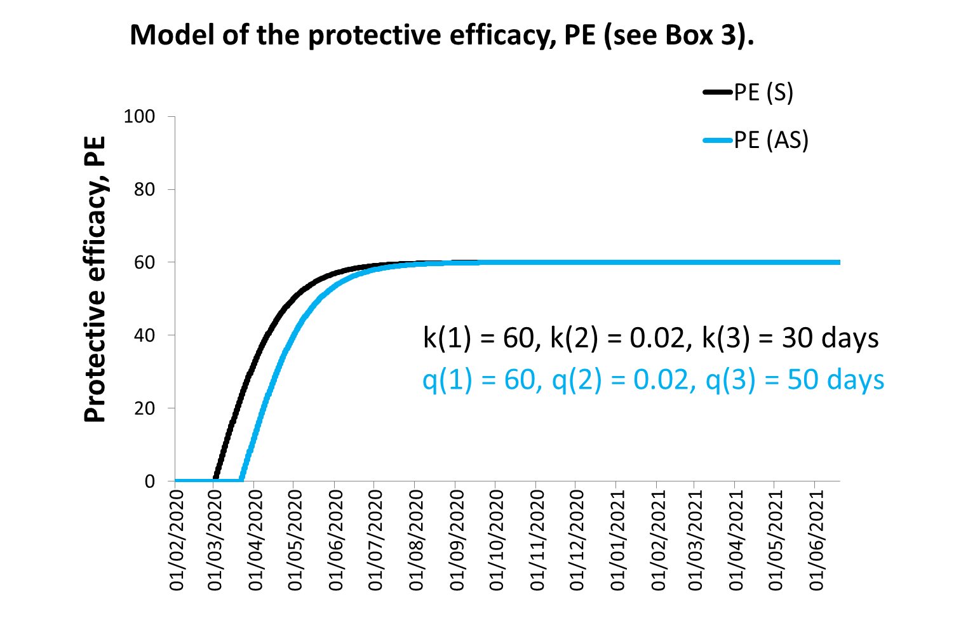

Box 4. Demography.

