Methodology
Deterministic model of Covid-19 in the UK

We used a modification of the Anderson & May SEIR compartmental model (Grenfell & Bolker 1994; See Box 1). We modified it to align with the most recent Covid-19 model published by Imperial College (Ferguson N. et al; 16th March 2020)

Compartments represent the number of people in the following compartments:
S | Susceptible
E (AS) | Incubating (leading to asymptomatic indection)
E (S) | Incubating (leading to symptomatic indection)
I (AS) | Infectious but asymptomatic
I (S) | Infectious, asymptomatic, but about to show symptoms
D (NH) | Diseased but not severely enough to be hospitalized
D (H) | Diseased, severely enough to be soon hospitalized
H (O) | Hospitalized but not severely enough to require admission to ICU
H (ICU) | Hospitalized and about to be admitted to ICU
ICU | Hospitalized and admitted to ICU
R | Immune

Two age groups:
0 to 69 | Coded below as A = 0
70+ | Coded below as A = 1

e.g. E(AS,0) represents the category of people in the 0-69 age group who are incubating the infection and will become asymptomatic cases

Initial conditions:
 |  | 1) T(A) = S(A) + E(AS,A) + E(S,A) + I (AS,A) + I(S,A) + D (NH,A) + D (H,A) + H (O,A) + H (ICU,A) + ICU(A) + R(A)
 |  |  | T = T(0) + T(1) =59,957,838 + 7,928,172 = 67,886,010, the population size of the UK (See Box 4).
2) S(0)+S(1) =67,886,009, I(AS,0) = 1, all other compartments = 0 (i.e. everyone is initially susceptible to the infection, and one person is infectious).
3) Simulation time step (Δt) = 1/24 days (i.e. 1 hour).

Parameters, values and derivations:
Model parameters: | 1) Transmission coefficients, β, are stratified by age and whether the infection 'donor' is symptomatic or not (See Box 2);
 | 2) Average duration of incubation period (= 1/δ) = 5.1 days (Ferguson el al. 2020);
 |  | 2a) Average duration of incubation period, (1/δ(AS)), for incubating E(AS) cases = 5.1 + 4.6 days (Ferguson et al 2020)
 |  | 2b) Average duration of incubation period, (1/δ(S)), for incubating E(S) cases = 5.1 - 0.5 days (Ferguson et al 2020)
 | 3) Average time to recovery for asymptomatic cases (= 1/σ(AS)) = 9.5 days (Hu et al);
 | 4) Average time to onset of symptoms (=1/θ), for symptomatic inectious cases, I(S) = 0.5 days (Ferguson et al 2020);
 | 5) Average % symptomatic cases, D, that will be severe enough to be hospitalized, h(A), is age dependent based on Table 1 of Ferguson et al 2020
 |  |  |  | h(0) = 5.21 (0-69 age group)
 |  |  |  | h(1) = 25.8 (70+ age group)
 | 6) Average time to recovery (= 1/σ(NH)) in symptomatic but not hospitalized cases, D(NH), is 17 days (Pan et al 2020)
 | 7) Average time to hospitalization (= 1/γ) in symptomatic cases soon to be hospitalized cases, D(H), is 5 days (Ferguson et al 2020)
 | 8) Average % that will be admitted to ICU in hospitalized cases, v(a), is age dependent and based on Table 1 of Ferguson et al 2020
 |  |  |  | v(0) = 9.41 (0-69 age group)
 |  |  |  | v(1) = 25.8 (70+ age group)
 | 9) Average time to admission to ICU, 1/π, for patents H(ICU) is 6 days (Ferguson et al 2020)
 | 10) Average % mortality, ε(A), in severe cases, D(H), H(O), H(ICU) is age dependent and based on Table 1 of Ferguson et al (2020)
 |  |  |  | ε(0) = 0.438
 |  |  |  | ε(1) = 7.2
 | 11) The mortality rate in severe cases, α, is calculated from ε(A) by means of formula = -ln(1-(ε(A)/100) / D, where D is the average duration in the severe category
 |  |  |  | α(D,0) = 0.000878 | for D(H,0) | α(D,0) = 0.01494 | for D(H,1) | with D = 5
 |  |  |  | α(O,0) = 0.000549 | for H(O,0) | α(O,0) = 0.009434 | for H(O,1) | with D = 8
 |  |  |  | α(H,0) = 0.000732 | for H(ICU,0) | α(H,0) = 0.01245 | for H(ICU,1) | with D = 6
 | 12) Average % mortality, κ, in severe cases admitted to intensive cade, ICU is 50% Ferguson et al 2020
 | 12a) The mortality rate in severe cases admitted to ICU, α(ICU), is calculated by the formula = -ln(1-(κ/100) / D, where D is 10 days, the average length of stay in UCU (Ferguson et al 2020)
 |  |  |  | α(ICU) = 0.06931 deaths per person per day
 | 13) The average length of stay in hospital, 1/σ(HO), in severe cases admitted to hospital but not in ICU, H(O), is 8 days (Ferguson et al 2020)
 | 14) The average length of stay in ICU, 1/σ(ICU), is 10 days (Ferguson et al 2020)
 | 15) Proportion of UK Covid-19 cases ‘belonging’ to the UCLH catchment population, c, 0.00742, calculated as the proportion of influenza cases admitted at UCLH in the past 36 months (480/64658) (Dr. Foster).

Differential equations used to calculate instantaneous daily rates of change for each "compartment" of the model:
 |  | B = birth rate = N.μ + α(D,0).D(H,0) + α(D,1).D(H,1) + α(O,0).H(O,0) + α(O,1).H(O,1) + α(H,0).H(ICU,0) + α(H,1).H(ICU,1) + α(ICU).(ICU(0)+ICU(1))
dS(A)/dt = B – β(S,A,0).S(A).(I(S,0)+D(NH,0)+D(H,0)) - β(S,A,1).S(A).(I(S,1)+D(NH,1)+D(H,1)) - β(AS,A,0).S(A).I(AS,0) - β(AS,A,1).S(A).I(AS,1) - S.μ(A)
dE(AS,A)/dt = (1-f). {β(S,A,0).S(A).(I(S,0)+D(NH,0)+D(H,0)) + β(S,A,1).S(A).(I(S,1)+D(NH,1)+D(H,1)) + β(AS,A,0).S(A).I(AS,0) + β(AS,A,1).S(A).I(AS,1)} - E(AS,A).(μ(A) + δ(AS))
dE(S,A)/dt = f. {β(S,A,0).S(A).(I(S,0)+D(NH,0)+D(H,0)) + β(S,A,1).S(A).(I(S,1)+D(NH,1)+D(H,1)) + β(AS,A,0).S(A).I(AS,0) + β(AS,A,1).S(A).I(AS,1)} - E(S,A).(μ(A) + δ(S))
dI(AS,A)/dt = E(AS,A).δ(AS) – I(AS,A).(μ(A) + σ(AS))
dI(S,A)/dt = E(S,A).δ(S) – I(S,A).(μ(A) + θ)
dD(NH,A)/dt = I(S,A).θ.(1-h(A)) – D(NH,A).(μ(A) + σ(NH))
dD(H,A)/dt = I(S,A).θ.h(A) – D(H,A).(μ(A) + γ + α(D,A))
dH(O,A)/dt = D(H,A).γ.(1-v(A)) – H(O,A).(μ(A) + σ(HO) + α(O,A))
dH(ICU,A)/dt = D(H,A).γ.v(A) – H(ICU,A).(μ(A) + π + α(H,A))
d ICU(A)/ dt = H(ICU,A).π – ICU(A).(μ(A) + σ(ICU) + α(ICU,A))
dR(A)/dt = I(AS,A).σ(AS) + D(NH,A).σ(NH) + H(O,A).σ(HO) + ICU(A).σ(ICU) – R(A).μ(A)

dZ/dt = Covid-19 associated rate of emergence of new hospitalized cases of Covid-19 (used to calculate DAILY cumulative totals)

For changes in frequencies in the state variables after each time step Δt we use the approximation Δ[state variable] = Δt x d[state variable]/dt. For example in the next time step, t+Δt, the number susceptible in age group A is calculated as S(A,t+Δt) = S(A,t)+Δt.dS(A)/dt.

Fitting the epidemic curve to the UK Covid-19 trajectory
We used the distribution of cumulative numbers of cases detected At UCLH, O (t), and compared against model expectation, Z (t), which is calculated as the model expectation of the cumulative number of new UK hospitalized cases cases in by given day, Y(t), discounted by the proportion that 'belong' to UCLH (c) or Z(t) = Y(t).c. The squared error [O(t) – Z(t)]2 across the epidemic period was minimized in fitting the baseline parameter β(AS,0-69,0-69) (transmission coefficient, see Box 2).

Box 1. Compartmental model of Covid-19.

Grenfell B.T. and Bolker B.M. (1994). Population dynamics of measles; Chapter 16 of Parasitic and Infectious Diseases, Epidemiology and Ecology, Eds.: Scott M.E. and Smith G. Academic Press.

Box 2. “Who-acquires-from-whom” matrices of transmission coefficients.

Box 3. Infection control efforts in the general population.

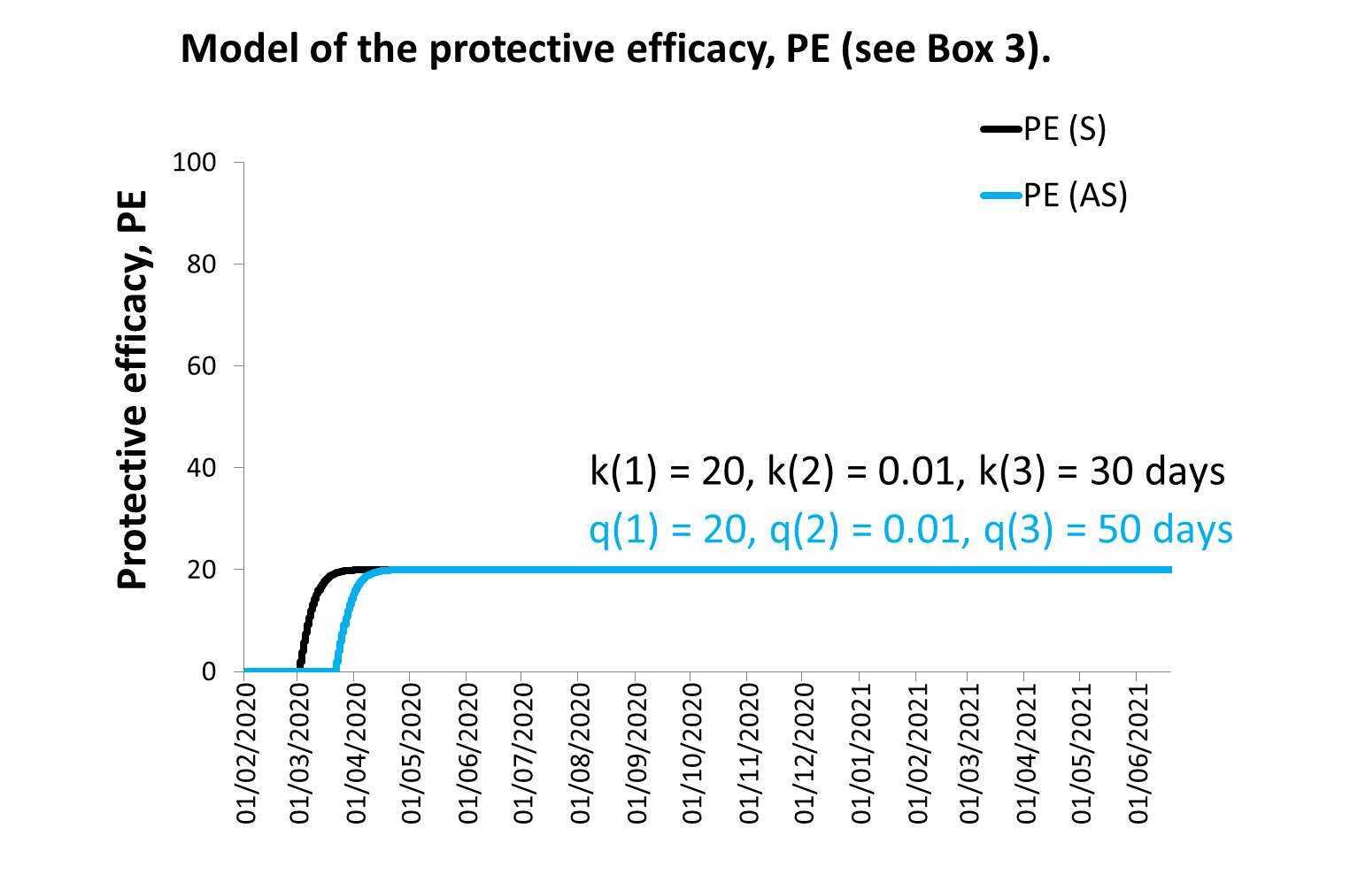

Box 4. Demography.

