Sheet1
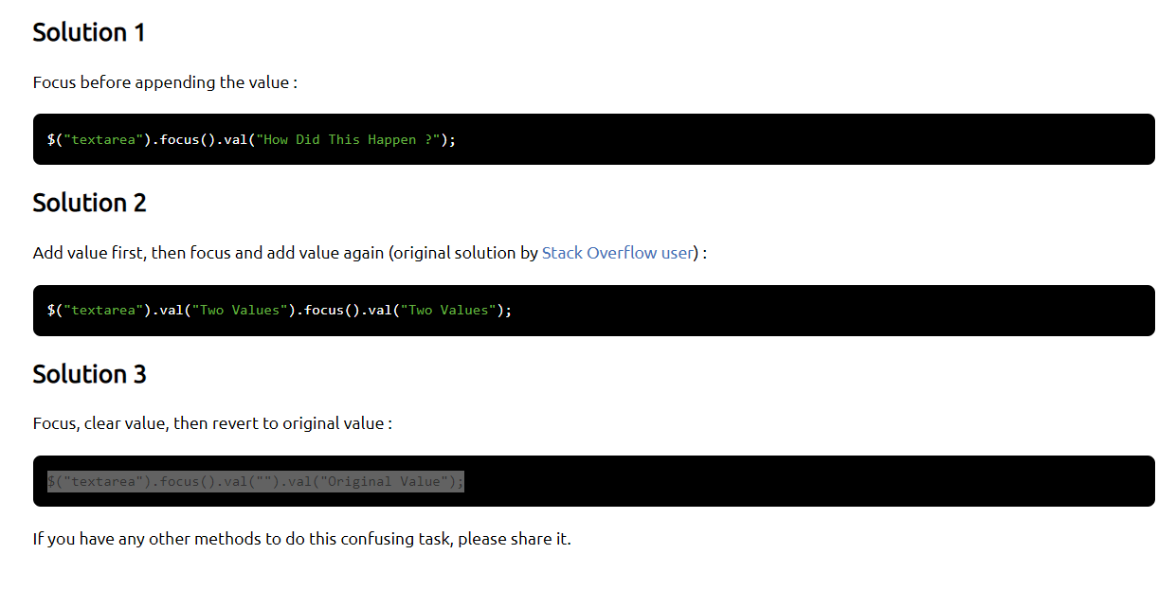
 |  | https://www.tutorialrepublic.com/faq/how-to-add-remove-table-rows-dynamically-using-jquery.php

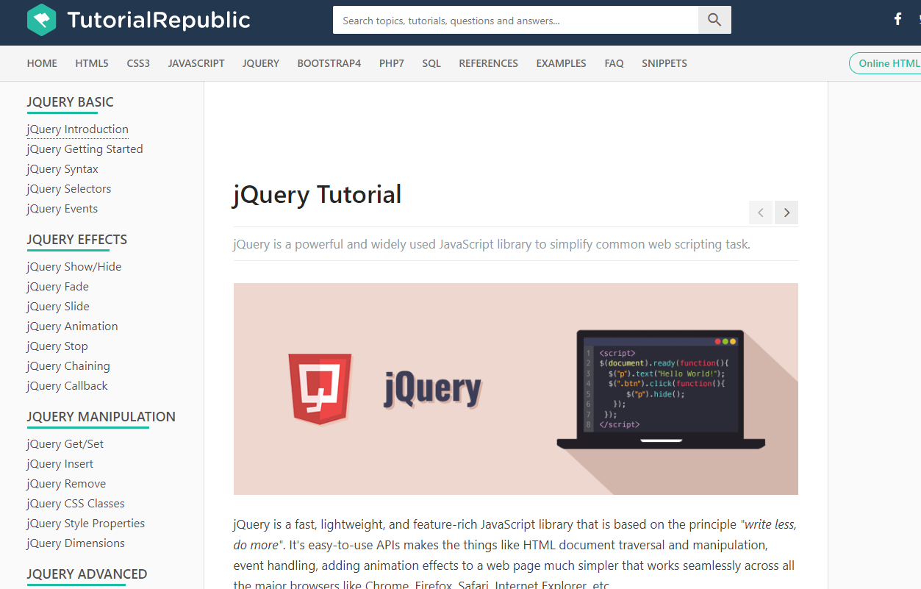

class="col-1 col-sm-1 col-md-1 col-lg-1 col-xl-1 border border-primary" |  |  |  | 1 | class="col-1 col-sm-1 col-md-1 col-lg-1 col-xl-1 border border-primary"
class="col-2 col-sm-2 col-md-2 col-lg-2 col-xl-2 border border-primary" |  |  |  | 2 | class="col-2 col-sm-2 col-md-2 col-lg-2 col-xl-2 border border-primary"
class="col-3 col-sm-3 col-md-3 col-lg-3 col-xl-3 border border-primary" |  |  |  | 3 | class="col-3 col-sm-3 col-md-3 col-lg-3 col-xl-3 border border-primary"
class="col-4 col-sm-4 col-md-4 col-lg-4 col-xl-4 border border-primary" |  |  |  | 4 | class="col-4 col-sm-4 col-md-4 col-lg-4 col-xl-4 border border-primary"
class="col-5 col-sm-5 col-md-5 col-lg-5 col-xl-5 border border-primary" |  |  |  | 5 | class="col-5 col-sm-5 col-md-5 col-lg-5 col-xl-5 border border-primary"
class="col-6 col-sm-6 col-md-6 col-lg-6 col-xl-6 border border-primary" |  |  |  | 6 | class="col-6 col-sm-6 col-md-6 col-lg-6 col-xl-6 border border-primary"
class="col-7 col-sm-7 col-md-7 col-lg-7 col-xl-7 border border-primary" |  |  |  | 7 | class="col-7 col-sm-7 col-md-7 col-lg-7 col-xl-7 border border-primary"
class="col-8 col-sm-8 col-md-8 col-lg-8 col-xl-8 border border-primary" |  |  |  | 8 | class="col-8 col-sm-8 col-md-8 col-lg-8 col-xl-8 border border-primary"
class="col-9 col-sm-9 col-md-9 col-lg-9 col-xl-9 border border-primary" |  |  |  | 9 | class="col-9 col-sm-9 col-md-9 col-lg-9 col-xl-9 border border-primary"
class="col-10 col-sm-10 col-md-10 col-lg-10 col-xl-10 border border-primary" |  |  |  | 10 | class="col-10 col-sm-10 col-md-10 col-lg-10 col-xl-10 border border-primary"
class="col-11 col-sm-11 col-md-11 col-lg-11 col-xl-11 border border-primary" |  |  |  | 11 | class="col-11 col-sm-11 col-md-11 col-lg-11 col-xl-11 border border-primary"
class="col-12 col-sm-12 col-md-12 col-lg-12 col-xl-12 border border-primary" |  |  |  | 12 | class="col-12 col-sm-12 col-md-12 col-lg-12 col-xl-12 border border-primary"

 | https://www.tutorialrepublic.com/faq/how-to-find-mouse-position-relative-to-an-element-using-jquery.php#:~:text=Answer%3A%20Use%20the%20jQuery%20event,pointer%20relative%20to%20an%20element.

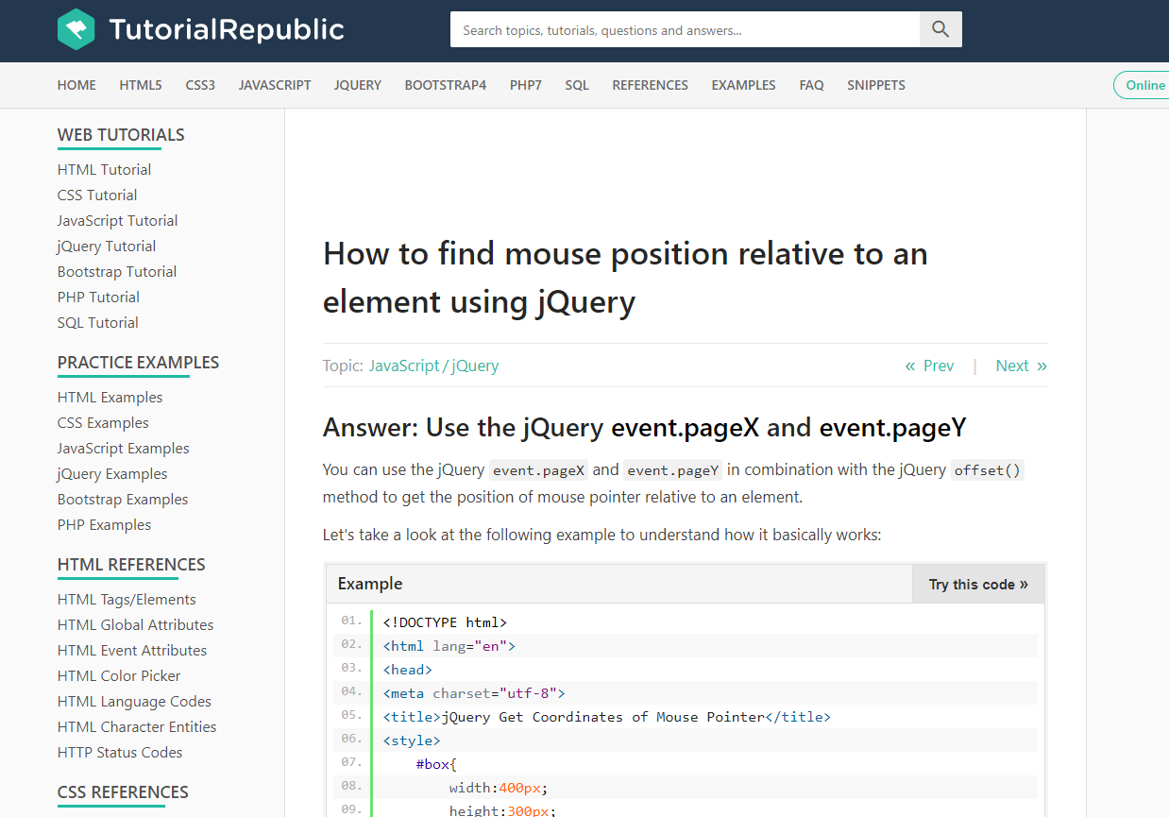

 |  | https://www.w3schools.com/howto/tryit.asp?filename=tryhow_css_js_dropdown_filter

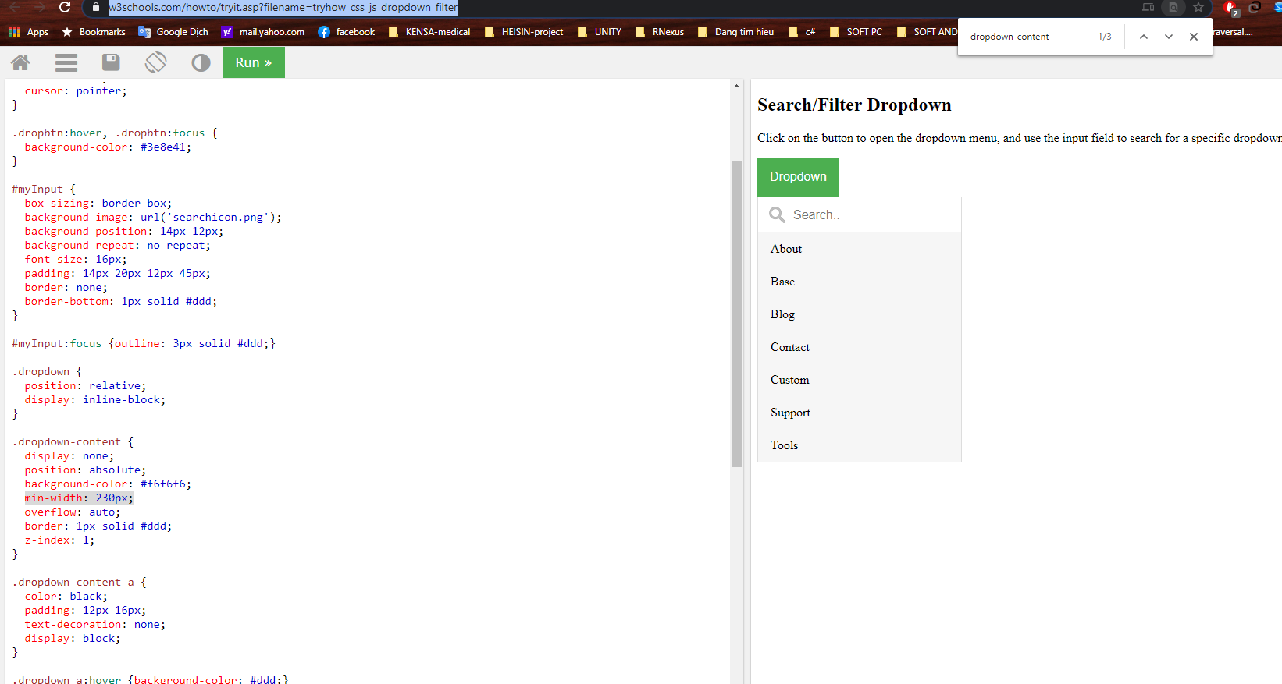

 |  |  | Non-editable text. Editable is below:
 |  |  | <div id="test" contenteditable="true">Hello, some <b>bold</b> and <i>italic and <b>bold</b></i> text</div>
 |  |  | <div id="caretPos"></div>

 |  |  | function getCaretCharacterOffsetWithin(element) {
 |  |  | var caretOffset = 0;
 |  |  | var doc = element.ownerDocument || element.document;
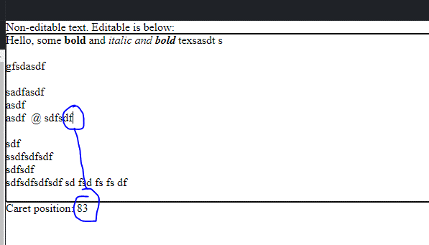
 |  |  | var win = doc.defaultView || doc.parentWindow;
 |  |  | var sel;
 |  |  | if (typeof win.getSelection != "undefined") {
 |  |  | sel = win.getSelection();
 |  |  | if (sel.rangeCount > 0) {
 |  |  | var range = win.getSelection().getRangeAt(0);
 |  |  | var preCaretRange = range.cloneRange();
 |  |  | preCaretRange.selectNodeContents(element);
 |  |  | preCaretRange.setEnd(range.endContainer, range.endOffset);
 |  |  | caretOffset = preCaretRange.toString().length;
 |  |  | }
 |  |  | } else if ( (sel = doc.selection) && sel.type != "Control") {
 |  |  | var textRange = sel.createRange();
 |  |  | var preCaretTextRange = doc.body.createTextRange();
 |  |  | preCaretTextRange.moveToElementText(element);
 |  |  | preCaretTextRange.setEndPoint("EndToEnd", textRange);
 |  |  | caretOffset = preCaretTextRange.text.length;
 |  |  | }
 |  |  | return caretOffset;
 |  |  | }

 |  |  | function showCaretPos() {
 |  |  | var el = document.getElementById("test");
 |  |  | var caretPosEl = document.getElementById("caretPos");
 |  |  | caretPosEl.innerHTML = "Caret position: " + getCaretCharacterOffsetWithin(el);
 |  |  | }

 |  |  | document.body.onkeyup = showCaretPos;
 |  |  | document.body.onmouseup = showCaretPos;

 | https://css-tricks.com/snippets/css/a-guide-to-flexbox/

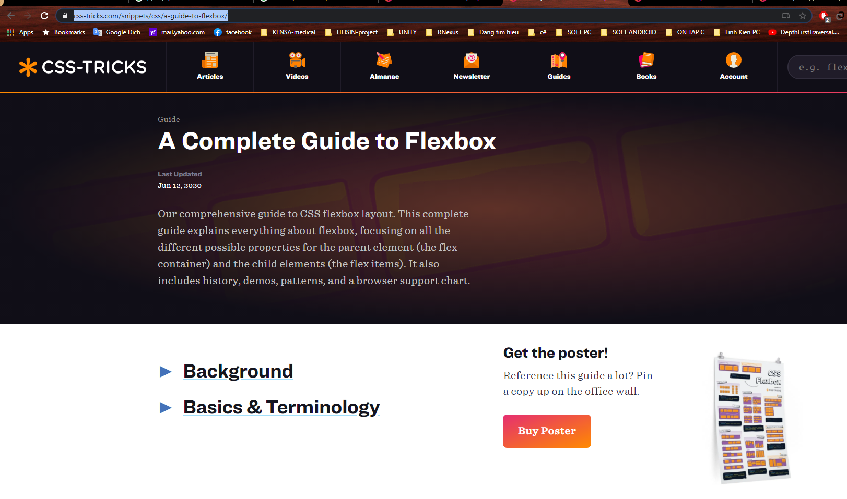

 |  | https://subinsb.com/move-cursor-to-end-input-textarea-jquery/

Sheet2
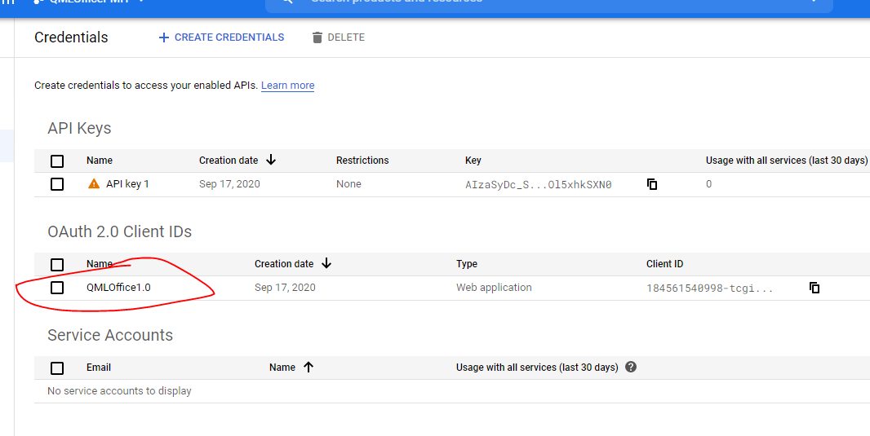
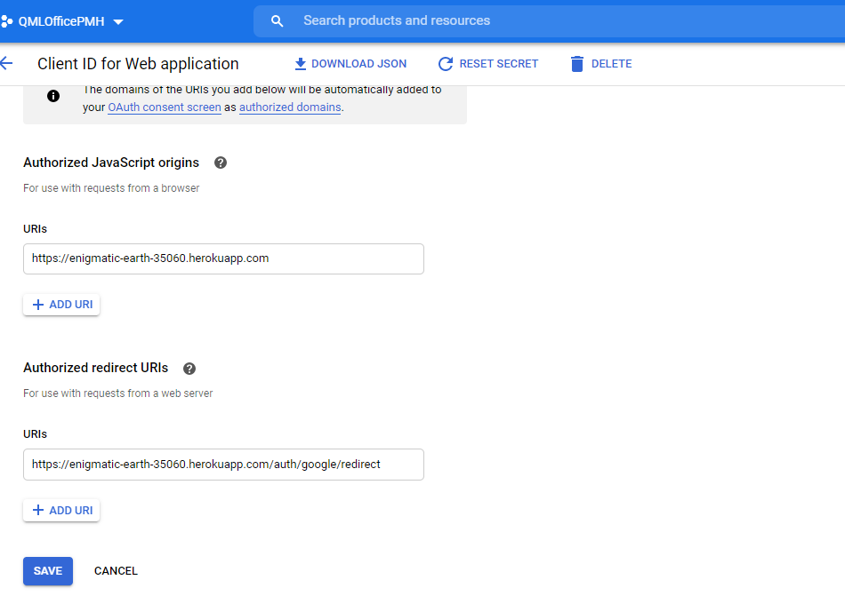
https://console.cloud.google.com/apis/credentials?project=qmlofficepmh

ten mien
https://www.namecheap.com/
 | Order
 | 63154363
 | Transaction
 | 72174349
 | Initial Amount
 | $9.24 |  | 63154363 | qmloffice.site
 | Total Charged
 | $9.24

https://www.namecheap.com/cart/checkout/orderconfirmation/?id=63154363
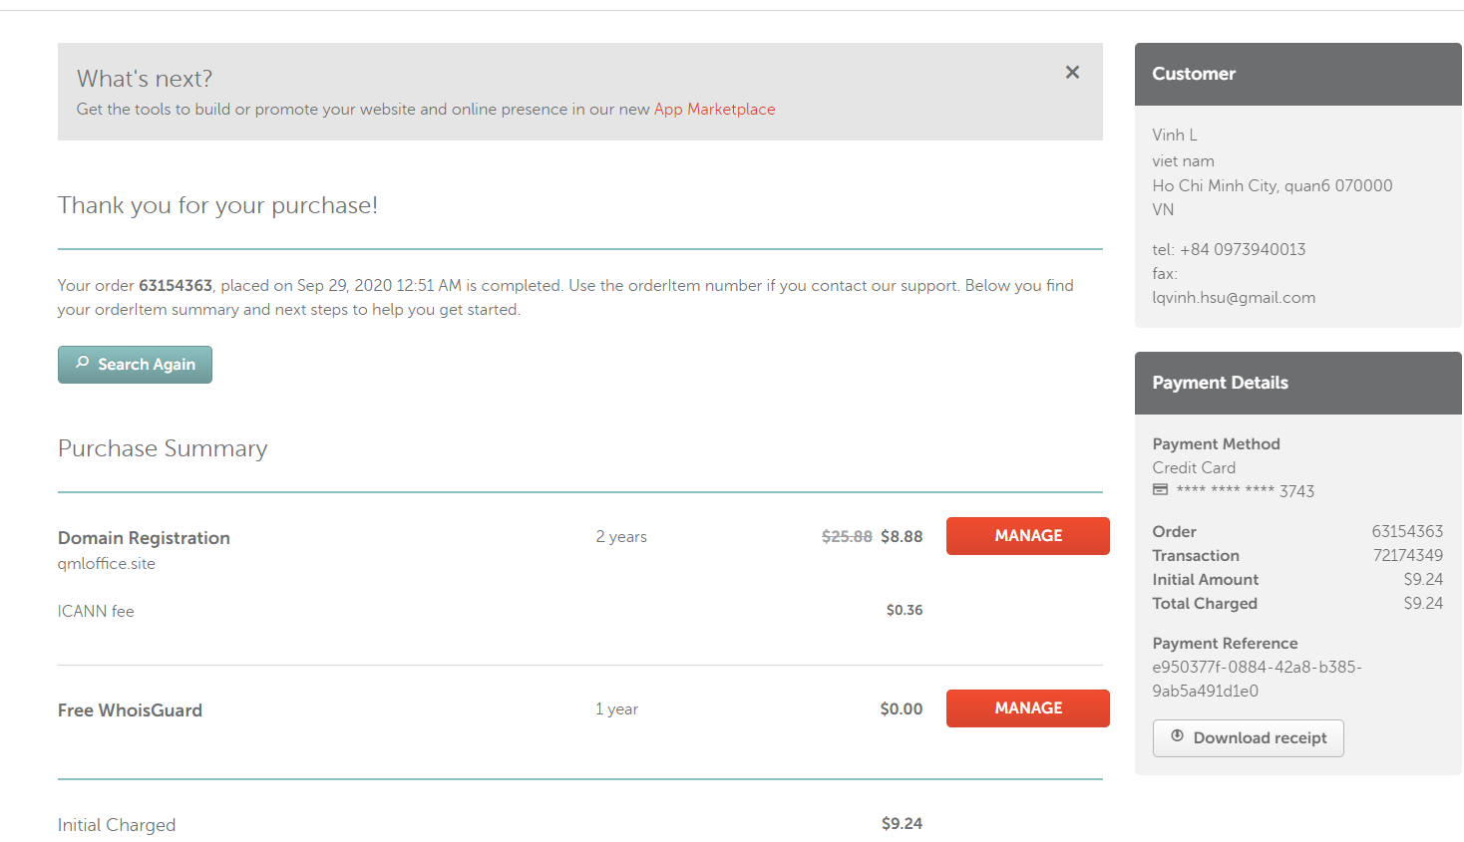
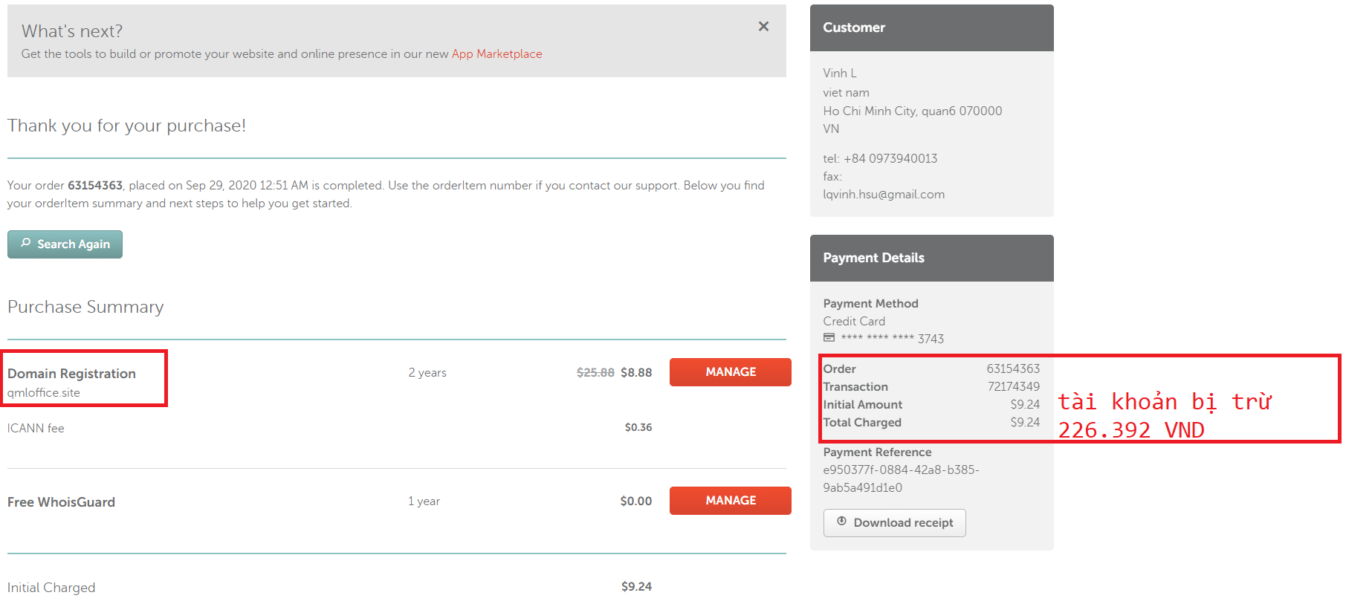

 |  | 226392

GIT HUB
github code
qmloffice.babymommycare@gmail.com p : 0932900606Baby@

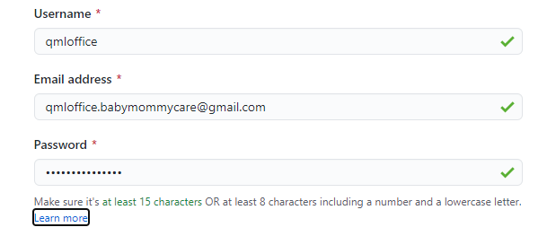

 | ssh-keygen -t rsa -b 4096 -C "qmloffice"

 | eval $(ssh-agent -s) | copy noi dung file .pub vao` trong tai khoan git

 | ssh-add qmloffice_ssh | ssh-add /C/Users/lamquangvinh/.ssh/qmloffice_ssh1

 | ssh-add -l

 | git clone

