Chung
ASP.NET CORE API WEB APP (><)

 | 1. | BASIC KNOWLEDGE

 |  | ○ | When we run the program the Program.cs run first

 |  | ○ | Program.cs
 |  |  | WebAppication.CreateBuilder => help inject the independencies into services collections
 |  |  | Config HTTP request pipeline
 |  |  | Run the application

 |  | ○ | Application.json (store configuration information)
 |  |  | Database Connection String
 |  |  | application scope, variables...

 | 2. | REST APIS

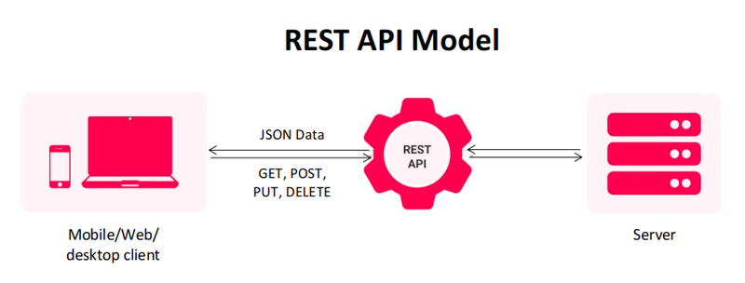

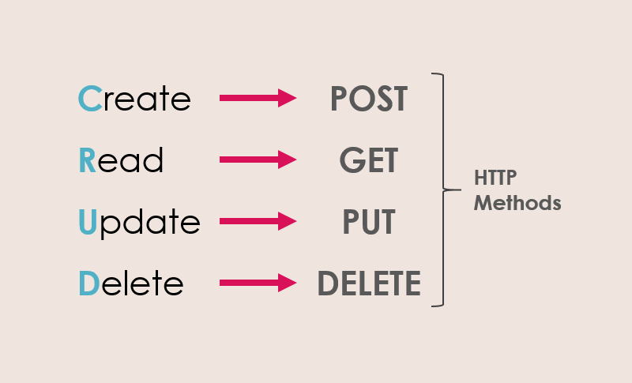

 | 3. | Entity Framwork Core

 |  | ○ | Modern object database mapper for dotnet
 |  | ○ | linq
 |  | ○ | change tracking
 |  | ○ | schema migraitons

 |  | Nuget Packages
 |  | => | Microsoft.EntityFrameworkCore.Sqlserver
 |  | => | Microsoft.EntityFrameworkCore.Tools

 | 4. | DBContext

 | CREATE DBCONTEXT

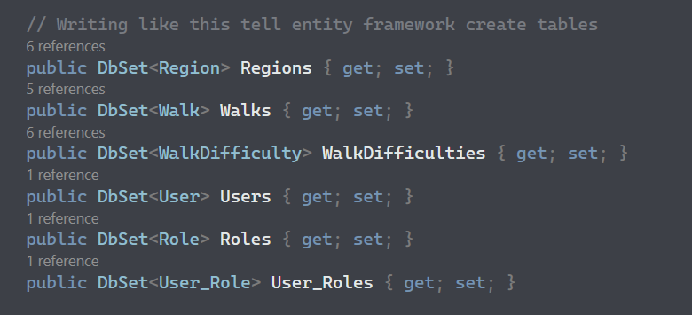

1

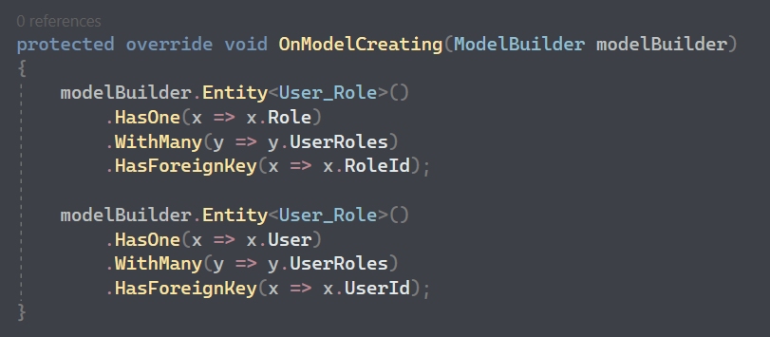

 | REGISTER DBCONTEXT INTO SERVICES

2

 | 5. | Dependencies Injection

 | --1-- | Create IRepository


1

 | --2-- | Create implementation for interface
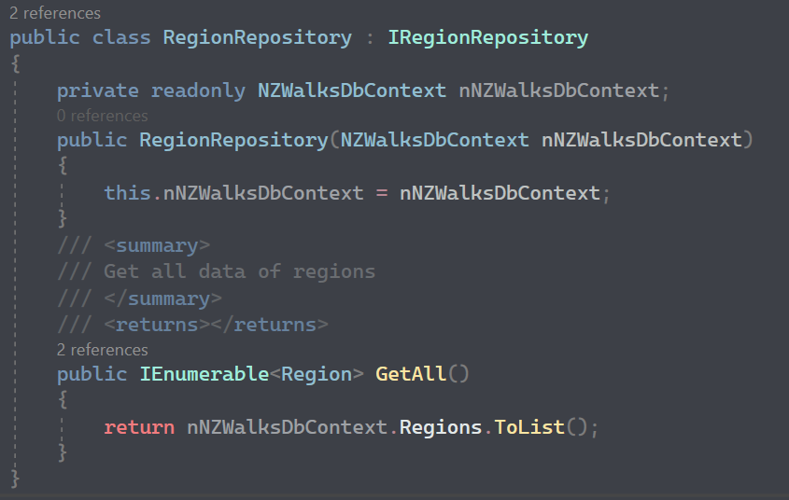
2

 | --3-- | Register Repository into services

3

 | --4-- | Inject Repository into controller

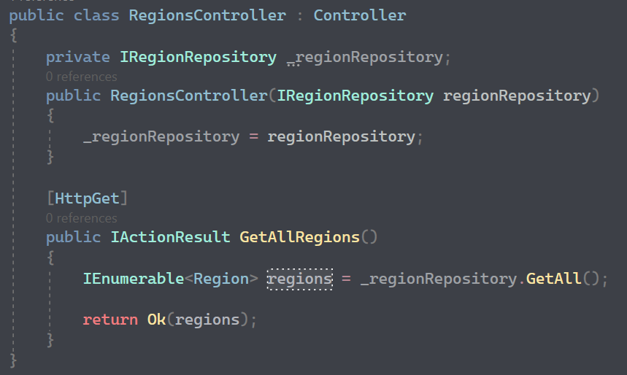
4

 | 6. | Migration

 | --1-- | Open Package Manager Console
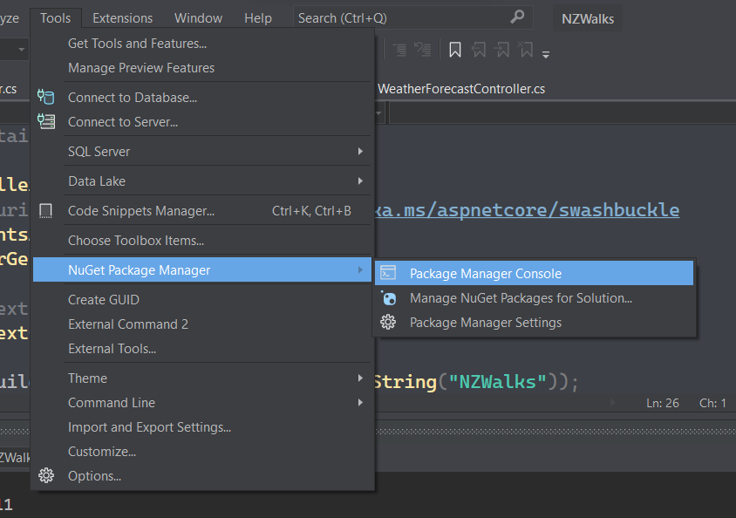

 | --2-- | Add-Migration
 |  | Initial Migration
 |  | Update-Database

 | Program will add two migration classes

 | 7. | Repository

 | ○ | Repository is used to fetch data from database
 | ○ | You can inject repository into services and controllers so that they are not care about how the structure of return database

 |  | NO REPOSITORY |  | WITH REPOSITORY
 |  |  | (BAD PRACTICE)
Controller
EF & Database
Controller
DbContext
EF & Database
Repository
Repository

DbContext

 | 8. | Mapper

 | ○ | Help mapping domain model with DTO model

 | Nuget Packages
 | => | AutoMapper
 | => | AutoMapper.Extensions.Microsoft.DependencyInjection

 | Domain Model |  |  |  | DTO Model
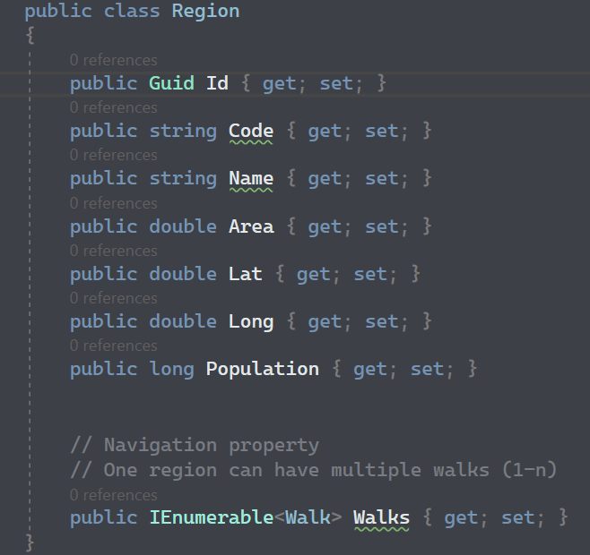
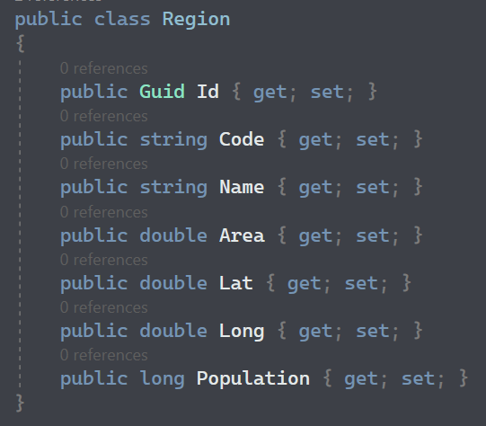

 | --1-- | Create Profile


1

 | --2-- | Add AutoMapper to services

2

 | --3-- | Inject mapper to controller

3

 | --4-- | Use mapper in controller

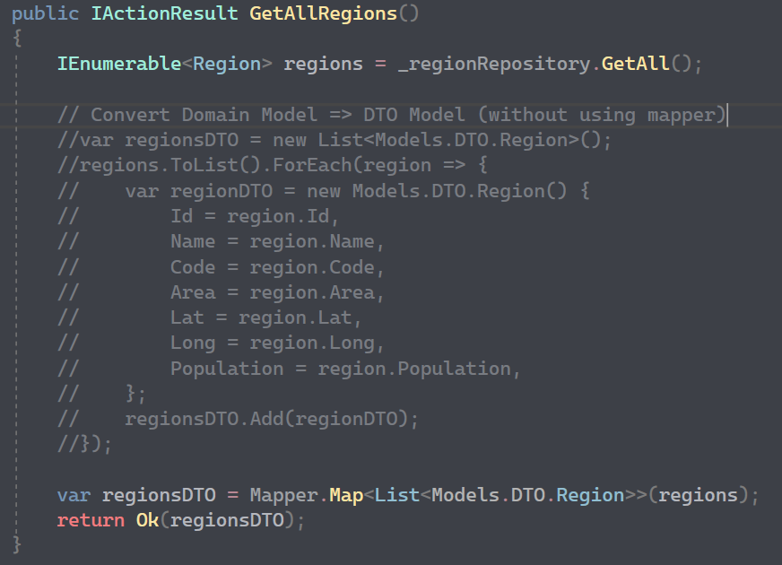

4

 | 9. | Validation

 | ○ | Save data from the client

 | Case_1

 |  | This endpoint does not need validation because of the validation of Route attribute

 | Case_2

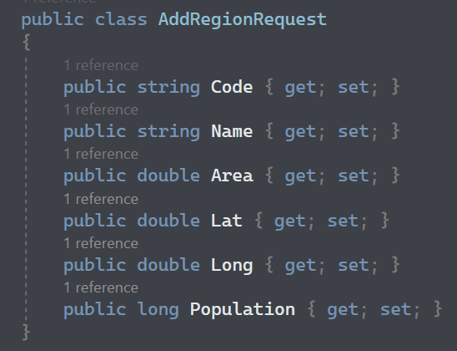

 |  | This endpoint need validation

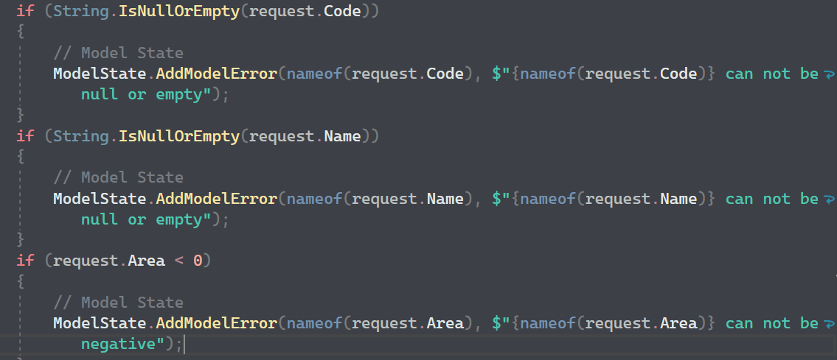

 |  | ModelState: ModelState is used to transfer validation errors from the server-side code to the client-side view.
 |  | For example, if a user submits a form and one of the fields fails validation, an error message can be added to the ModelState dictionary.
 |  | Then, when the view is rendered, the error message can be displayed to the user.
 |  | ModelState is a property of `ControllerBase`

 | 10. | Fluent Validation

 | ○ | Building strongly-typed validation rules

 | Nuget Packages
 | => | FluentValidation
 | => | FluentValidation.AspNetCore
 | => | FluentValidation.DependencyInjectionExtensions

 | --1-- | Register FluentValidation into Services

1

 | --2-- | Define rules

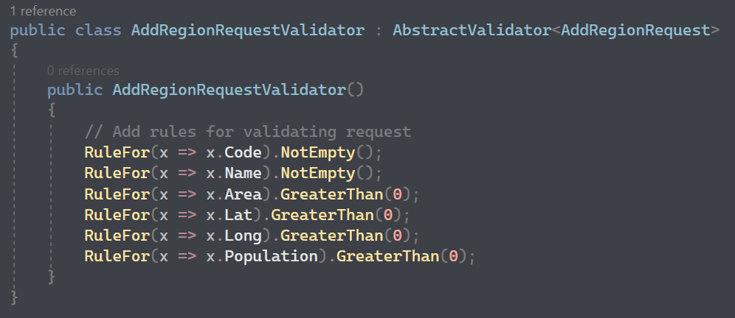

2

 | Note: |  | You don't need to validate coming input because fluentvalidation had already done it for you before
 |  |  | you get into the api method
 |  |  | => if validation is false, fluentvalidation automatically update the ModelState and return badrequest

 | 11. | Authentication & Authorization

 | ○ | Authentication: determine which user can access your api (not everyone can access your API => your DB)
 | ○ | Authorization: determine roll of valid user (not every user can use important API like delete)

 | AUTHENTICATION FLOW
 | JSON Web Tokens (JWT)

Send Username & Password
WWW
API
DB
Get JWT Token

Use JWT to make call

Get data back

 | Nuget Packages
 | => | Microsoft.AspNetCore.Authentication.JwtBearer (6.0.15)
 | => | Microsoft.IdentityModel.Tokens
 | => | System.IdentityModel.Tokens.Jwt

 | 1. Create TokenHandler class (Service)

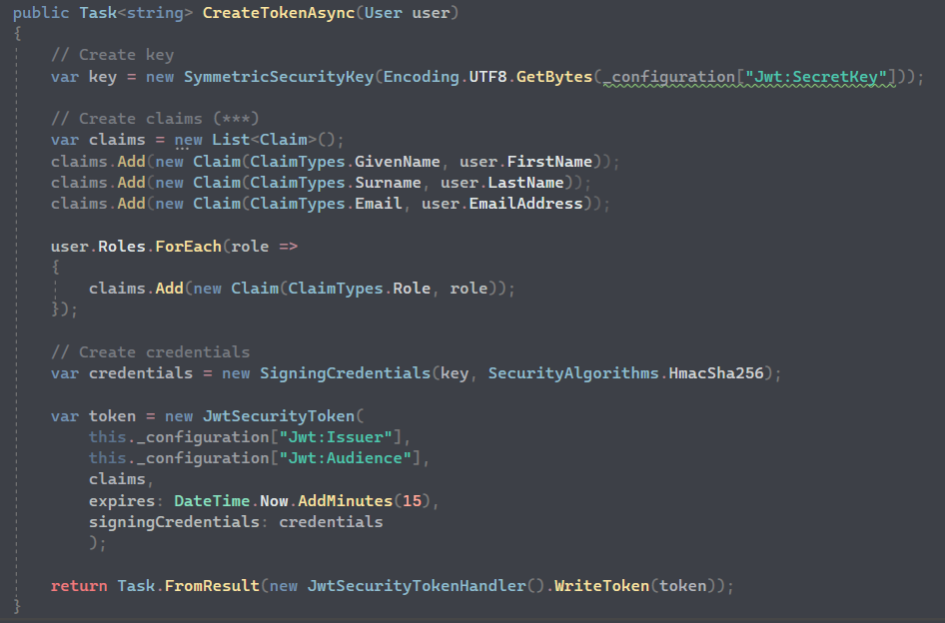

1

 | 2. AuthController (using TokenHandler)
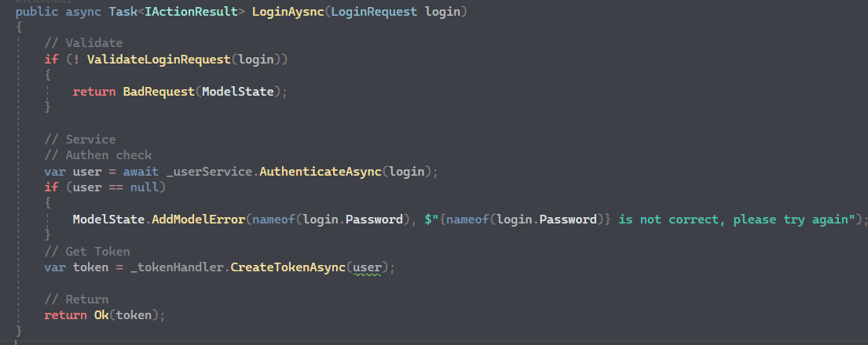

2

 | 3. Add authentication to services

3

3

 | 4. Jwt constant information

 | 12. | Logger

Advanced
ASP.NET CORE API WEB APP (><)

 | 1. | IDisposable

 | 1. Definition
 | Interface provide by Asp.net framework
 | Allow object to release unmanaged resource such as file handles, network connections, database connections

 | 2. Implementation
 | Implementing `Dispose()` method
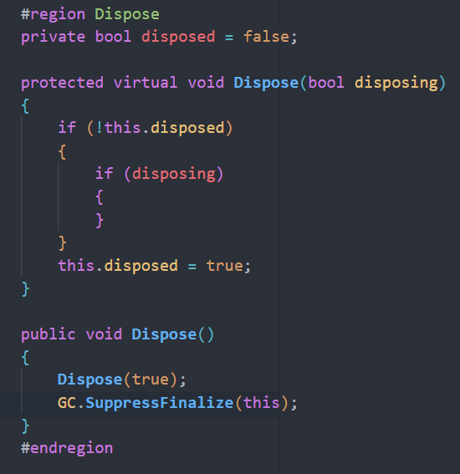

 | 2. | UnitOfWork

 | 3. | Entity Framwork Core

 | 4. | DBContext

 | CREATE DBCONTEXT

1

 | REGISTER DBCONTEXT INTO SERVICES

2

 | 5. | Dependencies Injection

 | --1-- | Create IRepository

1

 | --2-- | Create implementation for interface

2

 | --3-- | Register Repository into services

3

 | --4-- | Inject Repository into controller

4

 | 6. | Migration

 | --1-- | Open Package Manager Console

 | --2-- | Add-Migration
 |  | Initial Migration
 |  | Update-Database

 | Program will add two migration classes

 | 7. | Repository

 | ○ | Repository is used to fetch data from database
 | ○ | You can inject repository into services and controllers so that they are not care about how the structure of return database

 |  | NO REPOSITORY |  | WITH REPOSITORY
 |  |  | (BAD PRACTICE)
Controller
EF & Database
Controller
DbContext
EF & Database
Repository
Repository

DbContext

 | 8. | Mapper

 | ○ | Help mapping domain model with DTO model

 | Nuget Packages
 | => | AutoMapper
 | => | AutoMapper.Extensions.Microsoft.DependencyInjection

 | Domain Model |  |  |  | DTO Model

 | --1-- | Create Profile

1

 | --2-- | Add AutoMapper to services

2

 | --3-- | Inject mapper to controller

3

 | --4-- | Use mapper in controller

4

 | 9. | Validation

 | ○ | Save data from the client

 | Case_1

 |  | This endpoint does not need validation because of the validation of Route attribute

 | Case_2

 |  | This endpoint need validation

 |  | ModelState: ModelState is used to transfer validation errors from the server-side code to the client-side view.
 |  | For example, if a user submits a form and one of the fields fails validation, an error message can be added to the ModelState dictionary.
 |  | Then, when the view is rendered, the error message can be displayed to the user.
 |  | ModelState is a property of `ControllerBase`

 | 10. | Fluent Validation

 | ○ | Building strongly-typed validation rules

 | Nuget Packages
 | => | FluentValidation
 | => | FluentValidation.AspNetCore
 | => | FluentValidation.DependencyInjectionExtensions

 | --1-- | Register FluentValidation into Services

1

 | --2-- | Define rules

2

 | Note: |  | You don't need to validate coming input because fluentvalidation had already done it for you before
 |  |  | you get into the api method
 |  |  | => if validation is false, fluentvalidation automatically update the ModelState and return badrequest

 | 11. | Authentication & Authorization

 | ○ | Authentication: determine which user can access your api (not everyone can access your API => your DB)
 | ○ | Authorization: determine roll of valid user (not every user can use important API like delete)

 | AUTHENTICATION FLOW
 | JSON Web Tokens (JWT)

Send Username & Password
WWW
API
DB
Get JWT Token

Use JWT to make call

Get data back

 | Nuget Packages
 | => | Microsoft.AspNetCore.Authentication.JwtBearer (6.0.15)
 | => | Microsoft.IdentityModel.Tokens
 | => | System.IdentityModel.Tokens.Jwt

 | 1. Create TokenHandler class (Service)

1

 | 2. AuthController (using TokenHandler)

2

 | 3. Add authentication to services

3

3

 | 4. Jwt constant information

 | 12. | Logger

