Core API
ASP.NET CORE API WEB APP (><)

 | 1. | BASIC KNOWLEDGE

 |  | ○ | When we run the program the Program.cs run first

 |  | ○ | Program.cs
 |  |  | WebAppication.CreateBuilder => help inject the independencies into services collections
 |  |  | Config HTTP request pipeline
 |  |  | Run the application

 |  | ○ | Application.json (store configuration information)
 |  |  | Database Connection String
 |  |  | application scope, variables...

 | 2. | REST APIS

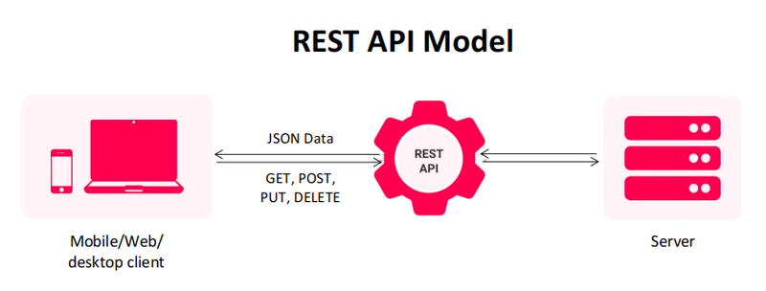

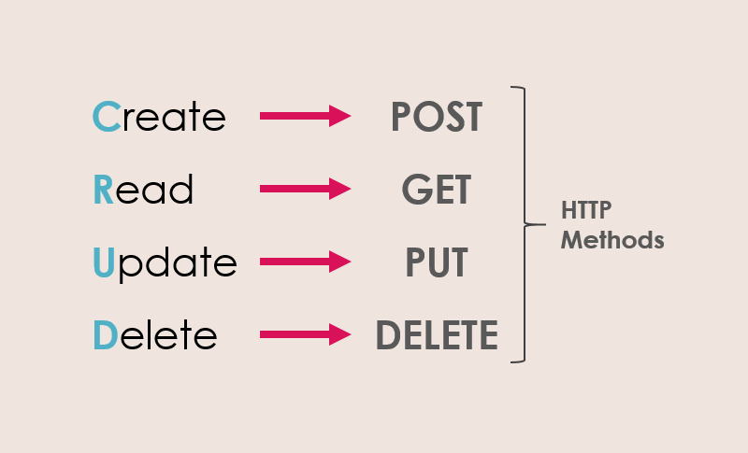

 | 3. | Entity Framwork Core

 |  | ○ | Modern object database mapper for dotnet
 |  | ○ | linq
 |  | ○ | change tracking
 |  | ○ | schema migraitons

 |  | Nuget Packages
 |  | => | Microsoft.EntityFrameworkCore.Sqlserver
 |  | => | Microsoft.EntityFrameworkCore.Tools

 | 4. | DBContext

 | CREATE DBCONTEXT

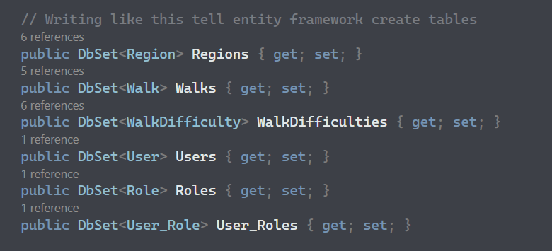

1

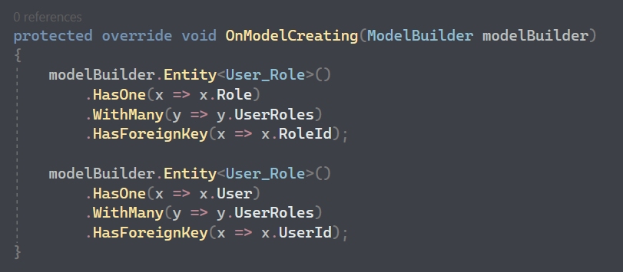

 | REGISTER DBCONTEXT INTO SERVICES

2

 | 5. | Dependencies Injection

 | --1-- | Create IRepository

1

 | --2-- | Create implementation for interface
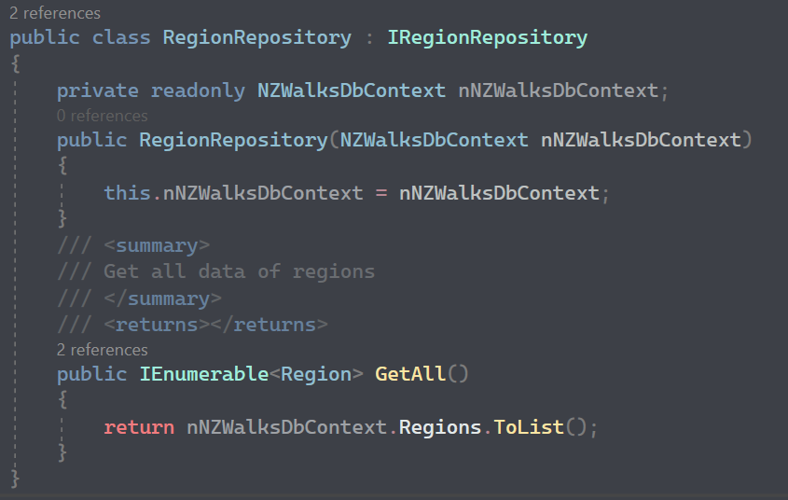
2

 | --3-- | Register Repository into services

3

 | --4-- | Inject Repository into controller

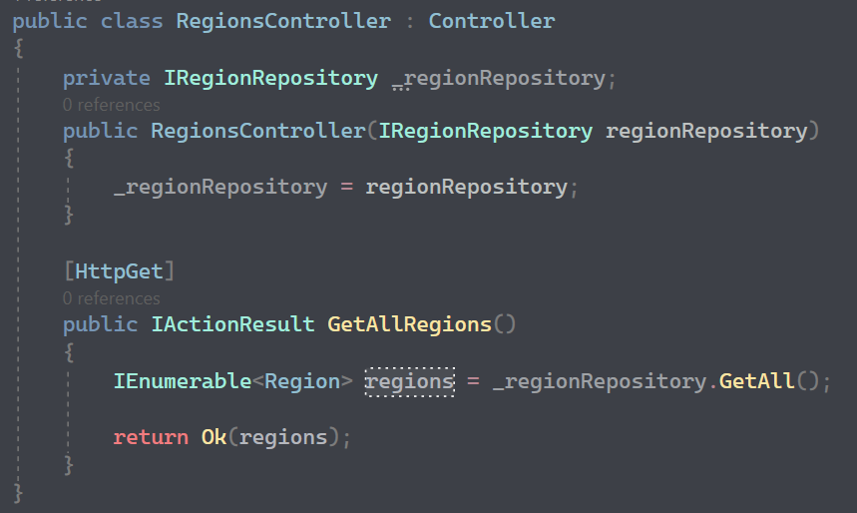
4

 | 6. | Migration

 | --1-- | Open Package Manager Console
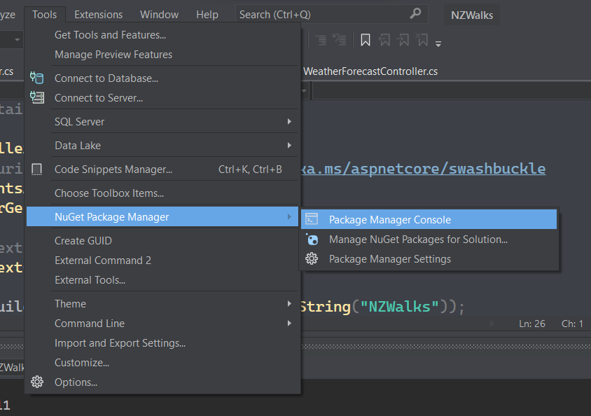

 | --2-- | Add-Migration
 |  | Initial Migration
 |  | Update-Database

 | Program will add two migration classes

 | 7. | Repository

 | ○ | Repository is used to fetch data from database
 | ○ | You can inject repository into services and controllers so that they are not care about how the structure of return database

 |  | NO REPOSITORY |  | WITH REPOSITORY
 |  |  | (BAD PRACTICE)
Controller
EF & Database
Controller
DbContext
EF & Database
Repository
Repository

DbContext

 | 8. | Mapper

 | ○ | Help mapping domain model with DTO model

 | Nuget Packages
 | => | AutoMapper
 | => | AutoMapper.Extensions.Microsoft.DependencyInjection

 | Domain Model |  |  |  | DTO Model
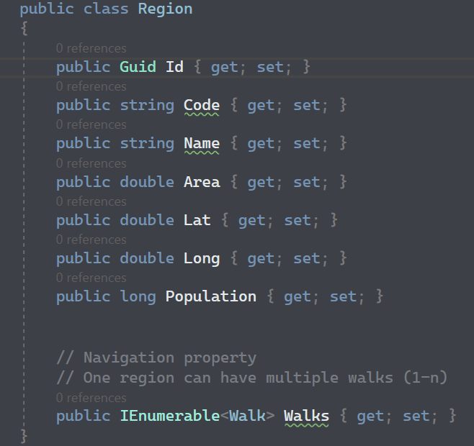
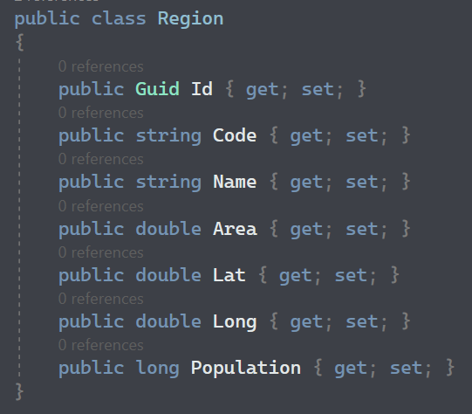

 | --1-- | Create Profile

1

 | --2-- | Add AutoMapper to services

2

 | --3-- | Inject mapper to controller

3

 | --4-- | Use mapper in controller

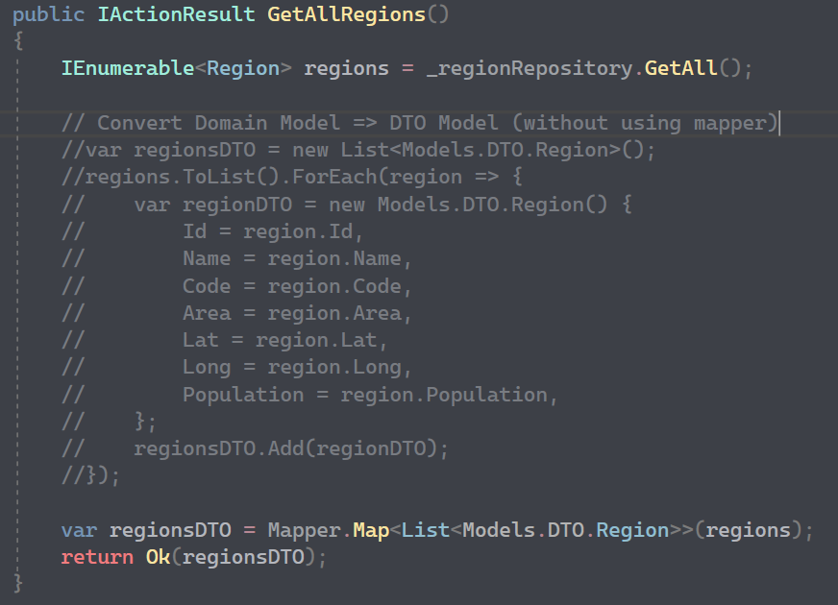

4

 | 9. | Validation

 | ○ | Save data from the client

 | Case_1

 |  | This endpoint does not need validation because of the validation of Route attribute

 | Case_2

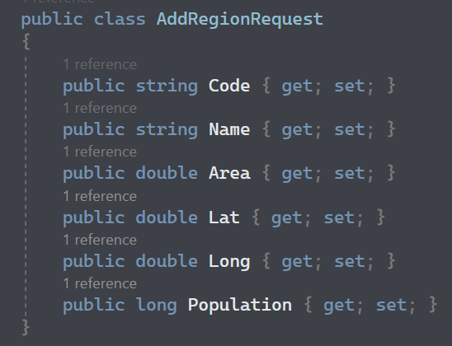

 |  | This endpoint need validation

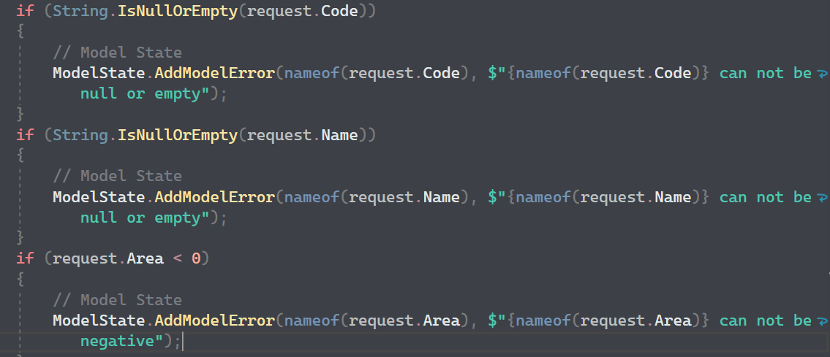

 |  | ModelState: ModelState is used to transfer validation errors from the server-side code to the client-side view.
 |  | For example, if a user submits a form and one of the fields fails validation, an error message can be added to the ModelState dictionary.
 |  | Then, when the view is rendered, the error message can be displayed to the user.
 |  | ModelState is a property of `ControllerBase`

 | 10. | Fluent Validation

 | ○ | Building strongly-typed validation rules

 | Nuget Packages
 | => | FluentValidation
 | => | FluentValidation.AspNetCore
 | => | FluentValidation.DependencyInjectionExtensions

 | --1-- | Register FluentValidation into Services

1

 | --2-- | Define rules

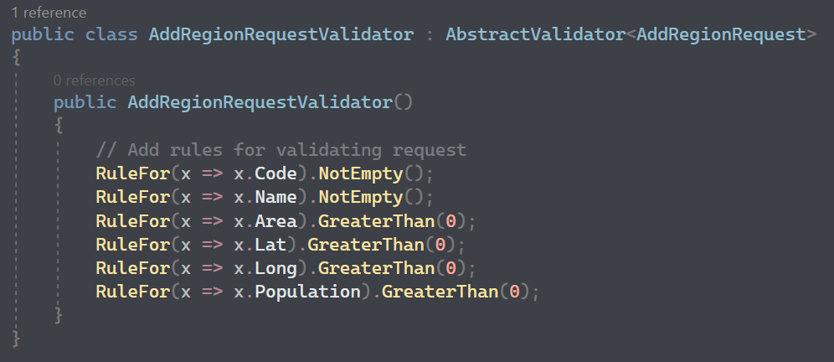

2

 | Note: |  | You don't need to validate coming input because fluentvalidation had already done it for you before
 |  |  | you get into the api method
 |  |  | => if validation is false, fluentvalidation automatically update the ModelState and return badrequest

 | 11. | Authentication & Authorization

 | ○ | Authentication: determine which user can access your api (not everyone can access your API => your DB)
 | ○ | Authorization: determine roll of valid user (not every user can use important API like delete)

 | AUTHENTICATION FLOW
 | JSON Web Tokens (JWT)

Send Username & Password
WWW
API
DB
Get JWT Token

Use JWT to make call

Get data back

 | Nuget Packages
 | => | Microsoft.AspNetCore.Authentication.JwtBearer (6.0.15)
 | => | Microsoft.IdentityModel.Tokens
 | => | System.IdentityModel.Tokens.Jwt

 | 1. Create TokenHandler class (Service)

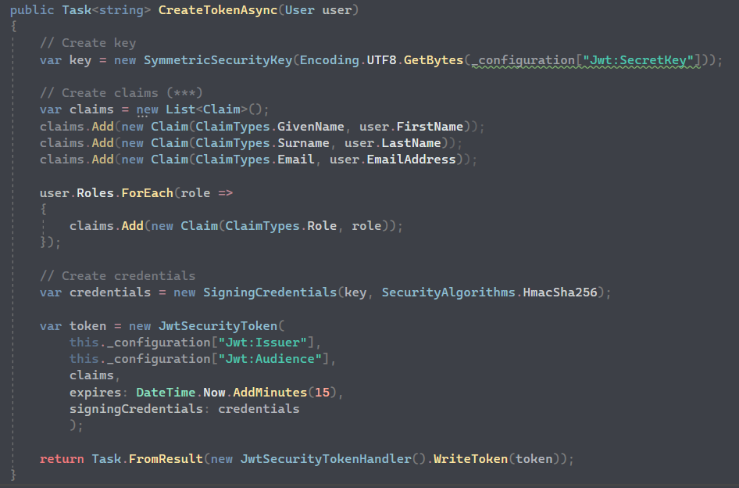

1

 | 2. AuthController (using TokenHandler)
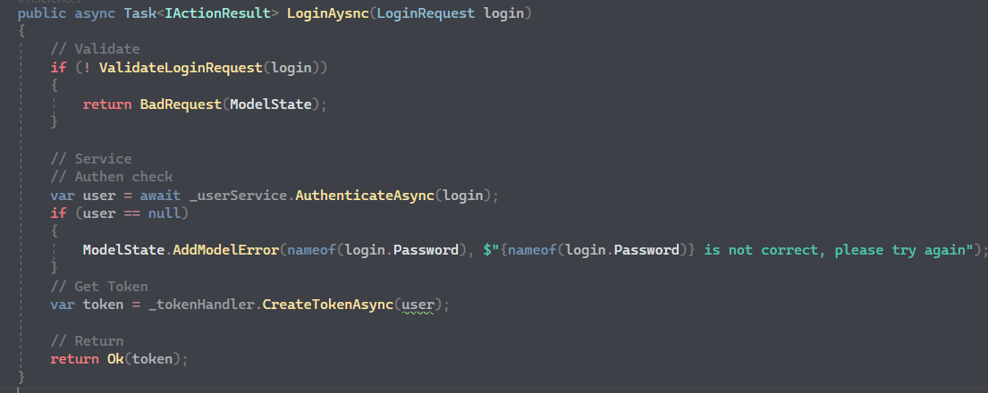

2

 | 3. Add authentication to services

3

3

 | 4. Jwt constant information

 | 12. | IServiceCollection And IApplicationBuilder

 | IServiceCollection
 | IApplicationBuilder

 | They are interfaces provided by ASP.NET for configuring
 | and managing services and middleware within an application

 | 1. IServiceCollection is used to register and configure services
 | within the application's DI container

 | 2. It represents a collection of service descriptors that define the service
 | avaiable in the application

 | 3. You can use method like `AddTransient` `AddScope` and `AddSingleton`
 | on `IServiceCollection` to register different types of services in container

 | 4. Services registered with `IServiceCollection` can later be resolved and
 | injected into other components of the application

 | 1. ApplicationBuilder is used to configure middleware components
 | and create the request processing pipeline for an application

 | 2. It provides methods for adding middleware components, such as
 | `UseRouting` `UseAuthentication`, `UseAuthorization`, `UseEndPoints`
 | to the request pipeline.

 | 3. Middleware components added to `IApplicationBuilder` are executed
 | in the order they are defined, allowing you to define the processing flow
 | of incoming request

 | 4. The `IApplicationBuilder` instance is typically obtained from the
 | `Configure` method in the `Startup` class of ASP.NET core application

 | 13. | Services And Middleware

 | 1. Service
 |  | + Services are components that provide specific functionality and can be
 |  | used by various parts of the application
 |  | + Services are registered in the application's dependency injection
 |  | container, which allows them to be easily resolved and injected into
 |  | other components
 |  | + Examples: database access, logging, authentication, authorization
 |  | caching and other custom business services
 |  | + Typically registered in the `ConfigurationServices` method of the `Startup`
 |  | class using the `IServiceCollection` interface
 |  | + Service can be configured with different lifetimes, such as transient
 |  | scoped, singleton, depending on the desired behavior and performance
 | 2. Middleware
 |  | + Middlewares are components that participate in the processing of HTTP
 |  | requests and responses
 |  | + They form a pipeline through which each request flows,
 |  | allowing for processing, transformation and handling of the request and response
 |  | + Middlewares can perform task such as routing, authentication, authorization
 |  | logging, error handling, staticfile serving, compression
 |  | + Each middleware component in the pipeline is responsible for processing
 |  | the request and response and deciding whether to pass it on to the next middleware in the pipeline
 |  | + Middlewares are typically configured in the `Configure` method of the
 |  | `Startup` class using the `IApplicationBuilder` interface
 |  | +The Order in which middlewares are added to the pipeline is important
 |  | as it determined the sequence of their execution of each request

Advanced
ASP.NET CORE API WEB APP (><)

 | 1. | IDisposable

 | 1. Definition
 | Interface provide by Asp.net framework
 | Allow object to release unmanaged resource such as file handles, network connections, database connections

 | 2. Implementation
 | Implementing `Dispose()` method
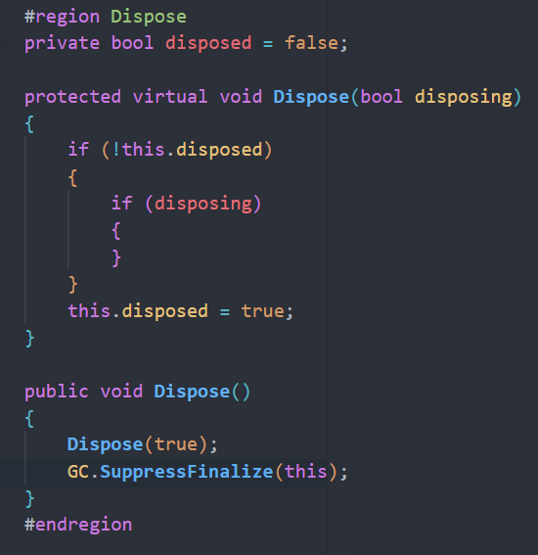

 | 2. | UnitOfWork

 | 3. | Authentication & Authorization

 | Flow Chart

Verify Credentials
DB
User

Generating Security Context

Authentication
 |  |  |  |  |  | Cookie
 |  |  |  |  |  | Session
 |  |  |  |  |  | Token

Authorization

 | 1. Everytime we go into asp.net core application, program will automatically create Security Context with annonymous identity

 | Flow Chart Identity Context

 | 1. What is Security Context???
 |  | Contains all the user information (username, password,…) that user has for security purposes
 |  | All that information is encapsulated in one single object call Claim Principal
 |  | Claim is the smallest unit of Clain Principle, one claim contains many key-value pair

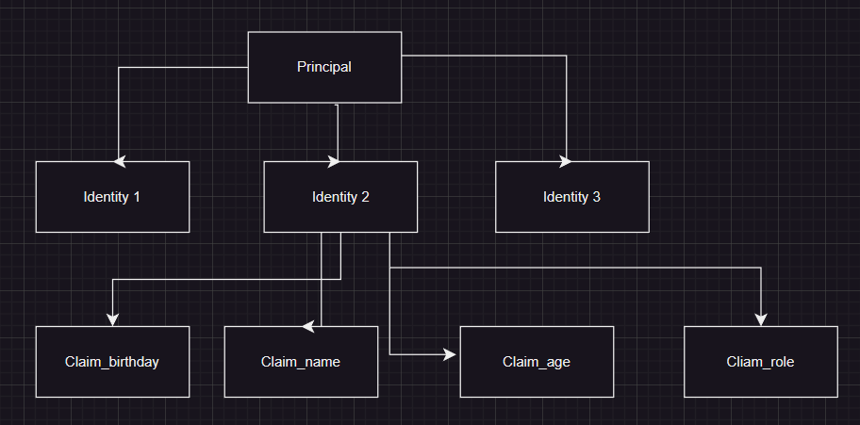

Page_1 (admin)
 | Flow Chart Authorization and Policy

Authorization

Policy
Page_2 (HR)
IAuthorizationService

RequirementAuthorizationHandler
Requirement 1
Requirement 2
Page_3 (annonymous)

Page_3 (huycq)

 | ImplementAuthorizationHandler

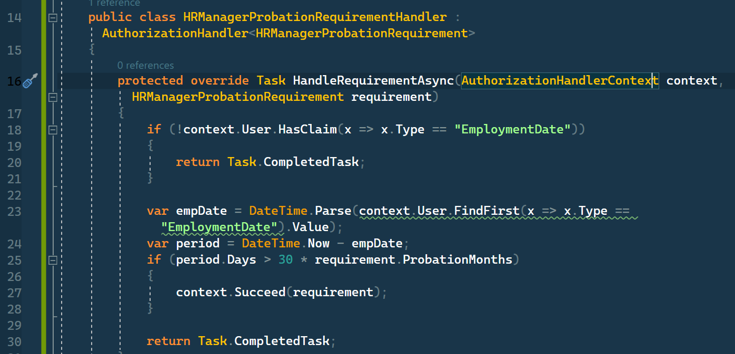

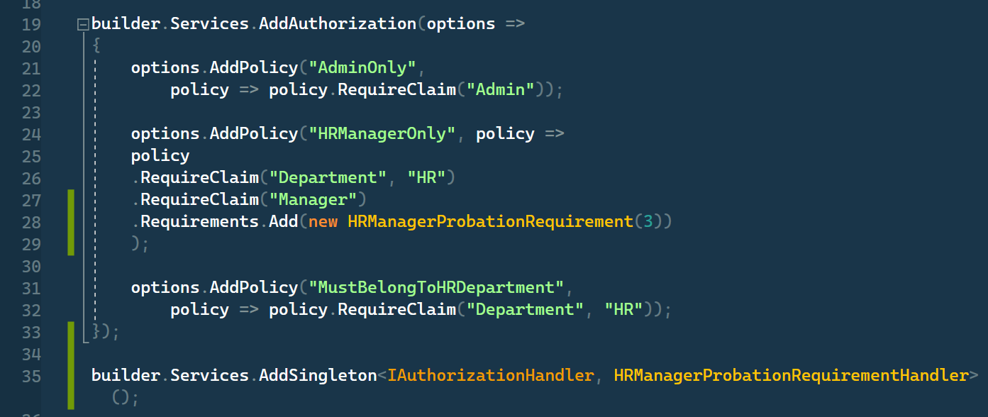

 | lifetime of cookie, session

 | browser session <=> Cookie Lifetime

 | Cookie vs Session Use Case

 | Cookie only use for web application
 | Token is appropriate for cross-domain application

 | 3. | Entity Framwork Core

 | 4. | DBContext

 | CREATE DBCONTEXT

1

 | REGISTER DBCONTEXT INTO SERVICES

2

 | 5. | Dependencies Injection

 | --1-- | Create IRepository

1

 | --2-- | Create implementation for interface

2

 | --3-- | Register Repository into services

3

 | --4-- | Inject Repository into controller

4

 | 6. | Migration

 | --1-- | Open Package Manager Console

 | --2-- | Add-Migration
 |  | Initial Migration
 |  | Update-Database

 | Program will add two migration classes

 | 7. | Repository

 | ○ | Repository is used to fetch data from database
 | ○ | You can inject repository into services and controllers so that they are not care about how the structure of return database

 |  | NO REPOSITORY |  | WITH REPOSITORY
 |  |  | (BAD PRACTICE)
Controller
EF & Database
Controller
DbContext
EF & Database
Repository
Repository

DbContext

 | 8. | Mapper

 | ○ | Help mapping domain model with DTO model

 | Nuget Packages
 | => | AutoMapper
 | => | AutoMapper.Extensions.Microsoft.DependencyInjection

 | Domain Model |  |  |  | DTO Model

 | --1-- | Create Profile

1

 | --2-- | Add AutoMapper to services

2

 | --3-- | Inject mapper to controller

3

 | --4-- | Use mapper in controller

4

 | 9. | Validation

 | ○ | Save data from the client

 | Case_1

 |  | This endpoint does not need validation because of the validation of Route attribute

 | Case_2

 |  | This endpoint need validation

 |  | ModelState: ModelState is used to transfer validation errors from the server-side code to the client-side view.
 |  | For example, if a user submits a form and one of the fields fails validation, an error message can be added to the ModelState dictionary.
 |  | Then, when the view is rendered, the error message can be displayed to the user.
 |  | ModelState is a property of `ControllerBase`

 | 10. | Fluent Validation

 | ○ | Building strongly-typed validation rules

 | Nuget Packages
 | => | FluentValidation
 | => | FluentValidation.AspNetCore
 | => | FluentValidation.DependencyInjectionExtensions

 | --1-- | Register FluentValidation into Services

1

 | --2-- | Define rules

2

 | Note: |  | You don't need to validate coming input because fluentvalidation had already done it for you before
 |  |  | you get into the api method
 |  |  | => if validation is false, fluentvalidation automatically update the ModelState and return badrequest

 | 11. | Authentication & Authorization

 | ○ | Authentication: determine which user can access your api (not everyone can access your API => your DB)
 | ○ | Authorization: determine roll of valid user (not every user can use important API like delete)

 | AUTHENTICATION FLOW
 | JSON Web Tokens (JWT)

Send Username & Password
WWW
API
DB
Get JWT Token

Use JWT to make call

Get data back

 | Nuget Packages
 | => | Microsoft.AspNetCore.Authentication.JwtBearer (6.0.15)
 | => | Microsoft.IdentityModel.Tokens
 | => | System.IdentityModel.Tokens.Jwt

 | 1. Create TokenHandler class (Service)

1

 | 2. AuthController (using TokenHandler)

2

 | 3. Add authentication to services

3

3

 | 4. Jwt constant information

 | 12. | Logger

Components
ASP.NET CORE API WEB APP (><)

 | 1. | Components

 | Microsoft.AspNetCore.Mvc.ViewComponents

 | provides the functionality to create and use view components in MVC
 | reusable components that encapsulate a chunk of UI logic and rendering (similar to partial view)

 | 1. A C# class that inherits from the `ViewComponent` base class
 |  | typically consists of a synchronous or asynchronous method name `InvokeAsync`

 | 2. View Component separation of concerns in your application by encapsulating a specific piece of UI
 |  | functionality into a self-contained component.

 | 3. Support strongly typed models, allow you to pass data from controller to view component and then to view

 | 4. partial view replacement

 | 5. Rendering flexibility, they can render their own views, partial views or content directly within
 |  | the component itself

 | 6. Asynchronous Support

 | 7. Dependency Injection
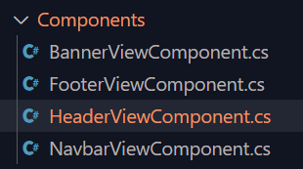
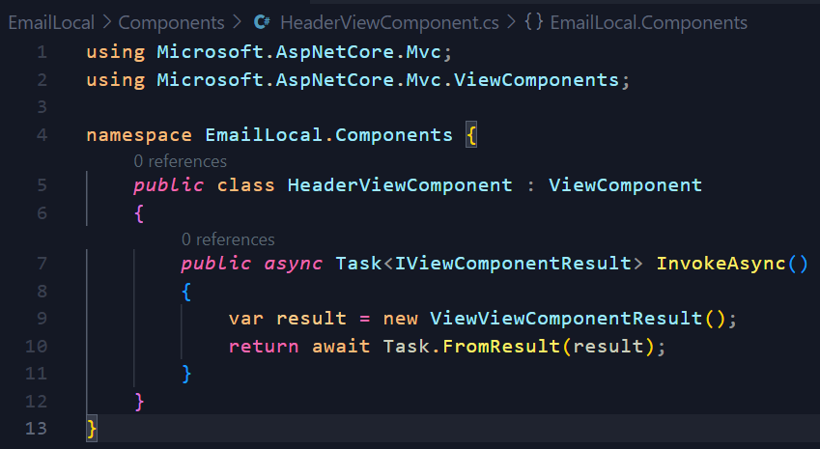

 | 2. | Lambda expression in getter method

 | Property ShowRequestId is evaluate by expression !string.IsNullOrEmpty(RequestId);
 | This means when you get the value of property ShowRequestId
 | you get True when RequestId is defined
 | you get False when RequestId is not defined

 | 3. | Entity Framwork Core

 | 4. | DBContext

 | CREATE DBCONTEXT

1

 | REGISTER DBCONTEXT INTO SERVICES

2

 | 5. | Dependencies Injection

 | --1-- | Create IRepository

1

 | --2-- | Create implementation for interface

2

 | --3-- | Register Repository into services

3

 | --4-- | Inject Repository into controller

4

 | 6. | Migration

 | --1-- | Open Package Manager Console

 | --2-- | Add-Migration
 |  | Initial Migration
 |  | Update-Database

 | Program will add two migration classes

 | 7. | Repository

 | ○ | Repository is used to fetch data from database
 | ○ | You can inject repository into services and controllers so that they are not care about how the structure of return database

 |  | NO REPOSITORY |  | WITH REPOSITORY
 |  |  | (BAD PRACTICE)
Controller
EF & Database
Controller
DbContext
EF & Database
Repository
Repository

DbContext

 | 8. | Mapper

 | ○ | Help mapping domain model with DTO model

 | Nuget Packages
 | => | AutoMapper
 | => | AutoMapper.Extensions.Microsoft.DependencyInjection

 | Domain Model |  |  |  | DTO Model

 | --1-- | Create Profile

1

 | --2-- | Add AutoMapper to services

2

 | --3-- | Inject mapper to controller

3

 | --4-- | Use mapper in controller

4

 | 9. | Validation

 | ○ | Save data from the client

 | Case_1

 |  | This endpoint does not need validation because of the validation of Route attribute

 | Case_2

 |  | This endpoint need validation

 |  | ModelState: ModelState is used to transfer validation errors from the server-side code to the client-side view.
 |  | For example, if a user submits a form and one of the fields fails validation, an error message can be added to the ModelState dictionary.
 |  | Then, when the view is rendered, the error message can be displayed to the user.
 |  | ModelState is a property of `ControllerBase`

 | 10. | Fluent Validation

 | ○ | Building strongly-typed validation rules

 | Nuget Packages
 | => | FluentValidation
 | => | FluentValidation.AspNetCore
 | => | FluentValidation.DependencyInjectionExtensions

 | --1-- | Register FluentValidation into Services

1

 | --2-- | Define rules

2

 | Note: |  | You don't need to validate coming input because fluentvalidation had already done it for you before
 |  |  | you get into the api method
 |  |  | => if validation is false, fluentvalidation automatically update the ModelState and return badrequest

 | 11. | Authentication & Authorization

 | ○ | Authentication: determine which user can access your api (not everyone can access your API => your DB)
 | ○ | Authorization: determine roll of valid user (not every user can use important API like delete)

 | AUTHENTICATION FLOW
 | JSON Web Tokens (JWT)

Send Username & Password
WWW
API
DB
Get JWT Token

Use JWT to make call

Get data back

 | Nuget Packages
 | => | Microsoft.AspNetCore.Authentication.JwtBearer (6.0.15)
 | => | Microsoft.IdentityModel.Tokens
 | => | System.IdentityModel.Tokens.Jwt

 | 1. Create TokenHandler class (Service)

1

 | 2. AuthController (using TokenHandler)

2

 | 3. Add authentication to services

3

3

 | 4. Jwt constant information

 | 12. | Logger

DotNet6_EmailLocal
Web Application With .Net core

 | 1. | Architechture

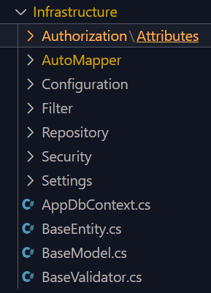

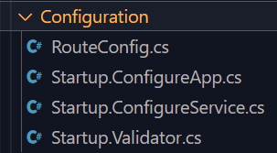

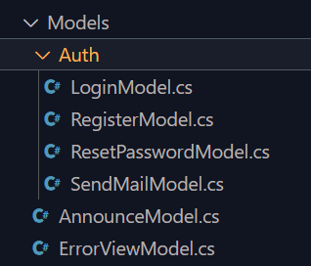

 | 2. | RouteConfig

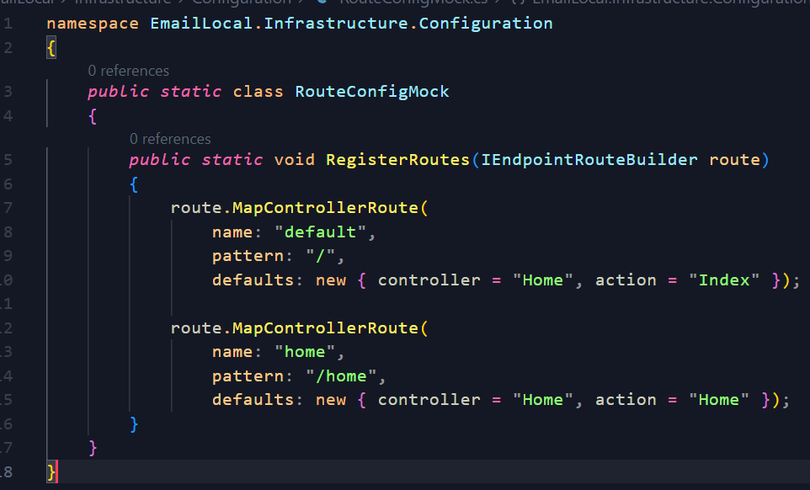

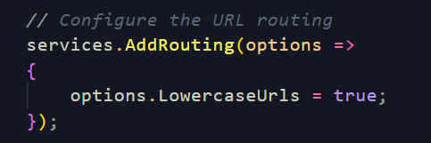

 | 3. | Bind AppSetting

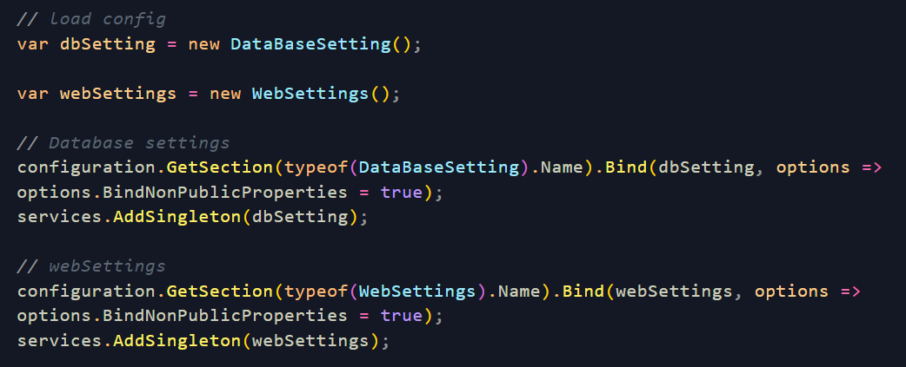

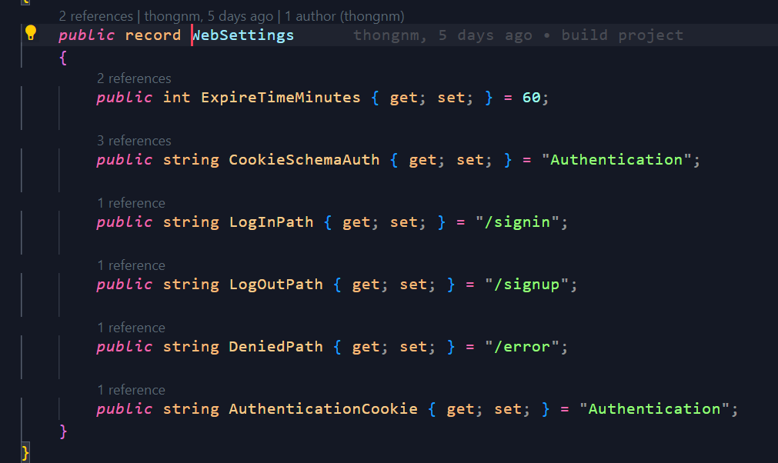

 | ** You can add any json file as you wish by method
 | configuration.AddJson()

 | 4. | Entity Framwork Core

 | 4. | DBContext

 | CREATE DBCONTEXT

1

 | REGISTER DBCONTEXT INTO SERVICES

2

 | 5. | Dependencies Injection

 | --1-- | Create IRepository

1

 | --2-- | Create implementation for interface

2

 | --3-- | Register Repository into services

3

 | --4-- | Inject Repository into controller

4

 | 6. | Migration

 | --1-- | Open Package Manager Console

 | --2-- | Add-Migration
 |  | Initial Migration
 |  | Update-Database

 | Program will add two migration classes

 | 7. | Repository

 | ○ | Repository is used to fetch data from database
 | ○ | You can inject repository into services and controllers so that they are not care about how the structure of return database

 |  | NO REPOSITORY |  | WITH REPOSITORY
 |  |  | (BAD PRACTICE)
Controller
EF & Database
Controller
DbContext
EF & Database
Repository
Repository

DbContext

 | 8. | Mapper

 | ○ | Help mapping domain model with DTO model

 | Nuget Packages
 | => | AutoMapper
 | => | AutoMapper.Extensions.Microsoft.DependencyInjection

 | Domain Model |  |  |  | DTO Model

 | --1-- | Create Profile

1

 | --2-- | Add AutoMapper to services

2

 | --3-- | Inject mapper to controller

3

 | --4-- | Use mapper in controller

4

 | 9. | Validation

 | ○ | Save data from the client

 | Case_1

 |  | This endpoint does not need validation because of the validation of Route attribute

 | Case_2

 |  | This endpoint need validation

 |  | ModelState: ModelState is used to transfer validation errors from the server-side code to the client-side view.
 |  | For example, if a user submits a form and one of the fields fails validation, an error message can be added to the ModelState dictionary.
 |  | Then, when the view is rendered, the error message can be displayed to the user.
 |  | ModelState is a property of `ControllerBase`

 | 10. | Fluent Validation

 | ○ | Building strongly-typed validation rules

 | Nuget Packages
 | => | FluentValidation
 | => | FluentValidation.AspNetCore
 | => | FluentValidation.DependencyInjectionExtensions

 | --1-- | Register FluentValidation into Services

1

 | --2-- | Define rules

2

 | Note: |  | You don't need to validate coming input because fluentvalidation had already done it for you before
 |  |  | you get into the api method
 |  |  | => if validation is false, fluentvalidation automatically update the ModelState and return badrequest

 | 11. | Authentication & Authorization

 | ○ | Authentication: determine which user can access your api (not everyone can access your API => your DB)
 | ○ | Authorization: determine roll of valid user (not every user can use important API like delete)

 | AUTHENTICATION FLOW
 | JSON Web Tokens (JWT)

Send Username & Password
WWW
API
DB
Get JWT Token

Use JWT to make call

Get data back

 | Nuget Packages
 | => | Microsoft.AspNetCore.Authentication.JwtBearer (6.0.15)
 | => | Microsoft.IdentityModel.Tokens
 | => | System.IdentityModel.Tokens.Jwt

 | 1. Create TokenHandler class (Service)

1

 | 2. AuthController (using TokenHandler)

2

 | 3. Add authentication to services

3

3

 | 4. Jwt constant information

 | 12. | Logger

DotNet6_WebApp
Web Application With .Net core

 | 1. | Project Structure

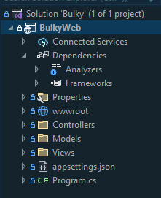
 |  |  |  | 1. Dependency => package
 |  |  |  | When we have multiple project, we can add it as dependencies
 |  |  |  | Dependencies mean that this project is dependence from that project
 |  |  |  | and so on...

 | 2. | RouteConfig

 | 3. | Bind AppSetting

 | ** You can add any json file as you wish by method
 | configuration.AddJson()

 | 4. | Entity Framwork Core

 | 4. | DBContext

 | CREATE DBCONTEXT

1

 | REGISTER DBCONTEXT INTO SERVICES

2

 | 5. | Dependencies Injection

 | --1-- | Create IRepository

1

 | --2-- | Create implementation for interface

2

 | --3-- | Register Repository into services

3

 | --4-- | Inject Repository into controller

4

 | 6. | Migration

 | --1-- | Open Package Manager Console

 | --2-- | Add-Migration
 |  | Initial Migration
 |  | Update-Database

 | Program will add two migration classes

 | 7. | Repository

 | ○ | Repository is used to fetch data from database
 | ○ | You can inject repository into services and controllers so that they are not care about how the structure of return database

 |  | NO REPOSITORY |  |  | WITH REPOSITORY
 |  |  | (BAD PRACTICE)
Controller
EF & Database
Controller
DbContext
EF & Database
Repository
Repository

DbContext

 | 8. | Mapper

 | ○ | Help mapping domain model with DTO model

 | Nuget Packages
 | => | AutoMapper
 | => | AutoMapper.Extensions.Microsoft.DependencyInjection

 | Domain Model |  |  |  |  | DTO Model

 | --1-- | Create Profile

1

 | --2-- | Add AutoMapper to services

2

 | --3-- | Inject mapper to controller

3

 | --4-- | Use mapper in controller

4

 | 9. | Validation

 | ○ | Save data from the client

 | Case_1

 |  | This endpoint does not need validation because of the validation of Route attribute

 | Case_2

 |  | This endpoint need validation

 |  | ModelState: ModelState is used to transfer validation errors from the server-side code to the client-side view.
 |  | For example, if a user submits a form and one of the fields fails validation, an error message can be added to the ModelState dictionary.
 |  | Then, when the view is rendered, the error message can be displayed to the user.
 |  | ModelState is a property of `ControllerBase`

 | 10. | Fluent Validation

 | ○ | Building strongly-typed validation rules

 | Nuget Packages
 | => | FluentValidation
 | => | FluentValidation.AspNetCore
 | => | FluentValidation.DependencyInjectionExtensions

 | --1-- | Register FluentValidation into Services

1

 | --2-- | Define rules

2

 | Note: |  | You don't need to validate coming input because fluentvalidation had already done it for you before
 |  |  | you get into the api method
 |  |  | => if validation is false, fluentvalidation automatically update the ModelState and return badrequest

 | 11. | Authentication & Authorization

 | ○ | Authentication: determine which user can access your api (not everyone can access your API => your DB)
 | ○ | Authorization: determine roll of valid user (not every user can use important API like delete)

 | AUTHENTICATION FLOW
 | JSON Web Tokens (JWT)

Send Username & Password
WWW
API
DB
Get JWT Token

Use JWT to make call

Get data back

 | Nuget Packages
 | => | Microsoft.AspNetCore.Authentication.JwtBearer (6.0.15)
 | => | Microsoft.IdentityModel.Tokens
 | => | System.IdentityModel.Tokens.Jwt

 | 1. Create TokenHandler class (Service)

1

 | 2. AuthController (using TokenHandler)

2

 | 3. Add authentication to services

3

3

 | 4. Jwt constant information

 | 12. | Logger

