Sheet1
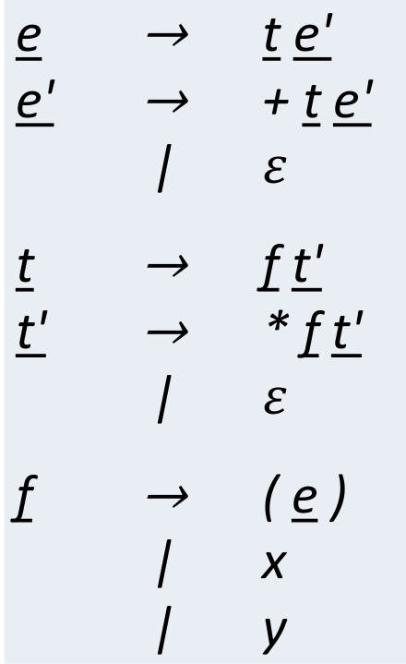
e -> t e'
e' -> +te' |  |  | First
e' -> |  |  | f | f->(E) | First(f) = { (, x,y}
 |  |  |  | f-> x
 |  |  |  | f-> y
 |  |  | t' | t'-> *ft' | First(t') = {*,e }
 |  |  |  | t'->e
 |  |  | t | t-> ft' | First(t)= First (f)= {(, x,y}
 |  |  | e' | e'-> +te' | First(e')= {+,e }
 |  |  |  | e'-> e
 |  |  | e | e-> te' | First (e )= First (t)= {(,x,y}

 |  |  | Follow
 |  |  | e | f-> (E ) | Follow(E) = {$, )}
 |  |  | e' | e- > te' | Follow(e' ) = Follow(e ) ={$, )}
 |  |  |  | e'-> +te'
 |  |  | t | e- > te' | Follow (t ) = First(e')= {+, }
 |  |  |  | e'-> +te'
 |  |  |  | e'->t | Folow (t)= follow (e') = {$, ) }
 |  |  |  |  | Folow(t) = {+, $, )}
 |  |  | t' | t-> ft' | Follow(t') = Follow(t) = {+,$, )}
 |  |  |  | t'->*ft'
 |  |  | f | t->ft' | Follow (f) = First (t') = {*,$, )}
 |  |  |  | t'-> *ft'
 |  |  |  | t-> f | Follow (f)= follow (t) = {+, $, ), *}
 | ( | x | + | y | ) | * | $
e | e-> te' | e-> te' |  | e-> te'
e' |  |  | e'-> te' |  | e'-> e |  | e'->e
t | t-> ft' | t-> ft' |  | t->ft'
t' |  |  | t'-> e |  | t'-> e | t'-> *ft' | t'->e
f | f->(E) | f->x |  | f->y

