Trang_tính1
E -> T E' E' -> + T E'| e T -> F T' T' -> * F T'|e F -> ( E )| id |  |  |  |  | First | Đi từ dưới đi lên, trái sang phải
 |  |  |  |  | F | F -> (E) | First(F) = {(,id}
 |  |  |  |  |  | F -> id
 |  |  |  |  | T' | T' -> *FT | First(T') = {*,e}
 |  |  |  |  |  | T' -> e
 |  |  |  |  | T | T -> F T ' | First (T) = First(F) = {(,id}
 |  |  |  |  | E' | E' -> + T E' | First(E') = { +,e}
 |  |  |  |  |  | E' -> e
 |  |  |  |  | E | E-> T E' | First (E) = First (T) = {(,id}

 |  |  |  |  | Follow | Đi từ trên xuống, phải sang trái
 |  |  |  |  | E | F -> ( E ) | Follow (E) = {$,)}
 |  |  |  |  | E' | E -> T E' | Follow (E') = Follow (E) = {$,)}
 |  |  |  |  |  | E' -> + T E'
 |  |  |  |  | T | E -> T E' | Follow (T) = First (E') = {+,
 |  |  |  |  |  | E' -> + T E'
 |  |  |  |  |  | E -> T | Follow (T) = Follow (E) = {$,)}
 |  |  |  |  |  |  | Follow (T) = {+,$,)}
 |  |  |  |  | T' | T -> F T' | Follow(T') = Follow(T) = {+,$,)}
 |  |  |  |  |  | T' -> * F T'
 |  |  |  |  | F | T -> F T' | Follow (F) = First(T') = {*,
 |  |  |  |  |  | T' -> * F T'
 |  |  |  |  |  | T -> F | Follow (F) = Follow(T) = {+,$,)}
 |  |  |  |  |  |  | Follow (F) = {*,+,$,)}

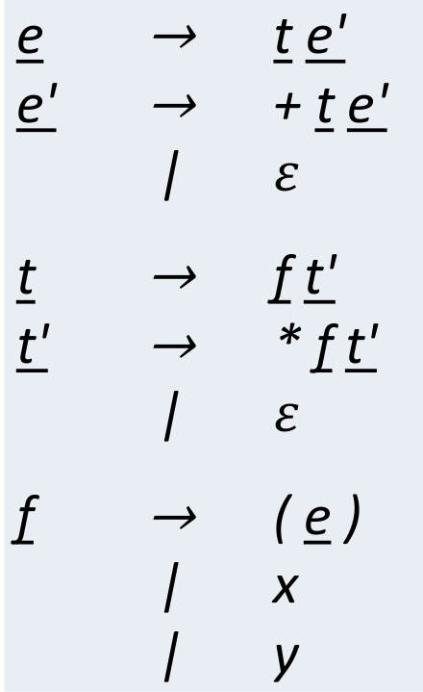
 |  |  |  |  | First
 |  |  |  |  | F | F -> ( E) | First(F) = {(,X,Y}
 |  |  |  |  |  | F -> X
 |  |  |  |  |  | F -> Y
 |  |  |  |  | T' | T' -> *F T' | First(T') = {*,e}
 |  |  |  |  |  | T' -> e
 |  |  |  |  | T | T-> FT' | First(T) = First(F) = {(,X,Y}
 |  |  |  |  | E' | E' -> + T E' | First (E') = {+,e}
 |  |  |  |  |  | E' -> e
 |  |  |  |  | E | E-> T E' | First(E) = First (T) = {(,X,Y}

 |  |  |  |  | Follow
 |  |  |  |  | E | F -> (E) | Follow (E) = {$,)}
 |  |  |  |  | E' | E -> T E' | Follow(E') = Follow(E) = {$,)}
 |  |  |  |  |  | E' -> +TE'
 |  |  |  |  | T | E -> T E' | Follow (T) = First(E') = {+,
 |  |  |  |  |  | E' -> +TE'
 |  |  |  |  |  | E -> T | Follow (T) = Follow (E) ={$,)}
 |  |  |  |  |  |  | Follow (T) = {+,$,)}
 |  |  |  |  | T' | T -> F T' | Follow (T') = Follow(T) = {+,$,)}
 |  |  |  |  |  | T' -> * F T'
 |  |  |  |  | F | T -> F T' | Follow(F) = First (T') = {*,
 |  |  |  |  |  | T' -> * F T'
 |  |  |  |  |  | T -> F | Follow(F) = Follow(T) = {+,$,)}
 |  |  |  |  |  |  | Follow(F) = {*,+,$,)}

 | x | y | ( | ) | * | + | $ | (x+y)*x
E | E -> TE' | E -> TE' | E -> TE'
E' |  |  |  | E' ->e |  | E' -> + TE' | E' ->e | INPUT | OUTPUT | STACK | ACTION
T | T -> FT' | T -> FT' | T -> FT' |  |  |  |  | ( |  | $ E | push $, E
T' |  |  |  | T' -> e | T' ->* FT' | T' -> e | T' -> e |  | E -> TE' | $,E',T | pop E, push E',T
F | F -> X | F-> Y | F ->(E) |  |  |  |  |  | T -> FT' | $,E',T',F | pop T, push T',F
 |  |  |  |  |  |  |  |  | F ->(E) | $,E',T',),E,( | pop F, push ),E,(
 |  |  |  |  |  |  |  | X |  | $,E',T',),E | pop (
 |  |  |  |  |  |  |  |  | E -> TE' | $,E',T',), E',T | pop E,push E',T
 |  |  |  |  |  |  |  |  | T -> FT' | $,E',T',), E',T',F | pop T, push T',F
 |  |  |  |  |  |  |  |  | F -> X | $,E',T',), E',T',X | pop F,push X
 |  |  |  |  |  |  |  | + |  | $,E',T',), E',T' | pop X
 |  |  |  |  |  |  |  |  | T' -> e | $,E',T',), E' | pop T'
 |  |  |  |  |  |  |  |  | E' -> + TE' | $,E',T',), E',T,+ | pop E', push E',T,+
 |  |  |  |  |  |  |  | Y |  | $,E',T',), E',T | pop +
 |  |  |  |  |  |  |  |  | T -> FT' | $,E',T',), E',T',F | pop T, push T',F
 |  |  |  |  |  |  |  |  | F-> Y | $,E',T',), E',T',Y | pop F, push Y
 |  |  |  |  |  |  |  | ) |  | $,E',T',), E',T' | pop Y
 |  |  |  |  |  |  |  |  | T' -> e | $,E',T',), E' | pop T'
 |  |  |  |  |  |  |  |  | E' ->e | $,E',T',) | pop E'
 |  |  |  |  |  |  |  | * |  | $,E',T' | pop )
 |  |  |  |  |  |  |  |  | T' -> *FT' | $,E',T',F,* | pop T', push T',F,*
 |  |  |  |  |  |  |  | X |  | $,E',T',F | pop *
 |  |  |  |  |  |  |  |  | F -> X | $,E',T',X | pop F, push X
 |  |  |  |  |  |  |  | $ |  | $,E',T' | pop X
 |  |  |  |  |  |  |  |  | T' -> e | $,E' | pop T'
 |  |  |  |  |  |  |  |  | E' ->e | $ | pop E'
 |  |  |  |  |  |  |  |  |  | $

