Order Status
User(tester) | G-ERP | Hybris B/O order 상태 | Consignment 상태 | My Order 상태 | GFQ/GMQ |  | Notice
주문완료, Hybris place order, create PO (purchase order) | PO (purchase order) 값 업데이트 | WAITING_FOR_SEND_FINANCIAL |  | Processing | created->….fraud check -> payment capture… -> waiting for send…. |  | Order completed, cancelable
Cronjob - tokoFinancialInitialUpdateJob' | FI-Posting | ORDER SPLIT |  | Processing |  |  | payment completed, cancelable
Cronjob -tokoTransferConsignmentToWarehouseJob' 실행, Hybris에 SO값 생성 | SO (sale order) 값 업데이트 | SHIPPING_REQUESTED | SHIPPING_REQUESTED | Processing | get SO number | 1 SO, but come to GERP, want to have 2 consignments to proceed | Request Delivery, cancelable
Hybris에 DO값 생성 확인 | DO (delivery order) 값 업데이트 | SHIPPING_PREPARATION | SHIPPING_PREPARATION | Preparing Dispatch | /n VA03 => Check order information is sent to GERP correctly, then Create DO | Run cronjob: Bulkfetch to update GERP info to Hybris Manual click fetch consingment button in CS agent | ready to delivery, cancle impossible (except CA, DE,FR,UK,BE,NL)
Tracking ID 업데이트 확인 | 1st G/I 업데이트 | SHIPPED | SHIPPED waiting for additional info | Dispatched | /n VL02N => 1st GI |  | delivering, cancle impossible
Add IMEI/ Serial No | IMEI/ Serial no | SHIPPED | SHIPPED | Dispatched | /n ZLEZ59040 => Input IMEI. Some countries need to upload IMEI or use provided IMEI like SENA
Hybris Billing값 업데이트 확인, | 2nd G/I 업데이트, Billing 값 업데이트 | WAITING FOR FINANCIAL | COMPLETED | Dispatched | /n ZLLEJ50150 => Input EPOD (have info to define it's normal order or SIT return order) , do 2nd GI and Billing
Cronjob - 'tokoFinancialCompletionJob' 실행 | Final FI posting | COMPLETED | COMPLETED | Delivered |  |  | delivery completed, refund and replacement possible
My order or CS agent에서 [Cancel] 동작 |  | CANCELLED | CANCELLED | Cancelled | create RDO => /N … => |  | request cancel
Hybris Cronjob - FetchConsignmentUpdateJob' 실행 | FI-Posting 차감값 업데이트 | WAITING_FOR_SEND_FINANCIAL_FOR_SHORT_PICKS | WAITING_FOR_SEND_FINANCIAL_FOR_SHORT_PICKS | Cancelling |  |  | process in cancel
Hybris Cronjob -FinancialShortPicsUpdateJob' 실행 | FI-Posting 차감값 업데이트 | WAITING_FOR_FINANCIAL | WAITING_FOR_FINANCIAL | Cancelling |  |  | process in cancel
Hybris Cronjob -FinancialCompletionJob' 실행, 페이먼트 B/O Refund값 확인 |  | CANCELLED | CANCELLED | Cancelled |  |  | cancel completed
Complete' 상태일때 CS agent에서 [Create Return] 동작 | RSO, RDO값 업데이트 | RETURN_REQUESTED | RETURN_REQUESTED, WAITING_FOR_RETURN | RETURNING(or RETURN_REQUESTED, ) |  |  | request refund
Hybris Cronjob -'tokoReturnsProcessCheckStatusJob' 실행, 'Hybris Cronjob -'FinancialCompletionJob' 실행 | FI-Posting 차감값 업데이트, Rbilling값 업데이트 | COMPLETED | COMPLETED | Returned(or Delivdered) |  |  | refund completed
Complete' 상태일때 CS agent에서 [Create Replacement] 동작, NPO 확인 | RSO, RDO값 업데이트, NPO 생성 | RETURN_REQUESTED | Return Requested WAITING_FOR_TRANSFER | Exchanging(or Exchange Requested) |  |  | request replacement
교환된 상품 NSO, NDO생성하여 배송완료 | NSO, NDO, NBliing 업데이트 | Completed | COMPLETED | Exchanged(or Delivdered) |  |  | replacement completed
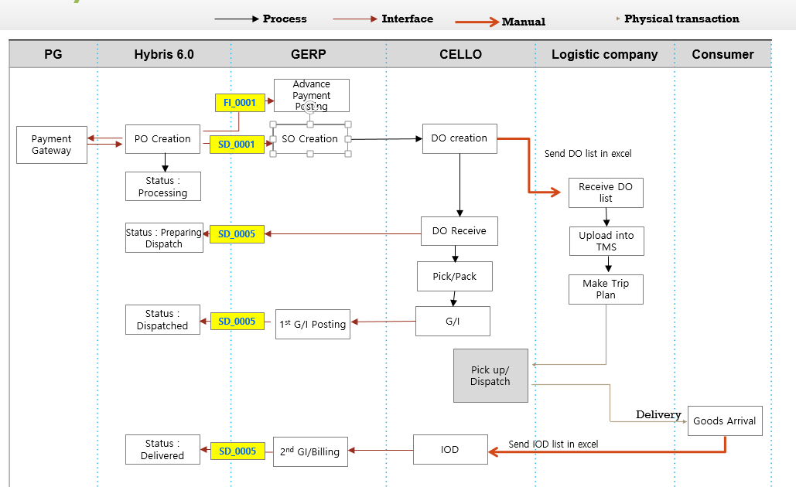
Upload your document and check your credit Check out the required payment (ex: 'Evolli' 'Commerz') |  | WAIT_FOR_CHECK_EXTERNAL |  | Pending / validation |  |  | Waiting status, waiting for approval
 |  |  |  | *영어국가기준, My order 상태는 국가마다 용어가 다름

 |  |  | Return | RDO | RBO | => Completed
 |  |  |  |  |  |  | cybersource | credit
 |  |  | Replacement | New order | NPO | same as normal complete order flow | napas | ATM
 |  |  |  | Return order | RDO | RBO

 |  |  |  |  |  | ERP |  |  |  | line 1 | samsung acc: credit
 |  |  |  |  |  | GERP |  |  |  | line 2 | samsung acc: debit

 |  |  |  |  |  | GFQ: financial | Initial FI posting | Credit | balance=0 | Cancel
 |  |  |  |  |  |  | Finall FI posting | debit |  | SIT return
 |  |  |  |  |  | GMQ: sale document | output: Complete |  |  | return
 |  |  |  |  |  |  | output: SIT return (stock in transit return) |  |  | replacement

 |  |  |  |  |  | Complete order

 |  |  |  |  |  | Waiting for send financial
 |  |  |  |  |  | Order split | PO: Mobile- GHN, TV- Installment |  | IM/CE
 |  |  |  |  |  |  | SO (sale order) |  | Delivery mode
 |  |  |  |  |  |  | -SO1: Mobile-GHN -> deliver trước -SO2: TV-Installment -> 3-4 days |  | added service : warranty
 |  |  |  |  |  |  | Rules: - Product category (IM: mobile related/CE (comsume electronic) ) - Delivery method: |  | no consignment split
 |  |  |  |  |  |  | Ex: 2 MO1- GHN, MO2-GHTK, 1 TV-GHTK => 3 SO

 |  |  | SO-> DO>1st G/I, 2nd G/I-> BO |  | information of delivery | ePOD: electronic post of delivery | Receive: NORD, return: CRJT/CPAD
 |  |  |  |  | goods/issue | issue cái good | stock in transit return (SIT return)
 |  |  | receive
 |  |  | refuse
 |  |  |  | ePOD | electronic Post of delivery
NORD |  |  |  |  | iOD: information of delivery
 |  |  |  | NORD | complete flow
 |  |  |  | CRJT | sit return | return warehouse | normal WH
 |  |  |  | CPAD | parital SIT return

SIT return |  |  | Cancel
(stock in transit return)
ePOD |  |  | Cancel | My account | Full cancel
CRJT | sit return |  |  | Csagent | Full cancel
CPAD | parital SIT return |  |  |  | Partial cancel | Cancel in same consignment/ cancel different consignment
RSO -> RDO |  |  |  |  |  | 1. cancel flow 2. complete flow
va03 -> tìm RSO number |  |  |  | Hybris | GFQ | GMQ | Email
 |  |  | Waiting for send financial | x | o | o | cancel request
full SIT return |  |  | Order split | x | x | o | refund email
partial SIT return |  |  | Shipping requested | x | x | x
 |  |  |  | order status => cancelled | FI posting line | SO is cancelled
 |  |  |  |  | balance = 0

SO->DO->BO
RDO | chuyển hàng về kho return WH
 |  |  | 4 sản phẩm | SO1: 2 Mo, 1 tablet
GFQ |  |  |  | SO2: 1 TV

 |  |  | full cancel | cancel 3 sp
 |  |  | partial cancel | cancel consignment | cancel SO2
 |  |  |  | cancel qty | cancel 1 tablet in SO1
 |  |  |  |  | cancel 1 Mo in SO1

 |  |  | order flow | 1 complete part
 |  |  |  | 1 cancelled part

1. Các valid flows |  |  | 1. Các valid flows
 |  |  | full cancel | 1 consignment | shipping requested
Hà |  |  | partial cancel | 1 consignment: 2 SKU | system đang k cho cancel
 |  |  |  | nhiều consignment, nhiều SKU

 |  |  | issue:
 |  |  | order bị stuck | => escalate
 |  |  | move sang IT đặt order mới
 |  |  | không đặt được IM+ CE | =>

 |  |  | Action:
2. GFQ |  |  | - Hỏi IT về việc đặt order multiconsignment => valid SKUs
 |  |  | - Suggest another countries để thực hành
 |  |  | - Isssue: No schedule line…. => hỏi IT. Nếu global issue: => thôi. Làm đơn cancel.

 |  |  | SC+

 |  |  | Main product | SKU1 | SKU1+SKU2
 |  |  | SC+ product | SKU2

Return

SO-> DO -> BO-> Completed

return request -> Hybris gửi request cho NERP -> NERP response RSO về -> Hybris update to system
GFQ | refund, shortspic | reverse finance lines | 4 lines: 2 lines -> completed, 2lines -> return
GMQ | RSO -> RDO -> RBO | completed
Hybris | order status, sync data

Replacement
KH nhận hàng, muốn đổi sang sản phẩm khác (cùng loại, có thể khác màu)

return sản phẩm cũ về return wh | RSO -> RDO -> RBO |  | RSO
deliver sản phẩm mới tới KH | Order status start from Order split |  | NPO
 | NPO -> NSO -> NDO -> NBO |  | release delivery block
parent PO => completed

Custom product
Zflip/Fold | xưởng cbi product (28 days)

