Answer
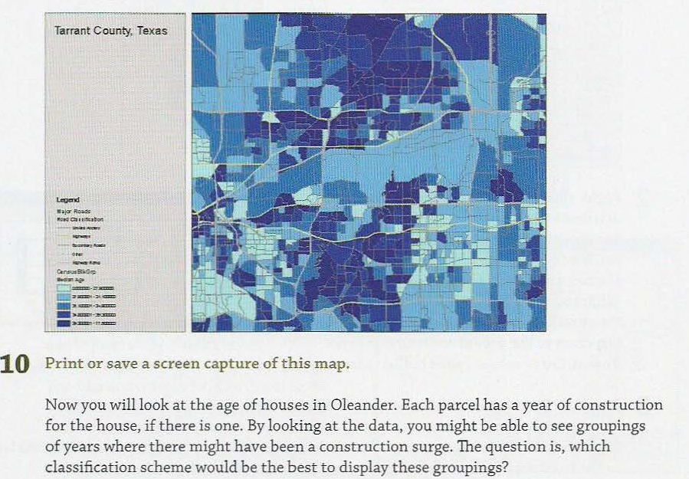
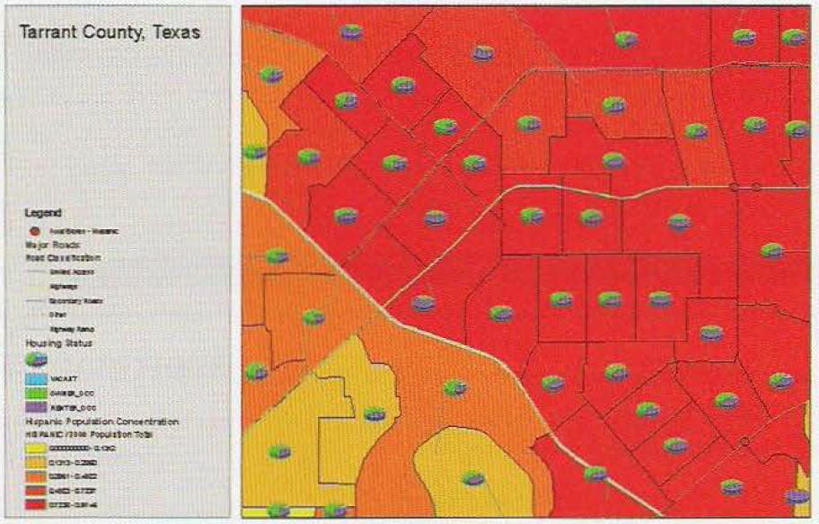
Q22 | P71

Q77 | P12 | Figure 1.11
Q100 | P189 | Vector overlays

 | P195 | Raster overlays
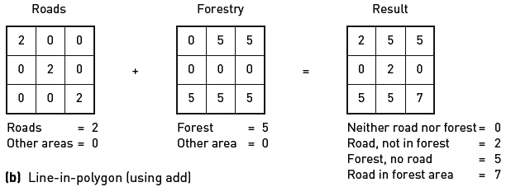

Q171 | In the newly symbolized feature class,
 | the red dots represent hot spots, or
 | areas where features have high positive
 | z-scores because they are surrounded by
 | features with similar values, high or low.
 | The blue dots represent the cold spots, or
 | areas where features have low negative
 | z-scores because they are surrounded by
 | features with dissimilar values.
 | Since high z-scores can represent both high and low values of the input field, it would
 | help to know where high values are surrounded by other high values, or low values are
 | surrounded by other low values. An additional field is added to the results table to show
 | where this occurs.

Q407
 | Data: | Trip data | bicycle trip | origin | destination | route-shorest distance (Dijkstra)
 |  |  | non-bicycle trip
 |  | Demographic Variable
 |  | Spatial analysis zones | buffer zones for origin,destination, path
 |  | Built environment measures | physical environment | Greenery: percentage of land area with green cover
 |  |  |  | Air pollution: average nitrogen dioxide concentration
 |  |  |  | Topography: | Hilliness-standard deviation of the elevation for grid points within each buffer zone
 |  |  |  |  | Steepness-each route is split into 100-m segments, slope for each segment, percentage of route segments with slope>5%
 |  |  | Land use | population density - population/buffer area
 |  |  |  | specific land use - residential, area / total land area, in the buffer
 |  |  |  | Land use mix - entropy
 |  |  | Road network | Road types - four categories, percentage of each category, category length in km / total length of routes in buffer zone
 |  |  |  | connectivity - intersection density, the number of intersections / buffer area in hectares
 |  |  |  | Bicycle route - off-street cycling network, percentage of cycling routes
 |  |  |  | Bicycle facilities - the number of traffic calming features, marks, signs, lights in each buffer
 | Method: | Multilevel logistic regression

Q 147
 | What is the construction trend given construction years of dwelling units in the city of Oleander

