Use_Case
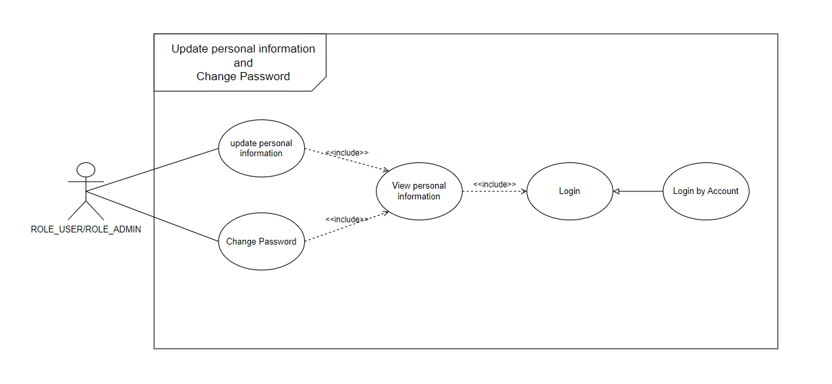
4.2 Chức năng cập nhật thông tin cá nhân
4.3 Chức năng đổi mật khẩu

Class_Diagram
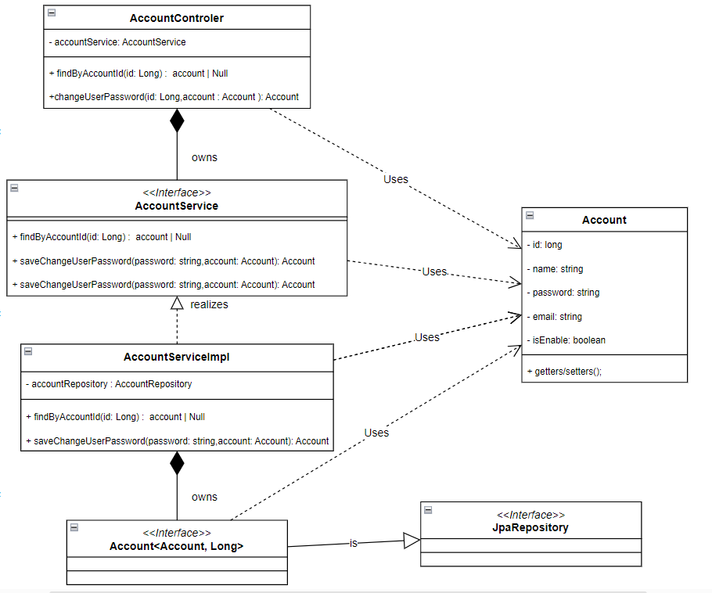
4.2 Chức năng cập nhật thông tin cá nhân

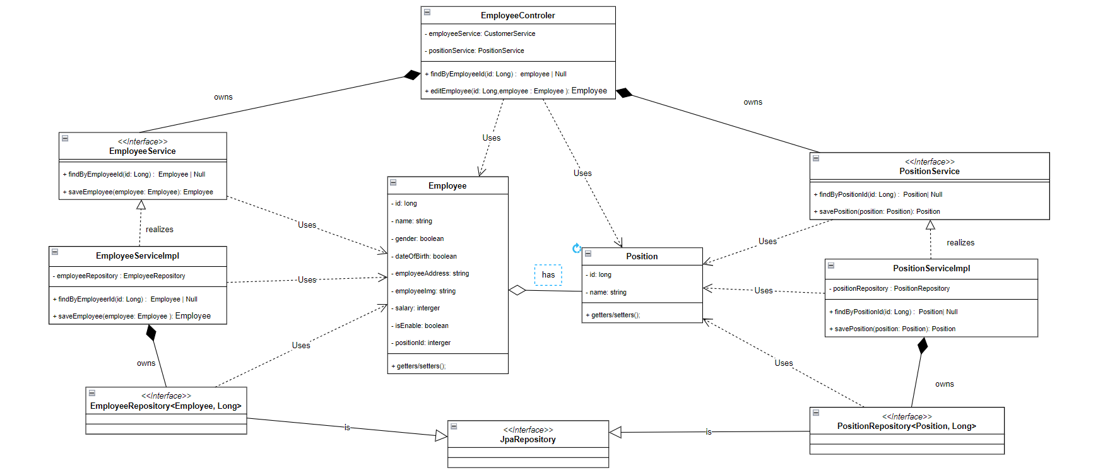

*Note sẽ cố gắng phát triển làm thêm cập nhật khách hàng mặc dù trong SRS không yêu cầu và phân task

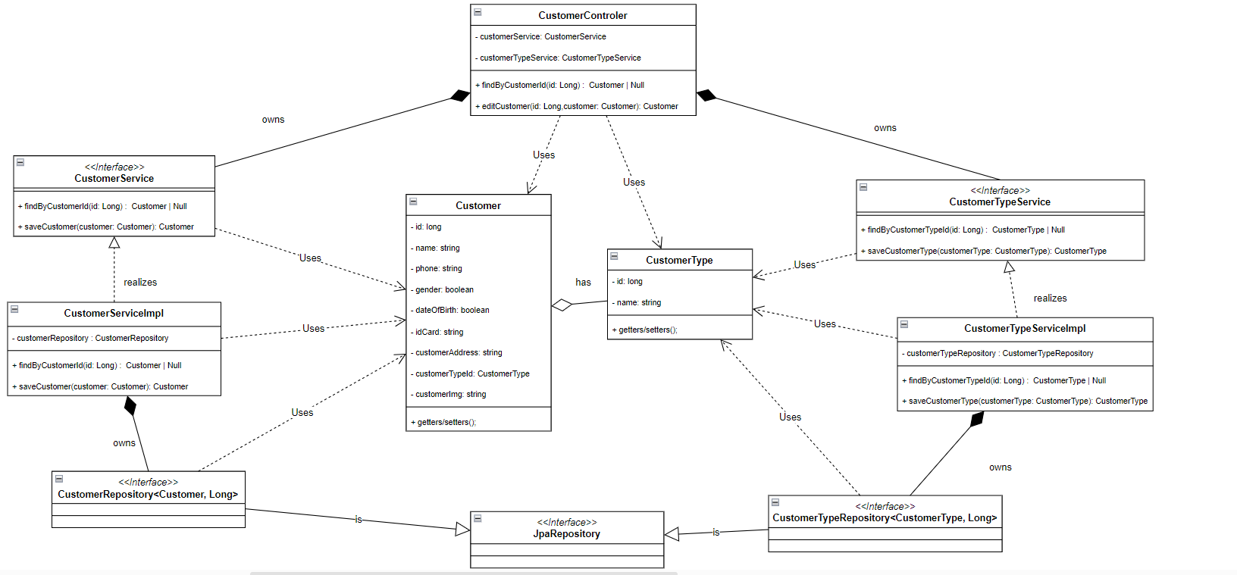

4.3 Chức năng đổi mật khẩu

Sequence_Diagram
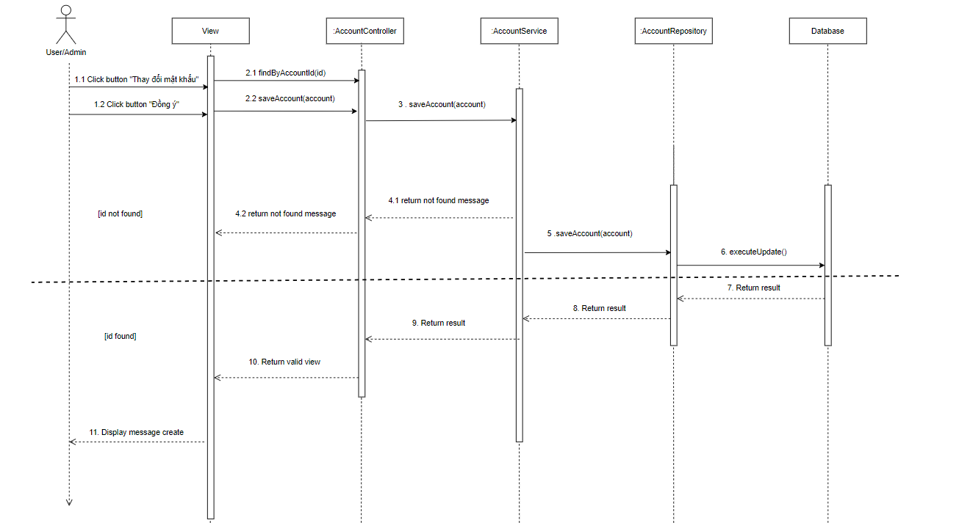
4.2 Chức năng cập nhật thông tin cá nhân

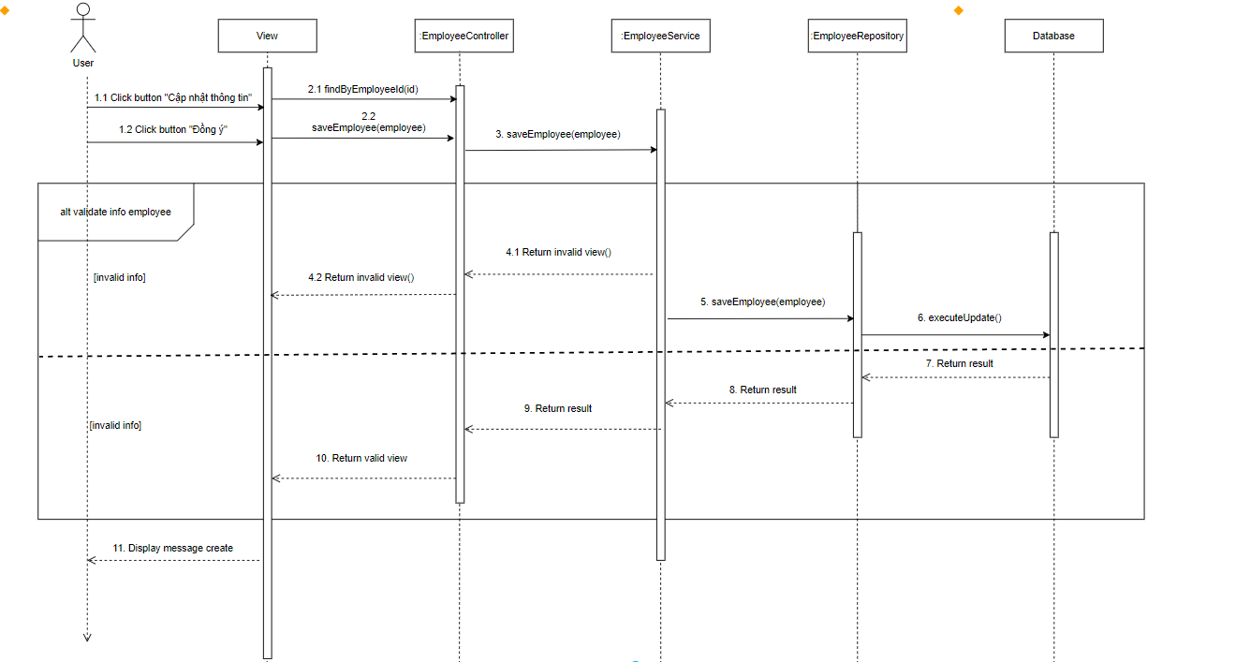

4.3 Chức năng đổi mật khẩu

