Bound_activity_up
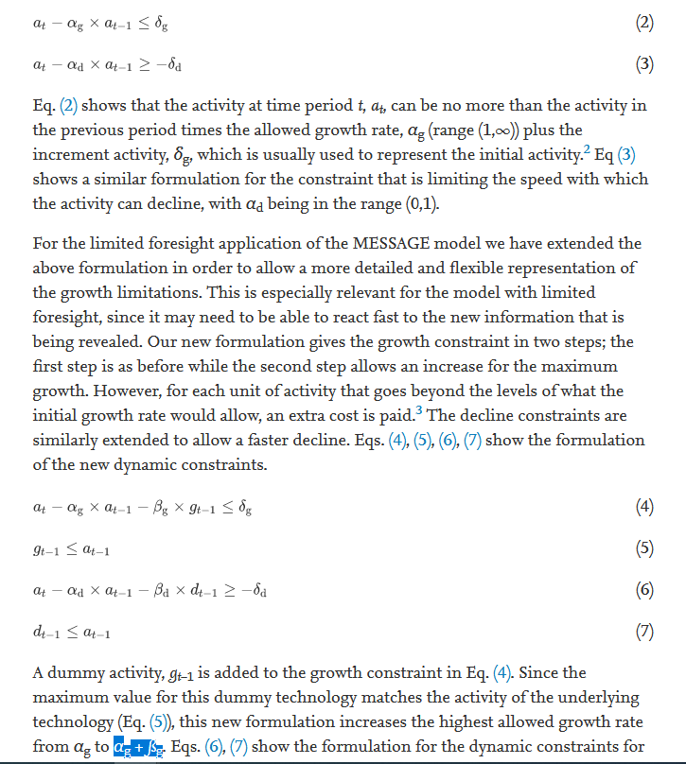
Parameters for loil_trp |  |  |  |  |  |  |  | Paste ACT values from carbon tax scenario
initial_act_up |  |  |  | 690 | 700 | 710 | 720 |  |  |  |  |  | 700 | 710 | 720
Westeroes | wind_ppl | year |  | 0 | 0 | 0 | 0 | Westeros | wind_ppl | 690 | standard | year | 10.350076104
 |  |  |  |  |  |  |  | Westeros | wind_ppl | 700 | standard | year | 20.224739443 | 20.224739443
growth_act_up |  |  |  | 690 | 700 | 710 | 720 | Westeros | wind_ppl | 710 | standard | year |  | 48.45362522 | 48.45362522
Westeroes | wind_ppl | year |  | 0.1 | 0.1 | 0.1 | 0.1 | Westeros | wind_ppl | 720 | standard | year |  |  | 129.6803653
 |  |  |  |  |  |  |  | Paste historical activity values from soft constraint scenario
soft_activity_up |  |  |  | 690 | 700 | 710 | 720 | Westeros | wind_ppl | 690 | standard | year | 20.700152207
Westeroes | wind_ppl | year |  | 0 | 0 | 0 | 0.01 | Paste ACT values from soft constraint scenario
 |  |  |  |  |  |  |  |  |  |  |  |  | 700 | 710 | 720 | 720
Variables for loil_trp |  |  |  |  |  |  |  | Westeros | wind_ppl | 690 | standard | year | 10.350076104
ACT |  |  |  | 690 | 700 | 710 | 720 | Westeros | wind_ppl | 700 | standard | year | 20.224739443 | 20.224739443
Westeroes | wind_ppl | year |  | 21 | 31 | 78 | 211 | Westeros | wind_ppl | 710 | standard | year |  | 58.011949641 | 58.011949641 | 153.09916147
 |  |  |  |  |  |  |  | Westeros | wind_ppl | 720 | standard | year |  |  | 153.09916147
ACT_UP |  |  |  | 690 | 700 | 710 | 720 | Paste ACT_UP values from soft constraint scenario
Westeroes | wind_ppl | year |  | - | - | - | 78 |  |  |  |  | Level
 |  |  |  |  |  |  |  | Westeros | wind_ppl | 720 | year | 78.236689084
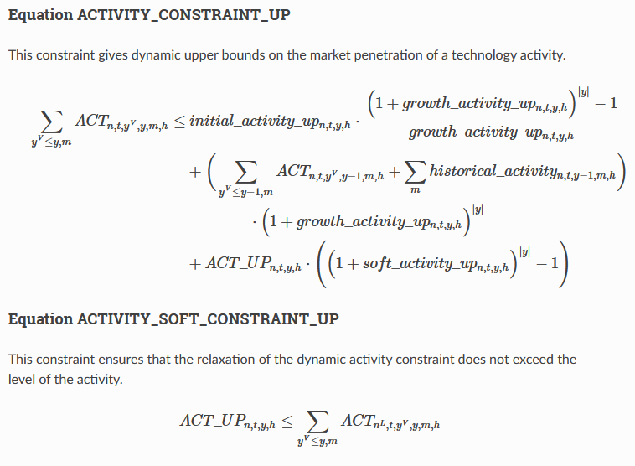
Westeros `wind_ppl` soft constraints
 | Maximum activity based on dynamic growth constraint | Potential relaxation from soft constraint | Actual Activity (Results) | Tax Emission Scenario
690 | 21 |  | 21 | 21
700 | 54 | - | 31 | 31
710 | 79 | - | 78 | 69
720 | 203 | 8 | 211 | 178
 |  |  | Max act (wo soft) | 21 | 54 | 79 | 203
 |  |  | Potential soft |  | - | - | 8
 |  |  | Potential max act (w soft) |  | 54 | 79 | 211
 |  |  | Actual annual GR |  | 3.98% | 9.85% | 10.44%

 |  |  | Max act without soft relaxation |  | 54 | 139 | 361

 |  |  | Tax Emission Scenario | 21 | 31 | 69 | 178
 |  |  |  |  |  |  | 178.13

 |  |  | 0.11 | 2.84 | 222.14689686 | 202.92582241
 |  |  | 0.1 | 2.59 |  | 8.19
 |  |  | 0.01 | 0.10
 |  |  |  | 2.70

