model_summary
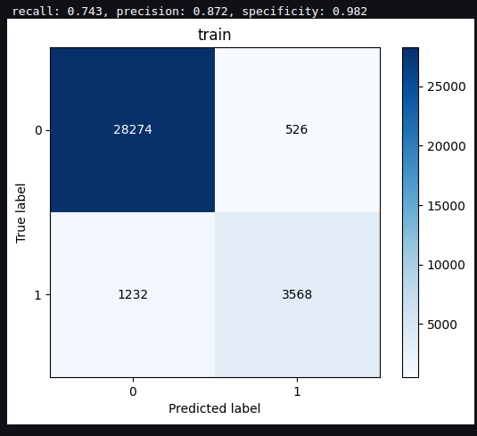
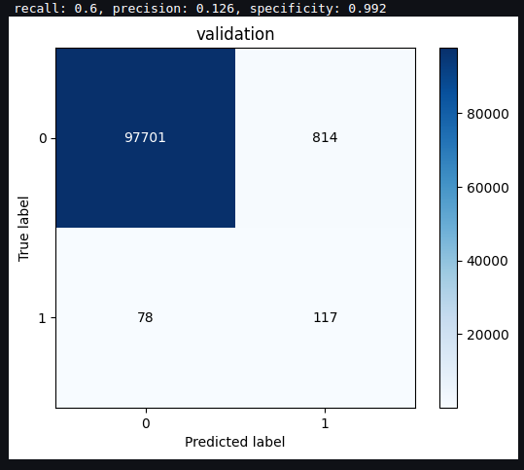
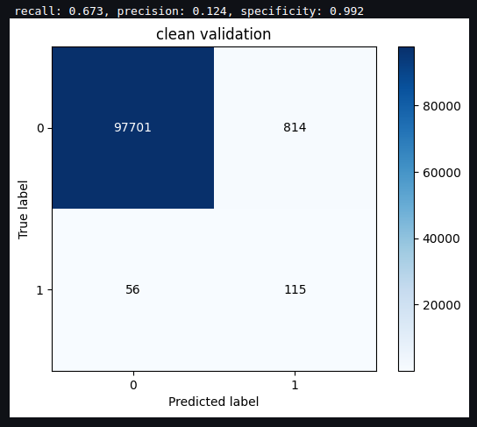
V1 model

data | 161 validated cases
preprocessing | 1. Remove phishing casesfrom training data
 | 2. Remove transactions with less that 1 USD amount from training data
model type | sklearn gradient boosting classifier
parameters | 50 trees, max depth of 2
number of features | 8
classification threshold | 0.55

performance on train (resampled data) |  | performance on validation | performance on clean validation (no phishing, no transaction under 1 USD)

