Quanta-Brain Folder Structure
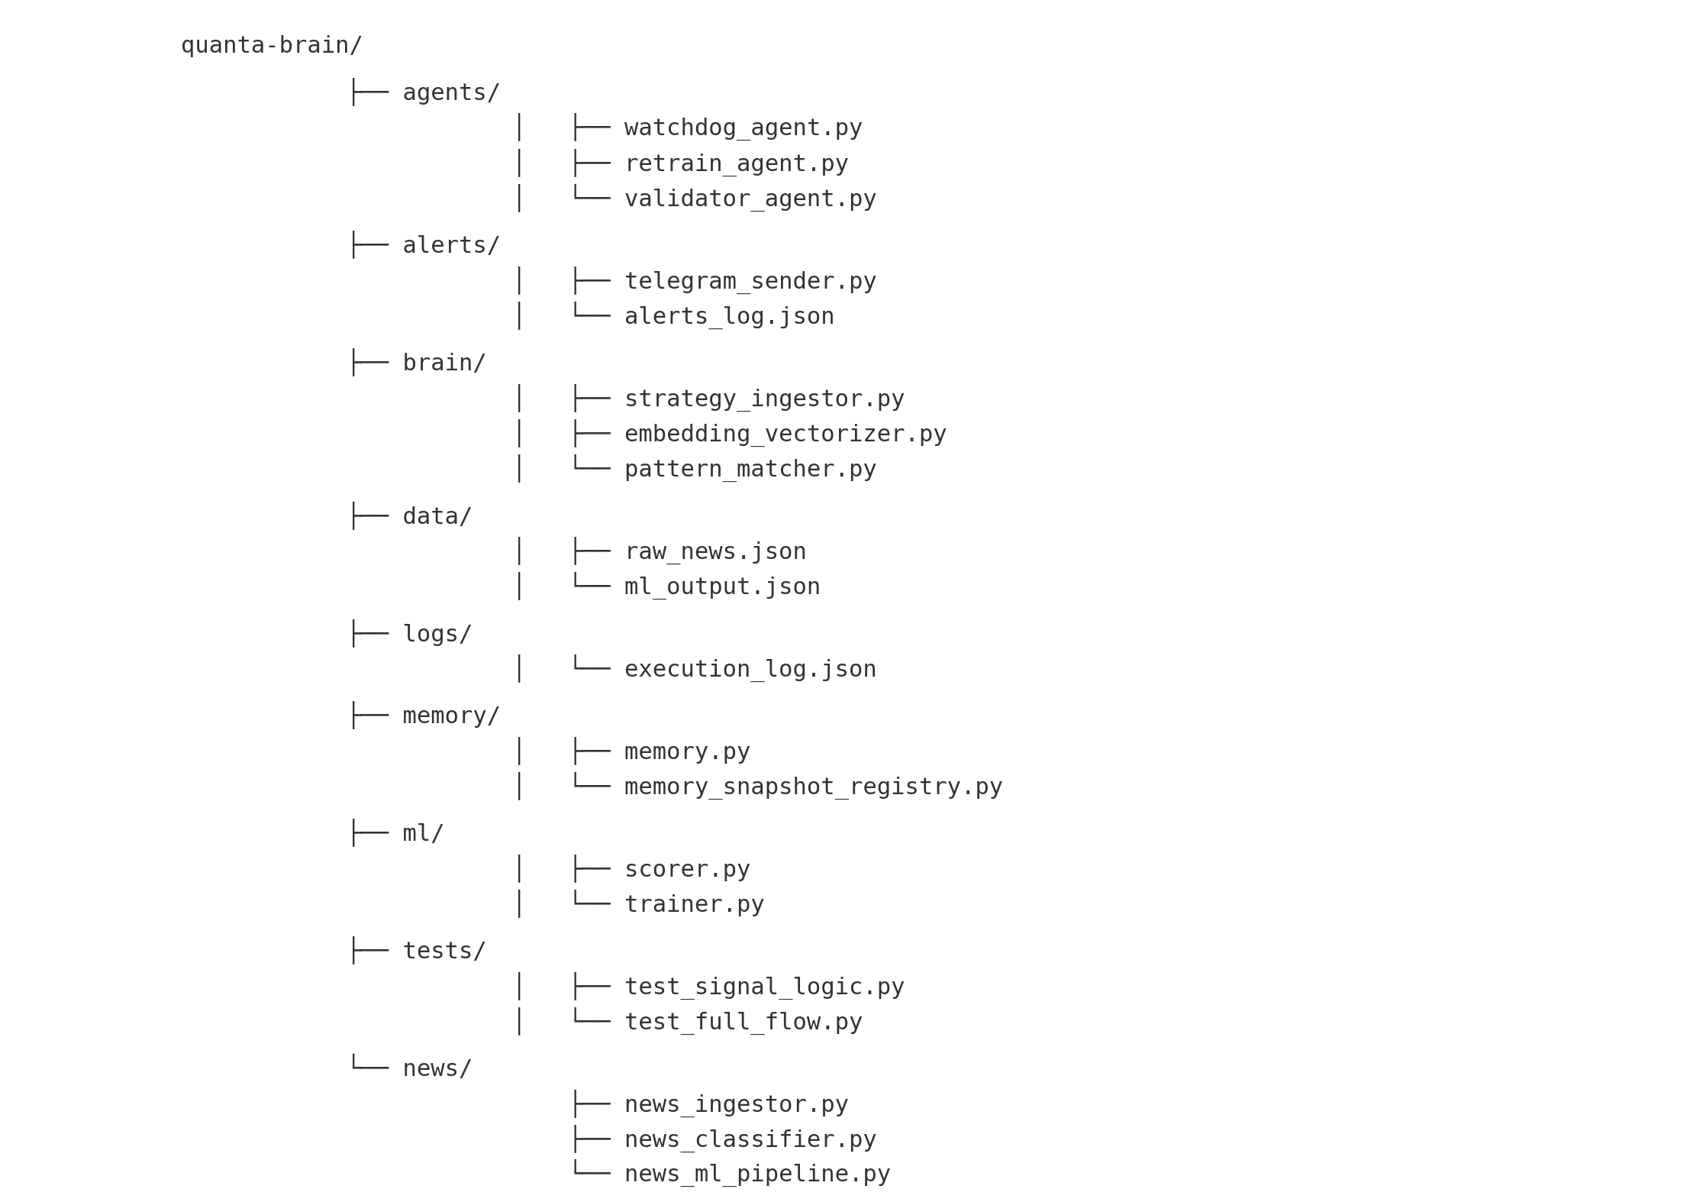
Quanta GitHub Folder Structure (Quanta-Brain)

