整體統計
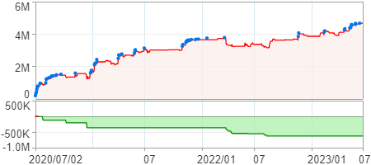
回測整體統計

回測資料範圍 | 2020/07/02 - 2023/07/02 (日資料) (逐筆洗價)
執行商品個數 | 1777(成功)7(失敗)
回測執行時間 | 2023/07/03 14:15 (費時5分32秒)
交易腳本 | 選股轉交易_v16_MDD_不還原且除權息前出
初始資金 | 1000萬元
交易費用 | 股票0.2%(成交金額)、期貨100元(口)

項目 | 全部 |  | 做多 |  | 做空
淨利 | 4,671,905 | 46.72% | 4,671,905 | 46.72% | 0 | 0.00%
毛利 | 9,745,407 | 97.45% | 9,745,407 | 97.45% | 0 | 0.00%
獲利因子 | 1.92 |  | 1.92 |  | n/a
毛損 | -5,073,502 | -50.74% | -5,073,502 | -50.74% | 0 | 0.00%
總交易成本 | 1,520,547 | 15.21% | 1,520,547 | 15.21% | 0 | 0.00%
最大投入金額 | 6,220,105 |  | 6,220,105 |  | 7,938,200
總交易次數 | 309 |  | 309 |  | 0
獲利交易次數 | 153 |  | 153 |  | 0
勝率 | 49.51% |  | 49.51% |  | 0.00%
虧損交易次數 | 156 |  | 156 |  | 0
平均交易 | 15,119 | 0.15% | 15,119 | 0.15% | 0 | 0.00%
平均獲利交易 | 63,695 | 0.64% | 63,695 | 0.64% | 0 | 0.00%
平均獲利虧損比 | 1.96 |  | 1.96 |  | 0.00
平均虧損交易 | -32,522 | -0.33% | -32,522 | -0.33% | 0 | 0.00%
最大獲利交易 | 338,945 | 3.39% | 338,945 | 3.39% | 0 | 0.00%
最大虧損交易 | -151,656 | -1.52% | -151,656 | -1.52% | 0 | 0.00%
最大區間獲利 | 4,671,905 | 46.72% | 4,671,905 | 46.72% | 4,671,905 | 46.72%
最大區間虧損 | -630,886 | -6.31% | -630,886 | -6.31% | -630,886 | -6.31%
全部交易的平均持倉K線根數 | 1.99 |  | 1.99 |  | 0.00
獲利交易的平均持倉K線根數 | 1.99 |  | 1.99 |  | 0.00
回測K線根數 | 731 |  | 731 |  | 731
虧損交易的平均持倉K線根數 | 1.99 |  | 1.99 |  | 0.00
時間加權報酬 | 38,521,064 | 385.21% | 38,521,064 | 385.21% | 0 | 0.00%
最大投入報酬率 | 4,671,905 | 75.11% | 4,671,905 | 75.11% | 0 | 0.00%
買進持有報酬 | 7,472,674 | 74.73% | 7,472,674 | 74.73% | 7,472,674 | 74.73%
大盤指數報酬 | 6,225,468 | 62.25% | 6,225,468 | 62.25% | 6,225,468 | 62.25%

執行失敗商品
商品名稱 | 狀態 | 說明
雄順(2073.TW) | 錯誤 | 選股策略執行錯誤
元晶(6443.TW) | 錯誤 | 執行時發生錯誤[(1401)商品: 6443.TW 指定欄位資料長度不足: 除權息日期]
南俊國際(6584.TW) | 錯誤 | 選股策略執行錯誤
華安(6657.TW) | 錯誤 | 選股策略執行錯誤
聯寶(6821.TW) | 錯誤 | 選股策略執行錯誤
綠茵(6846.TW) | 錯誤 | 選股策略執行錯誤
鏵友益(6877.TW) | 錯誤 | 選股策略執行錯誤

最大持倉報酬率圖
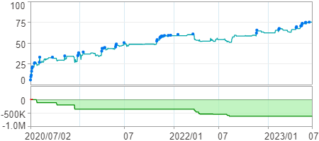

時間加權報酬率圖
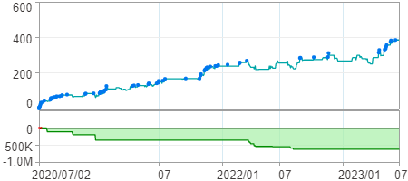

淨利曲線圖

