整體統計
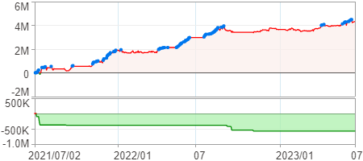
回測整體統計

回測資料範圍 | 2021/07/02 - 2023/07/02 (日資料) (逐筆洗價)
執行商品個數 | 1750(成功)34(失敗)
回測執行時間 | 2023/07/03 15:22 (費時4分29秒)
交易腳本 | 選股轉交易_v16
初始資金 | 1000萬元
交易費用 | 股票0.2%(成交金額)、期貨100元(口)

項目 | 全部 |  | 做多 |  | 做空
淨利 | 4,318,709 | 43.19% | 4,318,709 | 43.19% | 0 | 0.00%
毛利 | 7,257,731 | 72.58% | 7,257,731 | 72.58% | 0 | 0.00%
獲利因子 | 2.47 |  | 2.47 |  | n/a
毛損 | -2,939,022 | -29.39% | -2,939,022 | -29.39% | 0 | 0.00%
總交易成本 | 658,235 | 6.58% | 658,235 | 6.58% | 0 | 0.00%
最大投入金額 | 6,904,116 |  | 6,904,116 |  | 10,000,046
總交易次數 | 320 |  | 320 |  | 0
獲利交易次數 | 140 |  | 140 |  | 0
勝率 | 43.75% |  | 43.75% |  | 0.00%
虧損交易次數 | 180 |  | 180 |  | 0
平均交易 | 13,496 | 0.13% | 13,496 | 0.13% | 0 | 0.00%
平均獲利交易 | 51,841 | 0.52% | 51,841 | 0.52% | 0 | 0.00%
平均獲利虧損比 | 3.17 |  | 3.17 |  | 0.00
平均虧損交易 | -16,328 | -0.16% | -16,328 | -0.16% | 0 | 0.00%
最大獲利交易 | 333,315 | 3.33% | 333,315 | 3.33% | 0 | 0.00%
最大虧損交易 | -185,827 | -1.86% | -185,827 | -1.86% | 0 | 0.00%
最大區間獲利 | 4,625,542 | 46.26% | 4,625,542 | 46.26% | 4,625,542 | 46.26%
最大區間虧損 | -573,030 | -5.73% | -573,030 | -5.73% | -573,030 | -5.73%
全部交易的平均持倉K線根數 | 5.96 |  | 5.96 |  | 0.00
獲利交易的平均持倉K線根數 | 5.99 |  | 5.99 |  | 0.00
回測K線根數 | 486 |  | 486 |  | 486
虧損交易的平均持倉K線根數 | 5.94 |  | 5.94 |  | 0.00
時間加權報酬 | 46,672,633 | 466.73% | 46,672,633 | 466.73% | 0 | 0.00%
最大投入報酬率 | 4,318,709 | 62.55% | 4,318,709 | 62.55% | 0 | 0.00%
買進持有報酬 | 2,998,788 | 29.99% | 2,998,788 | 29.99% | 2,998,788 | 29.99%
大盤指數報酬 | 414,350 | 4.14% | 414,350 | 4.14% | 414,350 | 4.14%

執行失敗商品
商品名稱 | 狀態 | 說明
雄順(2073.TW) | 錯誤 | 選股策略執行錯誤
長榮航太(2645.TW) | 錯誤 | 選股策略執行錯誤
奇鈦科(3430.TW) | 錯誤 | 選股策略執行錯誤
展達(3447.TW) | 錯誤 | 選股策略執行錯誤
定穎投控(3715.TW) | 錯誤 | 選股策略執行錯誤
君帆(4584.TW) | 錯誤 | 選股策略執行錯誤
精拓科(4951.TW) | 錯誤 | 選股策略執行錯誤
保勝光學(6517.TW) | 錯誤 | 選股策略執行錯誤
南俊國際(6584.TW) | 錯誤 | 選股策略執行錯誤
建德工業(6606.TW) | 錯誤 | 選股策略執行錯誤
華安(6657.TW) | 錯誤 | 選股策略執行錯誤
伊雲谷(6689.TW) | 錯誤 | 選股策略執行錯誤
芯鼎(6695.TW) | 錯誤 | 選股策略執行錯誤
天擎(6708.TW) | 錯誤 | 選股策略執行錯誤
龍德造船(6753.TW) | 錯誤 | 選股策略執行錯誤
視陽(6782.TW) | 錯誤 | 選股策略執行錯誤
虎門科技(6791.TW) | 錯誤 | 選股策略執行錯誤
宏碁資訊(6811.TW) | 錯誤 | 選股策略執行錯誤
聯寶(6821.TW) | 錯誤 | 選股策略執行錯誤
汎銓(6830.TW) | 錯誤 | 選股策略執行錯誤
天二科技(6834.TW) | 錯誤 | 選股策略執行錯誤
圓裕(6835.TW) | 錯誤 | 選股策略執行錯誤
東研信超(6840.TW) | 錯誤 | 選股策略執行錯誤
長佳智能(6841.TW) | 錯誤 | 選股策略執行錯誤
進典(6843.TW) | 錯誤 | 選股策略執行錯誤
綠茵(6846.TW) | 錯誤 | 選股策略執行錯誤
數泓科(6855.TW) | 錯誤 | 選股策略執行錯誤
伯特光(6859.TW) | 錯誤 | 選股策略執行錯誤
睿生光電(6861.TW) | 錯誤 | 選股策略執行錯誤
永道-KY(6863.TW) | 錯誤 | 選股策略執行錯誤
偉康科技(6865.TW) | 錯誤 | 選股策略執行錯誤
倍力(6874.TW) | 錯誤 | 選股策略執行錯誤
鏵友益(6877.TW) | 錯誤 | 選股策略執行錯誤
巨有科技(8227.TW) | 錯誤 | 選股策略執行錯誤

最大持倉報酬率圖
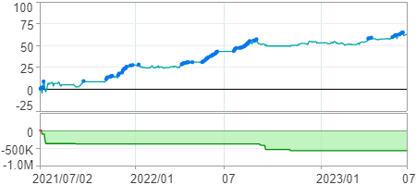

時間加權報酬率圖
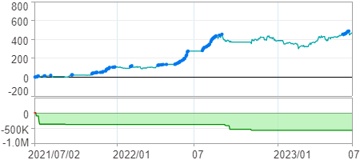

淨利曲線圖

