整體統計
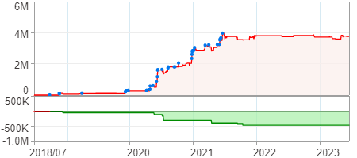
回測整體統計

回測資料範圍 | 2018/07/02 - 2023/07/02 (日資料) (逐筆洗價)
執行商品個數 | 1784(成功)0(失敗)
回測執行時間 | 2023/07/03 13:32 (費時3分52秒)
交易腳本 | 選股轉交易_v16_MDD_不還原且除權息前出
初始資金 | 1000萬元
交易費用 | 股票0.2%(成交金額)、期貨100元(口)

項目 | 全部 |  | 做多 |  | 做空
淨利 | 3,762,105 | 37.62% | 3,762,105 | 37.62% | 0 | 0.00%
毛利 | 6,624,191 | 66.24% | 6,624,191 | 66.24% | 0 | 0.00%
獲利因子 | 2.31 |  | 2.31 |  | n/a
毛損 | -2,862,086 | -28.62% | -2,862,086 | -28.62% | 0 | 0.00%
總交易成本 | 716,395 | 7.16% | 716,395 | 7.16% | 0 | 0.00%
最大投入金額 | 8,995,224 |  | 8,995,224 |  | 12,074,249
總交易次數 | 333 |  | 333 |  | 0
獲利交易次數 | 185 |  | 185 |  | 0
勝率 | 55.56% |  | 55.56% |  | 0.00%
虧損交易次數 | 148 |  | 148 |  | 0
平均交易 | 11,298 | 0.11% | 11,298 | 0.11% | 0 | 0.00%
平均獲利交易 | 35,806 | 0.36% | 35,806 | 0.36% | 0 | 0.00%
平均獲利虧損比 | 1.85 |  | 1.85 |  | 0.00
平均虧損交易 | -19,338 | -0.19% | -19,338 | -0.19% | 0 | 0.00%
最大獲利交易 | 316,410 | 3.16% | 316,410 | 3.16% | 0 | 0.00%
最大虧損交易 | -219,546 | -2.20% | -219,546 | -2.20% | 0 | 0.00%
最大區間獲利 | 3,973,063 | 39.73% | 3,973,063 | 39.73% | 3,973,063 | 39.73%
最大區間虧損 | -449,847 | -4.50% | -449,847 | -4.50% | -449,847 | -4.50%
全部交易的平均持倉K線根數 | 2.00 |  | 2.00 |  | 0.00
獲利交易的平均持倉K線根數 | 2.00 |  | 2.00 |  | 0.00
回測K線根數 | 1219 |  | 1219 |  | 1219
虧損交易的平均持倉K線根數 | 2.00 |  | 2.00 |  | 0.00
時間加權報酬 | 52,122,308 | 521.22% | 52,122,308 | 521.22% | 0 | 0.00%
最大投入報酬率 | 3,762,105 | 41.82% | 3,762,105 | 41.82% | 0 | 0.00%
買進持有報酬 | 9,009,130 | 90.09% | 9,009,130 | 90.09% | 9,009,130 | 90.09%
大盤指數報酬 | 9,090,657 | 90.91% | 9,090,657 | 90.91% | 9,090,657 | 90.91%

執行失敗商品
商品名稱 | 狀態 | 說明

最大持倉報酬率圖
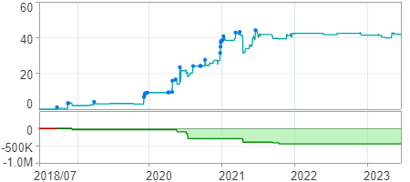

時間加權報酬率圖
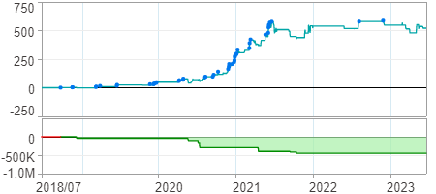

淨利曲線圖

