整體統計
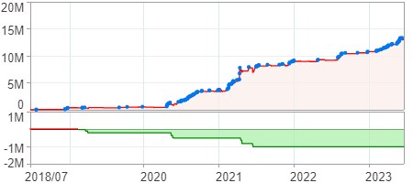
回測整體統計

回測資料範圍 | 2018/07/02 - 2023/07/02 (日資料) (逐筆洗價)
執行商品個數 | 1748(成功)36(失敗)
回測執行時間 | 2023/07/03 13:40 (費時5分12秒)
交易腳本 | 選股轉交易_v16_MDD_不還原且除權息前出
初始資金 | 1000萬元
交易費用 | 股票0.2%(成交金額)、期貨100元(口)

項目 | 全部 |  | 做多 |  | 做空
淨利 | 12,981,357 | 129.81% | 12,981,357 | 129.81% | 0 | 0.00%
毛利 | 24,815,048 | 248.15% | 24,815,048 | 248.15% | 0 | 0.00%
獲利因子 | 2.10 |  | 2.10 |  | n/a
毛損 | -11,833,691 | -118.34% | -11,833,691 | -118.34% | 0 | 0.00%
總交易成本 | 2,743,623 | 27.44% | 2,743,623 | 27.44% | 0 | 0.00%
最大投入金額 | 19,173,451 |  | 19,173,451 |  | 24,916,684
總交易次數 | 693 |  | 693 |  | 0
獲利交易次數 | 356 |  | 356 |  | 0
勝率 | 51.37% |  | 51.37% |  | 0.00%
虧損交易次數 | 337 |  | 337 |  | 0
平均交易 | 18,732 | 0.19% | 18,732 | 0.19% | 0 | 0.00%
平均獲利交易 | 69,705 | 0.70% | 69,705 | 0.70% | 0 | 0.00%
平均獲利虧損比 | 1.99 |  | 1.99 |  | 0.00
平均虧損交易 | -35,115 | -0.35% | -35,115 | -0.35% | 0 | 0.00%
最大獲利交易 | 433,937 | 4.34% | 433,937 | 4.34% | 0 | 0.00%
最大虧損交易 | -295,753 | -2.96% | -295,753 | -2.96% | 0 | 0.00%
最大區間獲利 | 13,331,409 | 133.31% | 13,331,409 | 133.31% | 13,331,409 | 133.31%
最大區間虧損 | -1,015,709 | -10.16% | -1,015,709 | -10.16% | -1,015,709 | -10.16%
全部交易的平均持倉K線根數 | 2.00 |  | 2.00 |  | 0.00
獲利交易的平均持倉K線根數 | 2.00 |  | 2.00 |  | 0.00
回測K線根數 | 1219 |  | 1219 |  | 1219
虧損交易的平均持倉K線根數 | 2.00 |  | 2.00 |  | 0.00
時間加權報酬 | 841,528,541 | 8415.29% | 841,528,541 | 8415.29% | 0 | 0.00%
最大投入報酬率 | 12,981,357 | 67.70% | 12,981,357 | 67.70% | 0 | 0.00%
買進持有報酬 | 9,125,731 | 91.26% | 9,125,731 | 91.26% | 9,125,731 | 91.26%
大盤指數報酬 | 9,090,657 | 90.91% | 9,090,657 | 90.91% | 9,090,657 | 90.91%

執行失敗商品
商品名稱 | 狀態 | 說明
雄順(2073.TW) | 錯誤 | 選股策略執行錯誤
長榮航太(2645.TW) | 錯誤 | 選股策略執行錯誤
奇鈦科(3430.TW) | 錯誤 | 選股策略執行錯誤
展達(3447.TW) | 錯誤 | 選股策略執行錯誤
大眾控(3701.TW) | 錯誤 | 執行時發生錯誤[(1401)商品: 3701.TW 指定欄位資料長度不足: 除權息日期]
定穎投控(3715.TW) | 錯誤 | 選股策略執行錯誤
松瑞藥(4167.TW) | 錯誤 | 執行時發生錯誤[(1401)商品: 4167.TW 指定欄位資料長度不足: 除權息日期]
君帆(4584.TW) | 錯誤 | 選股策略執行錯誤
精拓科(4951.TW) | 錯誤 | 選股策略執行錯誤
保勝光學(6517.TW) | 錯誤 | 選股策略執行錯誤
南俊國際(6584.TW) | 錯誤 | 選股策略執行錯誤
建德工業(6606.TW) | 錯誤 | 選股策略執行錯誤
華安(6657.TW) | 錯誤 | 選股策略執行錯誤
伊雲谷(6689.TW) | 錯誤 | 選股策略執行錯誤
芯鼎(6695.TW) | 錯誤 | 選股策略執行錯誤
天擎(6708.TW) | 錯誤 | 選股策略執行錯誤
龍德造船(6753.TW) | 錯誤 | 選股策略執行錯誤
視陽(6782.TW) | 錯誤 | 選股策略執行錯誤
虎門科技(6791.TW) | 錯誤 | 選股策略執行錯誤
宏碁資訊(6811.TW) | 錯誤 | 選股策略執行錯誤
聯寶(6821.TW) | 錯誤 | 選股策略執行錯誤
汎銓(6830.TW) | 錯誤 | 選股策略執行錯誤
天二科技(6834.TW) | 錯誤 | 選股策略執行錯誤
圓裕(6835.TW) | 錯誤 | 選股策略執行錯誤
東研信超(6840.TW) | 錯誤 | 選股策略執行錯誤
長佳智能(6841.TW) | 錯誤 | 選股策略執行錯誤
進典(6843.TW) | 錯誤 | 選股策略執行錯誤
綠茵(6846.TW) | 錯誤 | 選股策略執行錯誤
數泓科(6855.TW) | 錯誤 | 選股策略執行錯誤
伯特光(6859.TW) | 錯誤 | 選股策略執行錯誤
睿生光電(6861.TW) | 錯誤 | 選股策略執行錯誤
永道-KY(6863.TW) | 錯誤 | 選股策略執行錯誤
偉康科技(6865.TW) | 錯誤 | 選股策略執行錯誤
倍力(6874.TW) | 錯誤 | 選股策略執行錯誤
鏵友益(6877.TW) | 錯誤 | 選股策略執行錯誤
巨有科技(8227.TW) | 錯誤 | 選股策略執行錯誤

最大持倉報酬率圖
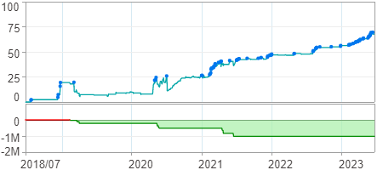

時間加權報酬率圖
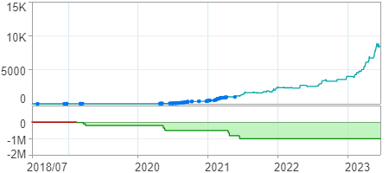

淨利曲線圖

