整體統計
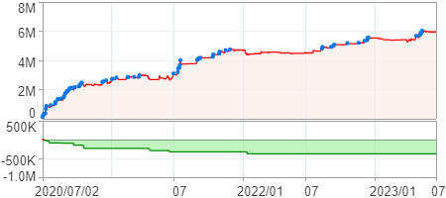
回測整體統計

回測資料範圍 | 2020/07/02 - 2023/07/02 (日資料) (逐筆洗價)
執行商品個數 | 1771(成功)13(失敗)
回測執行時間 | 2023/07/03 14:15 (費時5分54秒)
交易腳本 | 選股轉交易_v16_MDD_不還原且除權息前出
初始資金 | 1000萬元
交易費用 | 股票0.2%(成交金額)、期貨100元(口)

項目 | 全部 |  | 做多 |  | 做空
淨利 | 5,948,939 | 59.49% | 5,948,939 | 59.49% | 0 | 0.00%
毛利 | 10,020,903 | 100.21% | 10,020,903 | 100.21% | 0 | 0.00%
獲利因子 | 2.46 |  | 2.46 |  | n/a
毛損 | -4,071,964 | -40.72% | -4,071,964 | -40.72% | 0 | 0.00%
總交易成本 | 1,195,731 | 11.96% | 1,195,731 | 11.96% | 0 | 0.00%
最大投入金額 | 18,220,525 |  | 18,220,525 |  | 21,730,950
總交易次數 | 256 |  | 256 |  | 0
獲利交易次數 | 114 |  | 114 |  | 0
勝率 | 44.53% |  | 44.53% |  | 0.00%
虧損交易次數 | 142 |  | 142 |  | 0
平均交易 | 23,238 | 0.23% | 23,238 | 0.23% | 0 | 0.00%
平均獲利交易 | 87,903 | 0.88% | 87,903 | 0.88% | 0 | 0.00%
平均獲利虧損比 | 3.07 |  | 3.07 |  | 0.00
平均虧損交易 | -28,676 | -0.29% | -28,676 | -0.29% | 0 | 0.00%
最大獲利交易 | 261,660 | 2.62% | 261,660 | 2.62% | 0 | 0.00%
最大虧損交易 | -273,979 | -2.74% | -273,979 | -2.74% | 0 | 0.00%
最大區間獲利 | 6,029,427 | 60.29% | 6,029,427 | 60.29% | 6,029,427 | 60.29%
最大區間虧損 | -376,981 | -3.77% | -376,981 | -3.77% | -376,981 | -3.77%
全部交易的平均持倉K線根數 | 1.99 |  | 1.99 |  | 0.00
獲利交易的平均持倉K線根數 | 2.00 |  | 2.00 |  | 0.00
回測K線根數 | 731 |  | 731 |  | 731
虧損交易的平均持倉K線根數 | 1.99 |  | 1.99 |  | 0.00
時間加權報酬 | 86,278,189 | 862.78% | 86,278,189 | 862.78% | 0 | 0.00%
最大投入報酬率 | 5,948,939 | 32.65% | 5,948,939 | 32.65% | 0 | 0.00%
買進持有報酬 | 7,497,490 | 74.97% | 7,497,490 | 74.97% | 7,497,490 | 74.97%
大盤指數報酬 | 6,225,468 | 62.25% | 6,225,468 | 62.25% | 6,225,468 | 62.25%

執行失敗商品
商品名稱 | 狀態 | 說明
雄順(2073.TW) | 錯誤 | 選股策略執行錯誤
長榮航太(2645.TW) | 錯誤 | 執行時發生錯誤[(1401)資料不足]
元晶(6443.TW) | 錯誤 | 執行時發生錯誤[(1401)商品: 6443.TW 指定欄位資料長度不足: 除權息日期]
南俊國際(6584.TW) | 錯誤 | 選股策略執行錯誤
建德工業(6606.TW) | 錯誤 | 選股策略執行錯誤
華安(6657.TW) | 錯誤 | 選股策略執行錯誤
龍德造船(6753.TW) | 錯誤 | 選股策略執行錯誤
聯寶(6821.TW) | 錯誤 | 選股策略執行錯誤
東研信超(6840.TW) | 錯誤 | 選股策略執行錯誤
長佳智能(6841.TW) | 錯誤 | 選股策略執行錯誤
綠茵(6846.TW) | 錯誤 | 選股策略執行錯誤
睿生光電(6861.TW) | 錯誤 | 選股策略執行錯誤
鏵友益(6877.TW) | 錯誤 | 選股策略執行錯誤

最大持倉報酬率圖
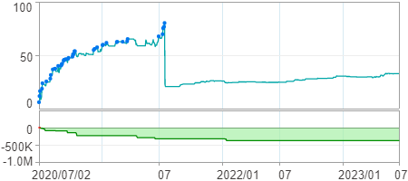

時間加權報酬率圖
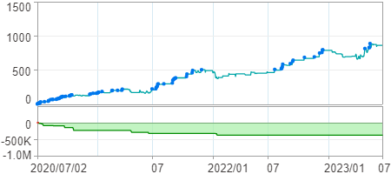

淨利曲線圖

