整體統計
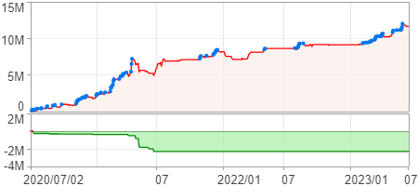
回測整體統計

回測資料範圍 | 2020/07/02 - 2023/07/02 (日資料) (逐筆洗價)
執行商品個數 | 1770(成功)14(失敗)
回測執行時間 | 2023/07/03 14:25 (費時3分18秒)
交易腳本 | 選股轉交易_v16_MDD_不還原且除權息前出
初始資金 | 1000萬元
交易費用 | 股票0.2%(成交金額)、期貨100元(口)

項目 | 全部 |  | 做多 |  | 做空
淨利 | 11,654,488 | 116.54% | 11,654,488 | 116.54% | 0 | 0.00%
毛利 | 21,171,308 | 211.71% | 21,171,308 | 211.71% | 0 | 0.00%
獲利因子 | 2.22 |  | 2.22 |  | n/a
毛損 | -9,516,820 | -95.17% | -9,516,820 | -95.17% | 0 | 0.00%
總交易成本 | 1,391,572 | 13.92% | 1,391,572 | 13.92% | 0 | 0.00%
最大投入金額 | 20,172,940 |  | 20,172,940 |  | 25,322,181
總交易次數 | 414 |  | 414 |  | 0
獲利交易次數 | 166 |  | 166 |  | 0
勝率 | 40.10% |  | 40.10% |  | 0.00%
虧損交易次數 | 248 |  | 248 |  | 0
平均交易 | 28,151 | 0.28% | 28,151 | 0.28% | 0 | 0.00%
平均獲利交易 | 127,538 | 1.28% | 127,538 | 1.28% | 0 | 0.00%
平均獲利虧損比 | 3.32 |  | 3.32 |  | 0.00
平均虧損交易 | -38,374 | -0.38% | -38,374 | -0.38% | 0 | 0.00%
最大獲利交易 | 743,085 | 7.43% | 743,085 | 7.43% | 0 | 0.00%
最大虧損交易 | -390,984 | -3.91% | -390,984 | -3.91% | 0 | 0.00%
最大區間獲利 | 12,012,677 | 120.13% | 12,012,677 | 120.13% | 12,012,677 | 120.13%
最大區間虧損 | -2,302,756 | -23.03% | -2,302,756 | -23.03% | -2,302,756 | -23.03%
全部交易的平均持倉K線根數 | 3.98 |  | 3.98 |  | 0.00
獲利交易的平均持倉K線根數 | 3.99 |  | 3.99 |  | 0.00
回測K線根數 | 731 |  | 731 |  | 731
虧損交易的平均持倉K線根數 | 3.98 |  | 3.98 |  | 0.00
時間加權報酬 | 330,909,459 | 3309.09% | 330,909,459 | 3309.09% | 0 | 0.00%
最大投入報酬率 | 11,654,488 | 57.77% | 11,654,488 | 57.77% | 0 | 0.00%
買進持有報酬 | 7,502,491 | 75.02% | 7,502,491 | 75.02% | 7,502,491 | 75.02%
大盤指數報酬 | 6,225,468 | 62.25% | 6,225,468 | 62.25% | 6,225,468 | 62.25%

執行失敗商品
商品名稱 | 狀態 | 說明
雄順(2073.TW) | 錯誤 | 選股策略執行錯誤
長榮航太(2645.TW) | 錯誤 | 選股策略執行錯誤
大眾控(3701.TW) | 錯誤 | 執行時發生錯誤[(1401)商品: 3701.TW 指定欄位資料長度不足: 除權息日期]
南俊國際(6584.TW) | 錯誤 | 選股策略執行錯誤
建德工業(6606.TW) | 錯誤 | 選股策略執行錯誤
華安(6657.TW) | 錯誤 | 選股策略執行錯誤
龍德造船(6753.TW) | 錯誤 | 選股策略執行錯誤
聯寶(6821.TW) | 錯誤 | 選股策略執行錯誤
東研信超(6840.TW) | 錯誤 | 選股策略執行錯誤
長佳智能(6841.TW) | 錯誤 | 選股策略執行錯誤
綠茵(6846.TW) | 錯誤 | 選股策略執行錯誤
睿生光電(6861.TW) | 錯誤 | 選股策略執行錯誤
永道-KY(6863.TW) | 錯誤 | 選股策略執行錯誤
鏵友益(6877.TW) | 錯誤 | 選股策略執行錯誤

最大持倉報酬率圖
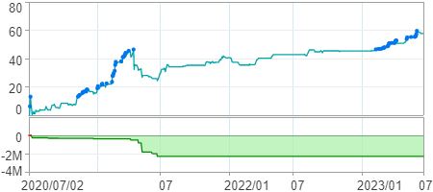

時間加權報酬率圖
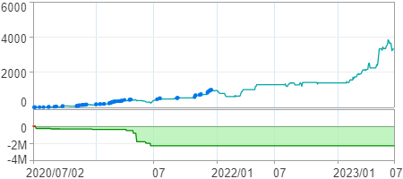

淨利曲線圖

