整體統計
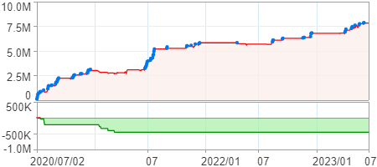
回測整體統計

回測資料範圍 | 2020/07/02 - 2023/07/02 (日資料) (逐筆洗價)
執行商品個數 | 1772(成功)12(失敗)
回測執行時間 | 2023/07/03 14:34 (費時2分1秒)
交易腳本 | 選股轉交易_v16_MDD_不還原且除權息前出
初始資金 | 1000萬元
交易費用 | 股票0.2%(成交金額)、期貨100元(口)

項目 | 全部 |  | 做多 |  | 做空
淨利 | 7,821,670 | 78.22% | 7,821,670 | 78.22% | 0 | 0.00%
毛利 | 9,545,174 | 95.45% | 9,545,174 | 95.45% | 0 | 0.00%
獲利因子 | 5.54 |  | 5.54 |  | n/a
毛損 | -1,723,504 | -17.24% | -1,723,504 | -17.24% | 0 | 0.00%
總交易成本 | 605,030 | 6.05% | 605,030 | 6.05% | 0 | 0.00%
最大投入金額 | 10,456,157 |  | 10,456,157 |  | 14,590,100
總交易次數 | 132 |  | 132 |  | 0
獲利交易次數 | 64 |  | 64 |  | 0
勝率 | 48.48% |  | 48.48% |  | 0.00%
虧損交易次數 | 68 |  | 68 |  | 0
平均交易 | 59,255 | 0.59% | 59,255 | 0.59% | 0 | 0.00%
平均獲利交易 | 149,143 | 1.49% | 149,143 | 1.49% | 0 | 0.00%
平均獲利虧損比 | 5.88 |  | 5.88 |  | 0.00
平均虧損交易 | -25,346 | -0.25% | -25,346 | -0.25% | 0 | 0.00%
最大獲利交易 | 696,269 | 6.96% | 696,269 | 6.96% | 0 | 0.00%
最大虧損交易 | -161,476 | -1.61% | -161,476 | -1.61% | 0 | 0.00%
最大區間獲利 | 7,863,193 | 78.63% | 7,863,193 | 78.63% | 7,863,193 | 78.63%
最大區間虧損 | -455,098 | -4.55% | -455,098 | -4.55% | -455,098 | -4.55%
全部交易的平均持倉K線根數 | 3.93 |  | 3.93 |  | 0.00
獲利交易的平均持倉K線根數 | 4.00 |  | 4.00 |  | 0.00
回測K線根數 | 731 |  | 731 |  | 731
虧損交易的平均持倉K線根數 | 3.87 |  | 3.87 |  | 0.00
時間加權報酬 | 123,383,329 | 1233.83% | 123,383,329 | 1233.83% | 0 | 0.00%
最大投入報酬率 | 7,821,670 | 74.80% | 7,821,670 | 74.80% | 0 | 0.00%
買進持有報酬 | 7,494,468 | 74.94% | 7,494,468 | 74.94% | 7,494,468 | 74.94%
大盤指數報酬 | 6,225,468 | 62.25% | 6,225,468 | 62.25% | 6,225,468 | 62.25%

執行失敗商品
商品名稱 | 狀態 | 說明
雄順(2073.TW) | 錯誤 | 選股策略執行錯誤
元晶(6443.TW) | 錯誤 | 執行時發生錯誤[(1401)商品: 6443.TW 指定欄位資料長度不足: 除權息日期]
南俊國際(6584.TW) | 錯誤 | 選股策略執行錯誤
建德工業(6606.TW) | 錯誤 | 選股策略執行錯誤
華安(6657.TW) | 錯誤 | 選股策略執行錯誤
龍德造船(6753.TW) | 錯誤 | 選股策略執行錯誤
聯寶(6821.TW) | 錯誤 | 選股策略執行錯誤
東研信超(6840.TW) | 錯誤 | 選股策略執行錯誤
長佳智能(6841.TW) | 錯誤 | 選股策略執行錯誤
綠茵(6846.TW) | 錯誤 | 選股策略執行錯誤
睿生光電(6861.TW) | 錯誤 | 選股策略執行錯誤
鏵友益(6877.TW) | 錯誤 | 選股策略執行錯誤

最大持倉報酬率圖
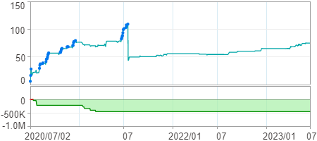

時間加權報酬率圖
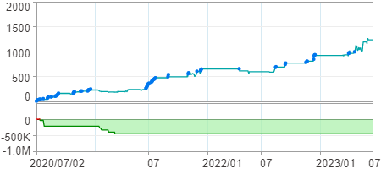

淨利曲線圖

