整體統計
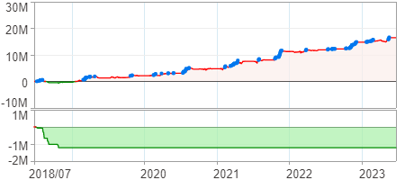
回測整體統計

回測資料範圍 | 2018/07/02 - 2023/07/02 (日資料) (逐筆洗價)
執行商品個數 | 1656(成功)3(失敗)
回測執行時間 | 2023/07/03 11:20 (費時2分40秒)
交易腳本 | 選股轉交易_v16_MDD_不還原且除權息前出
初始資金 | 1000萬元
交易費用 | 股票0.2%(成交金額)、期貨100元(口)

項目 | 全部 |  | 做多 |  | 做空
淨利 | 16,503,259 | 165.03% | 16,503,259 | 165.03% | 0 | 0.00%
毛利 | 27,656,768 | 276.57% | 27,656,768 | 276.57% | 0 | 0.00%
獲利因子 | 2.48 |  | 2.48 |  | n/a
毛損 | -11,153,509 | -111.54% | -11,153,509 | -111.54% | 0 | 0.00%
總交易成本 | 2,294,941 | 22.95% | 2,294,941 | 22.95% | 0 | 0.00%
最大投入金額 | 21,793,376 |  | 21,793,376 |  | 26,286,947
總交易次數 | 1041 |  | 1041 |  | 0
獲利交易次數 | 586 |  | 586 |  | 0
勝率 | 56.29% |  | 56.29% |  | 0.00%
虧損交易次數 | 455 |  | 455 |  | 0
平均交易 | 15,853 | 0.16% | 15,853 | 0.16% | 0 | 0.00%
平均獲利交易 | 47,196 | 0.47% | 47,196 | 0.47% | 0 | 0.00%
平均獲利虧損比 | 1.93 |  | 1.93 |  | 0.00
平均虧損交易 | -24,513 | -0.25% | -24,513 | -0.25% | 0 | 0.00%
最大獲利交易 | 849,319 | 8.49% | 849,319 | 8.49% | 0 | 0.00%
最大虧損交易 | -319,028 | -3.19% | -319,028 | -3.19% | 0 | 0.00%
最大區間獲利 | 17,265,136 | 172.65% | 17,265,136 | 172.65% | 17,265,136 | 172.65%
最大區間虧損 | -1,215,666 | -12.16% | -1,215,666 | -12.16% | -1,215,666 | -12.16%
全部交易的平均持倉K線根數 | 10.29 |  | 10.29 |  | 0.00
獲利交易的平均持倉K線根數 | 10.81 |  | 10.81 |  | 0.00
回測K線根數 | 1219 |  | 1219 |  | 1219
虧損交易的平均持倉K線根數 | 9.61 |  | 9.61 |  | 0.00
時間加權報酬 | 80,547,232 | 805.47% | 80,547,232 | 805.47% | 0 | 0.00%
最大投入報酬率 | 16,503,259 | 75.73% | 16,503,259 | 75.73% | 0 | 0.00%
買進持有報酬 | 9,071,386 | 90.71% | 9,071,386 | 90.71% | 9,071,386 | 90.71%
大盤指數報酬 | 9,090,657 | 90.91% | 9,090,657 | 90.91% | 9,090,657 | 90.91%

執行失敗商品
商品名稱 | 狀態 | 說明
雄順(2073.TW) | 錯誤 | 選股策略執行錯誤
華安(6657.TW) | 錯誤 | 選股策略執行錯誤
鏵友益(6877.TW) | 錯誤 | 選股策略執行錯誤

最大持倉報酬率圖
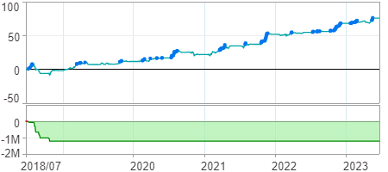

時間加權報酬率圖
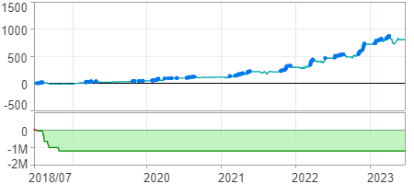

淨利曲線圖

