整體統計
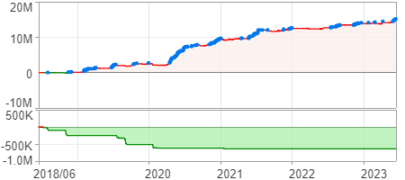
回測整體統計

回測資料範圍 | 2018/06/26 - 2023/06/26 (日資料) (逐筆洗價)
執行商品個數 | 1769(成功)15(失敗)
回測執行時間 | 2023/07/03 11:09 (費時5分3秒)
交易腳本 | 選股轉交易_v16_MDD_不還原且除權息前出
初始資金 | 1000萬元
交易費用 | 股票0.2%(成交金額)、期貨100元(口)

項目 | 全部 |  | 做多 |  | 做空
淨利 | 15,080,254 | 150.80% | 15,080,254 | 150.80% | 0 | 0.00%
毛利 | 28,663,414 | 286.63% | 28,663,414 | 286.63% | 0 | 0.00%
獲利因子 | 2.11 |  | 2.11 |  | n/a
毛損 | -13,583,160 | -135.83% | -13,583,160 | -135.83% | 0 | 0.00%
總交易成本 | 3,516,016 | 35.16% | 3,516,016 | 35.16% | 0 | 0.00%
最大投入金額 | 13,854,833 |  | 13,854,833 |  | 22,315,848
總交易次數 | 2101 |  | 2101 |  | 0
獲利交易次數 | 950 |  | 950 |  | 0
勝率 | 45.22% |  | 45.22% |  | 0.00%
虧損交易次數 | 1150 |  | 1150 |  | 0
平均交易 | 7,178 | 0.07% | 7,178 | 0.07% | 0 | 0.00%
平均獲利交易 | 30,172 | 0.30% | 30,172 | 0.30% | 0 | 0.00%
平均獲利虧損比 | 2.55 |  | 2.55 |  | 0.00
平均虧損交易 | -11,811 | -0.12% | -11,811 | -0.12% | 0 | 0.00%
最大獲利交易 | 374,527 | 3.75% | 374,527 | 3.75% | 0 | 0.00%
最大虧損交易 | -171,492 | -1.71% | -171,492 | -1.71% | 0 | 0.00%
最大區間獲利 | 15,390,861 | 153.91% | 15,390,861 | 153.91% | 15,390,861 | 153.91%
最大區間虧損 | -641,144 | -6.41% | -641,144 | -6.41% | -641,144 | -6.41%
全部交易的平均持倉K線根數 | 4.45 |  | 4.45 |  | 0.00
獲利交易的平均持倉K線根數 | 4.94 |  | 4.94 |  | 0.00
回測K線根數 | 1219 |  | 1219 |  | 1219
虧損交易的平均持倉K線根數 | 4.04 |  | 4.04 |  | 0.00
時間加權報酬 | 85,280,003 | 852.80% | 85,280,003 | 852.80% | 0 | 0.00%
最大投入報酬率 | 15,080,254 | 108.84% | 15,080,254 | 108.84% | 0 | 0.00%
買進持有報酬 | 9,031,540 | 90.32% | 9,031,540 | 90.32% | 9,031,540 | 90.32%
大盤指數報酬 | 9,232,824 | 92.33% | 9,232,824 | 92.33% | 9,232,824 | 92.33%

執行失敗商品
商品名稱 | 狀態 | 說明
雄順(2073.TW) | 錯誤 | 選股策略執行錯誤
展達(3447.TW) | 錯誤 | 選股策略執行錯誤
保勝光學(6517.TW) | 錯誤 | 執行時發生錯誤[(1401)資料不足]
南俊國際(6584.TW) | 錯誤 | 選股策略執行錯誤
建德工業(6606.TW) | 錯誤 | 選股策略執行錯誤
華安(6657.TW) | 錯誤 | 選股策略執行錯誤
天擎(6708.TW) | 錯誤 | 選股策略執行錯誤
龍德造船(6753.TW) | 錯誤 | 選股策略執行錯誤
聯寶(6821.TW) | 錯誤 | 選股策略執行錯誤
東研信超(6840.TW) | 錯誤 | 選股策略執行錯誤
長佳智能(6841.TW) | 錯誤 | 選股策略執行錯誤
綠茵(6846.TW) | 錯誤 | 選股策略執行錯誤
睿生光電(6861.TW) | 錯誤 | 選股策略執行錯誤
鏵友益(6877.TW) | 錯誤 | 選股策略執行錯誤
巨有科技(8227.TW) | 錯誤 | 選股策略執行錯誤

最大持倉報酬率圖
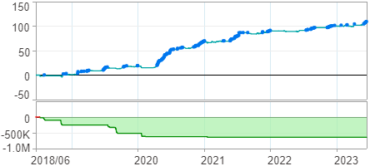

時間加權報酬率圖
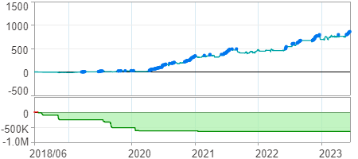

淨利曲線圖

