整體統計
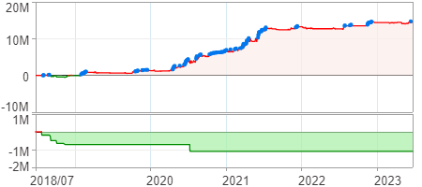
回測整體統計

回測資料範圍 | 2018/07/02 - 2023/07/02 (日資料) (逐筆洗價)
執行商品個數 | 1784(成功)0(失敗)
回測執行時間 | 2023/07/03 14:02 (費時32秒)
交易腳本 | 選股轉交易_v16_MDD_不還原且除權息前出
初始資金 | 1000萬元
交易費用 | 股票0.2%(成交金額)、期貨100元(口)

項目 | 全部 |  | 做多 |  | 做空
淨利 | 14,591,175 | 145.91% | 14,591,175 | 145.91% | 0 | 0.00%
毛利 | 22,855,342 | 228.55% | 22,855,342 | 228.55% | 0 | 0.00%
獲利因子 | 2.77 |  | 2.77 |  | n/a
毛損 | -8,264,167 | -82.64% | -8,264,167 | -82.64% | 0 | 0.00%
總交易成本 | 1,128,245 | 11.28% | 1,128,245 | 11.28% | 0 | 0.00%
最大投入金額 | 8,849,399 |  | 8,849,399 |  | 16,892,150
總交易次數 | 188 |  | 188 |  | 0
獲利交易次數 | 97 |  | 97 |  | 0
勝率 | 51.60% |  | 51.60% |  | 0.00%
虧損交易次數 | 91 |  | 91 |  | 0
平均交易 | 77,613 | 0.78% | 77,613 | 0.78% | 0 | 0.00%
平均獲利交易 | 235,622 | 2.36% | 235,622 | 2.36% | 0 | 0.00%
平均獲利虧損比 | 2.59 |  | 2.59 |  | 0.00
平均虧損交易 | -90,815 | -0.91% | -90,815 | -0.91% | 0 | 0.00%
最大獲利交易 | 826,987 | 8.27% | 826,987 | 8.27% | 0 | 0.00%
最大虧損交易 | -670,810 | -6.71% | -670,810 | -6.71% | 0 | 0.00%
最大區間獲利 | 15,212,878 | 152.13% | 15,212,878 | 152.13% | 15,212,878 | 152.13%
最大區間虧損 | -1,100,862 | -11.01% | -1,100,862 | -11.01% | -1,100,862 | -11.01%
全部交易的平均持倉K線根數 | 9.74 |  | 9.74 |  | 0.00
獲利交易的平均持倉K線根數 | 9.90 |  | 9.90 |  | 0.00
回測K線根數 | 1219 |  | 1219 |  | 1219
虧損交易的平均持倉K線根數 | 9.58 |  | 9.58 |  | 0.00
時間加權報酬 | 191,473,610 | 1914.74% | 191,473,610 | 1914.74% | 0 | 0.00%
最大投入報酬率 | 14,591,175 | 164.88% | 14,591,175 | 164.88% | 0 | 0.00%
買進持有報酬 | 9,009,130 | 90.09% | 9,009,130 | 90.09% | 9,009,130 | 90.09%
大盤指數報酬 | 9,090,657 | 90.91% | 9,090,657 | 90.91% | 9,090,657 | 90.91%

執行失敗商品
商品名稱 | 狀態 | 說明

最大持倉報酬率圖
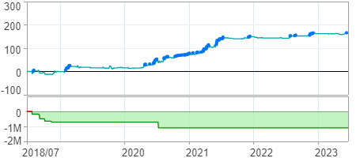

時間加權報酬率圖
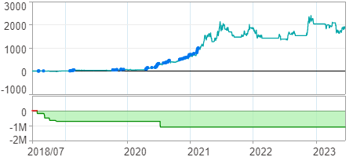

淨利曲線圖

