整體統計
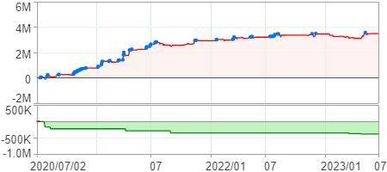
回測整體統計

回測資料範圍 | 2020/07/02 - 2023/07/02 (日資料) (逐筆洗價)
執行商品個數 | 1780(成功)4(失敗)
回測執行時間 | 2023/07/03 14:23 (費時4分17秒)
交易腳本 | 選股轉交易_v16_MDD_不還原且除權息前出
初始資金 | 1000萬元
交易費用 | 股票0.2%(成交金額)、期貨100元(口)

項目 | 全部 |  | 做多 |  | 做空
淨利 | 3,477,888 | 34.78% | 3,477,888 | 34.78% | 0 | 0.00%
毛利 | 6,961,124 | 69.61% | 6,961,124 | 69.61% | 0 | 0.00%
獲利因子 | 2 |  | 2 |  | n/a
毛損 | -3,483,236 | -34.83% | -3,483,236 | -34.83% | 0 | 0.00%
總交易成本 | 1,490,012 | 14.90% | 1,490,012 | 14.90% | 0 | 0.00%
最大投入金額 | 19,184,723 |  | 19,184,723 |  | 20,607,697
總交易次數 | 451 |  | 451 |  | 0
獲利交易次數 | 217 |  | 217 |  | 0
勝率 | 48.12% |  | 48.12% |  | 0.00%
虧損交易次數 | 234 |  | 234 |  | 0
平均交易 | 7,712 | 0.08% | 7,712 | 0.08% | 0 | 0.00%
平均獲利交易 | 32,079 | 0.32% | 32,079 | 0.32% | 0 | 0.00%
平均獲利虧損比 | 2.16 |  | 2.16 |  | 0.00
平均虧損交易 | -14,886 | -0.15% | -14,886 | -0.15% | 0 | 0.00%
最大獲利交易 | 301,560 | 3.02% | 301,560 | 3.02% | 0 | 0.00%
最大虧損交易 | -142,344 | -1.42% | -142,344 | -1.42% | 0 | 0.00%
最大區間獲利 | 3,698,984 | 36.99% | 3,698,984 | 36.99% | 3,698,984 | 36.99%
最大區間虧損 | -390,428 | -3.90% | -390,428 | -3.90% | -390,428 | -3.90%
全部交易的平均持倉K線根數 | 2.00 |  | 2.00 |  | 0.00
獲利交易的平均持倉K線根數 | 2.00 |  | 2.00 |  | 0.00
回測K線根數 | 731 |  | 731 |  | 731
虧損交易的平均持倉K線根數 | 2.00 |  | 2.00 |  | 0.00
時間加權報酬 | 29,971,156 | 299.71% | 29,971,156 | 299.71% | 0 | 0.00%
最大投入報酬率 | 3,477,888 | 18.13% | 3,477,888 | 18.13% | 0 | 0.00%
買進持有報酬 | 7,481,348 | 74.81% | 7,481,348 | 74.81% | 7,481,348 | 74.81%
大盤指數報酬 | 6,225,468 | 62.25% | 6,225,468 | 62.25% | 6,225,468 | 62.25%

執行失敗商品
商品名稱 | 狀態 | 說明
雄順(2073.TW) | 錯誤 | 選股策略執行錯誤
華安(6657.TW) | 錯誤 | 選股策略執行錯誤
綠茵(6846.TW) | 錯誤 | 選股策略執行錯誤
鏵友益(6877.TW) | 錯誤 | 選股策略執行錯誤

最大持倉報酬率圖
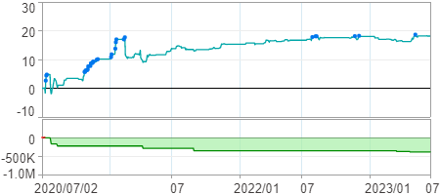

時間加權報酬率圖
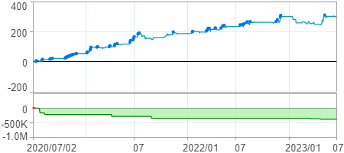

淨利曲線圖

